E
2NF


3NF

Table1 - Client |  |  | Table2 - PlaceofResidence
client_id | first_name | Last_name | place_id | province | city | postal_code
23 | Khalid | Boulahrouz | 1 | Noord-Holland | Alkmaar | 1825HH
24 | ZinEdinw | Zidane | 2 | Noord-Holland | Langedijk | 1834DK
25 | Ruud | van Nistelrooy | 3 | Noord-Holland | Schermer | 1844JJ
19 | Phillip | Cocu | 4 | Noord-Holland | Heilo | 1850WI

F
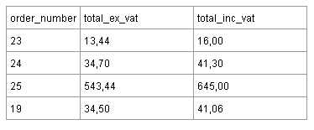

Где Total_inc_vat = 119% От Total_ex_vat.

order_number | total_ex_vat | total_inc_vat
23 | 13.44 | 16
24 | 34.7 | 41.3
25 | 543.44 | 645
19 | 34.5 | 41.06

3NF

order_number | total_ex_vat
23 | 13.44
24 | 34.7
25 | 543.44
19 | 34.5

Total_inc_vat можно убрать из таблицы,т.к. это вычисляемая колонка

