E

ID | client_id | first_name | last_name | province | city | postal_code |  |  | 2 НФ
1 | 23 | khaalid | boulahrouz | noord-holand | akmaar | 1825HH
2 | 24 | zinedin | zidane | noord-holand | langedijk | 1834DK
3 | 25 | ruud | van nistelrooy | noord-holand | schermer | 1844JJ
4 | 19 | phillip | cocu | noord-holand | hello | 1850WI

FCT
ID | client_id | first_name | last_name | id_province | id_city |  | id_province | province | id_city | city | postal_code | 3 НФ
1 | 23 | khaalid | boulahrouz | 1 | 1 |  | 1 | noord-holand | 1 | akmaar | 1825HH
2 | 24 | zinedin | zidane | 1 | 2 |  |  |  | 2 | langedijk | 1834DK
3 | 25 | ruud | van nistelrooy | 1 | 3 |  |  |  | 3 | schermer | 1844JJ
4 | 19 | phillip | cocu | 1 | 4 |  |  |  | 4 | hello | 1850WI

F
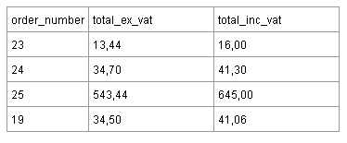
order_number | total_ex_vatt | total_inc_vat |  | 1 НФ
23 | 13.44 | 16
24 | 34.7 | 41.3
25 | 543.44 | 654
19 | 34.5 | 41.06

id | order_number | total_ex_vatt | total_inc_vat |  | 2 НФ
1 | 23 | 13.44 | 16
2 | 24 | 34.7 | 41.3 |  |  | Где Total_inc_vat = 119% От Total_ex_vat.
3 | 25 | 543.44 | 654
4 | 19 | 34.5 | 41.06

id | order_number | total_ex_vatt |  |  | 3 НФ
1 | 23 | 13.44
2 | 24 | 34.7
3 | 25 | 543.44
4 | 19 | 34.5

