e

 |  |  |  |  |  | 2nf

client_id | first_name | last_name |  |  |  | 3nf
23 | Khalid | Boulahrouz
24 | ZinEdine | Zidane
25 | Ruud | van Nistelrooy
19 | Phillip | Cocu

province_id | province
1 | Noord-Holland

city_id | city | province_id
1 | Alkmaar | 1
2 | Langedijk | 1
3 | Schermer | 1
4 | Heilo | 1

address_id | postal_code | city_id | result_id | client_id | address_id
1 | 1825HH | 1 | 1 | 23 | 1
2 | 1834DK | 2 | 2 | 24 | 2
3 | 1844JJ | 3 | 3 | 25 | 3
4 | 1850WI | 4 | 4 | 19 | 4

f
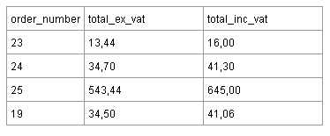
 |  | 2nf

order_number | total_ex_vat | 3nf
23 | 13.44
24 | 34.7
25 | 543.44
19 | 34.5

