e
 |  | 2 НФ



 |  | 3 НФ

clients |  |  |  | cities |  |  |  | provinces
client_id | first_name | last_name | city_id | id | name | postal_code | province_id | id | name
23 | Khalid | Boulahrouz | 1 | 1 | Alkmaar | 1825HH | 1 | 1 | Noord-Holland
24 | ZinEndine | Zidane | 2 | 2 | Langedijk | 1834DK | 1
25 | Ruud | van Nistelrooy | 3 | 3 | Schermer | 1844JJ | 1
19 | Phillip | Cocu | 4 | 4 | Heilo | 1850WI | 1

f
 |  | 2 НФ

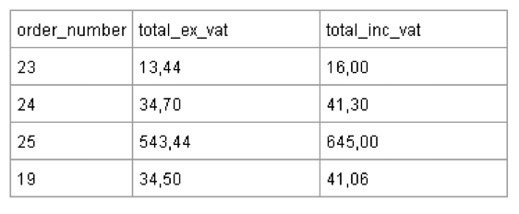

 | Где Total_inc_vat = 119% От Total_ex_vat.

 |  | 3 НФ

order_number | total_ex_vat
23 | 13.44
24 | 34.7
25 | 543.44
19 | 34.5

