Answers
 | Assignment 1.1
 | Tamer Nas

Q1 | Month | February |  |  |  | March
 | Weeks | 1 | 2 | 3 | 4 | 1 | 2 | 3 | 4
 | Vacation work conflicts | N/A | N/A | N/A | N/A | N/A | N/A | N/A | N/A
 | Workspace setup | Already Set it up
 | Task Deadline | Feb 28, 2025 |  |  | Finish the Specialization Course
 | Tool installations | Alradey have jupiterlab, and Python,

Q2 | As a data analyst student, my aim is to finish this course as soon as possible and find a job.
 | Therefore, I have to work in discipline, I do not have any vacation untill I finish this course.
 | I dedicated my full time here.
 | One of the biggest challenges that I face is motivation, and self discipline to work everyday.
 | Meanwhile I have to be very careful not to burn out myself in this condense workload. I need to spend also time for myself to relax and recharge.
 | My motivation and aim is to finish 1 assignment everyday, unless it is a ending big assignment. Otherwise in 2 days time.
 | I made this sort of approach since the first day of the course and it worked with me and came here so far quickly.

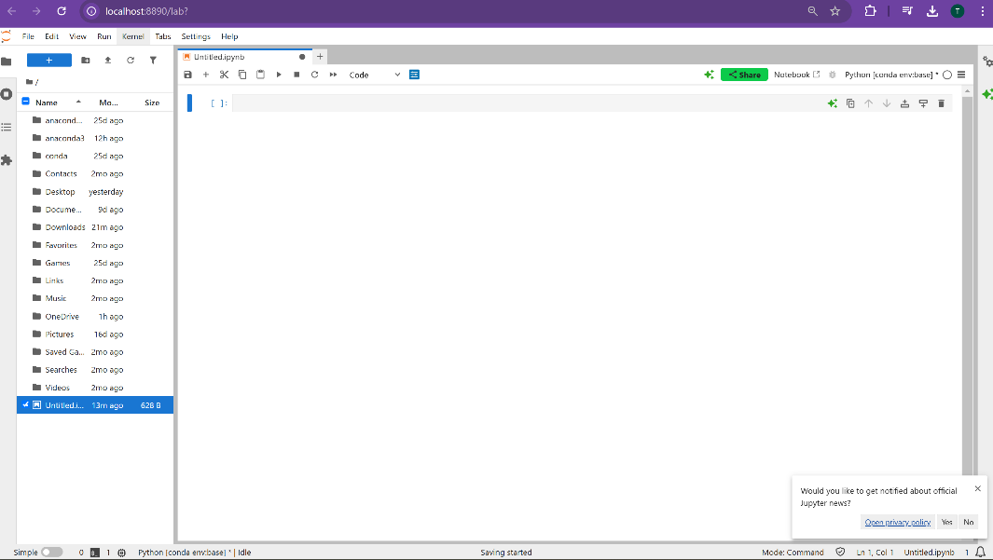
Q3 | I use anaconda navigator to reach the jupyter lab. First thing I realize that it instantly open a blank sheet and the file directory tree together.
 | So instead of going and selecting which file you will work on, and open in a different tab, or open a new workbook, it unites the two screen together
 | and help you to cruise the directory easier.
 | Obviously it provides a better User Interface.

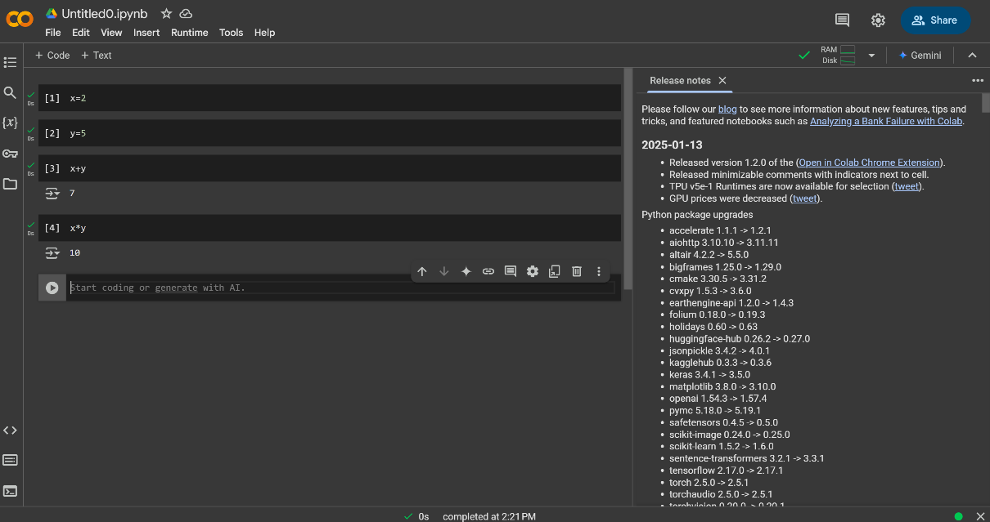
Q4

Q5 | Jupyter Lab: As for the user friendliness and performance quality, I prefer jupyter lab since it can show and let you do see many different screens and let you manupulate different operations all in one application.
 | It help you to preview the cvs and pdf files. In case that I want to use R, Julia, and C++ coding languages, it supports. I can also use SQL codes in there. I can move the cells and change the operation order
 | of the cells. I can split up my screen so that in a long code I don’t have to scroll up and down to control the codes.

 | Google Collaboratory: It is free and it does not require any set up. For python you still need to set up some paths in windows system.
 | Since my computer is already over 8gb ram, there is no additional benefit for me.However, for people ram, it gives the priviledges of working at a 12 gb capacity which makes it easier working with larger database.
 | Also, it includes Python’s most prominent libraries—pandas, NumPy, seaborn, and more—preinstalled.

