oil_price
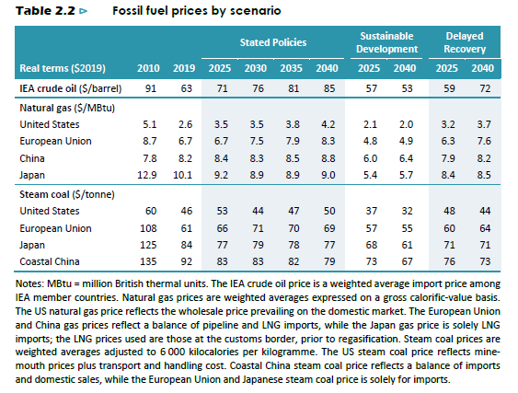

Take 'delayed recovery' as scenario. Also, look only at EU.
 | 2010 | 2019 | 2025 | 2030 | 2035 | 2040
EU - crude oil | 91 | 63 | 71 | 76 | 81 | 85
EU - natural gas | 8.7 | 6.7 | 6.7 | 7.5 | 7.9 | 8.3
EU - Steam coal | 108 | 61 | 66 | 71 | 70 | 69

 | 2010 | 2011 | 2012 | 2013 | 2014 | 2015 | 2016 | 2017 | 2018 | 2019 | 2020 | 2021 | 2022 | 2023 | 2024 | 2025 | 2026 | 2027 | 2028 | 2029 | 2030 | 2031 | 2032 | 2033 | 2034 | 2035 | 2036 | 2037 | 2038 | 2039 | 2040 | 2041 | 2042 | 2043 | 2044 | 2045 | 2046 | 2047 | 2048 | 2049 | 2050
EU - crude oil | 91 | 87.89 | 84.78 | 81.67 | 78.56 | 75.44 | 72.33 | 69.22 | 66.11 | 63 | 64.33 | 65.67 | 67.00 | 68.33 | 69.67 | 71 | 71.93 | 72.87 | 73.80 | 74.73 | 75.67 | 76.60 | 77.53 | 78.47 | 79.40 | 80.33 | 81.27 | 82.20 | 83.13 | 84.07 | 85 | 85.00 | 85.00 | 85.00 | 85.00 | 85.00 | 85.00 | 85.00 | 85.00 | 85.00 | 85.00
EU - natural gas | 8.7 | 8.48 | 8.26 | 8.03 | 7.81 | 7.59 | 7.37 | 7.14 | 6.92 | 6.7 | 6.70 | 6.70 | 6.70 | 6.70 | 6.70 | 6.7 | 6.81 | 6.91 | 7.02 | 7.13 | 7.23 | 7.34 | 7.45 | 7.55 | 7.66 | 7.77 | 7.87 | 7.98 | 8.09 | 8.19 | 8.3 | 8.30 | 8.30 | 8.30 | 8.30 | 8.30 | 8.30 | 8.30 | 8.30 | 8.30 | 8.30
EU - Steam coal | 108 | 102.78 | 97.56 | 92.33 | 87.11 | 81.89 | 76.67 | 71.44 | 66.22 | 61 | 61.83 | 62.67 | 63.50 | 64.33 | 65.17 | 66 | 66.20 | 66.40 | 66.60 | 66.80 | 67.00 | 67.20 | 67.40 | 67.60 | 67.80 | 68.00 | 68.20 | 68.40 | 68.60 | 68.80 | 69 | 69.00 | 69.00 | 69.00 | 69.00 | 69.00 | 69.00 | 69.00 | 69.00 | 69.00 | 69.00

 | 2011 | 2012 | 2013 | 2014 | 2015 | 2016 | 2017 | 2018 | 2019 | 2020 | 2021 | 2022 | 2023 | 2024 | 2025 | 2026 | 2027 | 2028 | 2029 | 2030 | 2031 | 2032 | 2033 | 2034 | 2035 | 2036 | 2037 | 2038 | 2039 | 2040 | 2041 | 2042 | 2043 | 2044 | 2045 | 2046 | 2047 | 2048 | 2049 | 2050
EU - crude oil | 87.89 | 84.78 | 81.67 | 78.56 | 75.44 | 72.33 | 69.22 | 66.11 | 63.00 | 64.33 | 65.67 | 67.00 | 68.33 | 69.67 | 71.00 | 71.93 | 72.87 | 73.80 | 74.73 | 75.67 | 76.60 | 77.53 | 78.47 | 79.40 | 80.33 | 81.27 | 82.20 | 83.13 | 84.07 | 85.00 | 85.00 | 85.00 | 85.00 | 85.00 | 85.00 | 85.00 | 85.00 | 85.00 | 85.00 | 85.00
EU - natural gas | 8.48 | 8.26 | 8.03 | 7.81 | 7.59 | 7.37 | 7.14 | 6.92 | 6.70 | 6.70 | 6.70 | 6.70 | 6.70 | 6.70 | 6.70 | 6.81 | 6.91 | 7.02 | 7.13 | 7.23 | 7.34 | 7.45 | 7.55 | 7.66 | 7.77 | 7.87 | 7.98 | 8.09 | 8.19 | 8.30 | 8.30 | 8.30 | 8.30 | 8.30 | 8.30 | 8.30 | 8.30 | 8.30 | 8.30 | 8.30
EU - Steam coal | 102.78 | 97.56 | 92.33 | 87.11 | 81.89 | 76.67 | 71.44 | 66.22 | 61.00 | 61.83 | 62.67 | 63.50 | 64.33 | 65.17 | 66.00 | 66.20 | 66.40 | 66.60 | 66.80 | 67.00 | 67.20 | 67.40 | 67.60 | 67.80 | 68.00 | 68.20 | 68.40 | 68.60 | 68.80 | 69.00 | 69.00 | 69.00 | 69.00 | 69.00 | 69.00 | 69.00 | 69.00 | 69.00 | 69.00 | 69.00

 | -18% | decrease in oil price |  | between 2025 and 2011

 | 1.00 | 0.96 | 0.93 | 0.89 | 0.86 | 0.82 | 0.79 | 0.75 | 0.72 | 0.73 | 0.75 | 0.76 | 0.78 | 0.79 | 0.81 | 0.82 | 0.83 | 0.84 | 0.85 | 0.86 | 0.87 | 0.88 | 0.89 | 0.90 | 0.91 | 0.92 | 0.94 | 0.95 | 0.96 | 0.97 | 0.97 | 0.97 | 0.97 | 0.97 | 0.97 | 0.97 | 0.97 | 0.97 | 0.97 | 0.97

