1. Effect of temp on lab-prod
Source 1: | https://www.coacch.eu/wp-content/uploads/2019/11/COACCH-Sector-Impact-Economic-Cost-Results-22-Nov-2019-Web.pdf

Background | The COACCH project has developed new estimates of the impacts of climate change on the industry and service sectors using econometric analysis. It has combined (spatial) information on sectoral labour productivity (for different sectors) with high resolution meteorological data (subnational) to investigate the impacts of changes in temperature and heatwaves.

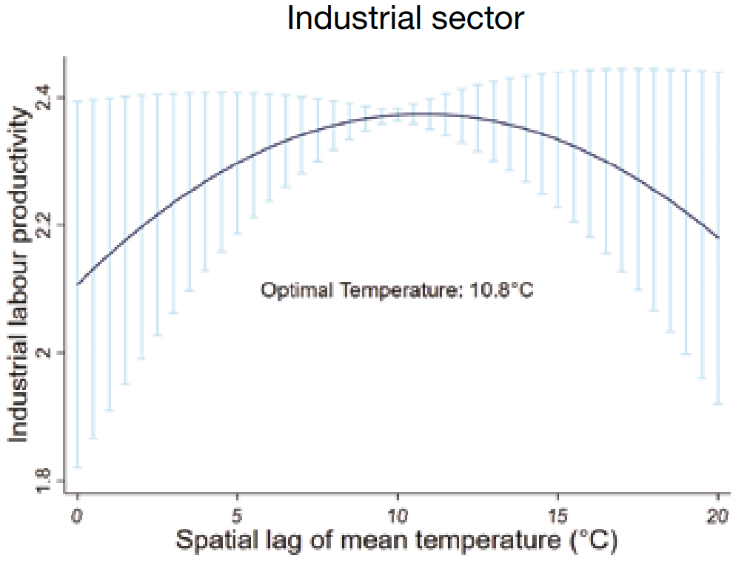
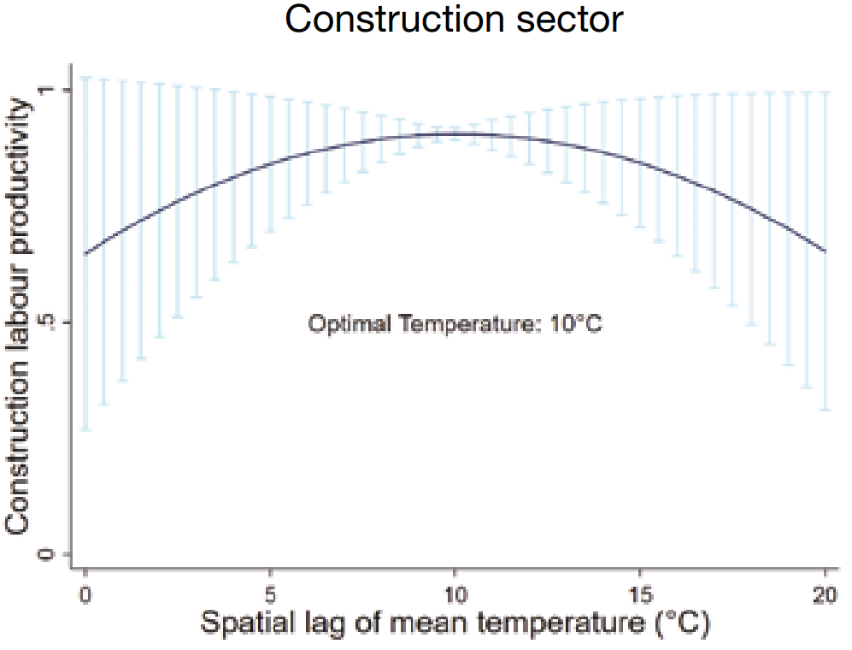

 |  |  |  |  |  |  |  |  |  |  |  | 0.50 | 0.67 | 0.83 | 0.83 | 0.83 | 0.83 | 0.83 | 0.67 | 0.50
 |  |  |  |  |  |  |  |  |  |  |  | 0.9 | 0.55 | 0.05 | 0.3 | 0.4 | 0.3 | 0.1 | 0.6 | 0.9

temperature |  | 0 | 2.5 | 5 | 7.5 | 10 | 12.5 | 15 | 17.5 | 20 | temperature | 0 | 2.5 | 5 | 7.5 | 10 | 12.5 | 15 | 17.5 | 20
prodL |  | 2.11 | 2.22 | 2.30 | 2.35 | 2.37 | 2.36 | 2.33 | 2.27 | 2.18 | prodL | 0.65 | 0.76 | 0.84 | 0.88 | 0.90 | 0.88 | 0.85 | 0.77 | 0.65
Estimated prodL |  | 2.11 | 2.22 | 2.30 | 2.35 | 2.37 | 2.37 | 2.34 | 2.28 | 2.20 | Estimated prodL | 0.65 | 0.76 | 0.84 | 0.89 | 0.90 | 0.89 | 0.84 | 0.77 | 0.66

Source 2: | https://www.researchgate.net/publication/227410116_Does_Temperature_Affect_Labor_Productivity_Cross-Country_Evidence

Background | This analysis, by using a cross-section data of 111 countries for different samples of 1997-2006 period and Ordinary Least Square (OLS) estimation technique, tests the hypothesis that higher temperature conversely affects labor productivity in a country. The results indicate that there is statistically significant negative relationship between temperature and labor productivity level of a country and this finding remains valid for all samples.

Explanations | In this case we need to explain why and how temperature may affect the labor productivity. Temperature can influence the labor productivity in several ways. First the working premises may not be air conditioned. Presence of excessive heat in working place adversely affects the concentration and efficiency of employees. Second hot temperature may change the mood of individuals. Hot weather might make individuals nervous and lazy. Third it is observed that individuals, in hot weather, experience difficulty in breathing, exhaustion etc. These factors might also influence the labor productivity in a reducing way. Lastly hot weather can help to flourish of epidemic diseases. Thus individuals can get ill in hot weather and in turn this may lower their productivity.

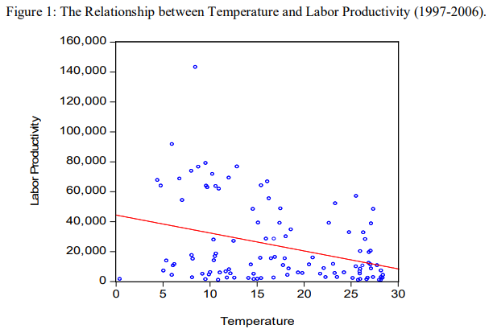
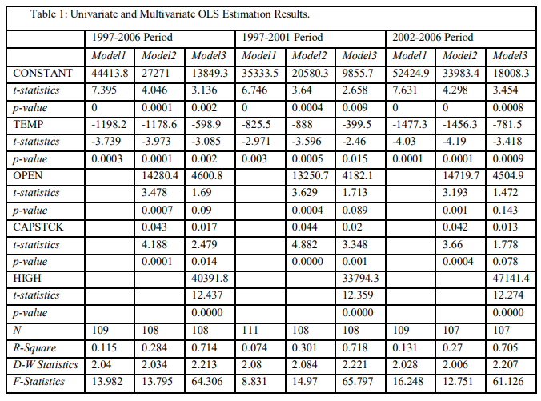

 | Use the following relation (model 3):
 | Lprod = old productivity - 598.9 * TEMP
 | Labor productivity is the ratio of GDP at current USD prices to total employment for a country.

3. temp increase under scenario
Source 1: | https://www.pbl.nl/sites/default/files/downloads/PBL-2011-climate-policy-after-kyoto-500114019_0.pdf

Background

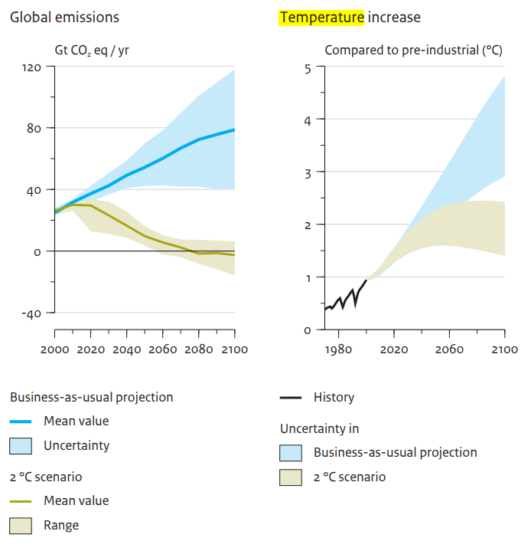

Source 2: | https://www.coacch.eu/wp-content/uploads/2019/11/COACCH-Sector-Impact-Economic-Cost-Results-22-Nov-2019-Web.pdf

Background | At 2°C of global mean warming, the Iberian Peninsula and other parts of the Mediterranean could experience 3°C of warming in summer, and Scandinavia and the Baltic 4°C of warming in winter. These areas will also reach 2°C of local warming much earlier in time i.e. in the next couple of decades. These trends are exacerbated under higher warming scenarios.

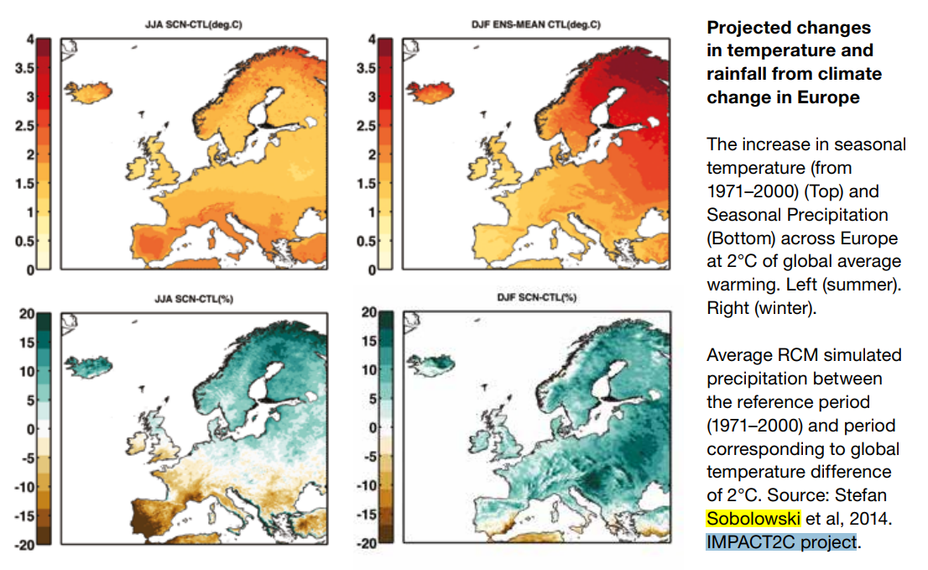
 |  |  |  | 2100 | 2100 | 2100 | 2050 | 2050 | 2050
 |  |  |  | 2 | 4 | 1.5 | 2 | 2.25 | 1.5
 |  | summer 2 degree | winter 2 degree | average 2 degree | estimation 4 degrees | Estimation 1.5 degrees | average 2 degree | estimation 4 degrees | Estimation 1.5 degrees
 | AT | 1.75 | 1.75 | 1.75 | 3.75 | 1.25 | 1.75 | 2.00 | 1.50
 | BE | 1.5 | 1.5 | 1.50 | 3.50 | 1.00 | 1.50 | 1.75 | 1.25
 | BG | 1.75 | 1.75 | 1.75 | 3.75 | 1.25 | 1.75 | 2.00 | 1.50
 | CY | 2 | 1.75 | 1.88 | 3.88 | 1.38 | 1.88 | 2.13 | 1.63
 | CZ | 1.75 | 1.75 | 1.75 | 3.75 | 1.25 | 1.75 | 2.00 | 1.50
 | DE | 1.5 | 1.5 | 1.50 | 3.50 | 1.00 | 1.50 | 1.75 | 1.25
 | DK | 1.5 | 1.75 | 1.63 | 3.63 | 1.13 | 1.63 | 1.88 | 1.38
 | EE | 1.5 | 2.75 | 2.13 | 4.13 | 1.63 | 2.13 | 2.38 | 1.88
 | ES | 2.25 | 1 | 1.63 | 3.63 | 1.13 | 1.63 | 1.88 | 1.38
 | FI | 1.5 | 3 | 2.25 | 4.25 | 1.75 | 2.25 | 2.50 | 2.00
 | FR | 1.75 | 1.5 | 1.63 | 3.63 | 1.13 | 1.63 | 1.88 | 1.38
 | GR | 2 | 1.75 | 1.88 | 3.88 | 1.38 | 1.88 | 2.13 | 1.63
 | HU | 1.75 | 1.75 | 1.75 | 3.75 | 1.25 | 1.75 | 2.00 | 1.50
 | IE | 1 | 1 | 1.00 | 3.00 | 0.50 | 1.00 | 1.25 | 0.75
 | IT | 2 | 1.75 | 1.88 | 3.88 | 1.38 | 1.88 | 2.13 | 1.63
 | LT | 1.5 | 2.25 | 1.88 | 3.88 | 1.38 | 1.88 | 2.13 | 1.63
 | LU | 1.5 | 1.5 | 1.50 | 3.50 | 1.00 | 1.50 | 1.75 | 1.25
 | LV | 1.5 | 2.25 | 1.88 | 3.88 | 1.38 | 1.88 | 2.13 | 1.63
 | MT | 2 | 1.75 | 1.88 | 3.88 | 1.38 | 1.88 | 2.13 | 1.63
 | NL | 1.5 | 1.5 | 1.50 | 3.50 | 1.00 | 1.50 | 1.75 | 1.25
 | PL | 1.5 | 2 | 1.75 | 3.75 | 1.25 | 1.75 | 2.00 | 1.50
 | PT | 2 | 1 | 1.50 | 3.50 | 1.00 | 1.50 | 1.75 | 1.25
 | RO | 1.5 | 2 | 1.75 | 3.75 | 1.25 | 1.75 | 2.00 | 1.50
 | SE | 1.5 | 2.5 | 2.00 | 4.00 | 1.50 | 2.00 | 2.25 | 1.75
 | SI | 1.75 | 1.75 | 1.75 | 3.75 | 1.25 | 1.75 | 2.00 | 1.50
 | SK | 1.75 | 2 | 1.88 | 3.88 | 1.38 | 1.88 | 2.13 | 1.63
 | GB | 1.5 | 1.5 | 1.50 | 3.50 | 1.00 | 1.50 | 1.75 | 1.25
 | HR | 2 | 1.75 | 1.88 | 3.88 | 1.38 | 1.88 | 2.13 | 1.63
 | RWO |  |  | 2 | 4.00 | 1.50 | 2 | 2.25 | 1.75
 | RWN |  |  | 2 | 4.00 | 1.50 | 2 | 2.25 | 1.75

 |  |  |  | 1.73

Source 2: | https://ec.europa.eu/regional_policy/sources/docoffic/working/regions2020/pdf/regions2020_climat.pdf

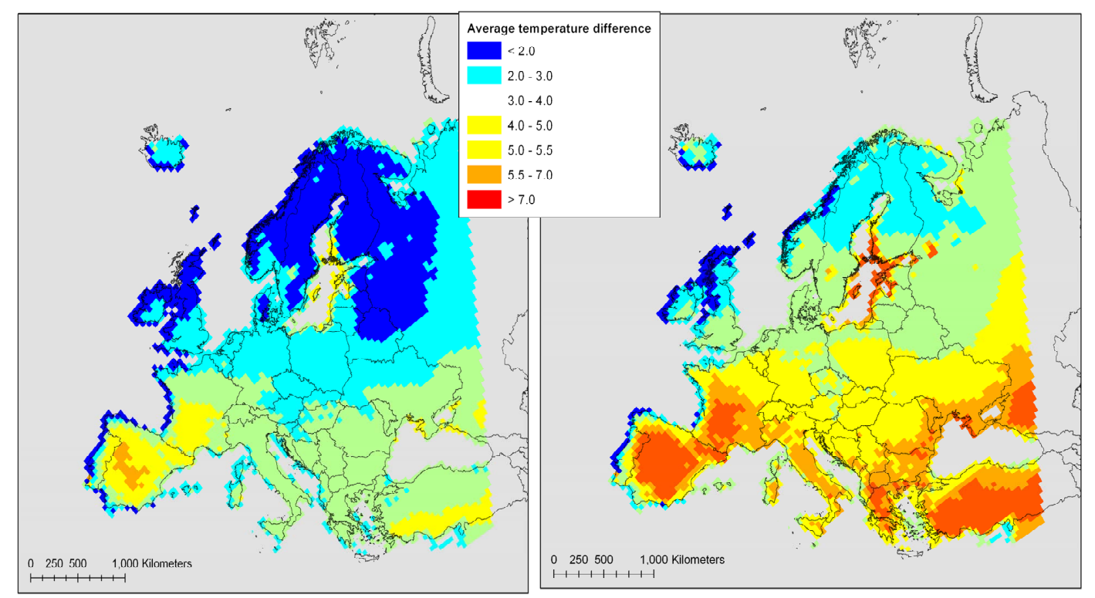
Background | The projected increase of average temperatures in 2071 to 2100 compared with 1961-1990 under significant behavioural change/successful mitigation (B2 scenario) and under largely unchanged behaviour (A2 scenario)

 |  | 2100 |  | 2100 |  |  |  |  |  |  |  | 2100 | 2050 | 2050 | 2050
 |  | 2 |  | 4 |  |  |  | between 2 and 4 |  | Between 0 and 2 |  | 1.5 | 2 | 4 | 1.5
 |  | Figure |  | Figure |  |  |  | rc=a | b | rc=a | b | Estimation | Estimation | Estimation | Estimation
 |  | average 2 degree |  | estimation 4 degrees
 | AT | 2.50 | lightblue | 5 | yellow |  |  | 1.25 | 0 | 1.25 | 0 | 1.88 | 2.19 | 3.13 | 1.88
 | BE | 2.50 | lightblue | 5 | yellow |  |  | 1.25 | 0 | 1.25 | 0 | 1.88 | 2.19 | 3.13 | 1.88
 | BG | 3.50 | lightgreen | 6.25 | orange |  |  | 1.375 | 0.75 | 1.75 | 0 | 2.63 | 3.06 | 4.19 | 2.63
 | CY | 3.50 | lightgreen | 5 | yellow |  |  | 0.75 | 2 | 1.75 | 0 | 2.63 | 3.06 | 3.88 | 2.63
 | CZ | 2.50 | lightblue | 4 | lightgreen-yellow |  |  | 0.75 | 1 | 1.25 | 0 | 1.88 | 2.19 | 2.88 | 1.88
 | DE | 2.50 | lightblue | 4 | lightgreen-yellow |  |  | 0.75 | 1 | 1.25 | 0 | 1.88 | 2.19 | 2.88 | 1.88
 | DK | 2.00 | blue-lightblue | 3.5 | lightgreen |  |  | 0.75 | 0.5 | 1 | 0 | 1.50 | 1.75 | 2.38 | 1.50
 | EE | 2.00 | blue-lightblue | 3.5 | lightgreen |  |  | 0.75 | 0.5 | 1 | 0 | 1.50 | 1.75 | 2.38 | 1.50
 | ES | 5.00 | yellow | 7.5 | red |  |  | 1.25 | 2.5 | 2.5 | 0 | 3.75 | 4.38 | 5.63 | 3.75
 | FI | 1.00 | blue | 2.5 | lightblue |  |  | 0.75 | -0.5 | 0.5 | 0 | 0.75 | 0.88 | 1.38 | 0.75
 | FR | 4.00 | yellow-green | 6.25 | orange |  |  | 1.125 | 1.75 | 2 | 0 | 3.00 | 3.50 | 4.56 | 3.00
 | GR | 3.50 | lightgreen | 7.5 | red |  |  | 2 | -0.5 | 1.75 | 0 | 2.63 | 3.06 | 4.50 | 2.63
 | HU | 3.50 | lightgreen | 5 | yellow |  |  | 0.75 | 2 | 1.75 | 0 | 2.63 | 3.06 | 3.88 | 2.63
 | IE | 2.00 | blue-lightblue | 3 | lightgreen-lightblue |  |  | 0.5 | 1 | 1 | 0 | 1.50 | 1.75 | 2.25 | 1.50
 | IT | 3.50 | lightgreen | 6.25 | orange |  |  | 1.375 | 0.75 | 1.75 | 0 | 2.63 | 3.06 | 4.19 | 2.63
 | LT | 2.50 | lightblue | 3.5 | lightgreen |  |  | 0.5 | 1.5 | 1.25 | 0 | 1.88 | 2.19 | 2.75 | 1.88
 | LU | 2.50 | lightblue | 5 | yellow |  |  | 1.25 | 0 | 1.25 | 0 | 1.88 | 2.19 | 3.13 | 1.88
 | LV | 2.00 | blue-lightblue | 3.5 | lightgreen |  |  | 0.75 | 0.5 | 1 | 0 | 1.50 | 1.75 | 2.38 | 1.50
 | MT | 3.50 | lightgreen | 5 | yellow |  |  | 0.75 | 2 | 1.75 | 0 | 2.63 | 3.06 | 3.88 | 2.63
 | NL | 2.50 | lightblue | 3.5 | lightgreen |  |  | 0.5 | 1.5 | 1.25 | 0 | 1.88 | 2.19 | 2.75 | 1.88
 | PL | 2.50 | lightblue | 5 | yellow |  |  | 1.25 | 0 | 1.25 | 0 | 1.88 | 2.19 | 3.13 | 1.88
 | PT | 3.50 | lightgreen | 5 | yellow |  |  | 0.75 | 2 | 1.75 | 0 | 2.63 | 3.06 | 3.88 | 2.63
 | RO | 3.00 | lightblue-lightgreen | 5.5 | yellow-orange |  |  | 1.25 | 0.5 | 1.5 | 0 | 2.25 | 2.63 | 3.63 | 2.25
 | SE | 1.00 | blue | 3 | lightblue-lightgreen |  |  | 1 | -1 | 0.5 | 0 | 0.75 | 0.88 | 1.50 | 0.75
 | SI | 3.00 | lightblue-lightgreen | 5 | yellow |  |  | 1 | 1 | 1.5 | 0 | 2.25 | 2.63 | 3.50 | 2.25
 | SK | 2.50 | lightblue | 5 | yellow |  |  | 1.25 | 0 | 1.25 | 0 | 1.88 | 2.19 | 3.13 | 1.88
 | GB | 2.00 | blue-lightblue | 2.5 | lightblue |  |  | 0.25 | 1.5 | 1 | 0 | 1.50 | 1.75 | 2.13 | 1.50
 | HR | 3.50 | lightgreen | 5 | yellow |  |  | 0.75 | 2 | 1.75 | 0 | 2.63 | 3.06 | 3.88 | 2.63
 | RWO | 2 |  | 4.00 |  |  |  | 1 | 0 | 1 | 0 | 1.50 | 1.75 | 2.50 | 1.50
 | RWN | 2 |  | 4.00 |  |  |  | 1 | 0 | 1 | 0 | 1.50 | 1.75 | 2.50 | 1.50

Result
 |  | GD | REF | SC, DT, TF |  |  | Old Lprod_time (2050) | Updated L_prod_time (2050) |  |  |  | 2050 |  | 2050 | Change in GDP | Change in labor_productivity |  | 2050 |  | 2050 | Change in GDP
AT | AUT | -0.0040258143516 | -0.0084639762648 | -0.0029081354346 | AT | REF | 1.6401706375 | 1.6317066612 | -0.0051604242092 | 1.6317066612 | AUT | 556782.31643 | AUT | 551859.41354 | -0.0088 | -0.0084639762648 | AUT | 550033.42213 | AUT | 548957.53484 | -0.0020
BE | BEL | -0.0044308867166 | -0.0090426259523 | -0.0032553453428 |  |  |  |  |  |  | BEL | 731819.12574 | BEL | 724276.53081 | -0.0103 | -0.0090426259523 | BEL | 724292.7182 | BEL | 722799.24616 | -0.0021
BG | BGR | -0.0035828437129 | -0.0092644273579 | -0.0020067978929 |  |  |  |  |  |  | BGR | 73059.936375 | BGR | 72606.746004 | -0.0062 | -0.0092644273579 | BGR | 72593.483591 | BGR | 72500.569924 | -0.0013
CY | CYP | -0.066777829721 | -0.087663546121 | -0.056082147325 |  |  |  |  |  |  | HRV | 67658.02527 | HRV | 64178.006169 | -0.0514 | -0.05096487354 | HRV | 66628.775069 | HRV | 65196.919827 | -0.0215
CZ | CZE | 0.0004310036911 | -0.0012662091631 | 0.00091271369881 |  |  |  |  |  |  | CZE | 308893.63755 | CZE | 308577.23639 | -0.0010 | -0.0012662091631 | CZE | 299590.15117 | CZE | 299645.38216 | 0.0002
-0.0088 | -0.0084639762648
-0.0103 | -0.0090426259523
-0.0062 | -0.0092644273579
-0.0514 | -0.05096487354
-0.0010 | -0.0012662091631
-0.0759 | -0.087663546121
0.0040 | 0.0035869312661
0.0117 | 0.014847888562
0.0159 | 0.013715208162
-0.0293 | -0.025201296666
-0.0032 | -0.0028639583205
-0.0615 | -0.07588865284
-0.0120 | -0.014621699852
0.0017 | 0.0019839528695
-0.0689 | -0.054626134628
0.0056 | 0.0098366048804
0.0072 | 0.012517426493
-0.0016 | -0.001521542192
0.0000 | -0.077579240224
-0.0062 | -0.0054752237444
0.0004 | 0.00079788625819
-0.0469 | -0.044011536531
0.0011 | 0.0019379718012
-0.0046 | -0.0078854618968
-0.0068 | -0.0061613178735
-0.0747 | -0.077630718253
0.0085 | 0.0083000040072
-0.0039 | -0.0033943658
DE | DEU | -0.00078548907426 | -0.0028639583205 | -0.00013031155149 |  |  |  |  |  |  | CYP | 40356.102812 | CYP | 37291.529286 | -0.0759 | -0.087663546121 | CYP | 39990.36367 | CYP | 39246.611117 | -0.0186
DK | DNK | 0.0036595412108 | 0.0035869312661 | 0.0034852773436 |  |  |  |  |  |  | DNK | 492238.34411 | DNK | 494218.67847 | 0.0040 | 0.0035869312661 | DNK | 491354.83835 | DNK | 492286.95918 | 0.0019
EE | EST | 0.011972676775 | 0.014847888562 | 0.010616166599 |  |  |  |  |  |  | EST | 32657.959774 | EST | 33038.747809 | 0.0117 | 0.014847888562 | EST | 31330.222717 | EST | 31488.276582 | 0.0050
ES | ESP | -0.055218810989 | -0.077630718253 | -0.045118708045 |  |  |  |  |  |  | FIN | 337660.16614 | FIN | 343028.85638 | 0.0159 | 0.013715208162 | FIN | 335506.26916 | FIN | 337342.65087 | 0.0055
FI | FIN | 0.0091464621249 | 0.013715208162 | 0.0079295251896 |  |  |  |  |  |  | FRA | 3736864.7093 | FRA | 3627384.1007 | -0.0293 | -0.025201296666 | FRA | 3691389.84 | FRA | 3662015.6307 | -0.0080
FR | FRA | -0.015887506516 | -0.025201296666 | -0.012228284899 |  |  |  |  |  |  | DEU | 4034444.26 | DEU | 4021716.1874 | -0.0032 | -0.0028639583205 | DEU | 4004640.4166 | DEU | 4002914.0025 | -0.0004
GR | GRC | -0.047404057798 | -0.07588865284 | -0.039525340021 |  |  |  |  |  |  | GRC | 274488.17294 | GRC | 257600.2876 | -0.0615 | -0.07588865284 | GRC | 272578.79575 | GRC | 267957.42726 | -0.0170
HU | HUN | -0.0092517771325 | -0.014621699852 | -0.0068666720261 |  |  |  |  |  |  | HUN | 192358.75949 | HUN | 190056.53138 | -0.0120 | -0.014621699852 | HUN | 185114.76111 | HUN | 184471.75389 | -0.0035
IE | IRL | 0.0023552189035 | 0.0019839528695 | 0.0023668209671 |  |  |  |  |  |  | IRL | 350953.23537 | IRL | 351556.18977 | 0.0017 | 0.0019839528695 | IRL | 343729.60934 | IRL | 344047.51491 | 0.0009
IT | ITA | -0.036690673259 | -0.054626134628 | -0.030362554038 |  |  |  |  |  |  | ITA | 2604772.4162 | ITA | 2425327.5606 | -0.0689 | -0.054626134628 | ITA | 2585723.2865 | ITA | 2525802.7357 | -0.0232
LT | LTU | 0.011111855582 | 0.012517426493 | 0.010074358014 |  |  |  |  |  |  | LVA | 41588.399068 | LVA | 41823.091328 | 0.0056 | 0.0098366048804 | LVA | 40677.134371 | LVA | 40787.012047 | 0.0027
LU | LUX | 0.00083684820558 | -0.001521542192 | 0.0012607063876 |  |  |  |  |  |  | LTU | 55380.548575 | LTU | 55776.891583 | 0.0072 | 0.012517426493 | LTU | 54176.850952 | LTU | 54381.771489 | 0.0038
LV | LVA | 0.0082717569437 | 0.0098366048804 | 0.0074410713101 |  |  |  |  |  |  | LUX | 118446.59741 | LUX | 118260.21845 | -0.0016 | -0.001521542192 | LUX | 116015.6711 | LUX | 116038.54663 | 0.0002
MT | MLT | -0.058855584249 | -0.077579240224 | -0.049313624678 |  |  |  |  |  |  | MLT | 7986.2876572 | MLT | 7985.9367734 | 0.0000 | -0.077579240224 | MLT | 7955.6644997 | MLT | 7955.6320091 | 0.0000
NL | NLD | -0.0032158257854 | -0.0054752237444 | -0.0022138193258 |  |  |  |  |  |  | NLD | 1012512.9807 | NLD | 1006270.6328 | -0.0062 | -0.0054752237444 | NLD | 992680.53734 | NLD | 991257.24038 | -0.0014
PL | POL | 0.0024625671332 | 0.00079788625819 | 0.0026547851863 |  |  |  |  |  |  | POL | 792191.62761 | POL | 792525.79096 | 0.0004 | 0.00079788625819 | POL | 785972.36922 | POL | 786627.0476 | 0.0008
PT | PRT | -0.03244281918 | -0.044011536531 | -0.026727903672 |  |  |  |  |  |  | PRT | 254057.83996 | PRT | 242131.2474 | -0.0469 | -0.044011536531 | PRT | 251148.28117 | PRT | 246639.07947 | -0.0180
RO | ROU | 0.0038439830479 | 0.0019379718012 | 0.0040793289488 |  |  |  |  |  |  | ROU | 264999.14566 | ROU | 265289.91099 | 0.0011 | 0.0019379718012 | ROU | 261696.51548 | ROU | 262048.77215 | 0.0013
SE | SWE | 0.0053545576699 | 0.0083000040072 | 0.0046775446312 |  |  |  |  |  |  | SVK | 143228.27954 | SVK | 142565.99876 | -0.0046 | -0.0078854618968 | SVK | 140772.27958 | SVK | 140612.88708 | -0.0011
SI | SVN | -0.0024929016396 | -0.0061613178735 | -0.0013550266752 |  |  |  |  |  |  | SVN | 62688.981015 | SVN | 62263.59345 | -0.0068 | -0.0061613178735 | SVN | 61323.378212 | SVN | 61236.435479 | -0.0014
SK | SVK | -0.0036208015407 | -0.0078854618968 | -0.0025609665243 |  |  |  |  |  |  | ESP | 1816021.5185 | ESP | 1680308.6345 | -0.0747 | -0.077630718253 | ESP | 1795983.9782 | ESP | 1749403.4267 | -0.0259
GB | GBR | -0.0021876730987 | -0.0033943658 | -0.0015278986721 |  |  |  |  |  |  | SWE | 919228.19344 | SWE | 927029.15991 | 0.0085 | 0.0083000040072 | SWE | 916599.85699 | SWE | 918983.12415 | 0.0026
HR | HRV | -0.03792002833 | -0.05096487354 | -0.031414268172 |  |  |  |  |  |  | GBR | 3624888.572 | GBR | 3610604.3254 | -0.0039 | -0.0033943658 | GBR | 3580545.7802 | GBR | 3576716.2304 | -0.0011
RWO | RWO | -0.011038421647 | -0.017515554799 | -0.0091122280655 |  |  |  |  |  |  |  |  | RWO | 27641712.927 |  |  | RWO | 27641321.746 | RWO | 27641433.799
RWN | RWN | -0.027435524421 | -0.041016968595 | -0.023151491334 |  |  |  |  |  |  |  |  | RWN | 19656758.635 |  |  | RWN | 19651700.118 | RWN | 19652333.953

