Sheet1
Chart 1
known weight (g) | measured voltage (V)
0 | 0.0419 |  |  | voltage = 0.000233598weight + 0.0419
320 | 0.099
482 | 0.1289
731 | 0.1878 |  |  | 0.00023359767115
1001 | 0.2442
1424 | 0.3417
2339 | 0.5544
3088 | 0.7285
3544 | 0.8365
4545 | 1.079
6262 | 1.488 | newest
7169 | 1.707 | w | v
8170 | 1.945 | 0 | 0 | mv
8612 | 2.049 | 507 | 0.2 | mv
9508 | 2.26 | 1013 | 0.4 | mv
9962 | 2.369 | 1518 | 0.6 | mv
 |  | 2017 | 0.8 | mv
 |  | 2513 | 1 | mv
 |  | 3007 | 1.2 | mv
 |  | 3504 | 1.4 | mv
 |  | 4003 | 1.6 | mv
 |  | 4511 | 1.8
 |  | 5005 | 2
 |  | 5500 | 2.2
 |  | 6002 | 2.5
 |  | 6500 | 2.7
 |  | 7001 | 2.9
 |  | 7501 | 3.1
 |  | 8001 | 3.3
 |  | 8518 | 3.5
 |  | 9019 | 3.7
 |  | 9518 | 3.9
 |  | 10022 | 4.1
 |  | 10522 | 4.3

Sheet2
weight | voltage |  |  |  |  | xy | x^2 | m
0 | 0.05131284462 |  | n | 21 |  | 0 | 0.002633008023 | 4025.8959674
507 | 0.15446427733 |  | sigma x | 1.2665842229 |  | 78.313388606 | 0.023859212971
1013 | 0.27464089225 |  | sigma y | 5008.5714286 |  | 278.21122384 | 0.075427619693 | b
1518 | 0.39742682617 |  | sigma xy | 8621.5606423 |  | 603.29392213 | 0.15794808216 | -4.312613664
2017 | 0.51804568569 |  | sigma x^2 | 2.1698150841 |  | 1044.898148 | 0.26837133247
2513 | 0.63804803873 |  |  |  |  | 1603.4147213 | 0.40710529973
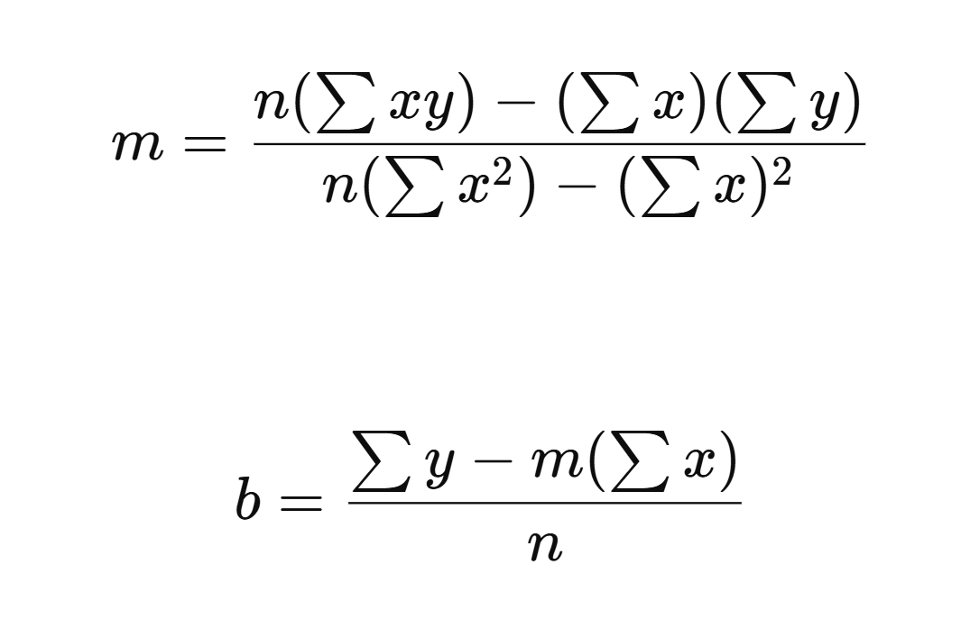
3007 | 0.75912631195 |  |  |  |  | 2282.69282 | 0.57627275749
3504 | 0.883175028 |  |  |  |  | 3094.6452981 | 0.77999813009
4003 | 1.0085322595 |  |  |  |  | 4037.1546346 | 1.0171373184
4511 | 1.1392467602 |  |  |  |  | 5139.142135 | 1.2978831805
5005 | 1.2632111017 |  |  |  |  | 6322.371564 | 1.5957022874
5500 | 1.3898668237 |  |  |  |  | 7644.2675303 | 1.9317297876
6002 | 1.5107640685 |  |  |  |  | 9067.6059394 | 2.2824080708
6500 | 1.6364979659 |  |  |  |  | 10637.236778 | 2.6781255923
7001 | 1.7633815282 |  |  |  |  | 12345.434079 | 3.1095144141
7501 | 1.8878524521 |  |  |  |  | 14160.781243 | 3.5639868807
8001 | 2.0128965357 |  |  |  |  | 16105.185182 | 4.0517524633
8518 | 2.1403567258 |  |  |  |  | 18231.55859 | 4.5811269135
9019 | 2.2653174149 |  |  |  |  | 20430.897765 | 5.1316629902
9518 | 2.3874468163 |  |  |  |  | 22723.718797 | 5.6999023006
10022 | 2.5166583247 |  |  |  |  | 25221.94973 | 6.3335691231
10522 | 2.5205403691

save last
10522 | 4.3 | 2.5205403691 | 10082.135819 | 10081.923184 | 10129.362004

