Architecture
 | Client |  |  |  |  |  | HTML page

 | Recommendation System |  |  |  |  | Live |  | Recommendation System |  |  | offline

 |  | Model 1 | Model2 | Model3 |  |  |  |  | Model 1 | Model2

 |  |  |  |  |  |  |  |  | Model3

 |  |  | Data Base

 |  |  |  |  | I1 | I2 | I3 | I4 | I5
 |  |  |  | U1

USER |  | CLICK |  |  |  | MODEL
 |  |  |  |  |  | CLEAR
TOP 10 |  |  | RESPONSE TIME
RECOMMENDATION

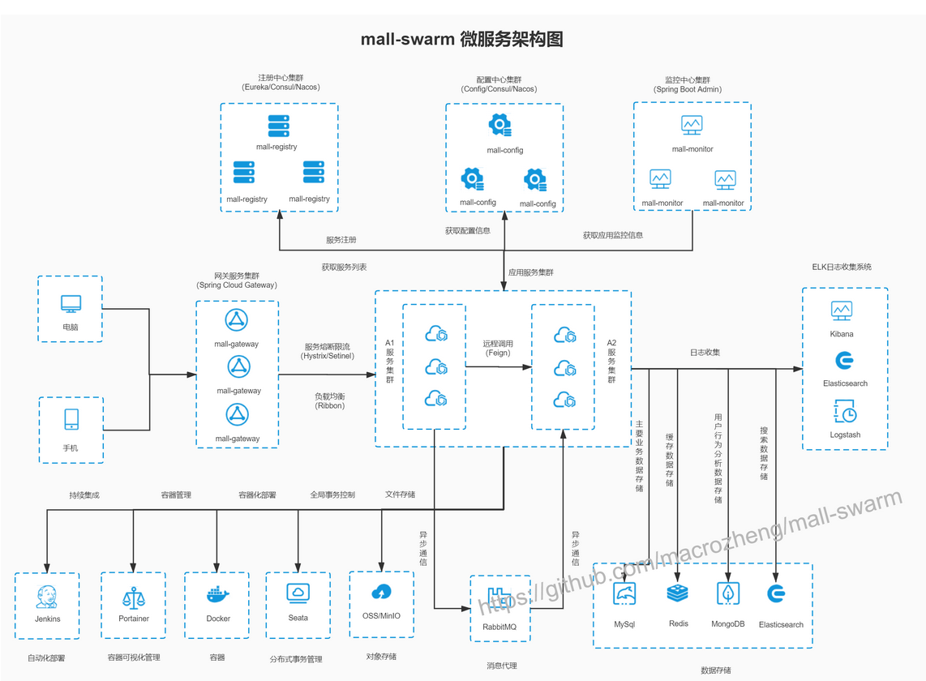

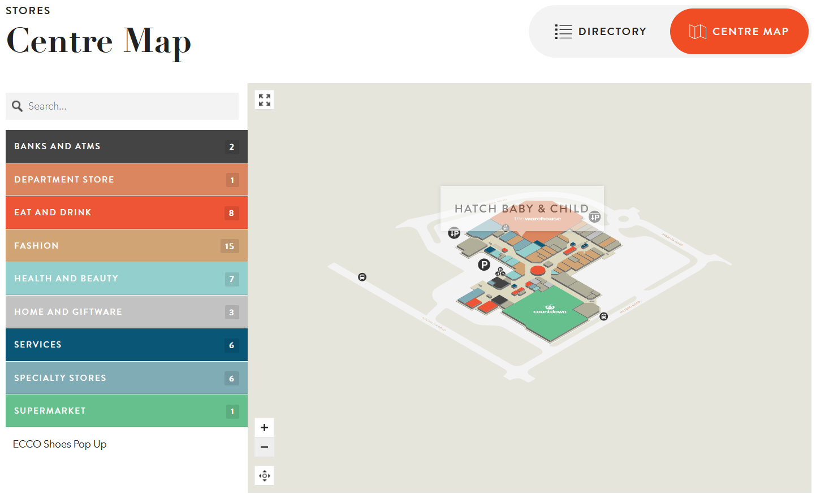
 |  | IFRAME

