Cooling
Leak Test

Model |  |  |  |  |  | : | EAP00500300D1 |  |  |  |  |  | Part No. : | CCU-7.4K-01 XCP |  |  |  |  | Sample Type :
Customer |  |  |  |  |  | : | BMW |  |  |  |  |  | HW rev : | D1.2 |  |  |  |  | Technician :
Test step: |  |  |  |  |  | : |  |  |  |  |  |  | SW rev : | D0R0P2T61 |  |  |  |  | Date :

EQUIPMENT : |  |  |  |  |  |  |  |  |  |  |  |  |  |  |  |  | Cal. Due Date:
 |  |  | 1. | Air Leak Tester |  |  |  |  | : | COSMO LS-R700 |  |  |  |  |  |  | 04-Feb-2021
 |  |  | 2. |  |  |  |  |  | :

TEST SPEC :
 |  |  |  | Customer Spec. |  |  |  |  |  |  | DES Soest |  |  |  |  | QE Test Procedure
 |  |  |  | Other Standard : |  |  |  | QTS_LEAK_01_ECD170200xx_BMW_CCU_7.4kW_small

TEST PARAMETER :
 |  | Over-Pressure (Cooling circuit)
 |  |  |  |  |  | Test pressure : 3,01 [bar rel.]
 |  |  |  |  |  | Stabilisation : 60 [sec]
 |  |  |  |  |  | Testing time : 10 [sec]
 |  |  |  |  |  | Test Pass : -0,1 to 0,4 [ml/min]

PASS/FAIL CRITERIA :
 |  | Based on the installed “Pass Criteria” as described above, the tester will show in the display if the test
 |  | is “PASS” or “FAIL”

TEST RESULT : |  |  |  |  | PASS
 | Test Program :

 | Serial Number: |  |  |  |  |  |  |  | Cooling area
 |  |  |  |  |  |  |  |  | Test Pressure |  |  | Stabilisation Time |  |  | Pass Criteria (ml / min) |  |  | Reading (ml / min) |  | Result
 |  |  |  |  |  |  |  |  | 3.01 bar |  |  | 60 sec @25°C |  |  | -0.1 to 0.4 |  |  |  |  | Pass
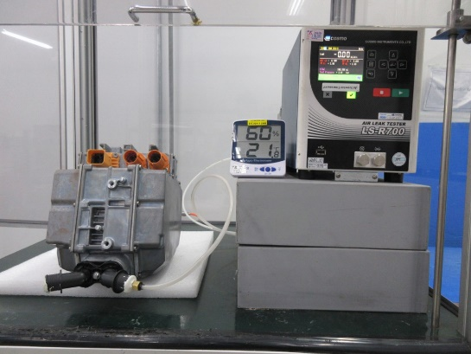

COMMENT :

 |  |  |  |  |  |  |  |  |  |  |  |  |  |  |  |  |  |  |  |  | #REF!

