Cooling
Leak Test

Model |  |  |  |  |  |  | : | ECD17010114 |  |  |  |  |  | Part No. : | Nissan OBC 7.4kW |  |  |  |  | Sample Type :
Customer |  |  |  |  |  |  | : | Nissan OBC |  |  |  |  |  | HW rev : |  |  |  |  |  | Technician :
Test step: |  |  |  |  |  |  | : |  |  |  |  |  |  | SW rev : |  |  |  |  |  | Date :

EQUIPMENT : |  |  |  |  |  |  |  |  |  |  |  |  |  |  |  |  |  | Cal. Due Date:
 |  |  |  | 1. | Air Leak Tester |  |  |  |  | : | COSMO LS-R700 |  |  |  |  |  |  | 04-Feb-2023
 |  |  |  | 2. | Computer |  |  |  |  | : | HP Z230 Tower Workstation

TEST SPEC :
 |  |  |  |  | Customer Spec. |  |  |  |  |  |  | DES Soest |  |  |  |  | QE Test Procedure
 |  |  |  |  | Other Standard : |  |  |  | QTS_LEAK_02.A_ECD170101xx (Rev:02.A)

TEST PARAMETER :
 |  |  | Cooling Area
 |  |  | Room Temperature |  |  |  |  |  |  | : | 25°C
 |  |  | Test Pressure |  |  |  |  |  |  | : | 3 bar
 |  |  | Stabilisation time |  |  |  |  |  |  | : | 60 sec
 |  |  | Test Time |  |  |  |  |  |  | : | 10 sec
 |  |  | Pass Criteria |  |  |  |  |  |  | : | 0.5 ml/min

PASS/FAIL CRITERIA :
 |  | Based on the installed “Pass Criteria” as described above, the tester will show in the display if the test
 |  | is “PASS” or “FAIL”

TEST RESULT : |  |  |  |  |  | PASS
 | Test Program :

 | Serial Number: |  |  |  |  |  |  |  |  | Cooling area
 |  |  |  |  |  |  |  |  |  | Test Pressure |  |  | Stabilisation Time |  |  | Pass Criteria |  |  | Reading (ml / min) |  | Result
 |  |  |  |  |  |  |  |  |  | 3 bar |  |  | 60 sec @25°C |  |  | 0.5 ml/min |  |  |  |  | Pass
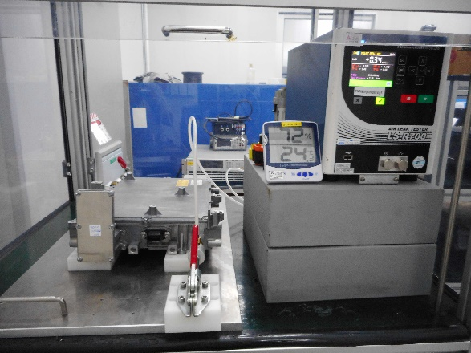

COMMENT :

 |  |  |  |  |  |  |  |  |  |  |  |  |  |  |  |  |  |  |  |  |  | #REF!

Electronic
Leak Test

Model |  |  |  |  |  |  | : | ECD17010114 |  |  |  |  |  | Part No. : | Nissan OBC 7.4kW |  |  |  |  | Sample Type :
Customer |  |  |  |  |  |  | : | Nissan OBC |  |  |  |  |  | HW rev : | 0 |  |  |  |  | Technician :
Test step: |  |  |  |  |  |  | : |  |  |  |  |  |  | SW rev : | 0 |  |  |  |  | Date :

EQUIPMENT : |  |  |  |  |  |  |  |  |  |  |  |  |  |  |  |  |  | Cal. Due Date:
 |  |  |  | 1. | Air Leak Tester |  |  |  |  | : | COSMO LS-R700 |  |  |  |  |  |  | 04-Feb-2023
 |  |  |  | 2. | Computer |  |  |  |  | : | HP Z230 Tower Workstation

TEST SPEC :
 |  |  |  |  | Customer Spec. |  |  |  |  |  |  | DES Soest |  |  |  |  | QE Test Procedure
 |  |  |  |  | Other Standard : |  |  |  | QTS_LEAK_02.A_ECD170101xx (Rev:02.A)

TEST PARAMETER :
 |  |  | Electronic Area
 |  |  | Room Temperature |  |  |  |  |  |  | : | 25°C
 |  |  | Test Pressure |  |  |  |  |  |  | : | 0.31 bar
 |  |  | Stabilisation time |  |  |  |  |  |  | : | 60 sec
 |  |  | Test Time |  |  |  |  |  |  | : | 2 sec
 |  |  | Pass Criteria |  |  |  |  |  |  | : | 6 ml/min

PASS/FAIL CRITERIA :
 |  | Based on the installed “Pass Criteria” as described above, the tester will show in the display if the test
 |  | is “PASS” or “FAIL”

TEST RESULT : |  |  |  |  |  | PASS
 | Test Program :

 | Serial Number: |  |  |  |  |  |  |  |  | Cooling area
 |  |  |  |  |  |  |  |  |  | Test Pressure |  |  | Stabilisation Time |  |  | Pass Criteria |  |  | Reading (ml / min) |  | Result
 |  |  |  |  |  |  |  |  |  | 0.31 bar |  |  | 60 sec @25°C |  |  | 6 ml/min |  |  | 0.4 |  | Pass
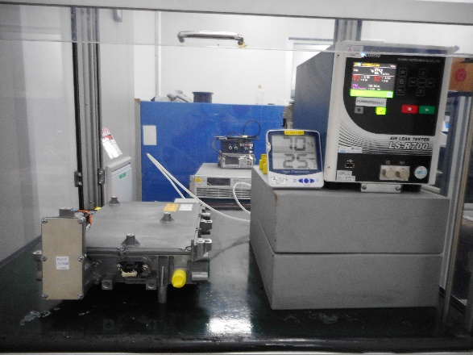

COMMENT :

 |  |  |  |  |  |  |  |  |  |  |  |  |  |  |  |  |  |  |  |  |  | #REF!

