Cooling
Leak Test

Delta Part No. |  |  |  |  |  |  | : | ECD25010014 |  |  |  |  |  | Part No. : | DCDC Convertor 5DH |  |  |  |  | Sample Type :
Customer |  |  |  |  |  |  | : | Renault |  |  |  |  |  | HW rev : |  |  |  |  |  | Engineer :
Test step: |  |  |  |  |  |  | : |  |  |  |  |  |  | SW rev : |  |  |  |  |  | Date :

EQUIPMENT : |  |  |  |  |  |  |  |  |  |  |  |  |  |  |  |  |  | Cal. Due Date:
 |  |  |  | 1. | Air Leak Tester |  |  |  |  | : | COSMO LS-R700 |  |  |  |  |  |  | 04-Feb-2023
 |  |  |  | 2. | Computer |  |  |  |  | : | HP Z230 Tower Workstation

TEST SPEC :
 |  |  |  |  | Customer Spec. |  |  |  |  |  |  | DES Soest |  |  |  |  | QE Test Procedure
 |  |  |  |  | Other Standard : |  |  |  | QTS_LEAK_00.A_ECD25010012_Rev00.A

TEST PARAMETER :
 |  |  | Over-Pressure ( Cooling )
 |  |  | Room Temperature |  |  |  |  |  |  | : | 25°C
 |  |  | Test Pressure |  |  |  |  |  |  | : | 3 bar
 |  |  | Stabilisation time |  |  |  |  |  |  | : | 60 sec
 |  |  | Test Time |  |  |  |  |  |  | : | 10 sec
 |  |  | Pass Criteria |  |  |  |  |  |  | : | 0.6 ml/min

PASS/FAIL CRITERIA :
 |  | Based on the installed “Pass Criteria” as described above, the tester will show in the display if the test
 |  | is “PASS” or “FAIL”

TEST RESULT : |  |  |  |  |  | PASS
 | Test Program :

 | Serial Number: |  |  |  |  |  |  |  |  | Cooling area
 |  |  |  |  |  |  |  |  |  | Test Pressure |  |  | Stabilisation Time |  |  | Pass Criteria |  |  | Reading (ml / min) |  | Result
 |  |  |  |  |  |  |  |  |  | 3 bar |  |  | 60 sec @25°C |  |  | 0.6ml/min |  |  |  |  | Pass
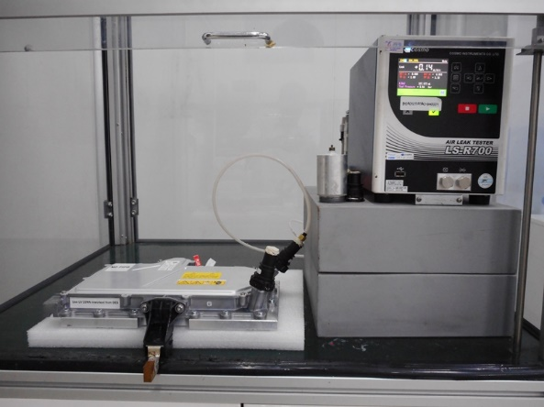

COMMENT :

 |  |  |  |  |  |  |  |  |  |  |  |  |  |  |  |  |  |  |  |  |  | #REF!

Electronic
Leak Test

Delta Part No. |  |  |  |  |  |  | : | ECD25010014 |  |  |  |  |  | Part No. : | DCDC Convertor 5DH |  |  |  |  | Sample Type :
Customer |  |  |  |  |  |  | : | Renault |  |  |  |  |  | HW rev : |  |  |  |  |  | Engineer :
Test step: |  |  |  |  |  |  | : |  |  |  |  |  |  | SW rev : |  |  |  |  |  | Date :

EQUIPMENT : |  |  |  |  |  |  |  |  |  |  |  |  |  |  |  |  |  | Cal. Due Date:
 |  |  |  | 1. | Air Leak Tester |  |  |  |  | : | COSMO LS-R700 |  |  |  |  |  |  | 04-Feb-2023
 |  |  |  | 2. | Computer |  |  |  |  | : | HP Z230 Tower Workstation

TEST SPEC :
 |  |  |  |  | Customer Spec. |  |  |  |  |  |  | DES Soest |  |  |  |  | QE Test Procedure
 |  |  |  |  | Other Standard : |  |  |  | QTS_LEAK_00_ECD25010012

TEST PARAMETER :
 |  |  | Over-Pressure ( Electronic )
 |  |  | Room Temperature |  |  |  |  |  |  | : | 25°C
 |  |  | Test Pressure |  |  |  |  |  |  | : | 101 mBar
 |  |  | Stabilisation time |  |  |  |  |  |  | : | 60 sec
 |  |  | Test Time |  |  |  |  |  |  | : | 60 sec
 |  |  | Pass Criteria |  |  |  |  |  |  | : | -0.1 - 6 ml/min

PASS/FAIL CRITERIA :
 |  | Based on the installed “Pass Criteria” as described above, the tester will show in the display if the test
 |  | is “PASS” or “FAIL”

TEST RESULT : |  |  |  |  |  | PASS
 | Test Program :

 | Serial Number: |  |  |  |  |  |  |  |  | Cooling area
 |  |  |  |  |  |  |  |  |  | Test Pressure |  |  | Stabilisation Time |  |  | Pass Criteria |  |  | Reading (ml / min) |  | Result
 |  |  |  |  |  |  |  |  |  | 0.1 bar |  |  | 60 sec @25°C |  |  | -0.1 - 6 ml/min |  |  |  |  | Pass
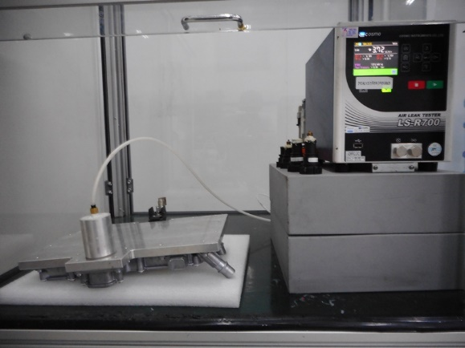

COMMENT :

 |  |  |  |  |  |  |  |  |  |  |  |  |  |  |  |  |  |  |  |  |  | #REF!

