7.4kW-S
PE Test

Model |  |  |  |  |  |  | : | EAP00500300D1 |  |  |  |  |  | Part No. : | BMW_CCU small 7.4kW |  |  |  |  | Sample Type : | PV
Customer |  |  |  |  |  |  | : | BMW |  |  |  |  |  | HW rev : | D1.2 |  |  |  |  | Technician : | Kitsalanun
Test step: |  |  |  |  |  |  | : | Pre-test |  |  |  |  |  | SW rev : |  |  |  |  |  | Date : | 14-Sep-21

EQUIPMENT :
 |  |  |  | 1. | DC Source |  |  |  |  | : | Chroma 62100H-40
 |  |  |  | 2. | Digital Multimeter |  |  |  |  | : | Keysight 34461A
 |  |  |  | 3. | Voltage probe |  |  |  |  | : | Burster Kelvin Probes Type 2387-V001

TEST SPEC :
 |  |  |  |  | Customer Spec. |  |  |  |  |  |  | DES Soest |  |  |  |  |  | QE Test Procedure
 |  |  |  |  | Other Standard : |  |  |  | BMW_CCU_7.4kW_small_PEtest_00_ECD170200xx

TEST PARAMETER :
 |  |  | Ambient Temperature |  |  |  |  |  |  | : | Room Temperature 23°C ±5K
 |  |  | Humidity |  |  |  |  |  |  | : | uncontrolled
 |  |  | Current |  |  |  |  |  |  | : | 25A + 0,5A
 |  |  | Umax |  |  |  |  |  |  | : | ≤ 5V
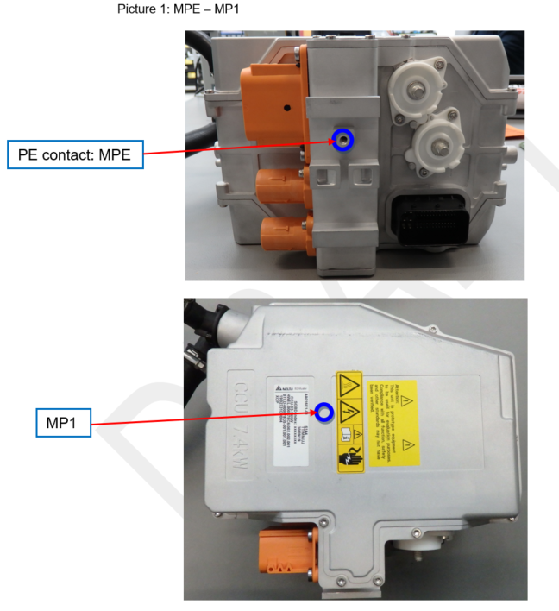
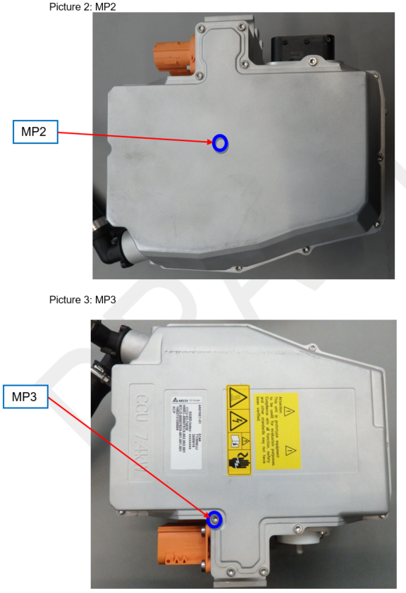

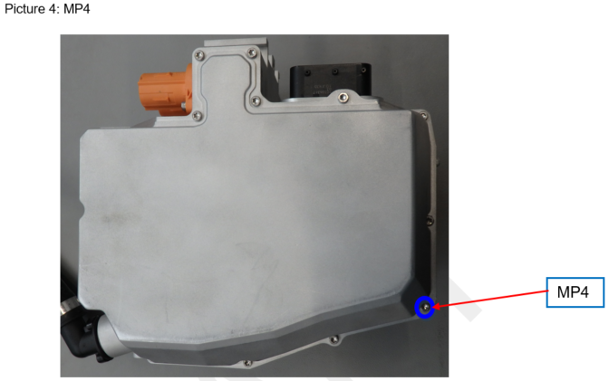

ACCEPTANCE CRITERIA :
 |  | The maximum allowed resistance of a measurement is 10mOhm at the point between MPE to MP

TEST RESULT : |  |  |  |  |  | PASS
 | Serial Number : |  |  |  |  | 220000002107260001

 | Contact Pairs |  |  |  |  |  |  |  |  | Max.Res (mΩ) |  |  | 25ACC (A) |  | Normal |  | Reverse |  |  |  |  | Result
 |  |  |  |  |  |  |  |  |  |  |  |  |  |  | Volt (mV) | Res (mΩ) | Volt (mV) |  | Res (mΩ)
 | MP1 to MPE |  |  |  |  |  |  |  |  | 10 |  |  | 25 |  | 0.90 | 0.04 | 0.91 |  | 0.04 |  |  | Pass
 | MP2 to MPE |  |  |  |  |  |  |  |  | 10 |  |  | 25 |  | 0.76 | 0.03 | 0.80 |  | 0.03 |  |  | Pass
 | MP3 to MPE |  |  |  |  |  |  |  |  | 10 |  |  | 25 |  | 1.57 | 0.06 | 1.58 |  | 0.06 |  |  | Pass
 | MP4 to MPE |  |  |  |  |  |  |  |  | 10 |  |  | 25 |  | 1.51 | 0.06 | 1.54 |  | 0.06 |  |  | Pass

COMMENT :

 |  |  |  |  |  |  |  |  |  |  |  |  |  |  |  |  |  |  |  |  |  |  | #REF!

