Sheet1
 | TORP Solar Monitoring Portal Pending items/Issues
 |  |  | ACTION | Target Date |  | Completed Date/Comments
1 | Unable to delete inverters from plant |  | option to add archiving the plants | Target date - 28.03.17 | Feature | 24.03.17

2 | Scaling requirement for Global Plane of Array Irradiance (GPOA).
 | Scaling:- (Raw value/10) at the server side for the listed plants: | 1. Lingaya-Main 2. Lingaya-Computer block 3. Lingaya-Komati 4. Amtek 5. MJL | DL feature to be added and entity called string combiner box to be added. Scaling to be done. TORP to send datalogger data | 10.04.17 | Feature
 | No Scaling Required for these plants: | 1. Capricorn-Krishnagiri
 |  | 2. ATL-Limda

3 | The time difference issue in the portal.
 | The time displayed in the dash board as "last power reading @ hh:mm" is about 6 minutes ahead than the time displayed with "last updated on" in the first line of the dashboard as well as the system time |  | will be sorted | 28.03.17 | Bug | Retrieving from DB.(Last Meter(m) Record)

4 | All the 3 fields for peak values in the dash board shows empty for the following plants. |  | To be discussed as part of GUI |  | GUI
 |  | 1. Amtek
 |  | 2. MJL Logistics

5 | In the Documents display page, it is better to have an option to select "All documents" under the document type selection pull down menu. |  | Change "select document type" to "All document types" | 28.03.17 | GUI | 24.03.17

6 | DC Voltage, DC current, DC power not started updating yet in the following plants.
 |  | 1. Lingaya- Main | String data from datalogger and Inverter Manager to be processed | 03.04.17 | Bug
 |  | 2. Lingaya-Computer
 |  | 3. Lingaya - Komati
 |  | 4. Capricorn-Krishnagiri
 |  | 5. ATL-Limda
 |  | 6. SSN-Test
 |  | 7. MTAB
 |  | 8. ATL-Chennai
 |  | 9. DTVS-Oragadam-P1a
 |  | 10. DTVS-Oragadam-P1b
 |  | 11. DTVS-Oragadam-P2
 |  | 12. DTVS-Mannur-DI
 |  | 13. DTVS-Mannur-Production

7 | Irradiance, Ambient temperature,wind velocity,etc is not updating, but it is sending in the FTP files.
 |  | 1. ATL-Chennai | Collect wind speed, wind direction,GHI,(weather station data)- support meter data in FTP file | 03.04.17 | Feature
 |  | 9. DTVS-Oragadam-P1a |  |  |  |  | 9. DTVS-Oragadam-P1a | 9. DTVS-Oragadam-P1a | 9. DTVS-Oragadam-P1a | 9. DTVS-Oragadam-P1a | 9. DTVS-Oragadam-P1a | 9. DTVS-Oragadam-P1a | 9. DTVS-Oragadam-P1a | 9. DTVS-Oragadam-P1a | 9. DTVS-Oragadam-P1a | 9. DTVS-Oragadam-P1a | 9. DTVS-Oragadam-P1a | 9. DTVS-Oragadam-P1a | 9. DTVS-Oragadam-P1a | 9. DTVS-Oragadam-P1a | 9. DTVS-Oragadam-P1a | 9. DTVS-Oragadam-P1a | 9. DTVS-Oragadam-P1a | 9. DTVS-Oragadam-P1a | 9. DTVS-Oragadam-P1a | 9. DTVS-Oragadam-P1a | 9. DTVS-Oragadam-P1a | 9. DTVS-Oragadam-P1a | 9. DTVS-Oragadam-P1a | 9. DTVS-Oragadam-P1a | 9. DTVS-Oragadam-P1a | 9. DTVS-Oragadam-P1a | 9. DTVS-Oragadam-P1a | 9. DTVS-Oragadam-P1a | 9. DTVS-Oragadam-P1a | 9. DTVS-Oragadam-P1a | 9. DTVS-Oragadam-P1a | 9. DTVS-Oragadam-P1a | 9. DTVS-Oragadam-P1a | 9. DTVS-Oragadam-P1a | 9. DTVS-Oragadam-P1a | 9. DTVS-Oragadam-P1a | 9. DTVS-Oragadam-P1a | 9. DTVS-Oragadam-P1a | 9. DTVS-Oragadam-P1a | 9. DTVS-Oragadam-P1a | 9. DTVS-Oragadam-P1a | 9. DTVS-Oragadam-P1a | 9. DTVS-Oragadam-P1a | 9. DTVS-Oragadam-P1a | 9. DTVS-Oragadam-P1a | 9. DTVS-Oragadam-P1a | 9. DTVS-Oragadam-P1a | 9. DTVS-Oragadam-P1a | 9. DTVS-Oragadam-P1a | 9. DTVS-Oragadam-P1a | 9. DTVS-Oragadam-P1a | 9. DTVS-Oragadam-P1a | 9. DTVS-Oragadam-P1a | 9. DTVS-Oragadam-P1a | 9. DTVS-Oragadam-P1a | 9. DTVS-Oragadam-P1a | 9. DTVS-Oragadam-P1a | 9. DTVS-Oragadam-P1a | 9. DTVS-Oragadam-P1a | 9. DTVS-Oragadam-P1a | 9. DTVS-Oragadam-P1a | 9. DTVS-Oragadam-P1a | 9. DTVS-Oragadam-P1a | 9. DTVS-Oragadam-P1a | 9. DTVS-Oragadam-P1a | 9. DTVS-Oragadam-P1a | 9. DTVS-Oragadam-P1a | 9. DTVS-Oragadam-P1a | 9. DTVS-Oragadam-P1a | 9. DTVS-Oragadam-P1a | 9. DTVS-Oragadam-P1a | 9. DTVS-Oragadam-P1a | 9. DTVS-Oragadam-P1a | 9. DTVS-Oragadam-P1a | 9. DTVS-Oragadam-P1a | 9. DTVS-Oragadam-P1a | 9. DTVS-Oragadam-P1a | 9. DTVS-Oragadam-P1a | 9. DTVS-Oragadam-P1a | 9. DTVS-Oragadam-P1a | 9. DTVS-Oragadam-P1a | 9. DTVS-Oragadam-P1a | 9. DTVS-Oragadam-P1a | 9. DTVS-Oragadam-P1a | 9. DTVS-Oragadam-P1a | 9. DTVS-Oragadam-P1a | 9. DTVS-Oragadam-P1a | 9. DTVS-Oragadam-P1a | 9. DTVS-Oragadam-P1a | 9. DTVS-Oragadam-P1a | 9. DTVS-Oragadam-P1a | 9. DTVS-Oragadam-P1a | 9. DTVS-Oragadam-P1a | 9. DTVS-Oragadam-P1a | 9. DTVS-Oragadam-P1a | 9. DTVS-Oragadam-P1a | 9. DTVS-Oragadam-P1a | 9. DTVS-Oragadam-P1a | 9. DTVS-Oragadam-P1a | 9. DTVS-Oragadam-P1a | 9. DTVS-Oragadam-P1a | 9. DTVS-Oragadam-P1a | 9. DTVS-Oragadam-P1a | 9. DTVS-Oragadam-P1a | 9. DTVS-Oragadam-P1a | 9. DTVS-Oragadam-P1a | 9. DTVS-Oragadam-P1a | 9. DTVS-Oragadam-P1a | 9. DTVS-Oragadam-P1a | 9. DTVS-Oragadam-P1a | 9. DTVS-Oragadam-P1a | 9. DTVS-Oragadam-P1a | 9. DTVS-Oragadam-P1a | 9. DTVS-Oragadam-P1a | 9. DTVS-Oragadam-P1a | 9. DTVS-Oragadam-P1a | 9. DTVS-Oragadam-P1a | 9. DTVS-Oragadam-P1a | 9. DTVS-Oragadam-P1a | 9. DTVS-Oragadam-P1a | 9. DTVS-Oragadam-P1a | 9. DTVS-Oragadam-P1a | 9. DTVS-Oragadam-P1a | 9. DTVS-Oragadam-P1a | 9. DTVS-Oragadam-P1a | 9. DTVS-Oragadam-P1a | 9. DTVS-Oragadam-P1a | 9. DTVS-Oragadam-P1a | 9. DTVS-Oragadam-P1a | 9. DTVS-Oragadam-P1a | 9. DTVS-Oragadam-P1a | 9. DTVS-Oragadam-P1a | 9. DTVS-Oragadam-P1a | 9. DTVS-Oragadam-P1a | 9. DTVS-Oragadam-P1a | 9. DTVS-Oragadam-P1a | 9. DTVS-Oragadam-P1a | 9. DTVS-Oragadam-P1a | 9. DTVS-Oragadam-P1a | 9. DTVS-Oragadam-P1a | 9. DTVS-Oragadam-P1a | 9. DTVS-Oragadam-P1a | 9. DTVS-Oragadam-P1a | 9. DTVS-Oragadam-P1a | 9. DTVS-Oragadam-P1a | 9. DTVS-Oragadam-P1a | 9. DTVS-Oragadam-P1a | 9. DTVS-Oragadam-P1a | 9. DTVS-Oragadam-P1a | 9. DTVS-Oragadam-P1a | 9. DTVS-Oragadam-P1a | 9. DTVS-Oragadam-P1a | 9. DTVS-Oragadam-P1a | 9. DTVS-Oragadam-P1a | 9. DTVS-Oragadam-P1a | 9. DTVS-Oragadam-P1a | 9. DTVS-Oragadam-P1a | 9. DTVS-Oragadam-P1a | 9. DTVS-Oragadam-P1a | 9. DTVS-Oragadam-P1a | 9. DTVS-Oragadam-P1a | 9. DTVS-Oragadam-P1a | 9. DTVS-Oragadam-P1a | 9. DTVS-Oragadam-P1a | 9. DTVS-Oragadam-P1a | 9. DTVS-Oragadam-P1a | 9. DTVS-Oragadam-P1a | 9. DTVS-Oragadam-P1a | 9. DTVS-Oragadam-P1a | 9. DTVS-Oragadam-P1a | 9. DTVS-Oragadam-P1a | 9. DTVS-Oragadam-P1a | 9. DTVS-Oragadam-P1a | 9. DTVS-Oragadam-P1a | 9. DTVS-Oragadam-P1a | 9. DTVS-Oragadam-P1a | 9. DTVS-Oragadam-P1a | 9. DTVS-Oragadam-P1a | 9. DTVS-Oragadam-P1a | 9. DTVS-Oragadam-P1a | 9. DTVS-Oragadam-P1a | 9. DTVS-Oragadam-P1a | 9. DTVS-Oragadam-P1a | 9. DTVS-Oragadam-P1a | 9. DTVS-Oragadam-P1a | 9. DTVS-Oragadam-P1a | 9. DTVS-Oragadam-P1a | 9. DTVS-Oragadam-P1a | 9. DTVS-Oragadam-P1a | 9. DTVS-Oragadam-P1a | 9. DTVS-Oragadam-P1a | 9. DTVS-Oragadam-P1a | 9. DTVS-Oragadam-P1a | 9. DTVS-Oragadam-P1a | 9. DTVS-Oragadam-P1a | 9. DTVS-Oragadam-P1a | 9. DTVS-Oragadam-P1a | 9. DTVS-Oragadam-P1a | 9. DTVS-Oragadam-P1a | 9. DTVS-Oragadam-P1a | 9. DTVS-Oragadam-P1a | 9. DTVS-Oragadam-P1a | 9. DTVS-Oragadam-P1a | 9. DTVS-Oragadam-P1a | 9. DTVS-Oragadam-P1a | 9. DTVS-Oragadam-P1a | 9. DTVS-Oragadam-P1a | 9. DTVS-Oragadam-P1a | 9. DTVS-Oragadam-P1a | 9. DTVS-Oragadam-P1a | 9. DTVS-Oragadam-P1a | 9. DTVS-Oragadam-P1a | 9. DTVS-Oragadam-P1a | 9. DTVS-Oragadam-P1a | 9. DTVS-Oragadam-P1a | 9. DTVS-Oragadam-P1a | 9. DTVS-Oragadam-P1a | 9. DTVS-Oragadam-P1a | 9. DTVS-Oragadam-P1a | 9. DTVS-Oragadam-P1a | 9. DTVS-Oragadam-P1a | 9. DTVS-Oragadam-P1a | 9. DTVS-Oragadam-P1a | 9. DTVS-Oragadam-P1a | 9. DTVS-Oragadam-P1a | 9. DTVS-Oragadam-P1a | 9. DTVS-Oragadam-P1a | 9. DTVS-Oragadam-P1a | 9. DTVS-Oragadam-P1a | 9. DTVS-Oragadam-P1a | 9. DTVS-Oragadam-P1a | 9. DTVS-Oragadam-P1a | 9. DTVS-Oragadam-P1a | 9. DTVS-Oragadam-P1a | 9. DTVS-Oragadam-P1a
 |  | 10. DTVS-Oragadam-P1b |  |  |  |  | 10. DTVS-Oragadam-P1b | 10. DTVS-Oragadam-P1b | 10. DTVS-Oragadam-P1b | 10. DTVS-Oragadam-P1b | 10. DTVS-Oragadam-P1b | 10. DTVS-Oragadam-P1b | 10. DTVS-Oragadam-P1b | 10. DTVS-Oragadam-P1b | 10. DTVS-Oragadam-P1b | 10. DTVS-Oragadam-P1b | 10. DTVS-Oragadam-P1b | 10. DTVS-Oragadam-P1b | 10. DTVS-Oragadam-P1b | 10. DTVS-Oragadam-P1b | 10. DTVS-Oragadam-P1b | 10. DTVS-Oragadam-P1b | 10. DTVS-Oragadam-P1b | 10. DTVS-Oragadam-P1b | 10. DTVS-Oragadam-P1b | 10. DTVS-Oragadam-P1b | 10. DTVS-Oragadam-P1b | 10. DTVS-Oragadam-P1b | 10. DTVS-Oragadam-P1b | 10. DTVS-Oragadam-P1b | 10. DTVS-Oragadam-P1b | 10. DTVS-Oragadam-P1b | 10. DTVS-Oragadam-P1b | 10. DTVS-Oragadam-P1b | 10. DTVS-Oragadam-P1b | 10. DTVS-Oragadam-P1b | 10. DTVS-Oragadam-P1b | 10. DTVS-Oragadam-P1b | 10. DTVS-Oragadam-P1b | 10. DTVS-Oragadam-P1b | 10. DTVS-Oragadam-P1b | 10. DTVS-Oragadam-P1b | 10. DTVS-Oragadam-P1b | 10. DTVS-Oragadam-P1b | 10. DTVS-Oragadam-P1b | 10. DTVS-Oragadam-P1b | 10. DTVS-Oragadam-P1b | 10. DTVS-Oragadam-P1b | 10. DTVS-Oragadam-P1b | 10. DTVS-Oragadam-P1b | 10. DTVS-Oragadam-P1b | 10. DTVS-Oragadam-P1b | 10. DTVS-Oragadam-P1b | 10. DTVS-Oragadam-P1b | 10. DTVS-Oragadam-P1b | 10. DTVS-Oragadam-P1b | 10. DTVS-Oragadam-P1b | 10. DTVS-Oragadam-P1b | 10. DTVS-Oragadam-P1b | 10. DTVS-Oragadam-P1b | 10. DTVS-Oragadam-P1b | 10. DTVS-Oragadam-P1b | 10. DTVS-Oragadam-P1b | 10. DTVS-Oragadam-P1b | 10. DTVS-Oragadam-P1b | 10. DTVS-Oragadam-P1b | 10. DTVS-Oragadam-P1b | 10. DTVS-Oragadam-P1b | 10. DTVS-Oragadam-P1b | 10. DTVS-Oragadam-P1b | 10. DTVS-Oragadam-P1b | 10. DTVS-Oragadam-P1b | 10. DTVS-Oragadam-P1b | 10. DTVS-Oragadam-P1b | 10. DTVS-Oragadam-P1b | 10. DTVS-Oragadam-P1b | 10. DTVS-Oragadam-P1b | 10. DTVS-Oragadam-P1b | 10. DTVS-Oragadam-P1b | 10. DTVS-Oragadam-P1b | 10. DTVS-Oragadam-P1b | 10. DTVS-Oragadam-P1b | 10. DTVS-Oragadam-P1b | 10. DTVS-Oragadam-P1b | 10. DTVS-Oragadam-P1b | 10. DTVS-Oragadam-P1b | 10. DTVS-Oragadam-P1b | 10. DTVS-Oragadam-P1b | 10. DTVS-Oragadam-P1b | 10. DTVS-Oragadam-P1b | 10. DTVS-Oragadam-P1b | 10. DTVS-Oragadam-P1b | 10. DTVS-Oragadam-P1b | 10. DTVS-Oragadam-P1b | 10. DTVS-Oragadam-P1b | 10. DTVS-Oragadam-P1b | 10. DTVS-Oragadam-P1b | 10. DTVS-Oragadam-P1b | 10. DTVS-Oragadam-P1b | 10. DTVS-Oragadam-P1b | 10. DTVS-Oragadam-P1b | 10. DTVS-Oragadam-P1b | 10. DTVS-Oragadam-P1b | 10. DTVS-Oragadam-P1b | 10. DTVS-Oragadam-P1b | 10. DTVS-Oragadam-P1b | 10. DTVS-Oragadam-P1b | 10. DTVS-Oragadam-P1b | 10. DTVS-Oragadam-P1b | 10. DTVS-Oragadam-P1b | 10. DTVS-Oragadam-P1b | 10. DTVS-Oragadam-P1b | 10. DTVS-Oragadam-P1b | 10. DTVS-Oragadam-P1b | 10. DTVS-Oragadam-P1b | 10. DTVS-Oragadam-P1b | 10. DTVS-Oragadam-P1b | 10. DTVS-Oragadam-P1b | 10. DTVS-Oragadam-P1b | 10. DTVS-Oragadam-P1b | 10. DTVS-Oragadam-P1b | 10. DTVS-Oragadam-P1b | 10. DTVS-Oragadam-P1b | 10. DTVS-Oragadam-P1b | 10. DTVS-Oragadam-P1b | 10. DTVS-Oragadam-P1b | 10. DTVS-Oragadam-P1b | 10. DTVS-Oragadam-P1b | 10. DTVS-Oragadam-P1b | 10. DTVS-Oragadam-P1b | 10. DTVS-Oragadam-P1b | 10. DTVS-Oragadam-P1b | 10. DTVS-Oragadam-P1b | 10. DTVS-Oragadam-P1b | 10. DTVS-Oragadam-P1b | 10. DTVS-Oragadam-P1b | 10. DTVS-Oragadam-P1b | 10. DTVS-Oragadam-P1b | 10. DTVS-Oragadam-P1b | 10. DTVS-Oragadam-P1b | 10. DTVS-Oragadam-P1b | 10. DTVS-Oragadam-P1b | 10. DTVS-Oragadam-P1b | 10. DTVS-Oragadam-P1b | 10. DTVS-Oragadam-P1b | 10. DTVS-Oragadam-P1b | 10. DTVS-Oragadam-P1b | 10. DTVS-Oragadam-P1b | 10. DTVS-Oragadam-P1b | 10. DTVS-Oragadam-P1b | 10. DTVS-Oragadam-P1b | 10. DTVS-Oragadam-P1b | 10. DTVS-Oragadam-P1b | 10. DTVS-Oragadam-P1b | 10. DTVS-Oragadam-P1b | 10. DTVS-Oragadam-P1b | 10. DTVS-Oragadam-P1b | 10. DTVS-Oragadam-P1b | 10. DTVS-Oragadam-P1b | 10. DTVS-Oragadam-P1b | 10. DTVS-Oragadam-P1b | 10. DTVS-Oragadam-P1b | 10. DTVS-Oragadam-P1b | 10. DTVS-Oragadam-P1b | 10. DTVS-Oragadam-P1b | 10. DTVS-Oragadam-P1b | 10. DTVS-Oragadam-P1b | 10. DTVS-Oragadam-P1b | 10. DTVS-Oragadam-P1b | 10. DTVS-Oragadam-P1b | 10. DTVS-Oragadam-P1b | 10. DTVS-Oragadam-P1b | 10. DTVS-Oragadam-P1b | 10. DTVS-Oragadam-P1b | 10. DTVS-Oragadam-P1b | 10. DTVS-Oragadam-P1b | 10. DTVS-Oragadam-P1b | 10. DTVS-Oragadam-P1b | 10. DTVS-Oragadam-P1b | 10. DTVS-Oragadam-P1b | 10. DTVS-Oragadam-P1b | 10. DTVS-Oragadam-P1b | 10. DTVS-Oragadam-P1b | 10. DTVS-Oragadam-P1b | 10. DTVS-Oragadam-P1b | 10. DTVS-Oragadam-P1b | 10. DTVS-Oragadam-P1b | 10. DTVS-Oragadam-P1b | 10. DTVS-Oragadam-P1b | 10. DTVS-Oragadam-P1b | 10. DTVS-Oragadam-P1b | 10. DTVS-Oragadam-P1b | 10. DTVS-Oragadam-P1b | 10. DTVS-Oragadam-P1b | 10. DTVS-Oragadam-P1b | 10. DTVS-Oragadam-P1b | 10. DTVS-Oragadam-P1b | 10. DTVS-Oragadam-P1b | 10. DTVS-Oragadam-P1b | 10. DTVS-Oragadam-P1b | 10. DTVS-Oragadam-P1b | 10. DTVS-Oragadam-P1b | 10. DTVS-Oragadam-P1b | 10. DTVS-Oragadam-P1b | 10. DTVS-Oragadam-P1b | 10. DTVS-Oragadam-P1b | 10. DTVS-Oragadam-P1b | 10. DTVS-Oragadam-P1b | 10. DTVS-Oragadam-P1b | 10. DTVS-Oragadam-P1b | 10. DTVS-Oragadam-P1b | 10. DTVS-Oragadam-P1b | 10. DTVS-Oragadam-P1b | 10. DTVS-Oragadam-P1b | 10. DTVS-Oragadam-P1b | 10. DTVS-Oragadam-P1b | 10. DTVS-Oragadam-P1b | 10. DTVS-Oragadam-P1b | 10. DTVS-Oragadam-P1b | 10. DTVS-Oragadam-P1b | 10. DTVS-Oragadam-P1b | 10. DTVS-Oragadam-P1b | 10. DTVS-Oragadam-P1b | 10. DTVS-Oragadam-P1b | 10. DTVS-Oragadam-P1b | 10. DTVS-Oragadam-P1b | 10. DTVS-Oragadam-P1b | 10. DTVS-Oragadam-P1b | 10. DTVS-Oragadam-P1b | 10. DTVS-Oragadam-P1b | 10. DTVS-Oragadam-P1b | 10. DTVS-Oragadam-P1b | 10. DTVS-Oragadam-P1b | 10. DTVS-Oragadam-P1b | 10. DTVS-Oragadam-P1b | 10. DTVS-Oragadam-P1b | 10. DTVS-Oragadam-P1b | 10. DTVS-Oragadam-P1b | 10. DTVS-Oragadam-P1b | 10. DTVS-Oragadam-P1b | 10. DTVS-Oragadam-P1b
 |  | 11. DTVS-Oragadam-P2 |  |  |  |  | 11. DTVS-Oragadam-P2 | 11. DTVS-Oragadam-P2 | 11. DTVS-Oragadam-P2 | 11. DTVS-Oragadam-P2 | 11. DTVS-Oragadam-P2 | 11. DTVS-Oragadam-P2 | 11. DTVS-Oragadam-P2 | 11. DTVS-Oragadam-P2 | 11. DTVS-Oragadam-P2 | 11. DTVS-Oragadam-P2 | 11. DTVS-Oragadam-P2 | 11. DTVS-Oragadam-P2 | 11. DTVS-Oragadam-P2 | 11. DTVS-Oragadam-P2 | 11. DTVS-Oragadam-P2 | 11. DTVS-Oragadam-P2 | 11. DTVS-Oragadam-P2 | 11. DTVS-Oragadam-P2 | 11. DTVS-Oragadam-P2 | 11. DTVS-Oragadam-P2 | 11. DTVS-Oragadam-P2 | 11. DTVS-Oragadam-P2 | 11. DTVS-Oragadam-P2 | 11. DTVS-Oragadam-P2 | 11. DTVS-Oragadam-P2 | 11. DTVS-Oragadam-P2 | 11. DTVS-Oragadam-P2 | 11. DTVS-Oragadam-P2 | 11. DTVS-Oragadam-P2 | 11. DTVS-Oragadam-P2 | 11. DTVS-Oragadam-P2 | 11. DTVS-Oragadam-P2 | 11. DTVS-Oragadam-P2 | 11. DTVS-Oragadam-P2 | 11. DTVS-Oragadam-P2 | 11. DTVS-Oragadam-P2 | 11. DTVS-Oragadam-P2 | 11. DTVS-Oragadam-P2 | 11. DTVS-Oragadam-P2 | 11. DTVS-Oragadam-P2 | 11. DTVS-Oragadam-P2 | 11. DTVS-Oragadam-P2 | 11. DTVS-Oragadam-P2 | 11. DTVS-Oragadam-P2 | 11. DTVS-Oragadam-P2 | 11. DTVS-Oragadam-P2 | 11. DTVS-Oragadam-P2 | 11. DTVS-Oragadam-P2 | 11. DTVS-Oragadam-P2 | 11. DTVS-Oragadam-P2 | 11. DTVS-Oragadam-P2 | 11. DTVS-Oragadam-P2 | 11. DTVS-Oragadam-P2 | 11. DTVS-Oragadam-P2 | 11. DTVS-Oragadam-P2 | 11. DTVS-Oragadam-P2 | 11. DTVS-Oragadam-P2 | 11. DTVS-Oragadam-P2 | 11. DTVS-Oragadam-P2 | 11. DTVS-Oragadam-P2 | 11. DTVS-Oragadam-P2 | 11. DTVS-Oragadam-P2 | 11. DTVS-Oragadam-P2 | 11. DTVS-Oragadam-P2 | 11. DTVS-Oragadam-P2 | 11. DTVS-Oragadam-P2 | 11. DTVS-Oragadam-P2 | 11. DTVS-Oragadam-P2 | 11. DTVS-Oragadam-P2 | 11. DTVS-Oragadam-P2 | 11. DTVS-Oragadam-P2 | 11. DTVS-Oragadam-P2 | 11. DTVS-Oragadam-P2 | 11. DTVS-Oragadam-P2 | 11. DTVS-Oragadam-P2 | 11. DTVS-Oragadam-P2 | 11. DTVS-Oragadam-P2 | 11. DTVS-Oragadam-P2 | 11. DTVS-Oragadam-P2 | 11. DTVS-Oragadam-P2 | 11. DTVS-Oragadam-P2 | 11. DTVS-Oragadam-P2 | 11. DTVS-Oragadam-P2 | 11. DTVS-Oragadam-P2 | 11. DTVS-Oragadam-P2 | 11. DTVS-Oragadam-P2 | 11. DTVS-Oragadam-P2 | 11. DTVS-Oragadam-P2 | 11. DTVS-Oragadam-P2 | 11. DTVS-Oragadam-P2 | 11. DTVS-Oragadam-P2 | 11. DTVS-Oragadam-P2 | 11. DTVS-Oragadam-P2 | 11. DTVS-Oragadam-P2 | 11. DTVS-Oragadam-P2 | 11. DTVS-Oragadam-P2 | 11. DTVS-Oragadam-P2 | 11. DTVS-Oragadam-P2 | 11. DTVS-Oragadam-P2 | 11. DTVS-Oragadam-P2 | 11. DTVS-Oragadam-P2 | 11. DTVS-Oragadam-P2 | 11. DTVS-Oragadam-P2 | 11. DTVS-Oragadam-P2 | 11. DTVS-Oragadam-P2 | 11. DTVS-Oragadam-P2 | 11. DTVS-Oragadam-P2 | 11. DTVS-Oragadam-P2 | 11. DTVS-Oragadam-P2 | 11. DTVS-Oragadam-P2 | 11. DTVS-Oragadam-P2 | 11. DTVS-Oragadam-P2 | 11. DTVS-Oragadam-P2 | 11. DTVS-Oragadam-P2 | 11. DTVS-Oragadam-P2 | 11. DTVS-Oragadam-P2 | 11. DTVS-Oragadam-P2 | 11. DTVS-Oragadam-P2 | 11. DTVS-Oragadam-P2 | 11. DTVS-Oragadam-P2 | 11. DTVS-Oragadam-P2 | 11. DTVS-Oragadam-P2 | 11. DTVS-Oragadam-P2 | 11. DTVS-Oragadam-P2 | 11. DTVS-Oragadam-P2 | 11. DTVS-Oragadam-P2 | 11. DTVS-Oragadam-P2 | 11. DTVS-Oragadam-P2 | 11. DTVS-Oragadam-P2 | 11. DTVS-Oragadam-P2 | 11. DTVS-Oragadam-P2 | 11. DTVS-Oragadam-P2 | 11. DTVS-Oragadam-P2 | 11. DTVS-Oragadam-P2 | 11. DTVS-Oragadam-P2 | 11. DTVS-Oragadam-P2 | 11. DTVS-Oragadam-P2 | 11. DTVS-Oragadam-P2 | 11. DTVS-Oragadam-P2 | 11. DTVS-Oragadam-P2 | 11. DTVS-Oragadam-P2 | 11. DTVS-Oragadam-P2 | 11. DTVS-Oragadam-P2 | 11. DTVS-Oragadam-P2 | 11. DTVS-Oragadam-P2 | 11. DTVS-Oragadam-P2 | 11. DTVS-Oragadam-P2 | 11. DTVS-Oragadam-P2 | 11. DTVS-Oragadam-P2 | 11. DTVS-Oragadam-P2 | 11. DTVS-Oragadam-P2 | 11. DTVS-Oragadam-P2 | 11. DTVS-Oragadam-P2 | 11. DTVS-Oragadam-P2 | 11. DTVS-Oragadam-P2 | 11. DTVS-Oragadam-P2 | 11. DTVS-Oragadam-P2 | 11. DTVS-Oragadam-P2 | 11. DTVS-Oragadam-P2 | 11. DTVS-Oragadam-P2 | 11. DTVS-Oragadam-P2 | 11. DTVS-Oragadam-P2 | 11. DTVS-Oragadam-P2 | 11. DTVS-Oragadam-P2 | 11. DTVS-Oragadam-P2 | 11. DTVS-Oragadam-P2 | 11. DTVS-Oragadam-P2 | 11. DTVS-Oragadam-P2 | 11. DTVS-Oragadam-P2 | 11. DTVS-Oragadam-P2 | 11. DTVS-Oragadam-P2 | 11. DTVS-Oragadam-P2 | 11. DTVS-Oragadam-P2 | 11. DTVS-Oragadam-P2 | 11. DTVS-Oragadam-P2 | 11. DTVS-Oragadam-P2 | 11. DTVS-Oragadam-P2 | 11. DTVS-Oragadam-P2 | 11. DTVS-Oragadam-P2 | 11. DTVS-Oragadam-P2 | 11. DTVS-Oragadam-P2 | 11. DTVS-Oragadam-P2 | 11. DTVS-Oragadam-P2 | 11. DTVS-Oragadam-P2 | 11. DTVS-Oragadam-P2 | 11. DTVS-Oragadam-P2 | 11. DTVS-Oragadam-P2 | 11. DTVS-Oragadam-P2 | 11. DTVS-Oragadam-P2 | 11. DTVS-Oragadam-P2 | 11. DTVS-Oragadam-P2 | 11. DTVS-Oragadam-P2 | 11. DTVS-Oragadam-P2 | 11. DTVS-Oragadam-P2 | 11. DTVS-Oragadam-P2 | 11. DTVS-Oragadam-P2 | 11. DTVS-Oragadam-P2 | 11. DTVS-Oragadam-P2 | 11. DTVS-Oragadam-P2 | 11. DTVS-Oragadam-P2 | 11. DTVS-Oragadam-P2 | 11. DTVS-Oragadam-P2 | 11. DTVS-Oragadam-P2 | 11. DTVS-Oragadam-P2 | 11. DTVS-Oragadam-P2 | 11. DTVS-Oragadam-P2 | 11. DTVS-Oragadam-P2 | 11. DTVS-Oragadam-P2 | 11. DTVS-Oragadam-P2 | 11. DTVS-Oragadam-P2 | 11. DTVS-Oragadam-P2 | 11. DTVS-Oragadam-P2 | 11. DTVS-Oragadam-P2 | 11. DTVS-Oragadam-P2 | 11. DTVS-Oragadam-P2 | 11. DTVS-Oragadam-P2 | 11. DTVS-Oragadam-P2 | 11. DTVS-Oragadam-P2 | 11. DTVS-Oragadam-P2 | 11. DTVS-Oragadam-P2 | 11. DTVS-Oragadam-P2 | 11. DTVS-Oragadam-P2 | 11. DTVS-Oragadam-P2 | 11. DTVS-Oragadam-P2 | 11. DTVS-Oragadam-P2 | 11. DTVS-Oragadam-P2 | 11. DTVS-Oragadam-P2 | 11. DTVS-Oragadam-P2 | 11. DTVS-Oragadam-P2 | 11. DTVS-Oragadam-P2 | 11. DTVS-Oragadam-P2 | 11. DTVS-Oragadam-P2 | 11. DTVS-Oragadam-P2 | 11. DTVS-Oragadam-P2 | 11. DTVS-Oragadam-P2
 |  | 12. DTVS-Mannur-DI |  |  |  |  | 12. DTVS-Mannur-DI | 12. DTVS-Mannur-DI | 12. DTVS-Mannur-DI | 12. DTVS-Mannur-DI | 12. DTVS-Mannur-DI | 12. DTVS-Mannur-DI | 12. DTVS-Mannur-DI | 12. DTVS-Mannur-DI | 12. DTVS-Mannur-DI | 12. DTVS-Mannur-DI | 12. DTVS-Mannur-DI | 12. DTVS-Mannur-DI | 12. DTVS-Mannur-DI | 12. DTVS-Mannur-DI | 12. DTVS-Mannur-DI | 12. DTVS-Mannur-DI | 12. DTVS-Mannur-DI | 12. DTVS-Mannur-DI | 12. DTVS-Mannur-DI | 12. DTVS-Mannur-DI | 12. DTVS-Mannur-DI | 12. DTVS-Mannur-DI | 12. DTVS-Mannur-DI | 12. DTVS-Mannur-DI | 12. DTVS-Mannur-DI | 12. DTVS-Mannur-DI | 12. DTVS-Mannur-DI | 12. DTVS-Mannur-DI | 12. DTVS-Mannur-DI | 12. DTVS-Mannur-DI | 12. DTVS-Mannur-DI | 12. DTVS-Mannur-DI | 12. DTVS-Mannur-DI | 12. DTVS-Mannur-DI | 12. DTVS-Mannur-DI | 12. DTVS-Mannur-DI | 12. DTVS-Mannur-DI | 12. DTVS-Mannur-DI | 12. DTVS-Mannur-DI | 12. DTVS-Mannur-DI | 12. DTVS-Mannur-DI | 12. DTVS-Mannur-DI | 12. DTVS-Mannur-DI | 12. DTVS-Mannur-DI | 12. DTVS-Mannur-DI | 12. DTVS-Mannur-DI | 12. DTVS-Mannur-DI | 12. DTVS-Mannur-DI | 12. DTVS-Mannur-DI | 12. DTVS-Mannur-DI | 12. DTVS-Mannur-DI | 12. DTVS-Mannur-DI | 12. DTVS-Mannur-DI | 12. DTVS-Mannur-DI | 12. DTVS-Mannur-DI | 12. DTVS-Mannur-DI | 12. DTVS-Mannur-DI | 12. DTVS-Mannur-DI | 12. DTVS-Mannur-DI | 12. DTVS-Mannur-DI | 12. DTVS-Mannur-DI | 12. DTVS-Mannur-DI | 12. DTVS-Mannur-DI | 12. DTVS-Mannur-DI | 12. DTVS-Mannur-DI | 12. DTVS-Mannur-DI | 12. DTVS-Mannur-DI | 12. DTVS-Mannur-DI | 12. DTVS-Mannur-DI | 12. DTVS-Mannur-DI | 12. DTVS-Mannur-DI | 12. DTVS-Mannur-DI | 12. DTVS-Mannur-DI | 12. DTVS-Mannur-DI | 12. DTVS-Mannur-DI | 12. DTVS-Mannur-DI | 12. DTVS-Mannur-DI | 12. DTVS-Mannur-DI | 12. DTVS-Mannur-DI | 12. DTVS-Mannur-DI | 12. DTVS-Mannur-DI | 12. DTVS-Mannur-DI | 12. DTVS-Mannur-DI | 12. DTVS-Mannur-DI | 12. DTVS-Mannur-DI | 12. DTVS-Mannur-DI | 12. DTVS-Mannur-DI | 12. DTVS-Mannur-DI | 12. DTVS-Mannur-DI | 12. DTVS-Mannur-DI | 12. DTVS-Mannur-DI | 12. DTVS-Mannur-DI | 12. DTVS-Mannur-DI | 12. DTVS-Mannur-DI | 12. DTVS-Mannur-DI | 12. DTVS-Mannur-DI | 12. DTVS-Mannur-DI | 12. DTVS-Mannur-DI | 12. DTVS-Mannur-DI | 12. DTVS-Mannur-DI | 12. DTVS-Mannur-DI | 12. DTVS-Mannur-DI | 12. DTVS-Mannur-DI | 12. DTVS-Mannur-DI | 12. DTVS-Mannur-DI | 12. DTVS-Mannur-DI | 12. DTVS-Mannur-DI | 12. DTVS-Mannur-DI | 12. DTVS-Mannur-DI | 12. DTVS-Mannur-DI | 12. DTVS-Mannur-DI | 12. DTVS-Mannur-DI | 12. DTVS-Mannur-DI | 12. DTVS-Mannur-DI | 12. DTVS-Mannur-DI | 12. DTVS-Mannur-DI | 12. DTVS-Mannur-DI | 12. DTVS-Mannur-DI | 12. DTVS-Mannur-DI | 12. DTVS-Mannur-DI | 12. DTVS-Mannur-DI | 12. DTVS-Mannur-DI | 12. DTVS-Mannur-DI | 12. DTVS-Mannur-DI | 12. DTVS-Mannur-DI | 12. DTVS-Mannur-DI | 12. DTVS-Mannur-DI | 12. DTVS-Mannur-DI | 12. DTVS-Mannur-DI | 12. DTVS-Mannur-DI | 12. DTVS-Mannur-DI | 12. DTVS-Mannur-DI | 12. DTVS-Mannur-DI | 12. DTVS-Mannur-DI | 12. DTVS-Mannur-DI | 12. DTVS-Mannur-DI | 12. DTVS-Mannur-DI | 12. DTVS-Mannur-DI | 12. DTVS-Mannur-DI | 12. DTVS-Mannur-DI | 12. DTVS-Mannur-DI | 12. DTVS-Mannur-DI | 12. DTVS-Mannur-DI | 12. DTVS-Mannur-DI | 12. DTVS-Mannur-DI | 12. DTVS-Mannur-DI | 12. DTVS-Mannur-DI | 12. DTVS-Mannur-DI | 12. DTVS-Mannur-DI | 12. DTVS-Mannur-DI | 12. DTVS-Mannur-DI | 12. DTVS-Mannur-DI | 12. DTVS-Mannur-DI | 12. DTVS-Mannur-DI | 12. DTVS-Mannur-DI | 12. DTVS-Mannur-DI | 12. DTVS-Mannur-DI | 12. DTVS-Mannur-DI | 12. DTVS-Mannur-DI | 12. DTVS-Mannur-DI | 12. DTVS-Mannur-DI | 12. DTVS-Mannur-DI | 12. DTVS-Mannur-DI | 12. DTVS-Mannur-DI | 12. DTVS-Mannur-DI | 12. DTVS-Mannur-DI | 12. DTVS-Mannur-DI | 12. DTVS-Mannur-DI | 12. DTVS-Mannur-DI | 12. DTVS-Mannur-DI | 12. DTVS-Mannur-DI | 12. DTVS-Mannur-DI | 12. DTVS-Mannur-DI | 12. DTVS-Mannur-DI | 12. DTVS-Mannur-DI | 12. DTVS-Mannur-DI | 12. DTVS-Mannur-DI | 12. DTVS-Mannur-DI | 12. DTVS-Mannur-DI | 12. DTVS-Mannur-DI | 12. DTVS-Mannur-DI | 12. DTVS-Mannur-DI | 12. DTVS-Mannur-DI | 12. DTVS-Mannur-DI | 12. DTVS-Mannur-DI | 12. DTVS-Mannur-DI | 12. DTVS-Mannur-DI | 12. DTVS-Mannur-DI | 12. DTVS-Mannur-DI | 12. DTVS-Mannur-DI | 12. DTVS-Mannur-DI | 12. DTVS-Mannur-DI | 12. DTVS-Mannur-DI | 12. DTVS-Mannur-DI | 12. DTVS-Mannur-DI | 12. DTVS-Mannur-DI | 12. DTVS-Mannur-DI | 12. DTVS-Mannur-DI | 12. DTVS-Mannur-DI | 12. DTVS-Mannur-DI | 12. DTVS-Mannur-DI | 12. DTVS-Mannur-DI | 12. DTVS-Mannur-DI | 12. DTVS-Mannur-DI | 12. DTVS-Mannur-DI | 12. DTVS-Mannur-DI | 12. DTVS-Mannur-DI | 12. DTVS-Mannur-DI | 12. DTVS-Mannur-DI | 12. DTVS-Mannur-DI | 12. DTVS-Mannur-DI | 12. DTVS-Mannur-DI | 12. DTVS-Mannur-DI | 12. DTVS-Mannur-DI | 12. DTVS-Mannur-DI | 12. DTVS-Mannur-DI | 12. DTVS-Mannur-DI | 12. DTVS-Mannur-DI | 12. DTVS-Mannur-DI | 12. DTVS-Mannur-DI | 12. DTVS-Mannur-DI | 12. DTVS-Mannur-DI | 12. DTVS-Mannur-DI | 12. DTVS-Mannur-DI | 12. DTVS-Mannur-DI | 12. DTVS-Mannur-DI | 12. DTVS-Mannur-DI | 12. DTVS-Mannur-DI | 12. DTVS-Mannur-DI | 12. DTVS-Mannur-DI | 12. DTVS-Mannur-DI | 12. DTVS-Mannur-DI | 12. DTVS-Mannur-DI | 12. DTVS-Mannur-DI | 12. DTVS-Mannur-DI
 |  | 13. DTVS-Mannur-Production |  |  |  |  | 13. DTVS-Mannur-Production | 13. DTVS-Mannur-Production | 13. DTVS-Mannur-Production | 13. DTVS-Mannur-Production | 13. DTVS-Mannur-Production | 13. DTVS-Mannur-Production | 13. DTVS-Mannur-Production | 13. DTVS-Mannur-Production | 13. DTVS-Mannur-Production | 13. DTVS-Mannur-Production | 13. DTVS-Mannur-Production | 13. DTVS-Mannur-Production | 13. DTVS-Mannur-Production | 13. DTVS-Mannur-Production | 13. DTVS-Mannur-Production | 13. DTVS-Mannur-Production | 13. DTVS-Mannur-Production | 13. DTVS-Mannur-Production | 13. DTVS-Mannur-Production | 13. DTVS-Mannur-Production | 13. DTVS-Mannur-Production | 13. DTVS-Mannur-Production | 13. DTVS-Mannur-Production | 13. DTVS-Mannur-Production | 13. DTVS-Mannur-Production | 13. DTVS-Mannur-Production | 13. DTVS-Mannur-Production | 13. DTVS-Mannur-Production | 13. DTVS-Mannur-Production | 13. DTVS-Mannur-Production | 13. DTVS-Mannur-Production | 13. DTVS-Mannur-Production | 13. DTVS-Mannur-Production | 13. DTVS-Mannur-Production | 13. DTVS-Mannur-Production | 13. DTVS-Mannur-Production | 13. DTVS-Mannur-Production | 13. DTVS-Mannur-Production | 13. DTVS-Mannur-Production | 13. DTVS-Mannur-Production | 13. DTVS-Mannur-Production | 13. DTVS-Mannur-Production | 13. DTVS-Mannur-Production | 13. DTVS-Mannur-Production | 13. DTVS-Mannur-Production | 13. DTVS-Mannur-Production | 13. DTVS-Mannur-Production | 13. DTVS-Mannur-Production | 13. DTVS-Mannur-Production | 13. DTVS-Mannur-Production | 13. DTVS-Mannur-Production | 13. DTVS-Mannur-Production | 13. DTVS-Mannur-Production | 13. DTVS-Mannur-Production | 13. DTVS-Mannur-Production | 13. DTVS-Mannur-Production | 13. DTVS-Mannur-Production | 13. DTVS-Mannur-Production | 13. DTVS-Mannur-Production | 13. DTVS-Mannur-Production | 13. DTVS-Mannur-Production | 13. DTVS-Mannur-Production | 13. DTVS-Mannur-Production | 13. DTVS-Mannur-Production | 13. DTVS-Mannur-Production | 13. DTVS-Mannur-Production | 13. DTVS-Mannur-Production | 13. DTVS-Mannur-Production | 13. DTVS-Mannur-Production | 13. DTVS-Mannur-Production | 13. DTVS-Mannur-Production | 13. DTVS-Mannur-Production | 13. DTVS-Mannur-Production | 13. DTVS-Mannur-Production | 13. DTVS-Mannur-Production | 13. DTVS-Mannur-Production | 13. DTVS-Mannur-Production | 13. DTVS-Mannur-Production | 13. DTVS-Mannur-Production | 13. DTVS-Mannur-Production | 13. DTVS-Mannur-Production | 13. DTVS-Mannur-Production | 13. DTVS-Mannur-Production | 13. DTVS-Mannur-Production | 13. DTVS-Mannur-Production | 13. DTVS-Mannur-Production | 13. DTVS-Mannur-Production | 13. DTVS-Mannur-Production | 13. DTVS-Mannur-Production | 13. DTVS-Mannur-Production | 13. DTVS-Mannur-Production | 13. DTVS-Mannur-Production | 13. DTVS-Mannur-Production | 13. DTVS-Mannur-Production | 13. DTVS-Mannur-Production | 13. DTVS-Mannur-Production | 13. DTVS-Mannur-Production | 13. DTVS-Mannur-Production | 13. DTVS-Mannur-Production | 13. DTVS-Mannur-Production | 13. DTVS-Mannur-Production | 13. DTVS-Mannur-Production | 13. DTVS-Mannur-Production | 13. DTVS-Mannur-Production | 13. DTVS-Mannur-Production | 13. DTVS-Mannur-Production | 13. DTVS-Mannur-Production | 13. DTVS-Mannur-Production | 13. DTVS-Mannur-Production | 13. DTVS-Mannur-Production | 13. DTVS-Mannur-Production | 13. DTVS-Mannur-Production | 13. DTVS-Mannur-Production | 13. DTVS-Mannur-Production | 13. DTVS-Mannur-Production | 13. DTVS-Mannur-Production | 13. DTVS-Mannur-Production | 13. DTVS-Mannur-Production | 13. DTVS-Mannur-Production | 13. DTVS-Mannur-Production | 13. DTVS-Mannur-Production | 13. DTVS-Mannur-Production | 13. DTVS-Mannur-Production | 13. DTVS-Mannur-Production | 13. DTVS-Mannur-Production | 13. DTVS-Mannur-Production | 13. DTVS-Mannur-Production | 13. DTVS-Mannur-Production | 13. DTVS-Mannur-Production | 13. DTVS-Mannur-Production | 13. DTVS-Mannur-Production | 13. DTVS-Mannur-Production | 13. DTVS-Mannur-Production | 13. DTVS-Mannur-Production | 13. DTVS-Mannur-Production | 13. DTVS-Mannur-Production | 13. DTVS-Mannur-Production | 13. DTVS-Mannur-Production | 13. DTVS-Mannur-Production | 13. DTVS-Mannur-Production | 13. DTVS-Mannur-Production | 13. DTVS-Mannur-Production | 13. DTVS-Mannur-Production | 13. DTVS-Mannur-Production | 13. DTVS-Mannur-Production | 13. DTVS-Mannur-Production | 13. DTVS-Mannur-Production | 13. DTVS-Mannur-Production | 13. DTVS-Mannur-Production | 13. DTVS-Mannur-Production | 13. DTVS-Mannur-Production | 13. DTVS-Mannur-Production | 13. DTVS-Mannur-Production | 13. DTVS-Mannur-Production | 13. DTVS-Mannur-Production | 13. DTVS-Mannur-Production | 13. DTVS-Mannur-Production | 13. DTVS-Mannur-Production | 13. DTVS-Mannur-Production | 13. DTVS-Mannur-Production | 13. DTVS-Mannur-Production | 13. DTVS-Mannur-Production | 13. DTVS-Mannur-Production | 13. DTVS-Mannur-Production | 13. DTVS-Mannur-Production | 13. DTVS-Mannur-Production | 13. DTVS-Mannur-Production | 13. DTVS-Mannur-Production | 13. DTVS-Mannur-Production | 13. DTVS-Mannur-Production | 13. DTVS-Mannur-Production | 13. DTVS-Mannur-Production | 13. DTVS-Mannur-Production | 13. DTVS-Mannur-Production | 13. DTVS-Mannur-Production | 13. DTVS-Mannur-Production | 13. DTVS-Mannur-Production | 13. DTVS-Mannur-Production | 13. DTVS-Mannur-Production | 13. DTVS-Mannur-Production | 13. DTVS-Mannur-Production | 13. DTVS-Mannur-Production | 13. DTVS-Mannur-Production | 13. DTVS-Mannur-Production | 13. DTVS-Mannur-Production | 13. DTVS-Mannur-Production | 13. DTVS-Mannur-Production | 13. DTVS-Mannur-Production | 13. DTVS-Mannur-Production | 13. DTVS-Mannur-Production | 13. DTVS-Mannur-Production | 13. DTVS-Mannur-Production | 13. DTVS-Mannur-Production | 13. DTVS-Mannur-Production | 13. DTVS-Mannur-Production | 13. DTVS-Mannur-Production | 13. DTVS-Mannur-Production | 13. DTVS-Mannur-Production | 13. DTVS-Mannur-Production | 13. DTVS-Mannur-Production | 13. DTVS-Mannur-Production | 13. DTVS-Mannur-Production | 13. DTVS-Mannur-Production | 13. DTVS-Mannur-Production | 13. DTVS-Mannur-Production | 13. DTVS-Mannur-Production | 13. DTVS-Mannur-Production | 13. DTVS-Mannur-Production | 13. DTVS-Mannur-Production | 13. DTVS-Mannur-Production | 13. DTVS-Mannur-Production | 13. DTVS-Mannur-Production | 13. DTVS-Mannur-Production | 13. DTVS-Mannur-Production | 13. DTVS-Mannur-Production | 13. DTVS-Mannur-Production | 13. DTVS-Mannur-Production | 13. DTVS-Mannur-Production | 13. DTVS-Mannur-Production | 13. DTVS-Mannur-Production | 13. DTVS-Mannur-Production | 13. DTVS-Mannur-Production | 13. DTVS-Mannur-Production | 13. DTVS-Mannur-Production | 13. DTVS-Mannur-Production | 13. DTVS-Mannur-Production | 13. DTVS-Mannur-Production | 13. DTVS-Mannur-Production | 13. DTVS-Mannur-Production | 13. DTVS-Mannur-Production | 13. DTVS-Mannur-Production | 13. DTVS-Mannur-Production | 13. DTVS-Mannur-Production | 13. DTVS-Mannur-Production | 13. DTVS-Mannur-Production

8 | Warning, Errors, Faults, Alarms sent from the field are not updating in any of the plants |  | Phase - 2

9 | Temperature Chart issues | Mail Dated 17-1-2017 | FTP Bug to be taken up with SMA

10 | Inverter temperature Issue @ ATL-Chennai | Mail Dated 17-1-2017 | FTP Bug to be taken up with SMA

11 | Cleantech's request for Data Download | Mail Dated 16-1-2017 | Single time stamp with all data,If irradiance/power not found fill with blank space, Minute stamp should be multiple of 5 for datalogger and multiple of 10 for FTP |  | Feature

12 | Full Scale of the power meter dial = Installed capacity | Mail Dated 10-18-2016 |  |  | GUI
 |  | Mail Dated 10-22-2016

13 | Unknown parameter in Plant data download | Mail Dated 17-1-2017 | Ignore the meter reading data if E_MFM =0 |  | Feature

14 | ATL-Chennai Peak value issue | Mail Dated 28-1-2017 |  | 28.03.17 | Bug

15 | E-mail Alerts | 1. Tremendous number of e-mails are generated from each plant. 1200-1400 e-mails from one plant for one day has observed. |  | 28.03.17 | Bug
 |  | 2. It keep on sending alerts from today 7:15AM eventhogh the ATL-Limda plant is functioning properly.

16 | The unit of Plant Power (P_MFM) | Should be same as what we are sending from the device when using in Charts, dashboard, downloads, etc . That is in KW with TWO decimal places. |  |  | GUI

17 | To store Various data from Bi-directional Energy Meter | 1. P_MFM: Power, E_Exp:Energy Export, E_Imp:Energy Import, E_MFM:Net Energy | to be added as a plant meter by TORP.

 |  | 2. Charting for Plant meter |  |  | Feature/GUI
18 | Various Charting issues
 |  | 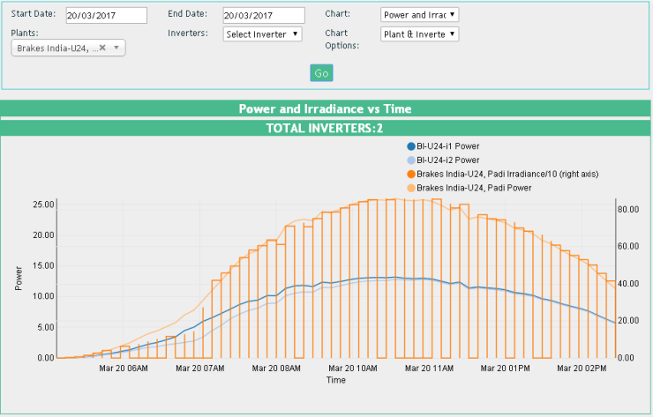 1. Irradiance chart issue at Brakes India U-24 |  | 28.03.17 | Bug | 24.03.2017(Duplicate data issue. Need to update Rules.)
 |  | 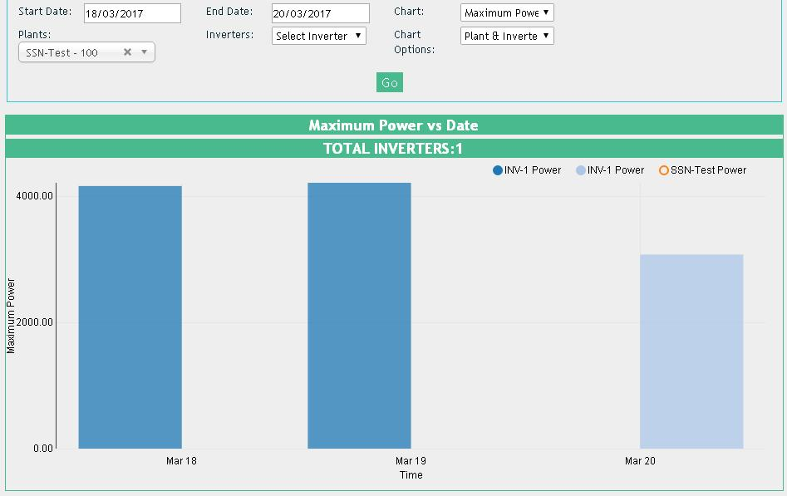 2. SSN-Test bar Graph |  |  | Bug | 24.03.17
 |  | 3. Smoothen the irradiance Chart | 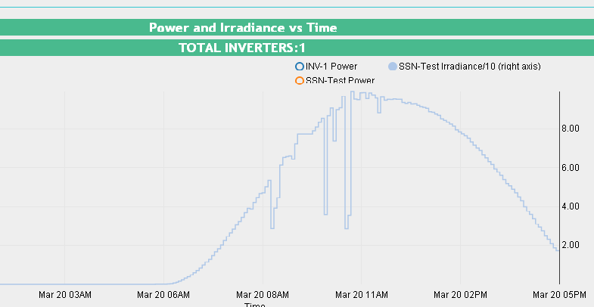 |  | GUI | TBD
 |  | 4. It is better to hide the portion of the line graph wherever the data points are not available. | 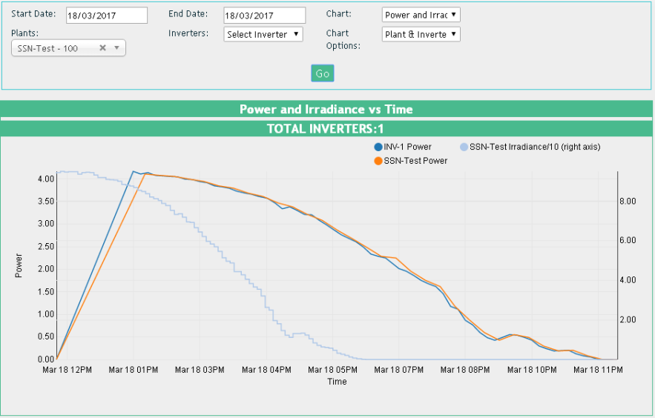 |  | GUI | TBD.(interpolate: 'step-before' issue)
 |  | 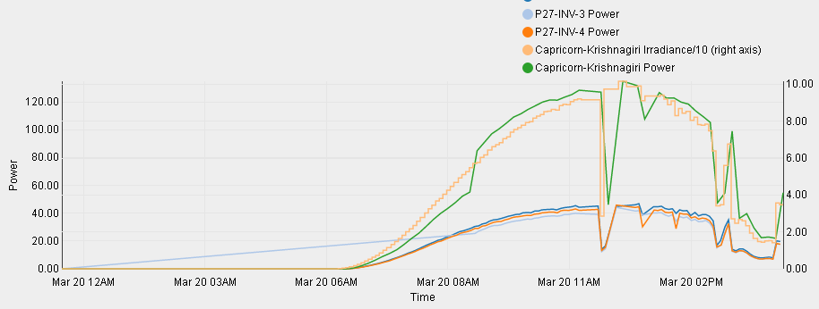 5. Scale of X-axis is not uniform |  |  | GUI | TBD
 |  | 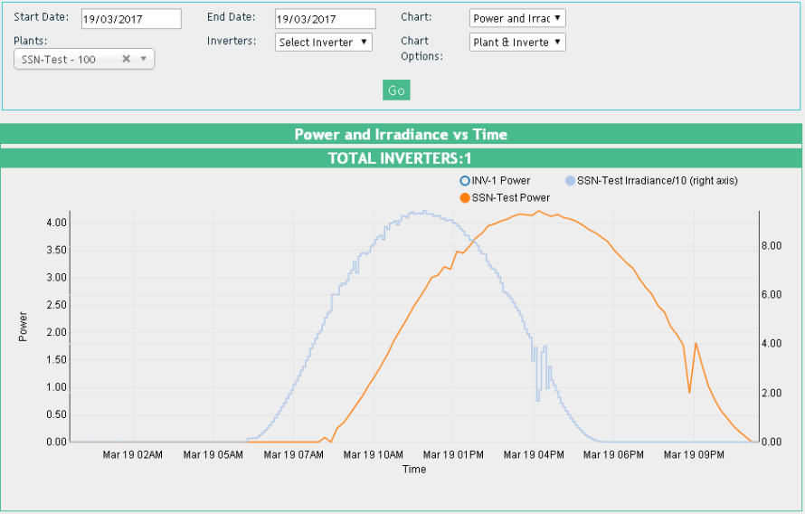 6. When carting multile parameters in a single chart, it is not in the same time scale (Eg. Power vs Irradiance). |  | 28.03.17 | Bug
 |  | 7. Show the unit of the variable in the chart | Example: Power (KW), Irradiance (W/SQ.Mtr), Temperature (°C) | 28.03.17 | GUI

19 | Display URL Issue @ ATL-Limda. | The values become zero prior to every 5 min update. |  | 25.03.17 | Bug | 24.03.17
 |  | 0.0KW, 0.0KWh, 0.0Kg

20 | Chart values pop-up box is not appears when hover the mose over the graph. | DTVS-Oragadam-p1a
 |  | DTVS-Oragadam-p1b
 |  | DTVS-Oragadam-p2 | Solve ATL Chennai irradiance and verify | 28.03.17 | GUI | 24.03.17
 |  | DTVS-Mannur-DI Building
 |  | DTVS-Mannur-Production Building

21 | DTVS-Oragadam-P2 | Total power graph varies with the Energy meter power as well as the manually calculated power |  | 28.03.17 | Bug
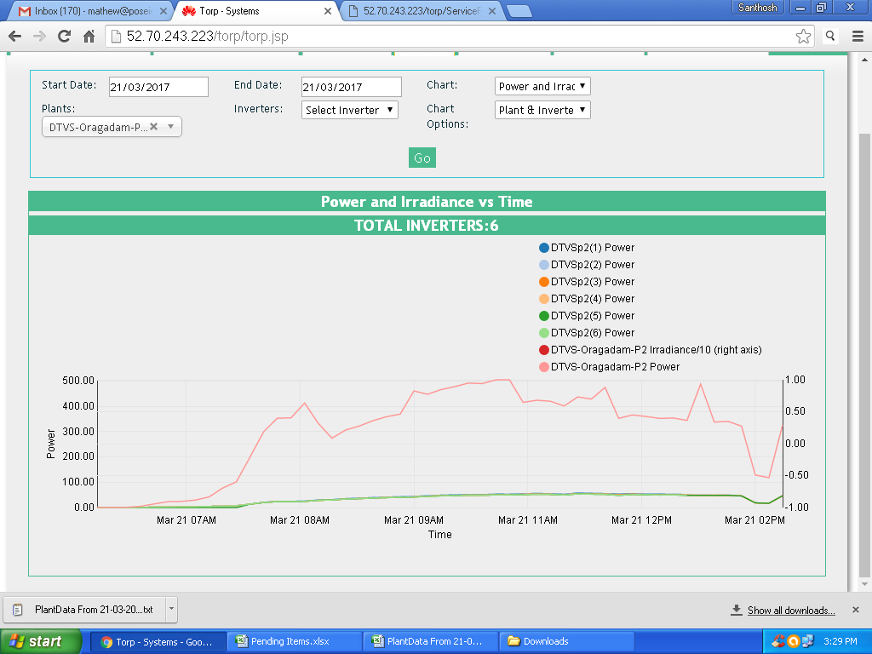

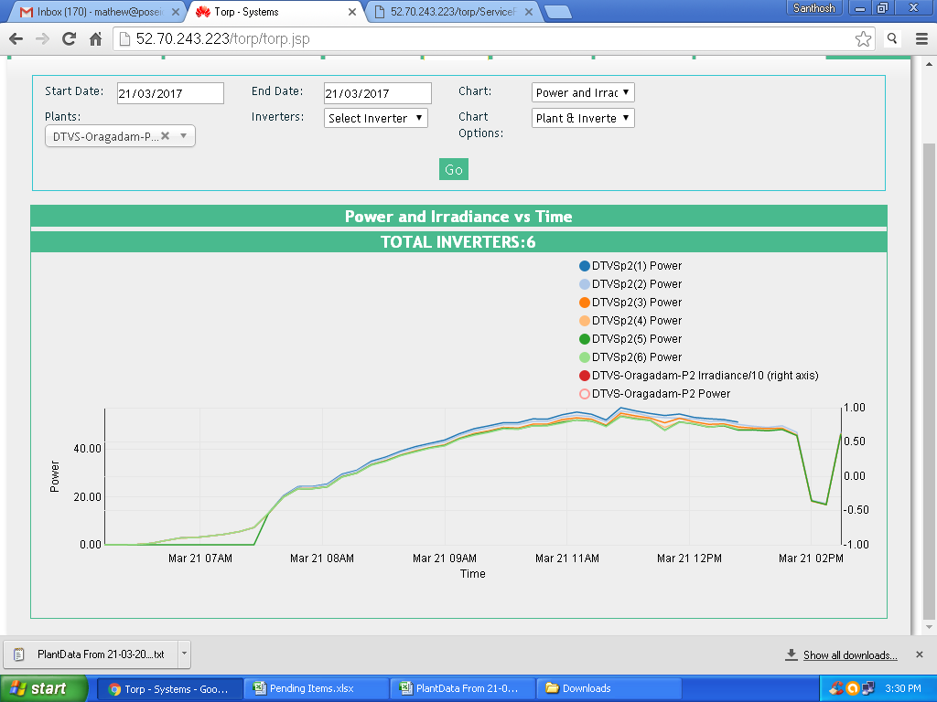

Lingaya - Komati - 4

DTVS - Mannur - Production

 |  | DTVS - Oragadam - P1a

22 | Time stamp adjustment
 |  | 1. Take nearest minutes of the multiple of 10 as matching with inverter data time stamp in the case of FLX inverter sites. |  | 03.04.17 | Feature
 |  | 2. Adjust the minutes to nearest multiple of 5 in case of other plants.

23 | Meter Change | Add feature for meter changing |  |  | Feature

24 | Data Duplication - Delphi TVS Oragadam PH2 -(data of Inverter 1 on 21st March 06:10am ) |  | Ignore duplicate records for same time stamp |  | Feature

