Cardio Exam Checklist
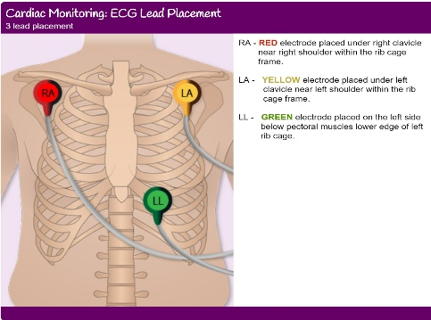
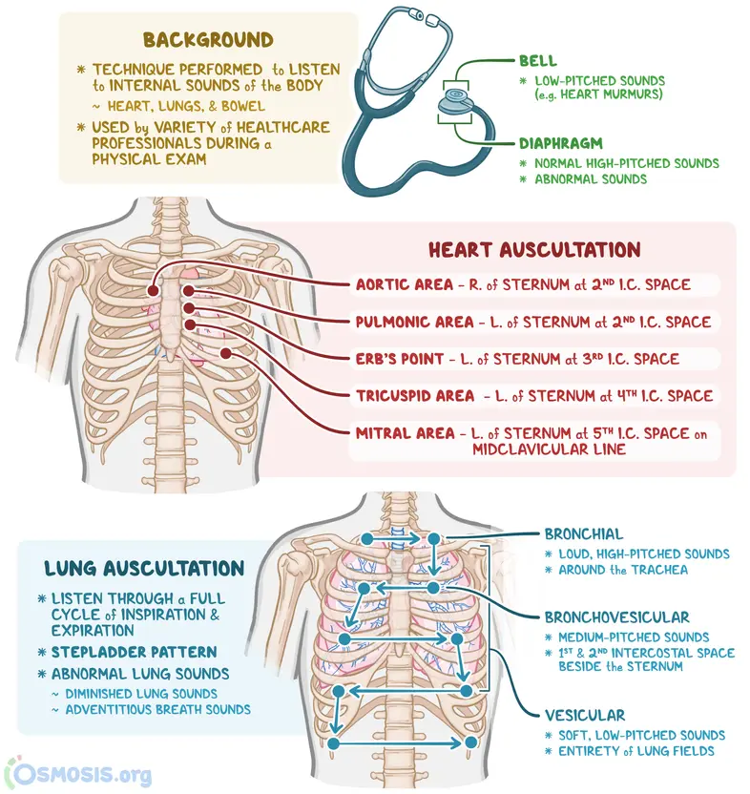
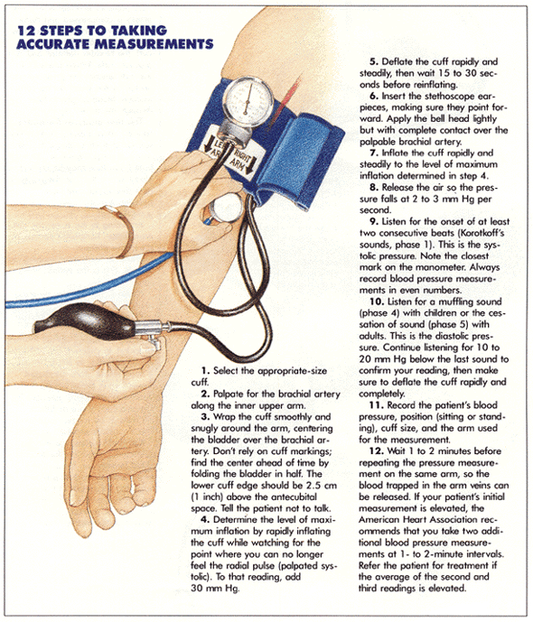
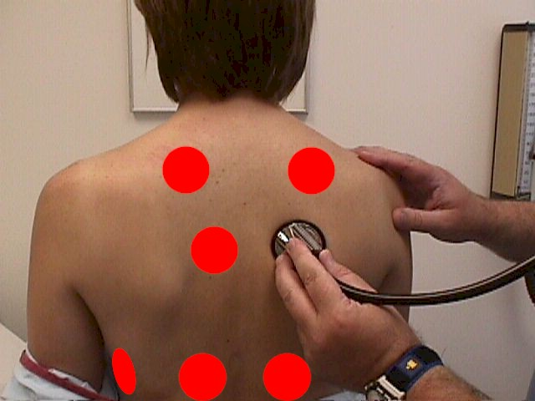
Section | Check Item | Done? | Data
General | Look at overall appearance (comfortable, breathless, pale) | Yes | NULL
General | Check fingers/hands: cold, blue, pale; press a fingernail and release — capillary refill should pink up in ≤2 seconds. | Yes | NULL
General | Check pulse BPM | Yes | 70
General | Check blood pressure (if possible) | Yes | 12 on 7
General | Check body temperature (fever or normal) | Yes | 36
Face | Look at lips (blue or normal) | Yes | NULL
Neck | Look at neck veins (swollen or normal) | Yes | NULL
Chest | Look for scars or devices (pacemaker) | Yes | NULL
Chest | Feel chest for heartbeat (strong, weak, or normal) |  | NULL
Stethoscope | Listen over left chest (heartbeat loud/quiet) | Yes | NULL
Stethoscope | Listen for extra heart sounds (whooshing, murmurs) | Yes | NULL
Stethoscope | Listen to both lungs (clear, wheeze, or crackles) | Yes | NULL
Legs | Check ankles for swelling | Yes | NULL
Finish | Check leg pulses (if trained) | Yes | NULL
Blood Pressure | Data | Yes | 12*7
Aortic pulse | Above the belly button, press gently just left of midline, then just right with both hands to feel a forward pulse. | Yes
ECG | TEST | Yes
Pain Test | TEST(Marker is Arm Then Managed Bitween 1 to 10) | Yes | 9

