TestCase
Level | Question | SQL Query | Generated Query | Type of Analysis | Observation
Easy | Give me all the name of the clients | SELECT title FROM tbl_client; | SELECT title AS 'Client Name' FROM dbo.tbl_client" | Basic Retrieval | Pass
Easy | Find projects created after April 2024 | SELECT projectDesc FROM tbl_project WHERE FromDate > '2024-04-01'; | SELECT * FROM [dbo].[tbl_project] WHERE FromDate > '2024-04-01' | Conditional Retrieval | Pass
Easy | Find number of times the temperature is higher than 25 degree Celsius in May 2024 | SELECT COUNT(*) AS 'Higher_Temperature_Count' FROM [dbo].[tbl_data] WHERE temperature > 25 AND enqueuedTime_Stamp >= '2024-05-01' AND enqueuedTime_Stamp < '2024-06-01' | SELECT COUNT(*) AS 'Higher_Temperature_Count' FROM [dbo].[tbl_data] WHERE temperature > 25 AND enqueuedTime_Stamp >= '2024-05-01' AND enqueuedTime_Stamp < '2024-06-01' | Aggregation | Pass
Medium | Find number of records captured by each device in April 2024 | SELECT D.title AS 'Device Name', COUNT(*) AS 'Number of Records' FROM [dbo].[tbl_data] DA INNER JOIN dbo.tbl_devices D ON DA.device_Id = D.deviceID WHERE DA.enqueuedTime_Stamp >= '2024-04-01' AND DA.enqueuedTime_Stamp < '2024-05-01' GROUP BY D.title; | SELECT D.title AS 'Device Name', COUNT(*) AS 'Number of Records' FROM [dbo].[tbl_data] DA INNER JOIN dbo.tbl_devices D ON DA.device_Id = D.deviceID WHERE DA.enqueuedTime_Stamp >= '2024-04-01' AND DA.enqueuedTime_Stamp < '2024-05-01' GROUP BY D.title; | Group By | Pass | 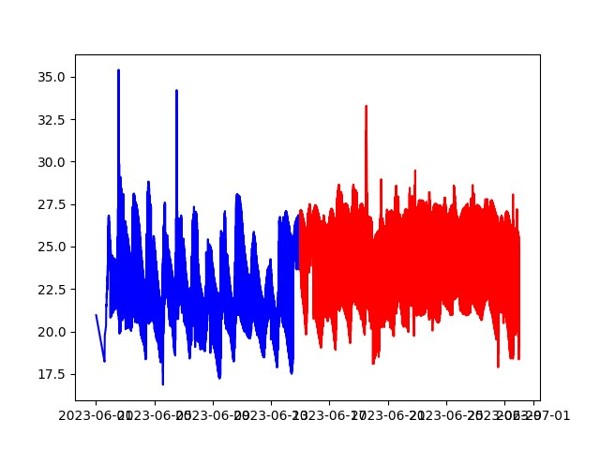

Easy | Retrieve all historical sales data for the year 2023. | SELECT * FROM sales WHERE YEAR(order_date) = 2023; | Historical Analysis |  | Pass
Easy | List all products and their prices in alphabetical order by product name. | SELECT product_name, price FROM products ORDER BY product_name ASC; | Descriptive Analysis |  | Pass
Easy | Count the number of customers who made purchases in April 2024. | SELECT COUNT(DISTINCT customer_id) AS 'Customer_Count' FROM orders WHERE order_date >= '2024-04-01' AND order_date < '2024-05-01'; | Diagnostic Analysis |  | Pass
Medium | Calculate the average order amount per customer in the past 6 months. | SELECT customer_id, AVG(order_amount) AS 'Average_Order_Amount' FROM orders WHERE order_date >= DATEADD(month, -6, GETDATE()) GROUP BY customer_id; | Descriptive Analysis |  | Pass
gurh | Identify products that are frequently purchased together based on co-occurrence in orders. | sql SELECT p1.product_name, p2.product_name, COUNT(*) AS 'Co-occurrence_Count' FROM order_details od1 INNER JOIN order_details od2 ON od1.order_id = od2.order_id AND od1.product_id < od2.product_id INNER JOIN products p1 ON od1.product_id = p1.product_id INNER JOIN products p2 ON od2.product_id = p2.product_id GROUP BY p1.product_name, p2.product_name ORDER BY Co-occurrence_Count DESC; | Predictive Analysis |  | Pass
Hard | Forecast sales for the next quarter using historical data. | sql SELECT DATEADD(quarter, 1, MAX(order_date)) AS 'Forecast_Start_Date', SUM(order_amount) AS 'Forecasted_Sales' FROM sales WHERE order_date >= DATEADD(quarter, -1, GETDATE()) GROUP BY DATEADD(quarter, 1, order_date); | Predictive Analysis |  | Pass
Hard | Determine factors influencing customer churn based on demographic and purchase history data. | sql SELECT demographic_info, AVG(churn_status) AS 'Churn_Rate' FROM customer_data GROUP BY demographic_info ORDER BY Churn_Rate DESC; | Diagnostic Analysis |  | Pass

