TestForecase-ARMAModel
DateTime | Actual | Forecast | MAE(Mean Absolute Error)
2023-06-14 | 25.127862 | 25.31926 | 0.191398
2023-06-15 | 25.126519 | 23.586956 | 1.539563
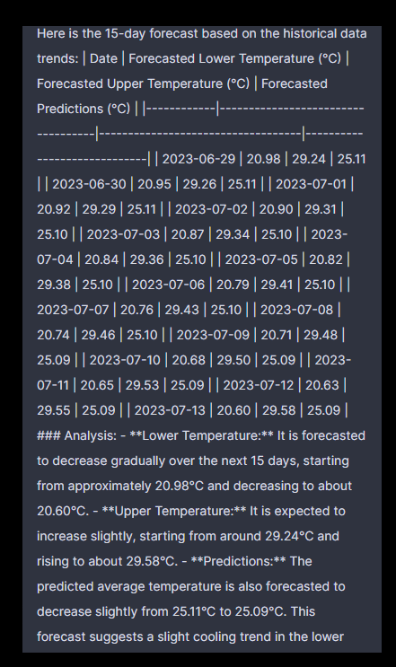
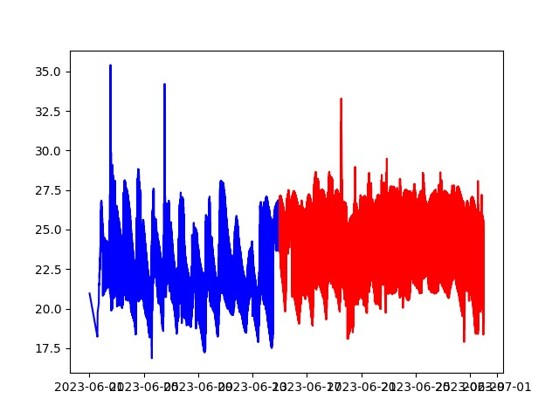
2023-06-16 | 25.125176 | 25.896975 | 0.771799
2023-06-17 | 25.123832 | 19.691673 | 5.432159
2023-06-18 | 25.122489 | 25.060059 | 0.06243
2023-06-19 | 25.121146 | 23.281803 | 1.839343
2023-06-20 | 25.119803 | 25.83618 | 0.716377
2023-06-21 | 25.11846 | 19.042604 | 6.075856
2023-06-22 | 25.117117 | 24.951797 | 0.16532
2023-06-23 | 25.115774 | 23.046249 | 2.069525
2023-06-24 | 25.114432 | 25.658907 | 0.544475
2023-06-25 | 25.113089 | 24.672291 | 0.440798
2023-06-26 | 25.111746 | 18.348259 | 6.763487
2023-06-27 | 25.110404 | 22.601723 | 2.508681
2023-06-28 | 25.109061 | 25.562101 | 0.45304
 |  |  | 1.9716167333

