Sheet1
Number | Description | Screenshot | Description | Wait Time(Seconds)
1 | SurePrep Updates |  | Appears initally when submission wizard is launched after selecting the service and engagement type. | 5
2 | Select Source Documents |  | Appears when an incorrect non existing file path is selected for uploading the source document | 1
3 | Multiple versions of ProSystem Tax software |  | Appears when there are multiple version of ProSystem fx Tax files having name similar to the uploaded demo document is available in the selected file path. | 1
4 | Search ProSystem fx Tax file | 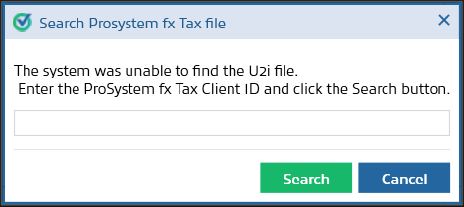 | Appears when Submission wizard is not able to automatically locate Prosystem fx Tax file after the source document is uploaded | 3
5 | Select UltraTaxCS file |  | Appears when Submission wizard is not able to automatically locate UltraTax CS file after the source document is uploaded | 3
6 | SPBinder |  | Appears when the Submission Wizard is not able to find any Ultra Tax file linked to the selected source document in the provided file path | 3
7 | SPBinder |  | Appears when the Submission Wizard is not able to find any Lacerte tax file linked to the selected source document | 3
8 | SPBinder |  | Appears when the Submission Wizard is not able to find any Lacerte file linked to the selected source document in the provided file path | 3

