How To Sign PDF
Step by Step Guide:
How to Fill & Sign a PDF file
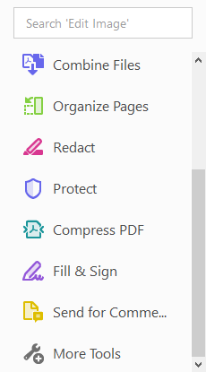
Step 1. Open the file that is saved from the file folder initially created.

Step 2. Once opened, click Fill & Sign from the list located
at the right hand part of the page (as shown in the picture).

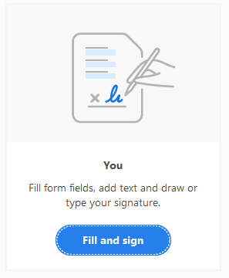

 | Step 3. Select Fill & sign from the option. You will then proceed into signing the document.
 | There are two (2) ways on how to sign the document. First, you can simply add text or create your own digital signature.
 | If you choose to add text, just type in your name on the signature space as shown below.

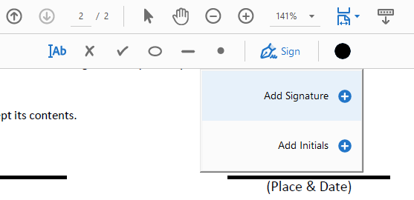

Step 4. To add your digital signature, click Sign
and Add Signature at the top part of the page.

Step 5. After clicking Add Signature, you can then type, draw or select (an image to attach) in your name to create the signature.

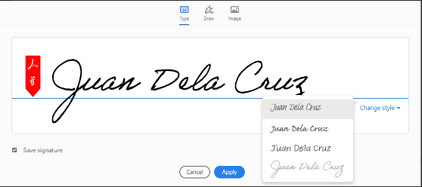 |  | You can work around with it by editing the font style you prefer. Please ensure to tick the save signature so you can use it for your next transaction.
 |  | Click Apply.

Step 6. Use and pin your digital signature to the sign space as shown below



 |  | Step 7. Re-click Sign to utilize your saved signature. Then, attach it to the rest of the sign spaces in the document.

You can always edit the font size or delete to try again.



Step 8. Continue filling out the form by adding the Place & Date text on the spaces provided.

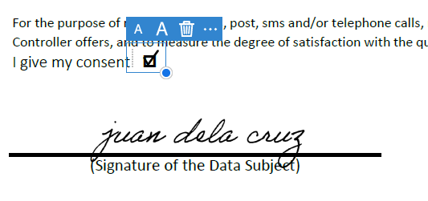
Step 9. Don’t forget to also add check marks to the consent boxes indicated in the form.

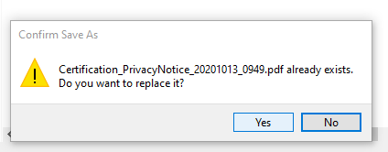

Step 10. Print and Save the file in the same folder and overwrite it.
Go back to the Application and continue with the rest of the process.

