Summary Graphs - Total
Total Electricity (kWh/sf)
 | nc-mf-code | nc-ae-code
CZ01 | 23.7 | 23.7
CZ02 | 26.2 | 26.2
CZ03 | 24.5 | 24.5
CZ04 | 25.8 | 25.8
CZ05 | 24.6 | 24.6
CZ06 | 26.0 | 26.0
CZ07 | 25.4 | 25.4
CZ08 | 26.8 | 26.8
CZ09 | 27.7 | 27.7
CZ10 | 28.3 | 28.3
CZ11 | 29.3 | 29.3
CZ12 | 27.8 | 27.8
CZ13 | 29.5 | 29.5
CZ14 | 29.4 | 29.4
CZ15 | 34.8 | 34.8
CZ16 | 25.9 | 25.9

Total Natural Gas (kBtu/sf)
 | nc-mf-code | nc-ae-code
CZ01 | 241.9 | 241.9
CZ02 | 184.3 | 184.3
CZ03 | 168.4 | 168.4
CZ04 | 150.3 | 150.3
CZ05 | 178.3 | 178.3
CZ06 | 120.9 | 120.9
CZ07 | 103.5 | 103.5
CZ08 | 105.8 | 105.8
CZ09 | 111.5 | 111.5
CZ10 | 116.4 | 116.4
CZ11 | 148.2 | 148.2
CZ12 | 164.3 | 164.3
CZ13 | 142.2 | 142.2
CZ14 | 144.7 | 144.7
CZ15 | 87.5 | 87.5
CZ16 | 226.5 | 226.5

Total TDV (kTDV/sf)
 | nc-mf-code | nc-ae-code
CZ01 | 1119.9 | 1119.9
CZ02 | 1150.2 | 1150.2
CZ03 | 1029.3 | 1029.3
CZ04 | 1074.4 | 1074.4
CZ05 | 1038.1 | 1038.1
CZ06 | 1004.9 | 1004.9
CZ07 | 949.3 | 949.3
CZ08 | 1018.9 | 1018.9
CZ09 | 1081.4 | 1081.4
CZ10 | 1102.6 | 1102.6
CZ11 | 1214.5 | 1214.5
CZ12 | 1201.4 | 1201.4
CZ13 | 1214.5 | 1214.5
CZ14 | 1193.7 | 1193.7
CZ15 | 1243.4 | 1243.4
CZ16 | 1190.8 | 1190.8

Summary Graphs - End Use
Space Cooling Electricity (kWh/sf)
 | nc-mf-code | nc-ae-code
CZ01 | 0.0 | 0.0
CZ02 | 2.1 | 2.1
CZ03 | 0.6 | 0.6
CZ04 | 1.8 | 1.8
CZ05 | 0.6 | 0.6
CZ06 | 1.9 | 1.9
CZ07 | 1.4 | 1.4
CZ08 | 2.5 | 2.5
CZ09 | 3.5 | 3.5
CZ10 | 4.0 | 4.0
CZ11 | 5.0 | 5.0
CZ12 | 3.7 | 3.7
CZ13 | 5.2 | 5.2
CZ14 | 4.9 | 4.9
CZ15 | 10.2 | 10.2
CZ16 | 1.4 | 1.4

Space Heating Electricity (kWh/sf)
 | nc-mf-code | nc-ae-code
CZ01 | 0.0 | 0.0
CZ02 | 0.0 | 0.0
CZ03 | 0.0 | 0.0
CZ04 | 0.0 | 0.0
CZ05 | 0.0 | 0.0
CZ06 | 0.0 | 0.0
CZ07 | 0.0 | 0.0
CZ08 | 0.0 | 0.0
CZ09 | 0.0 | 0.0
CZ10 | 0.0 | 0.0
CZ11 | 0.0 | 0.0
CZ12 | 0.0 | 0.0
CZ13 | 0.0 | 0.0
CZ14 | 0.0 | 0.0
CZ15 | 0.0 | 0.0
CZ16 | 0.0 | 0.0
Space Heating Natural Gas (kBtu/sf)
 | nc-mf-code | nc-ae-code
CZ01 | 173.0 | 173.0
CZ02 | 116.7 | 116.7
CZ03 | 101.0 | 101.0
CZ04 | 83.2 | 83.2
CZ05 | 110.6 | 110.6
CZ06 | 54.7 | 54.7
CZ07 | 37.6 | 37.6
CZ08 | 40.1 | 40.1
CZ09 | 45.7 | 45.7
CZ10 | 50.6 | 50.6
CZ11 | 81.4 | 81.4
CZ12 | 97.3 | 97.3
CZ13 | 75.7 | 75.7
CZ14 | 77.7 | 77.7
CZ15 | 24.3 | 24.3
CZ16 | 156.6 | 156.6

Water Heating Electricity (kWh/sf)
 | nc-mf-code | nc-ae-code
CZ01 | 0.0 | 0.0
CZ02 | 0.0 | 0.0
CZ03 | 0.0 | 0.0
CZ04 | 0.0 | 0.0
CZ05 | 0.0 | 0.0
CZ06 | 0.0 | 0.0
CZ07 | 0.0 | 0.0
CZ08 | 0.0 | 0.0
CZ09 | 0.0 | 0.0
CZ10 | 0.0 | 0.0
CZ11 | 0.0 | 0.0
CZ12 | 0.0 | 0.0
CZ13 | 0.0 | 0.0
CZ14 | 0.0 | 0.0
CZ15 | 0.0 | 0.0
CZ16 | 0.0 | 0.0
Water Heating Natural Gas (kBtu/sf)
 | nc-mf-code | nc-ae-code
CZ01 | 27.4 | 27.4
CZ02 | 26.0 | 26.0
CZ03 | 25.9 | 25.9
CZ04 | 25.5 | 25.5
CZ05 | 26.1 | 26.1
CZ06 | 24.6 | 24.6
CZ07 | 24.2 | 24.2
CZ08 | 24.1 | 24.1
CZ09 | 24.2 | 24.2
CZ10 | 24.2 | 24.2
CZ11 | 25.2 | 25.2
CZ12 | 25.4 | 25.4
CZ13 | 24.9 | 24.9
CZ14 | 25.4 | 25.4
CZ15 | 21.6 | 21.6
CZ16 | 28.3 | 28.3

End-Use (kWh)
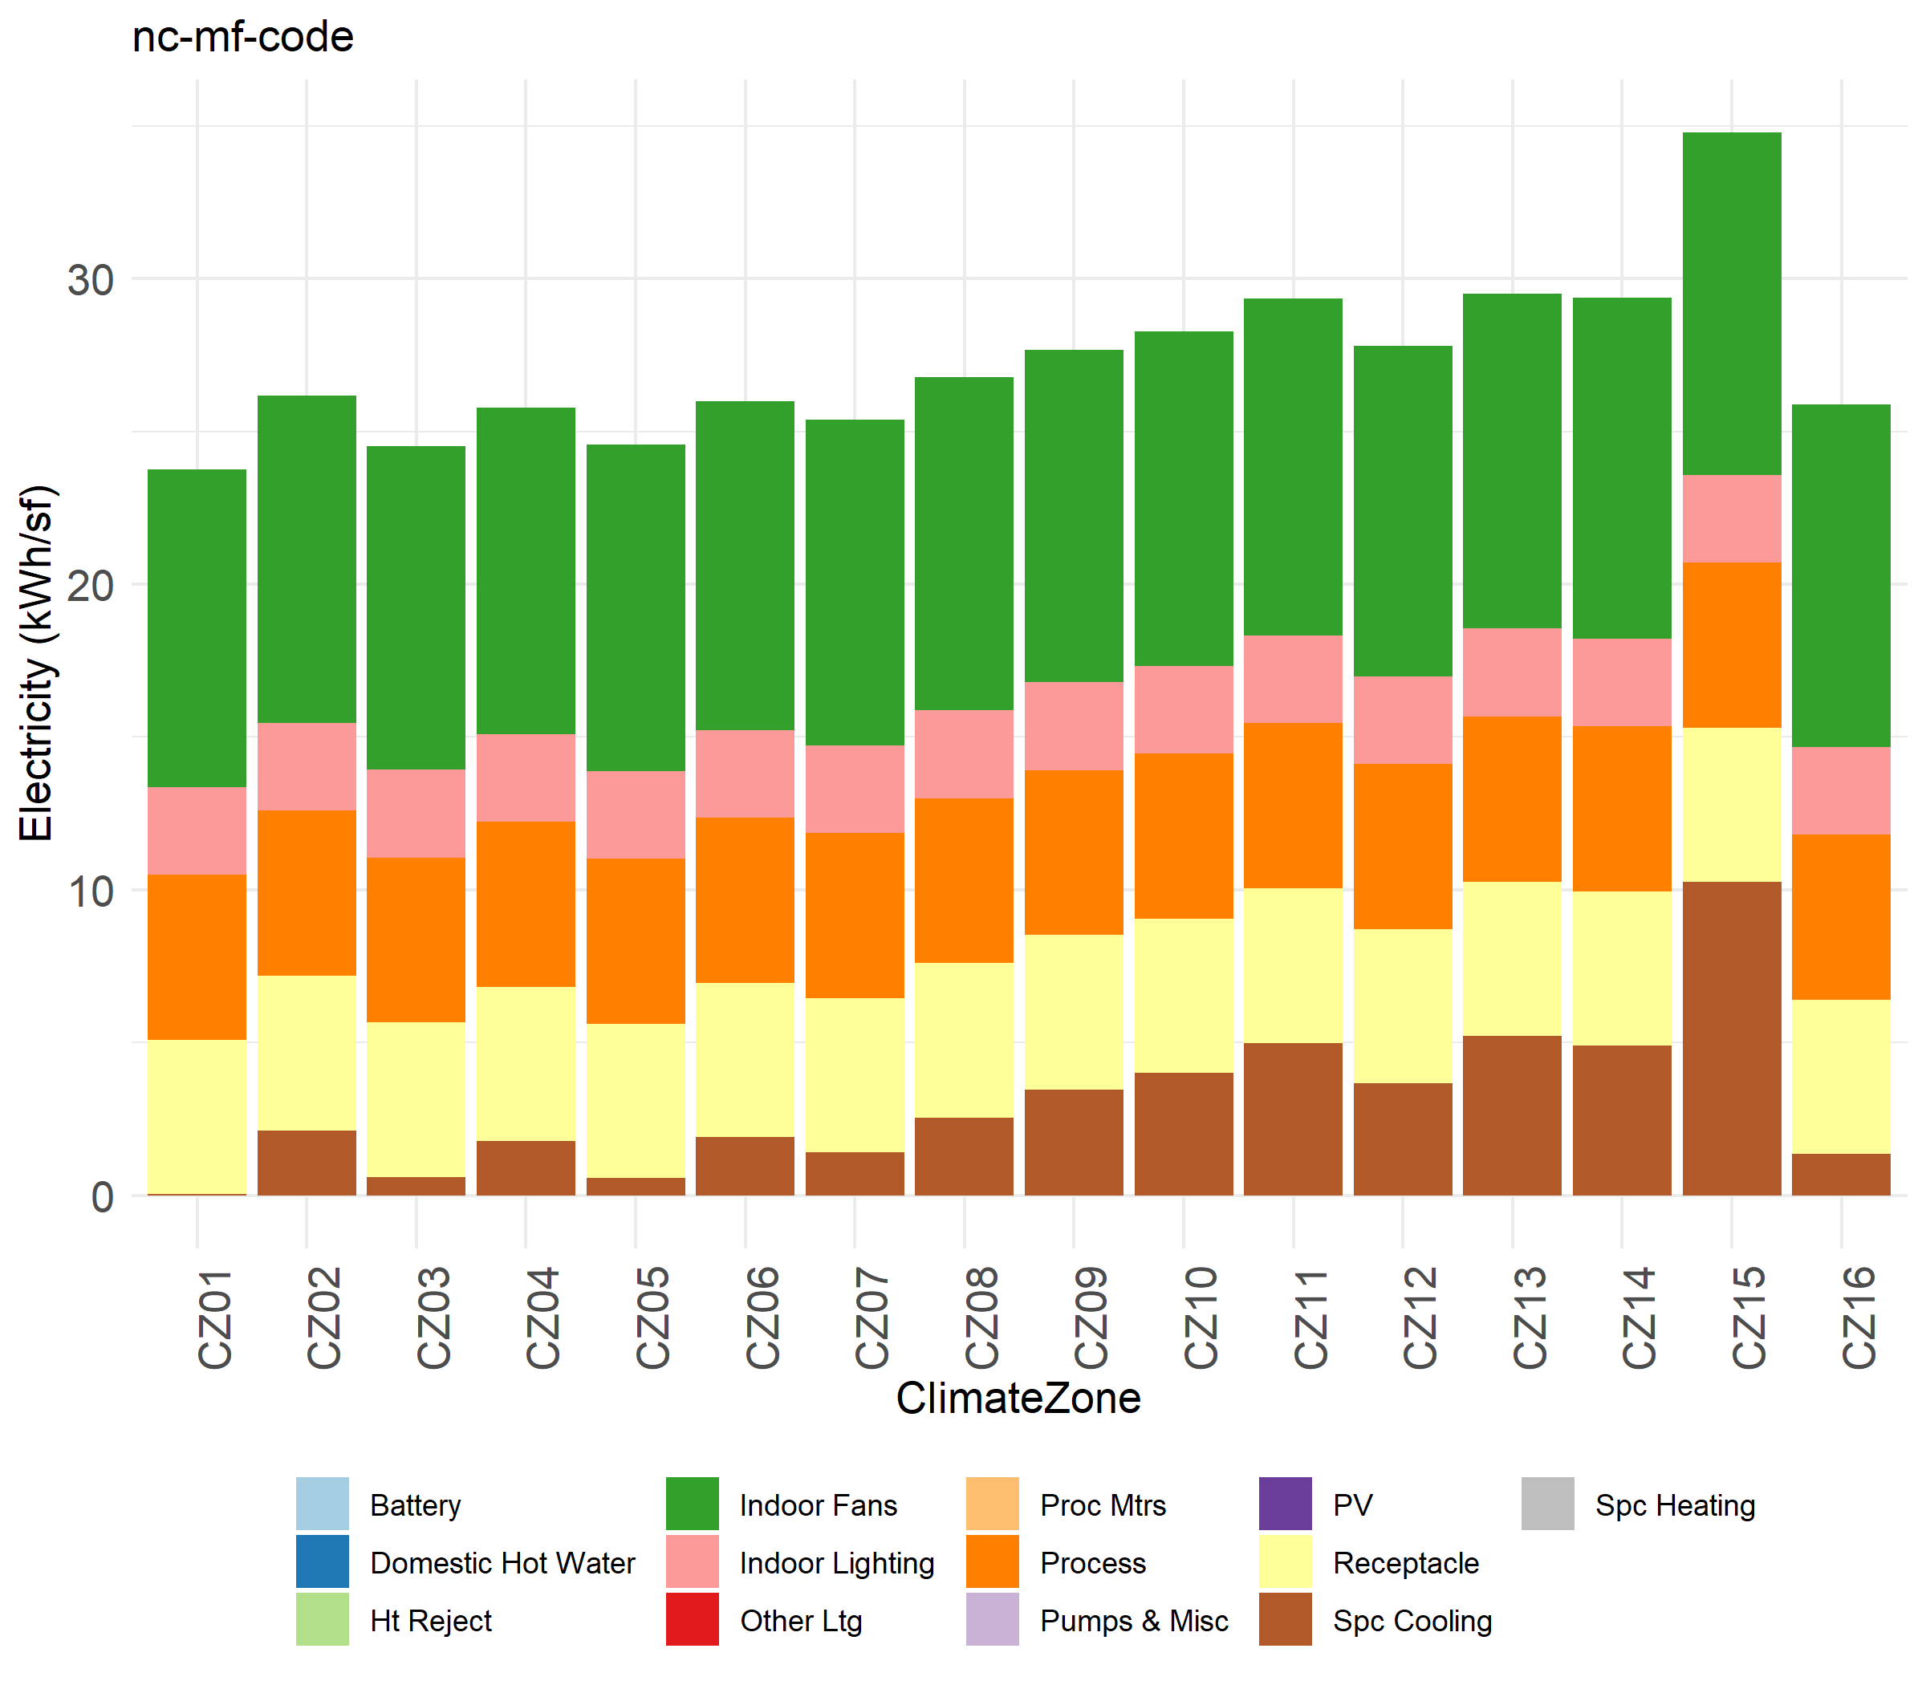
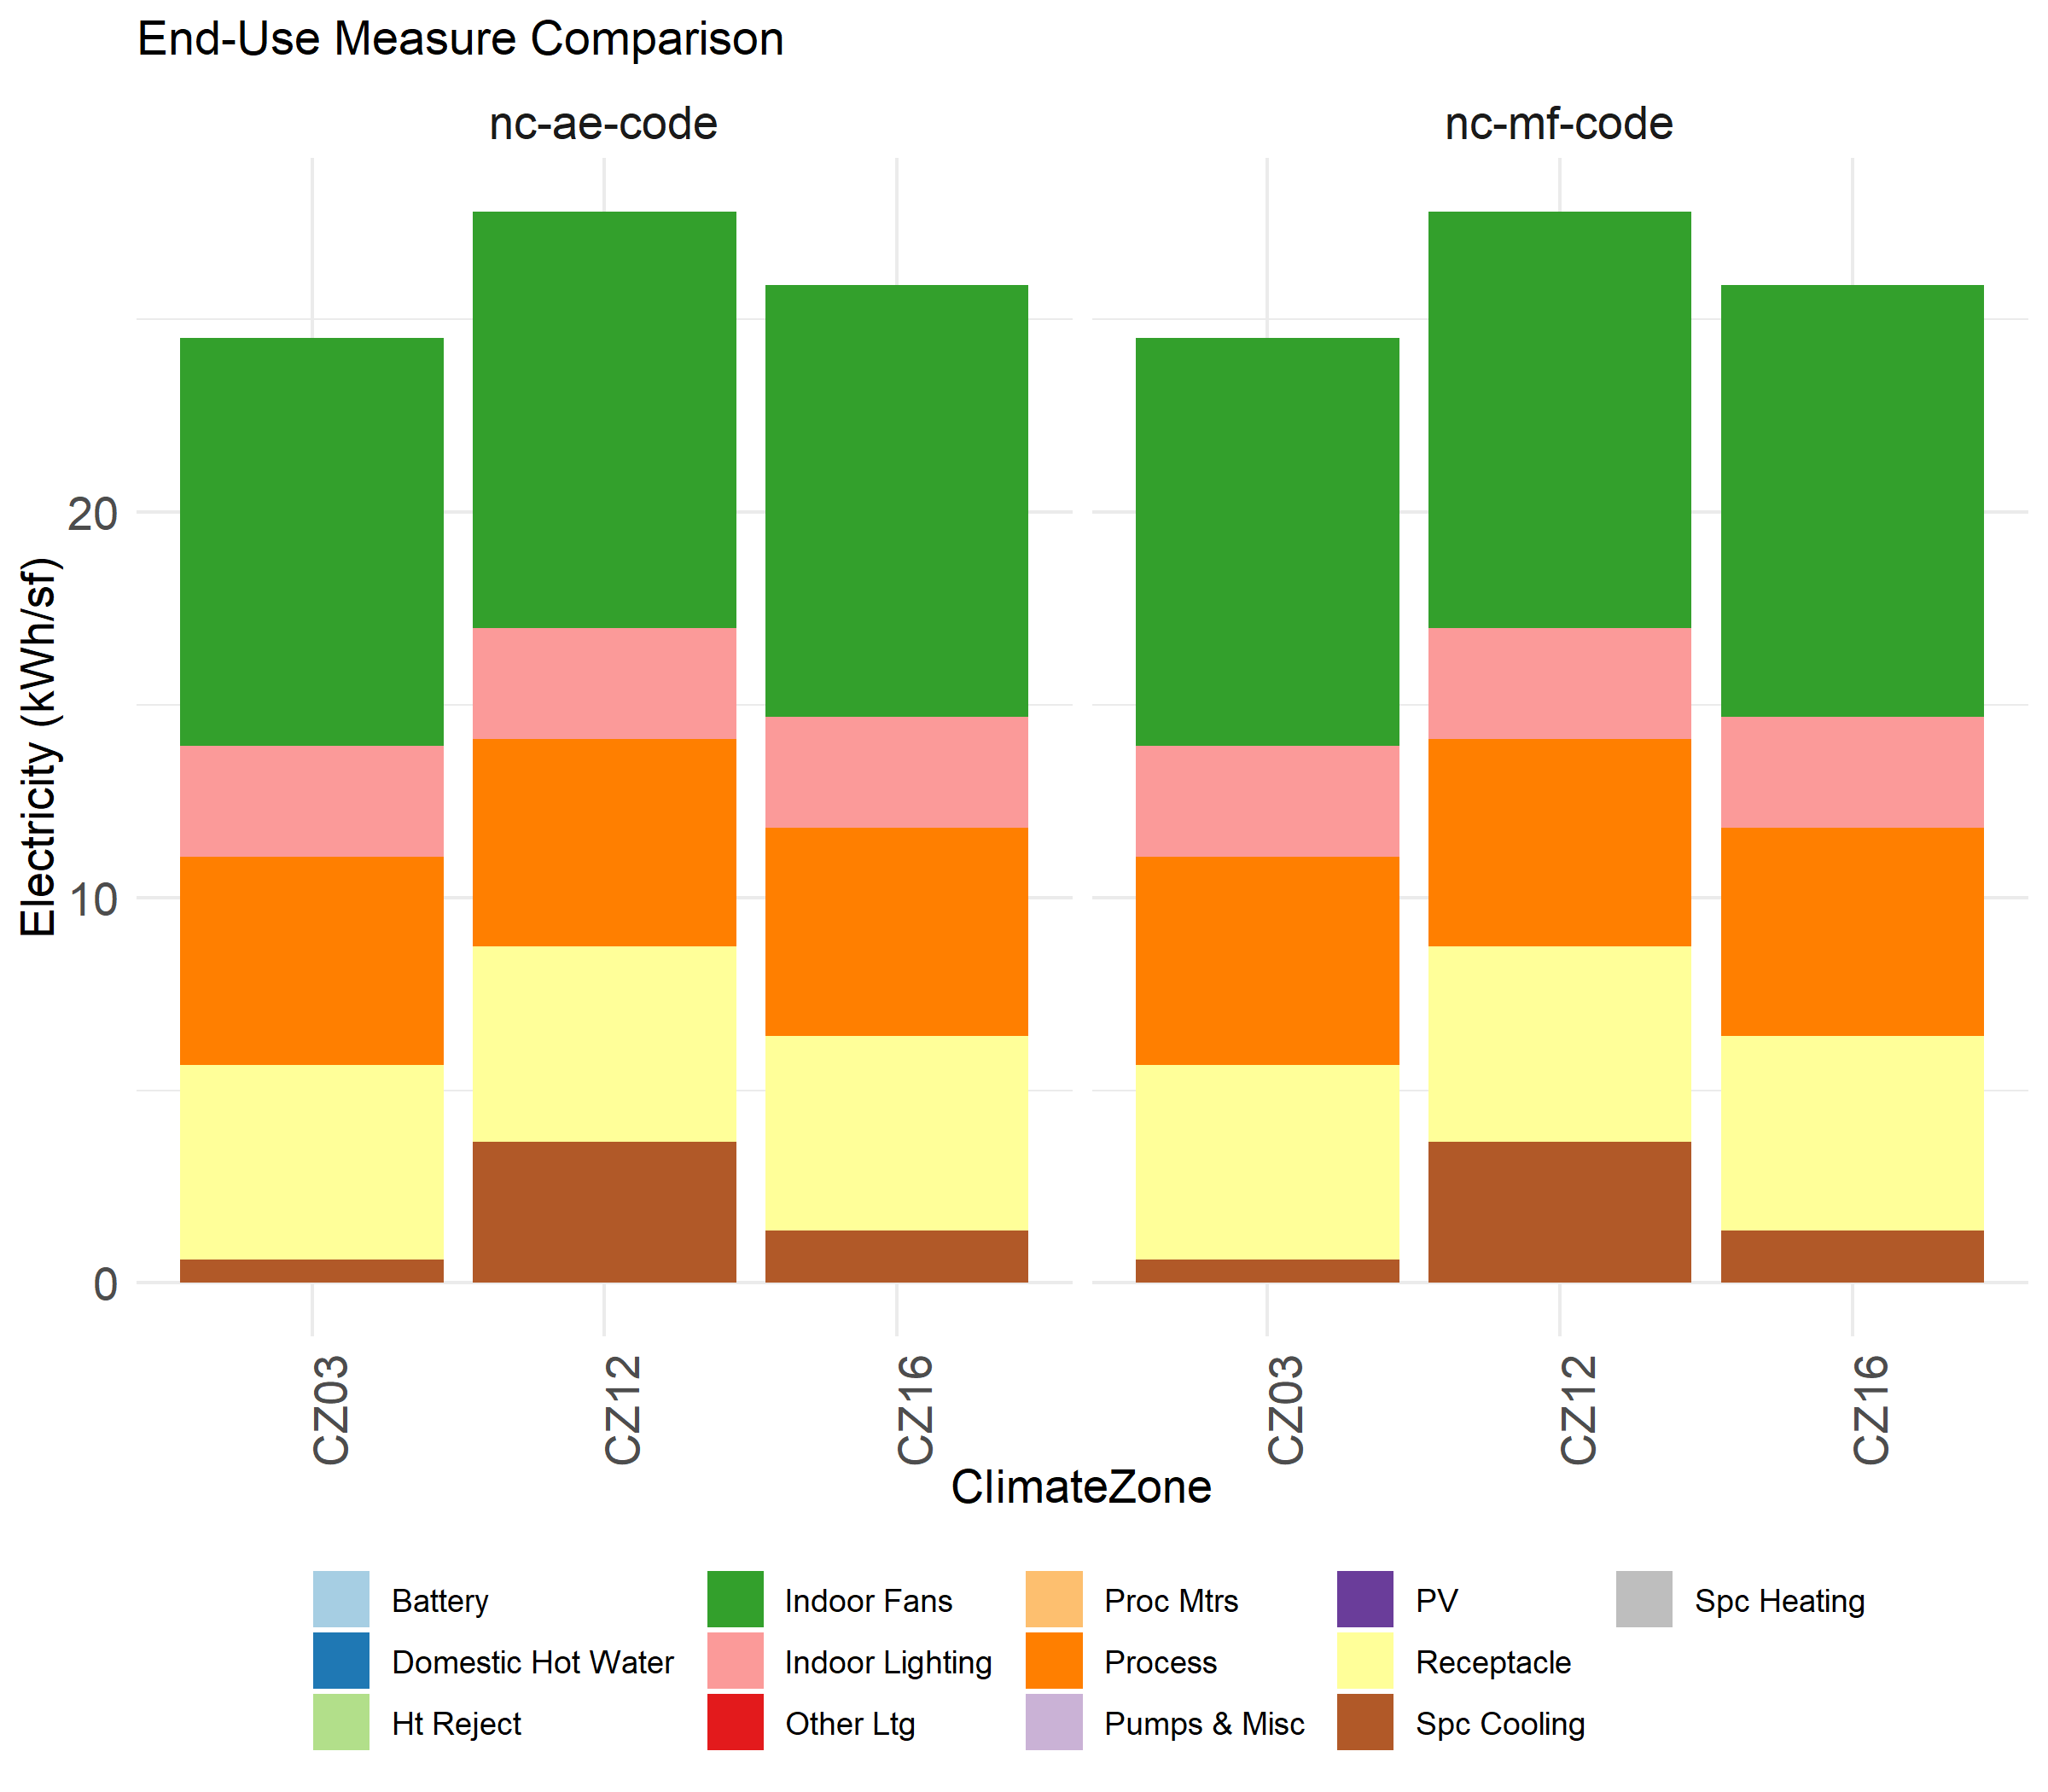



End-Use (kBtu)
