Image with Hyperlink
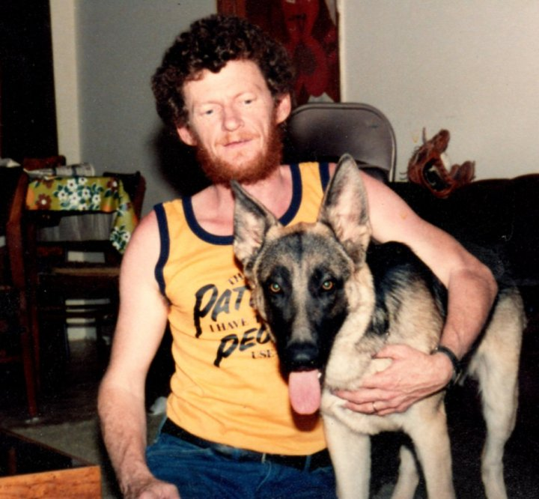

Bar Chart
A Simple Bar Chart
first | 14
second | 14
third | 9

Chart With No Gridlines
Bar Chart without gridlines
first | 18
second | 14
third | 21

Pie Chart
Simple Pie Chart
first | 1
second | 3
third | 2

example 3: Pie Chart

Line Chart
Simple Line Chart
first | second
2 | 14
9 | 24
15 | 3
Simple Line Chart
16 | 22

Scatter Chart
First | 1 | 5 | 7 | 9
 | 1 | 25 | 49 | 81
Second | 5 | 2 | 14 | 9
 | 5 | 10 | 15 | 20
example 7: Scatter Chart

