母线
所属区域 | 母线名称 | 电压等级 | 大方式短路阻抗 | 小方式短路阻抗 | 电阻R | 短路电流限值(kA) | 现电压偏差 | 最大正电压偏差允许值ΔUH | 最大负电压偏差允许值ΔUL | 母线唯一标志

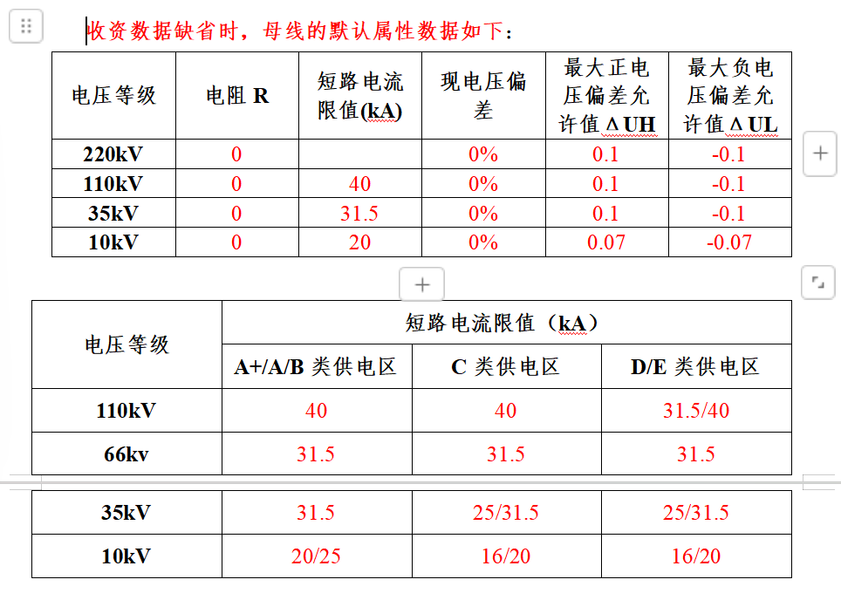

昌平 | 220kV邓庄站220kV母线 | nankV |  |  | nan |  | nan% | nan% | nan%
昌平 | 220kV邓庄站110kV母线 | nankV |  |  | nan |  | nan% | nan% | nan%
昌平 | 220kV邓庄站10kV母线 | nankV |  |  | nan |  | nan% | nan% | nan%
昌平 | 110kV十三陵站10kV3#母线 | nankV |  |  | nan |  | nan% | nan% | nan%
昌平 | 110kV十三陵站10kV5#母线 | nankV |  |  | nan |  | nan% | nan% | nan%
昌平 | 110kV虎峪站110kV3#母线 | nankV |  |  | nan |  | nan% | nan% | nan%
昌平 | 110kV虎峪站110kV5#母线 | nankV |  |  | nan |  | nan% | nan% | nan%
昌平 | 110kV虎峪站10kV3#母线 | nankV |  |  | nan |  | nan% | nan% | nan%
昌平 | 110kV虎峪站10kV5#母线 | nankV |  |  | nan |  | nan% | nan% | nan%
昌平 | 110kV南口站110kV4#母线 | nankV |  |  | nan |  | nan% | nan% | nan%
昌平 | 110kV南口站35kV4#母线 | nankV |  |  | nan |  | nan% | nan% | nan%
昌平 | 110kV南口站10kV4#母线 | nankV |  |  | nan |  | nan% | nan% | nan%
昌平 | 220kV邓庄站220kV母线 | 220kV |  |  | nan |  | nan% | nan% | nan%
昌平 | 220kV邓庄站110kV母线 | 110kV |  |  | nan |  | nan% | nan% | nan%
昌平 | 220kV邓庄站10kV母线 | 10kV |  |  | nan |  | nan% | nan% | nan%
昌平 | 110kV十三陵站10kV3#母线 | 10kV |  |  | nan |  | nan% | nan% | nan%
昌平 | 110kV十三陵站10kV5#母线 | 10kV |  |  | nan |  | nan% | nan% | nan%
昌平 | 110kV虎峪站110kV3#母线 | 110kV |  |  | nan |  | nan% | nan% | nan%
昌平 | 110kV虎峪站110kV5#母线 | 110kV |  |  | nan |  | nan% | nan% | nan%
昌平 | 110kV虎峪站10kV3#母线 | 10kV |  |  | nan |  | nan% | nan% | nan%
昌平 | 110kV虎峪站10kV5#母线 | 10kV |  |  | nan |  | nan% | nan% | nan%
昌平 | 110kV南口站110kV4#母线 | 110kV |  |  | nan |  | nan% | nan% | nan%
昌平 | 110kV南口站35kV4#母线 | 35kV |  |  | nan |  | nan% | nan% | nan%
昌平 | 110kV南口站10kV4#母线 | 10kV |  |  | nan |  | nan% | nan% | nan%

