README
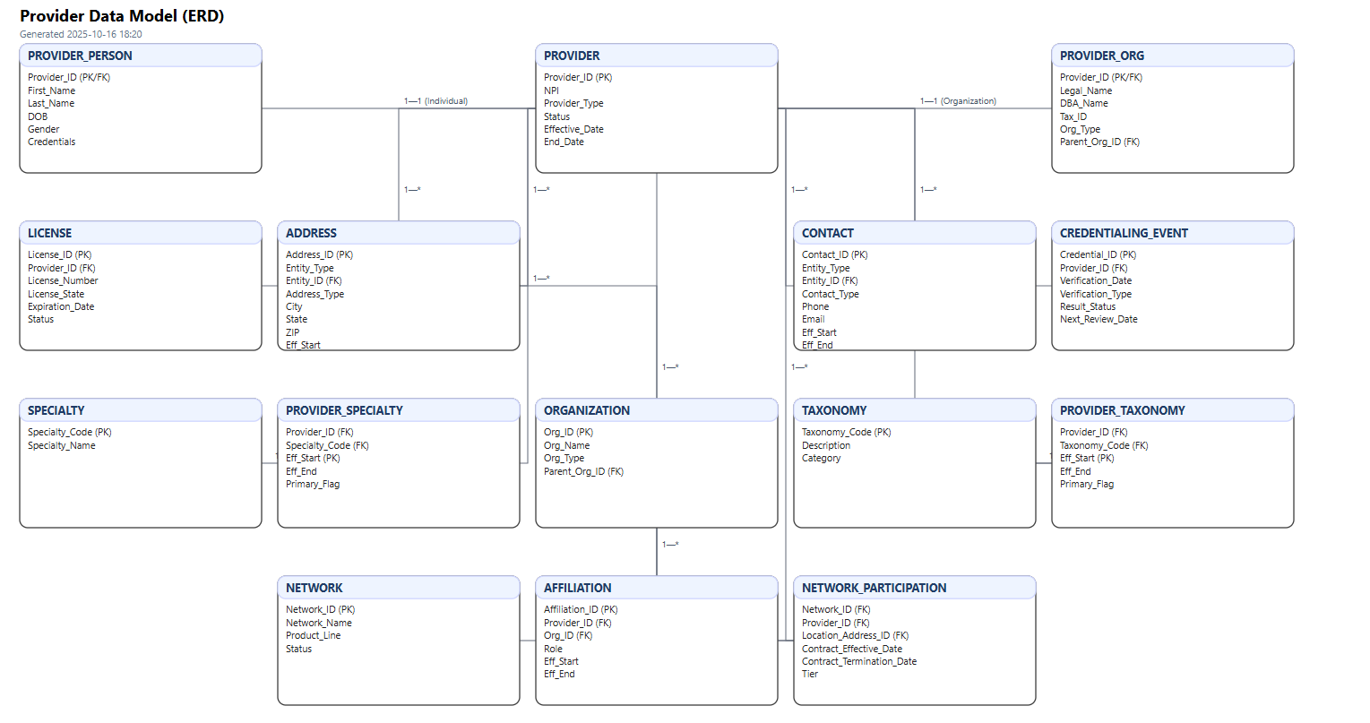
Field | Meaning
PK | Primary Key. If multiple rows have PK=True, the table uses a composite primary key.
FK Ref | Referenced table and column when this column is a foreign key.
Nullable | Whether the column can be NULL.
Data Types | ANSI-SQL-ish types; adjust to your platform (Snowflake, Postgres, SQL Server).
History | Effective dating fields (Eff_Start/Eff_End) model slowly changing attributes.
Subtype | Provider has subtypes: Provider_Person, Provider_Org (1:1).
Sample Data | Example values are illustrative only and not real PHI/PII.

 | Provider_Data_Model_for_Visio.svg

