Schema Mapping
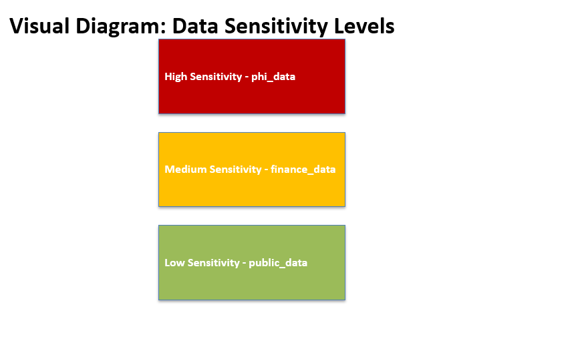
Schema | Sensitivity Level | Accessible Roles | Notes
phi_data | High | Admin, Researcher (restricted) | Contains Protected Health Information, strict access required
finance_data | Medium | Admin, Analyst (limited) | Financial transactions and reports, limited by role
public_data | Low | All roles (restricted by need) | Non-sensitive public datasets, general access
audit_log | High | External Auditor (read-only), Admin | Audit and compliance logs, read-only for auditors

