SubStepping
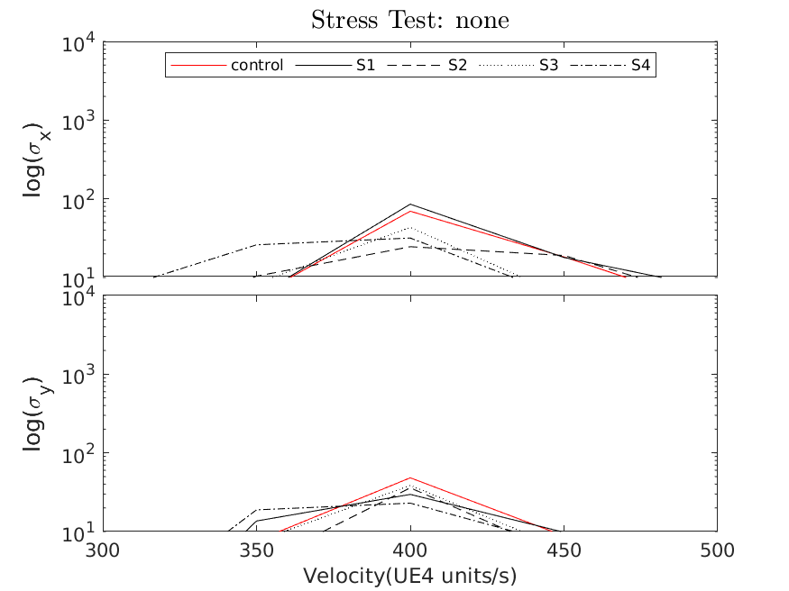
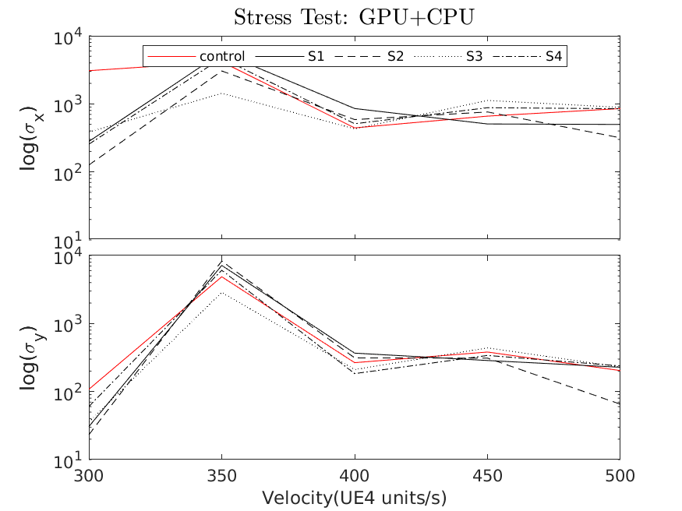
Experiment no. | repeats | Substepping (ON/OFF) | Max Substep Delta Time | Max Substeps | Stress: GPU |  | mean(S(x)) | mean(S(y))
5001 | 20 | OFF | - | - | 4x GPU stress | DONE
5002 | 20 | ON | 1 | 1 | 4x GPU stress | DONE
5003 | 20 | ON | 1 | 16 | 4x GPU stress | DONE
5004 | 20 | ON | 0.0013 | 1 | 4x GPU stress | DONE
5005 | 20 | ON | 0.0013 | 16 | 4x GPU stress | DONE

4x GPU stress = 4 instances of GPU test running at 1600x1000 using "FUR" test

Experiment no. | repeats | Substepping (ON/OFF) | Max Substep Delta Time | Max Substeps | Stress: CPU
6001 | 20 | OFF | - | - | 32 threads | DONE
6002 | 20 | ON | 1 | 1 | 32 threads | DONE
6003 | 20 | ON | 1 | 16 | 32 threads | DONE
6004 | 20 | ON | 0.0013 | 1 | 32 threads | DONE
6005 | 20 | ON | 0.0013 | 16 | 32 threads | DONE

stress -c 32

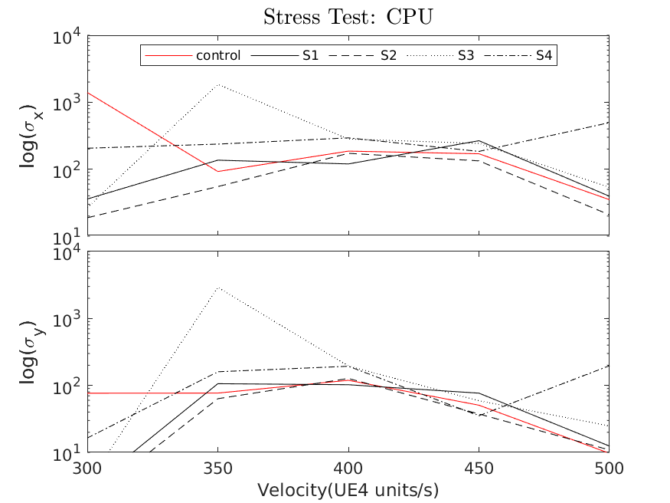
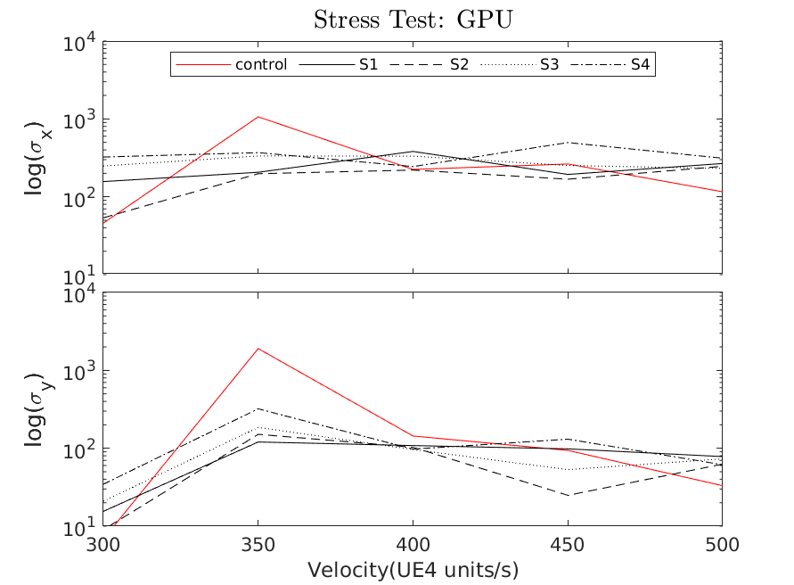
Experiment no. | repeats | Substepping (ON/OFF) | Max Substep Delta Time | Max Substeps | Stress: CPU & GPU
7001 | 20 | OFF | - | - | 32 threads + 4x GPU stress | DONE
7002 | 20 | ON | 1 | 1 | 33 threads + 4x GPU stress | DONE
7003 | 20 | ON | 1 | 16 | 34 threads + 4x GPU stress | DONE
7004 | 20 | ON | 0.0013 | 1 | 35 threads + 4x GPU stress | DONE
7005 | 20 | ON | 0.0013 | 16 | 36 threads + 4x GPU stress | DONE

Experiment no. | repeats | Substepping (ON/OFF) | Max Substep Delta Time | Max Substeps | Stress: None
8001 | 20 | OFF | - | - | None | DONE
8002 | 20 | ON | 1 | 1 | None | DONE
8003 | 20 | ON | 1 | 16 | None | DONE
8004 | 20 | ON | 0.0013 | 1 | None | DONE
8005 | 20 | ON | 0.0013 | 16 | None | DONE
8006 | 20 | ON | 1 | 16 | Enhanced Determinism on!

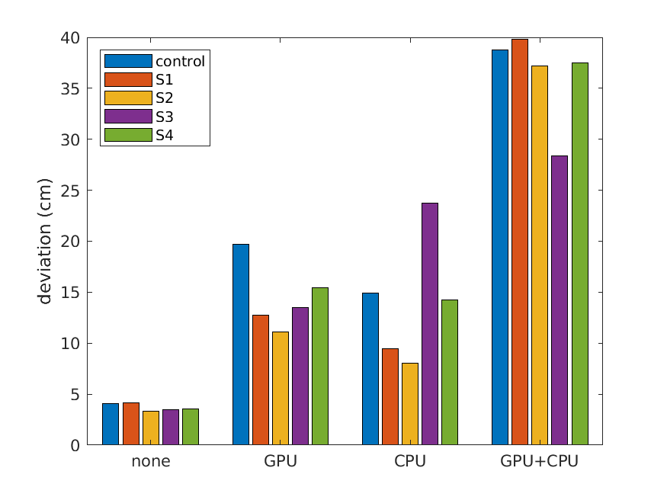
 | Showing deviation in UE units (cm)
 | mean(S(xy))
Stress | control | S1 | S2 | S3 | S4
none | 4.0939616394 | 4.18049086 | 3.303672448 | 3.4778927162 | 3.5545372107
CPU | 14.88175052 | 9.4790521367 | 8.0070477055 | 23.771209281 | 14.208921764
GPU | 19.737038423 | 12.7559557 | 11.121468565 | 13.518727226 | 15.465430185
CPU+GPU | 38.73982463 | 39.820806609 | 37.168641347 | 28.34964691 | 37.521561099

0
k-Test |  | Run sufficient tests on a few setting to observe bounds of the problem

Experiment no. | repeats | Substepping (ON/OFF) | Max Substep Delta Time | Max Substeps | Stress: | Velocity | Compete? | mean(S(x)) | mean(S(y))
9001 | 1000 | S2 | 1 | 16 | 32 threads + 4x GPU stress | 350 | DONE | 48.6 | 62.5
9002 | 1000 | S2 | 1 | 16 | none | 350 | DONE | 3 | 3.3

PhysX Tree Rebuild Rate |  | https://docs.nvidia.com/gameworks/content/gameworkslibrary/physx/guide/Manual/SceneQueries.html
The number of frames it takes to rebuild the PhysX Scene query AABB tree
Experiment no. | repeats | RebuildRate | Max Substep Delta Time | Max Substeps | Stress: | Velocity | Compete? | mean(S(x)) | mean(S(y)) | mean(S)
4001/9001 | 1000 (as above) | 10 (default) | 1 | 16 | 32 threads + 4x GPU stress | 350 | DONE | 48.6 | 62.5 | 55.55
4002 | 100 | 4 (min) | 1 | 16 | 33 threads + 4x GPU stress | 350 | DONE | 50.6 | 64.8 | 57.7
4003 | 100 | 2147483647 (max) | 1 | 16 | 34 threads + 4x GPU stress | 350 | DONE | 40.3 | 58.2 | 49.25

EnableEnhancedDeterminism

Experiment no. | repeats | EED | Max Substep Delta Time | Max Substeps | Stress: | Velocity | Compete? | mean(S(x)) | mean(S(y)) | mean(S) |  | EED | Stress: | mean(S)
2001/4001 | 100 | OFF | 1 | 16 | none | 350 | DONE | 3.2 | 3.4 | 3.3 |  | OFF | none | 3.3
8006/4002 | 100 | ON | 1 | 16 | none | 350 | DONE | 2.3 | 2.8 | 2.55 |  | ON | none | 2.6
4002 | 100 | OFF | 1 | 16 | 32 threads + 4x GPU stress | 350 | DONE | 59.4 | 69.4 | 64.4 |  | OFF | CPU+GPU | 64.4
4004 | 100 | ON | 1 | 16 | 32 threads + 4x GPU stress | 350 | DONE | 54.4 | 71.9 | 63.15 |  | ON | CPU+GPU | 63.2

2 | 3.3
1 | 3.55
0.5 | 2.9
1 | 2.95
1 | 2.3
1 | 2.85
1 | 2.85
1 | 3.15
0.1 | 3.3
0.01 | 2.95
0.01 | 3.75
0.05 | 2.1
0.05 | 2.65
0.01 | 3.2
0.01 | 3.45
0.01 | 3
1 | 3.3
0.05 | 3.05
8 | 3.3
2 | 3.55
0.5 | 2.9
1 | 2.95
2 | 2.3
2 | 2.85
2 | 2.85
2 | 3.15
0.1 | 3.3
0.01 | 2.95
0.01 | 3.75
0.1 | 2.1
0.1 | 2.65
0.02 | 3.2
0.02 | 3.45
0.02 | 3
2 | 3.3
0.1 | 3.05
Other options?
Enable 2D Physics
Min/max contact offset

Enable 2D Physics

Experiment no. | repeats | E2DP | Max Substep Delta Time | Max Substeps | Stress: | Velocity | Compete? | mean(S(x)) | mean(S(y)) | mean(S)
1001 | 100 | ON | 1 | 16 | none | 350 | DONE | 2.7 | 2.9 | 2.8
1002 | 100 | ON | 1 | 16 | 33 threads + 4x GPU stress | 350 | DONE | 52.7 | 70.9 | 61.8
1003/4002 | 100 | OFF | 1 | 16 | 33 threads + 4x GPU stress | 350 | DONE | 51.2 | 65.9 | 58.55

Contact offset | S2 |  |  |  |  |  |  |  |  |  |  |  | CO-multiplier
Experiment no. | repeats | Min Contact Offset | Max | Mult | Stress: | Velocity | Compete? | mean(S(x)) | mean(S(y)) | mean(S) |  | CO-min | 0.02 | 0.5 | 10 | 100 | 500 | 1000 | 5000
2001/1004 | 100 | 2 | 8 | 0.02 | none | 350 | DONE | 3.2 | 3.4 | 3.3 | default | 0.01 |  |  |  | 3.75 | 3.2 | 2.95 | 3.22
2002 | 100 | 1 | 2 | 0.02 | none | 350 | DONE | 3.5 | 3.6 | 3.55 |  | 0.05 |  |  | 2.9 | 3.05 | 2.65
2003 | 100 | 0.5 | 0.5 | 0.02 | none | 350 | DONE | 2.8 | 3 | 2.9 |  | 0.1 |  |  |  | 3.3
2004 | 100 | 1 | 1 | 0.02 | none | 350 | DONE | 2.7 | 3.2 | 2.95 |  | 0.5 | 2.9
2005 | 100 | 1 | 2 | 0.5 | none | 350 | DONE | 2.4 | 2.2 | 2.3 | improvement! | 1 | 2.95 | 3.3 | 2.85 | 3.15
2006 | 100 | 1 | 2 | 10 | none | 350 | DONE | 2.8 | 2.9 | 2.85 |  | 2 | 3.3
2007 | 1000 | 1 | 2 | 10 | none | 350 | DONE | 2.7 | 3 | 2.85
0.02 | 3.3
0.02 | 3.55
0.02 | 2.9
0.02 | 2.95
0.5 | 2.3
10 | 2.85
10 | 2.85
100 | 3.15
100 | 3.3
1000 | 2.95
100 | 3.75
100 | 2.1
500 | 2.65
500 | 3.2
5000 | 3.45
5000 | 3
0.5 | 3.3
100 | 3.05
2008 | 100 | 1 | 2 | 100 | none | 350 | DONE | 3.1 | 3.2 | 3.15
2009 | 100 | 0.1 | 0.1 | 100 | none | 350 | DONE | 3.5 | 3.1 | 3.3
2010 | 100 | 0.01 | 0.01 | 1000 | none | 350 | DONE | 2.5 | 3.4 | 2.95
2011 | 100 | 0.01 | 0.01 | 100 | none | 350 | DONE | 3.4 | 4.1 | 3.75
2012 | 100 | 0.05 | 0.1 | 100 | none | 350 | DONE | 2.2 | 2 | 2.1 | best
2013 | 100 | 0.05 | 0.1 | 500 | none | 350 | DONE | 2.7 | 2.6 | 2.65
2014 | 100 | 0.01 | 0.02 | 500 | none | 350 | DONE | 3 | 3.4 | 3.2
2015 | 100 | 0.01 | 0.02 | 5000 | none | 350 | DONE | 3.4 | 3.5 | 3.45
2016 | 100 | 0.01 | 0.02 | 5000 | none | 350 | DONE | 2.8 | 3.2 | 3
2017 | 100 | 1 | 2 | 0.5 | none | 350 | DONE | 3.3 | 3.3 | 3.3 | re-run not as good!
2018 | 100 | 0.05 | 0.1 | 100 | none | 350 | DONE | 3.1 | 3 | 3.05 | re-run best

 |  |  |  |  |  |  |  |  |  |  |  |  |  |  |  |  |  |  |  |  |  | bifurcation
Voxelization | S2 | Navmesh generation cell size |  | 1.8 ratio | NV[0.05,0.1,100] |  | MSE1.2 |  |  |  |  |  | Plot cell size / height with mean(S) and bifurcation |  |  |  |  |  |  |  |  | no bifurcation
Experiment no. | repeats | Cell Size | Cell Height | SubStep | Stress: | Velocity | Compete? | mean(S(x)) | mean(S(y)) | mean(S) | bifurcate |  | Size | 5 | 8.3 | 9 | 10 | 12 | 13.3 | 14.4 | 15 | 20
3001/2009 | 100 | 19 | 10 | S2 | none | 350 |  | 3.1 | 2.9 | 3 | no | default | 9 | 36.0
3002 | 100 | 19 | 10 | S3 | none | 350 |  | 3.5 | 3.5 | 3.5 | no |  | 15 |  | 5.8
3003 | 100 | 9 | 5 | S2 | none | 350 |  | 40.3 | 31.6 | 35.95 | 1 |  | 17 |  |  | 50.9
3004 | 100 | 38 | 20 | S2 | none | 350 |  | 3.6 | 2.1 | 2.85 | no |  | 19 |  |  |  | 3.0
3005 | 100 | 30 | 15 | S2 | none | 350 |  | 12.1 | 20.3 | 16.2 | yes many identical |  | 22 |  |  |  |  | 23.9
3006 | 100 | 15 | 8.3 | S2 | none | 350 |  | 6.4 | 5.2 | 5.8 | no |  | 24 |  |  |  |  |  | 1.05/15.8/23
3007a | 100 | 24 | 13.3 | S2 | none | 350 |  | 13.5 | 18.1 | 15.8 | 1? maybe |  | 26 |  |  |  |  |  |  | 3.3
3007b | 100 | 24 | 13.3 | S2 | none | 350 |  | 1.2 | 0.9 | 1.05 | no | wow | 30 |  |  |  |  |  |  |  | 16.2
3008 | 100 | 17 | 9 | S2 | none | 350 |  | 46.7 | 55.1 | 50.9 | 6 |  | 38 |  |  |  |  |  |  |  |  | 2.9
3009 | 100 | 22 | 12 | S2 | none | 350 |  | 20.6 | 27.2 | 23.9 | 2
3010 | 100 | 26 | 14.4 | S2 | none | 350 |  | 3.5 | 3.1 | 3.3 | no |  | No obvious trend wrt mean(S) or bifurcation patterns
3011 | 100 | 24 | 13.3 | S2 | none | 350 |  | 21.2 | 24.8 | 23 | 2
3012 | 100 | 19 | 10 | MaxSimpErr | 1 | 350 |  | 87.3 | 47.3 | 67.3 | no
3013 | 100 | 19 | 10 | MaxSimpErr | 2 | 350 |  | 3.1 | 3.1 | 3.1 | no
3014 | 100 | 19 | 10 | MaxSimpErr | 10 | 350 |  | 2.6 | 2.6 | 2.6 | no
3015 | 100 | 19 | 10 | MaxSimpErr | 100 | 350 |  | 4 | 0.6 | 2.3 | no
3016 | 100 | 19 | 10 | MaxSimpErr | 500 | 350 |  | 2.9 | 0.6 | 1.75 | no
3017 | 100 | 1 | 1 | AgentRad=2 | MSE=1.2 | 350 |  | 2.5 | 1 | 1.75 | no
3018 | 100 | 19 | 10 | AgentRad=5 | MSE=1.2 | 350 |  | 2.9 | 3.1 | 3 | no
3019 | 100 | 5 | 5 | AgentRad=5 | MSE=100 | 350 |  | 9.1 | 5.5 | 7.3 | no
3020 | 100 | 19 | 10 | AgentRad=10 | MSE=500 | EED=OFF |  | 2.6 | 0.4 | 1.5 | no
3021 | 100 | 19 | 10 | AgentRad=10 | MSE=500 | EED=ON |  | 3.6 | 0.6 | 2.1 | no

Max Physics Delta Time |  | Cell size =19 | agent Radius = 10 | EED=OFF | MinConOff=0.05
MPDT |  | Cell Height = 10 | MSE=500 | ConOffMult=100 | MaxConOff=0.1
Experiment no. | repeats | MPDT | SS |  | Stress: | Velocity | Compete? | mean(S(x)) | mean(S(y)) | mean(S)
1001 | 100 | 1 | none |  | none | 350 | DONE | 2.8 | 0.5 | 1.65
1002 | 100 | 0.0013 | none |  | none | 350 | DONE | 3.2 | 0.5 | 1.85
1003 | 100 | 1 | none |  | CPU14(50%) | 350 | DONE | 5 | 1 | 3
1004 | 100 | 0.0013 | none |  | CPU14(50%) | 350 | DONE | 3 | 0.6 | 1.8

Pysics Error Correction
Ping Extrapolation 0->1 |  |  | MPDT | Stress: | mean(S)
Error per cm | 1 |  | 1 | MPDT 1, none | 1.65
Position LERP |  |  | 0.0013 | MPDT 0.001, none | 1.85
 |  |  | 1 | MPDT 1, CPU14(50%) | 3
 |  |  | 0.0013 | MPDT 0.001, CPU14(50%) | 1.8

Max Physics Delta Time |  | Cell size =19 | agent Radius = 10 | EED=OFF | MinConOff=0.05 |  | MPDT=0.001
Ping Extrapolation 0->1 |  | Cell Height = 10 | MSE=500 | ConOffMult=100 | MaxConOff=0.1
Experiment no. | repeats | PingEx | SS |  | Stress: | Velocity | Compete? | mean(S(x)) | mean(S(y)) | mean(S)
1001 | 100 | 0.1 | S2 (1,16) |  | none | 350 | DONE | 5 | 0.9 | 2.95
1002 | 100 | 0.25 | S2 (1,16) |  | none | 350 | DONE | 3 | 0.5 | 1.75
1003 | 100 | 0.5 | S2 (1,16) |  | none | 350 | DONE | 5.3 | 0.8 | 3.05
1004 | 100 | 0.75 | S2 (1,16) |  | none | 350 | DONE | 5.5 | 0.9 | 3.2
1005 | 100 | 1 | S2 (1,16) |  | none | 350 | DONE | 5.8 | 1 | 3.4
1006 | 100 | 0.05 | S2 (1,16) |  | none | 350 | DONE | 3.9 | 0.6 | 2.25
1007 |  | 0.15 | S2 (1,16) |  |  |  |  | 4.3 | 2 | 3.15
1008 |  | 0.3 | S2 (1,16) |  |  |  |  | 5.9 | 1 | 3.45
1009 |  | 0.01 | S2 (1,16) |  |  |  |  | 5.1 | 0.9 | 3
1010 |  | 0.001 | S2 (1,16) |  |  |  |  | 3.9 | 0.8 | 2.35
1011 |  | 1.00E-04 | S2 (1,16) |  |  |  |  | 4.3 | 0.8 | 2.55
1012 |  | 1.00E-05 | S2 (1,16) |  |  |  |  | 1.6 | 0.4 | 1
1013 |  | 1.00E-06 | S2 (1,16) |  |  |  |  | 5.3 | 0.9 | 3.1
1014 |  | 1.00E-07 | S2 (1,16) |  |  |  |  | 4.3 | 0.9 | 2.6
1015 |  | 1.00E-05 | S2 (1,16) |  |  |  |  | 4.3 | 0.9 | 2.6

Max Physics Delta Time |  | Cell size =19 | agent Radius = 10 | EED=OFF | MinConOff=0.05 |  | MPDT=0.001
Error Per Linear/Angualr Difference |  | Cell Height = 10 | MSE=500 | ConOffMult=100 | MaxConOff=0.1 |  | PingEx=0.1
Experiment no. | repeats | EPLD | EPAD | SS | Stress: | Velocity | Compete? | mean(S(x)) | mean(S(y)) | mean(S)
1001 | 100 | 1 | 1 | S2 (1,16) | none | 350 | DONE | 5 | 0.9 | 2.95
1002 | 100 | 0.5 | 0.5 | S2 (1,16) | none | 350 | DONE | 4.2 | 0.7 | 2.45
1003 | 100 | 0.25 | 0.25 | S2 (1,16) | none | 350 | DONE | 3.7 | 0.7 | 2.2
1004 | 100 | 0.1 | 0.1 | S2 (1,16) | none | 350 | DONE | 5.7 | 1 | 3.35
1005 | 100 |  |  | S2 (1,16) | none | 350 | DONE |  |  | #DIV/0!
1006 | 100 |  |  | S2 (1,16) | none | 350 | DONE |  |  | #DIV/0!
1007 | 100 |  |  | S2 (1,16) | none | 350 | DONE |  |  | #DIV/0!

UE4Editor -Deterministic |  | UE4.21.2
Experiment no. | repeats | EPLD | EPAD | SS | Stress: | Velocity | Compete? | mean(S(x)) | mean(S(y)) | mean(S) | log mean(S)
1001 | S2 |  |  |  | none | 350 | DONE | 20.3 | 3.2 | 11.75 | 1.07
1002 | S0 |  |  |  | none | 350 | DONE | 17 | 3.1 | 10.05 | 1.00
1003 | S0 | EED=ON |  |  | none | 350 | DONE | 16 | 2.8 | 9.4 | 0.97
1004 | S0 | EED=ON | MSE=1 |  | none | 350 | DONE | 10 | 10.9 | 10.45 | 1.02
1005 | S0 | EED=ON | AgentRad=2 |  | none | 350 | DONE | 11.7 | 11.5 | 11.6 | 1.06
1006 | COM0.02, MCO2.0, MaxCO8.0 |  |  |  | none | 350 | DONE | 10.2 | 10.8 | 10.5 | 1.02
1007 | S4 |  |  |  | none | 350 | DONE | 12.7 | 12 | 12.35 | 1.09
1008 | S1 |  |  |  |  |  |  | 11.4 | 12.3 | 11.85 | 1.07
1009 | S3 |  |  |  |  |  |  | 18.6 | 19.3 | 18.95 | 1.28
1010 | S0 SubStepAsync=TRUE |  |  |  |  |  |  | 11.1 | 11.9 | 11.5 | 1.06
1011 | S0 2Dphysics(XY) |  |  |  |  |  |  | 11.5 | 11.6 | 11.55 | 1.06
1012 | S2 SubStepAsync=TRUE |  | 3Dphysics |  |  |  |  | 12.3 | 11.7 | 12 | 1.08
1013 | S2 SubStepAsync=TRUE | 3Dphysics | -Deterministic /fp:strict |  |  |  |  |  |  | 1.00E-24 | -24.00
1014 | S2 SubStepAsync=FALSE | 3Dphysics | -Deterministic /fp:strict |  |  |  |  |  |  | 1.00E-24 | -24.00
1015 | S2 SubStepAsync=FALSE | 3Dphysics | -Deterministic |  |  |  |  |  |  | 1.00E-24 | -24.00
1016 | no_substep | 3D | -Deterministic |  |  |  |  |  |  | 1.00E-24 | -24.00
1017 | no_substep | 3D | -deterministic | CASE SENSITIVE??? |  |  |  | 1.3 | 0.4 | 0.85 | -0.07
1018 | no_substep | 3D | -Deterministic | bifurcated! | was using other screen |  |  | 15.7 | 15.2 | 15.45 | 1.19
1019 | no_substep | 3D | -Deterministic |  |  |  |  | 1.6 | 0.6 | 1.1 | 0.04
1020 | no_substep | 3D | -Deterministic /fp:strict |  |  |  |  | 0.8 | 0.1 | 0.45 | -0.35
1021 | S2 |  | -Deterministic /fp:strict |  |  |  |  |  |  | 1.00E-05 | -5.00
1022 | S2 |  | -FixedSeed |  |  |  |  | 1.5 | 0.9 | 1.2 | 0.08

-Deterministic /fp:strict |  | UE4.21.2
Exp no. | repeats | option |  | launch | Stress: | Velocity | Compete? | log sx | log sy | mean log s | mean s | bifurcate
1001 | 100 | S0 | UE4.21.2 | CL -Deterministic /fp:strict | none | 350 | DONE | 1.2 | 1.2 | 1.2 | 15.85 | 1
1002 | 100 | S1 (1,1) | UE4.21.2 | CL -Deterministic /fp:strict | none | 350 | DONE | 0.1 | -0.2 | -0.05 | 0.89 | 0
1003 | 100 | S2 (1,16) | UE4.21.2 | CL -Deterministic /fp:strict | none | 350 | DONE | -12.5 | -12.6 | -12.55 | 2.82E-13 | 0
1004 | 100 | S3 (0.001,1) | UE4.21.2 | CL -Deterministic /fp:strict | none | 350 | DONE | -12.5 | -12.6 | -12.55 | 2.82E-13 | 0
1005 | 100 | S4(0.001,16) | UE4.21.2 | CL -Deterministic /fp:strict | none | 350 | DONE | 1.2 | 1.2 | 1.2 | 15.85 | 1
1006 | 1k | S0 | UE4.20 | QT -Deterministic /fp:strict | none | 350 | DONE | 1.1 | 1.1 | 1.1 | 12.59 | 2
1007 | 1k | S1 (1,1) | UE4.20 | QT -Deterministic /fp:strict | none | 350 | DONE | 1.1 | 1.2 | 1.15 | 14.13 | 3
1008 | 1k | S2 (1,16) | UE4.20 | QT -Deterministic /fp:strict | none | 350 | DONE | 1.1 | 1.2 | 1.15 | 14.13 | 4
1009 | 1k | S3 (0.001,1) | UE4.20 | QT -Deterministic /fp:strict | none | 350 | DONE | 1.1 | 1.1 | 1.1 | 12.59 | 2
 | 1k | S4(0.001,16) | UE4.20 | QT -Deterministic /fp:strict | none | 350 | DONE |  |  | #DIV/0! | #DIV/0!

1010 | 100 | S2 (1,16) | UE4.21.2 | CL Editor -Deterministic /fp:strict | none | 350 | DONE | -0.1 | -0.9 | -0.5 | 0.32 | 0
1017 | 1k | S0 | UE4.21.2 | QT Editor -Deterministic /fp:strict | none | 350 | DONE | 1.1 | 1.1 | 1.1 | 12.59 | 6
1018 | 1k | S1 (1,1) | UE4.21.2 | QT Editor -Deterministic /fp:strict | none | 350 | DONE | 1.3 | 1.3 | 1.3 | 19.95 | 15
1011 | 1k | S2 (1,16) | UE4.21.2 | QT Editor -Deterministic /fp:strict | none | 350 | DONE | 0.8 | 0.8 | 0.8 | 6.31 | 2 |  | check random seed
1019 | 1k | S3 (0.001,1) | UE4.21.2 | QT Editor -Deterministic /fp:strict | none | 350 | DONE | 1 | 1 | 1 | 10.00 | 5 |  | week3 meeting Epic?
1020 | 1k | S4(0.001,16) | UE4.21.2 | QT Editor -Deterministic /fp:strict | none | 350 | DONE | 1.3 | 1.3 | 1.3 | 19.95 | 18 |  | W16, T17_9am, T17_2pm, F18_2pm
1012 | 1k | S2 (1,16) | UE4.21.2 | Deployed no -det flag! | none | 350 | DONE | 0.8 | 0.7 | 0.75 | 5.62 | 0
1013 | 1k | S2 (1,16) | UE4.21.2 | Launcher -Deterministic /fp:strict (build, cook, alunch) | none | 350 | DONE | 1.7 | 1.7 | 1.7 | 50.12 | 111
1014 | 1k | S2 (1,16) | UE4.21.2 | Launcher -Deterministic -nullrhi /fp:strict (build, cook, alunch) | none | 350 | DONE | 1.6 | 1.5 | 1.55 | 35.48 | 38
1015 | 1k | S2 (1,16) | UE4.21.2 | Launcher -nullrhi /fp:strict (build, cook, alunch) | none | 350 | DONE | 0.6 | 0.8 | 0.7 | 5.01 | 0
1016 | 1k | S0 | UE4.21.2 | Launcher -nullrhi /fp:strict (build, cook, alunch) | none | 350 | DONE | 0.6 | 0.8 | 0.7 | 5.01 | 0
1021 | 1k | S2 (1,16) | UE4.21.2 | Launcher -Det -nullrhi /fp:strict (build, cook, alunch) | none | 350 | DONE | 1.6 | 1.5 | 1.55 | 35.48 | 33
1022 | 1k | S2 (1,16) | UE4.21.2 | Launcher -Det -nullrhi (build, cook, alunch) | none | 350 | DONE | 1.5 | 1.5 | 1.5 | 31.62 | 29
1023 | 1k | S2 (1,16) | UE4.21.2 | Launcher | none | 350 | DONE | 0.7 | 0.9 | 0.8 | 6.31 | 0
1024 | 1k | S2 (1,16) | UE4.21.2 | Launcher -nullrhi | none | 350 | DONE | 0.7 | 0.9 | 0.8 | 6.31 | 1
1025 | 1k | S2 (1,16) | UE4.21.2 | Launcher /fp:strict | none | 350 | DONE | 0.7 | 0.9 | 0.8 | 6.31 | 0
1026 | 1k | S2 (1,16) | UE4.21.2 | Launcher -Det | none | 350 | DONE | 1.7 | 1.7 | 1.7 | 50.12 | 113

 |  | UE4.21.2 | settings
 |  | agentRadius | 2
 |  | agentHeight | 144
 |  | Cell size =19
 |  | Cell Height = 10
 |  | MSE=1
 |  | MinConOff=2
 |  | MaxConOff=8
 |  | ConOffMult=0.02

Editor |  | Default settings
Exp no. | repeats | option |  | options | Stress: | Velocity | Compete? | log sx | log sy | mean log s | mean s | bifurcate
1001 | 1k | S2 (1,16) | UE4.21.2 | no options | none | 350 | DONE | 0.8 | 0.8 | 0.8 | 6.31 | 1
na/ | 1k | S2 (1,16) | UE4.21.2 | -nullrhi | none | 350 | DONE
1003 | 1k | S2 (1,16) | UE4.21.2 | /fp:strict | none | 350 | DONE | 1.1 | 1.2 | 1.15 | 14.13 | 8
1002 | 1k | S2 (1,16) | UE4.21.2 | -deterministic | none | 350 | DONE | 0.7 | 0.7 | 0.7 | 5.01 | 2
na/ | 1k | S2 (1,16) | UE4.21.2 | /fp:strict -nullrhi | none | 350 | DONE
na/ | 1k | S2 (1,16) | UE4.21.2 | -deterministic -nullrhi | none | 350 | DONE
1004 | 1k | S2 (1,16) | UE4.21.2 | -deterministic /fp:strict (1011 above) | none | 350 | DONE | 0.8 | 0.8 | 0.8 | 6.31 | 2
na/ | 1k | S2 (1,16) | UE4.21.2 | -deterministic /fp:strict -nullrhi | none | 350 | DONE
1005 | 1k | S2 (1,16) | UE4.21.2 | -game -deterministic | none | 350 | DONE | 1.3 | 1.2 | 1.25 | 17.78 | 10
1006 | 1k | S2 (1,16) | UE4.21.2 | -game | none | 350 | DONE |  |  | #DIV/0! | #DIV/0!

Pedestrian & Collision Callback |  |  |  | Editor Mode -deterministic
Exp no. | repeats | option |  |  | Stress: | Velocity | Compete? | log sx | log sy | mean log s | mean s | bifurcate
1001 | 1k | S2 (1,16) | UE4.21.2 | ped only (box speed 1) | none | 350 | DONE | 3.90E-03 |  | 3.90E-03 | 1.01 | 0
1002 | 1k | S2 (1,16) | UE4.21.2 | ped + collision (1002 above) | none | 350 | DONE | 0.7 | 0.7 | 0.7 | 5.01 | 2
1003 | 1k | S2 (1,16) | UE4.21.2 | car only | none | 350 | DONE |  |  | #DIV/0! | #DIV/0!
1004 | 1k | S2 (1,16) | UE4.21.2 | car & colision | none | 350 | DONE |  |  | #DIV/0! | #DIV/0!
1005 | 1k | S2 (1,16) | UE4.21.2 | car & ped | none | 350 | DONE |  |  | #DIV/0! | #DIV/0!
1006 | 1k | S2 (1,16) | UE4.21.2 | car& ped & collision | none | 350 | DONE |  |  | #DIV/0! | #DIV/0!

Campaign
MaxSimpError | 500 |  | PhysXRebuildRate | 4
Agent Radius | 10 |  | EED | OFF
Cell Size | 19
Cell Height | 10 |  | Block V | 350

Min Contact Offset | 0.05
Max CO | 0.1
CO Multiplier | 100
E2DP | OFF
SubStep | S2
CPU Stress
Experiment no. | repeats | Stress: CPU | Stress: GPU | mean(S(x)) | mean(S(y)) | mean(S) |  |  |  |  | Request CPU | Actual CPU Util. (%) | Mean(S) (cm)
1001 | 100 | 0 | 0 | 3 | 0.5 | 1.75 |  |  |  |  | 0 | 8.7 | 1.75
1002 | 100 | 2 | 0 | 3.2 | 0.6 | 1.9 |  |  |  |  | 6.3% | 14 | 1.9
1003 | 100 | 4 | 0 | 4.4 | 0.7 | 2.55 |  |  |  |  | 12.5% | 21.2 | 2.55
1004 | 100 | 6 | 0 | 4 | 0.7 | 2.35 |  |  |  |  | 18.8% | 27.5 | 2.35
1005 | 100 | 8 | 0 | 4.1 | 0.8 | 2.45 |  |  |  |  | 25.0% | 33.1 | 2.45
1006 | 100 | 10 | 0 | 2.4 | 0.4 | 1.4 |  |  |  |  | 31.3% | 39.4 | 1.4
1007 | 100 | 12 | 0 | 3 | 0.6 | 1.8 |  |  |  |  | 37.5% | 45.4 | 1.8
1008 | 100 | 14 | 0 | 2.3 | 0.4 | 1.35 |  |  |  |  | 43.8% | 52.2 | 1.35
1009 | 100 | 16 | 0 | 4.2 | 0.7 | 2.45 |  |  |  |  | 50.0% | 57.6 | 2.45
1010 | 100 | 18 | 0 | 4 | 0.7 | 2.35 |  |  |  |  | 56.3% | 61.3 | 2.35
1011 | 100 | 20 | 0 | 3.4 | 0.6 | 2 |  |  |  |  | 62.5% | 70.8 | 2
1012 | 100 | 22 | 0 | 4.4 | 0.8 | 2.6 |  |  |  |  | 68.8% | 77.2 | 2.6
1013 | 100 | 24 | 0 | 9.4 | 1.6 | 5.5 |  |  |  |  | 75.0% | 83.7 | 5.5
1014 | 100 | 26 | 0 | 11.7 | 2 | 6.85 |  |  |  |  | 81.3% | 89.4 | 6.85
1015 | 100 | 28 | 0 | 11.6 | 2.3 | 6.95 |  |  |  |  | 87.5% | 94.7 | 6.95
1016 | 100 | 30 | 0 | 11.8 | 2.7 | 7.25 |  |  |  |  | 93.8% | 99.2 | 7.25
1017 | 100 | 32 | 0 | 12.6 | 3.2 | 7.9 |  |  |  |  | 100.0% | 99.6 | 7.9

 | Mean(S) (cm)
37 | 2
55 | 6.2
84 | 9.5
81 | 9.15
78 | 22.35
87 | 23.05
88 | 23.5
79 | 53.8
0 | 0
0 | 0
GPU Stress
Experiment no. | repeats | Stress: CPU | Stress: GPU | mean(S(x)) | mean(S(y)) | mean(S) | sm | mem | mclk | pclk | sm*mem | Actual GPU Util. (%) | Mean(S) (cm)
1001 | 100 | 0 | 0 | 3.5 | 0.5 | 2 | 37% | 4% | 6,966 | 1,329 | 1% | 37 | 2
1002 | 100 | 0 | 1 | 10.6 | 1.8 | 6.2 | 55% | 27% | 7,000 | 1,834 | 15% | 55 | 6.2
1003 | 100 | 0 | 2 | 17 | 2 | 9.5 | 84% | 49% | 7,000 | 1,784 | 41% | 84 | 9.5
1004 | 100 | 0 | 3 | 13.7 | 4.6 | 9.15 | 81% | 50% | 7,000 | 1,754 | 41% | 81 | 9.15
1005 | 100 | 0 | 4 | 27 | 17.7 | 22.35 | 78% | 50% | 7,000 | 1,753 | 39% | 78 | 22.35
1006 | 100 | 0 | 5 | 30.1 | 16 | 23.05 | 87% | 59% | 7,000 | 1,706 | 51% | 87 | 23.05
1007 | 100 | 0 | 6 | 30.5 | 16.5 | 23.5 | 88% | 62% | 7,000 | 1,679 | 55% | 88 | 23.5
1008 | 100 | 0 | 7 | 72 | 35.6 | 53.8 | 79% | 57% | 7,000 | 1,689 | 45% | 79 | 53.8
1009 | 100 | 0 | 0.25 |  |  | #DIV/0! |  |  |  |  | 0% | 0 | #DIV/0!
1010 | 100 | 0 | 0.5 |  |  | #DIV/0! |  |  |  |  | 0% | 0 | #DIV/0!

Stress: GPU
1=fur test @ 1200x1000 pixels |  |  |  | 1200 | 1000 | 1200000
0.75=fur test @ |  |  |  | 1000 | 900 | 900000 | 75.0%
0.5=fur test @ 800*750 |  |  |  | 800 | 750 | 600000 | 50.0%
0.25=fur test @ 600*500 |  |  |  | 600 | 500 | 300000 | 25.0%

GPU & CPU Stress
Experiment no. | repeats | CPU | GPU | mean(S(x)) | mean(S(y)) | mean(S) | sm % | mem % | mclk | pclk | Actual CPU Util. (%) | Combined | Mean(S) (cm)
1001 | 100 | 0 | 0 | 2.8 | 0.5 | 1.65 | 37 | 5 | 5,616 | 1,169 | 9 | 23 | 1.65
1002 | 100 | 2 | 0.25 | 10.1 | 1.7 | 5.9 | 41 | 12 | 7,000 | 1,845 | 17 | 29 | 5.9
1003 | 100 | 4 | 0.5 | 11.2 | 1.9 | 6.55 | 45 | 19 | 7,000 | 1,834 | 23 | 34 | 6.55
1004 | 100 | 6 | 0.75 | 12.9 | 1.9 | 7.4 | 48 | 24 | 6,989 | 1,828 | 29 | 39 | 7.4
1005 | 100 | 8 | 1 | 10.8 | 1.9 | 6.35 | 51 | 27 | 7,000 | 1,832 | 35 | 43 | 6.35
1006 | 100 | 16 | 2 | 10 | 1.7 | 5.85 | 78 | 49 | 7,000 | 1,768 | 62 | 70 | 5.85
1007 | 100 | 32 | 4 | 50.6 | 27.2 | 38.9 | 64 | 46 | 7,000 | 1,755 | 99 | 82 | 38.9

Analysis
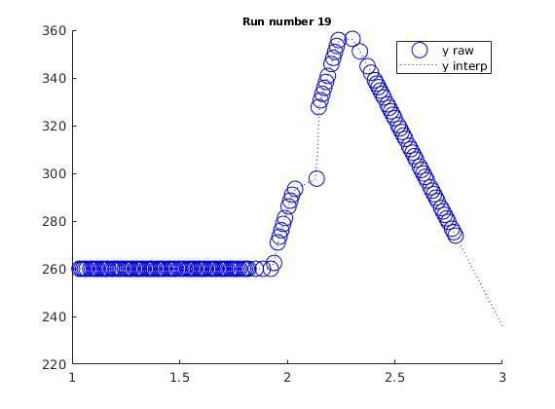
All Data from 5001.csv
Here we plot X and Y position of the agent during the block test. In the first graph the position is plotted against array index (current method) and in the second graph the position is plotted against game time.
Game time is irregular due to task scheduling and therefore using index is inadvisable.

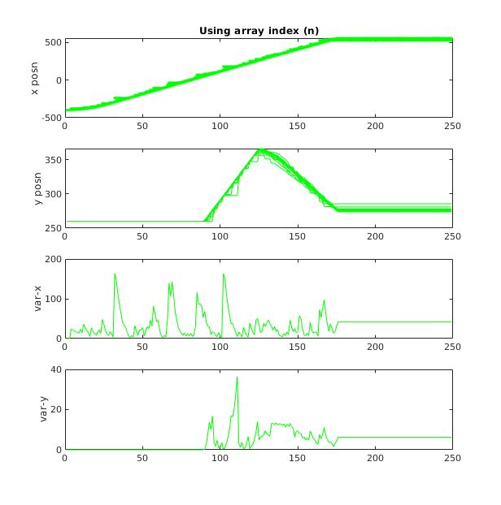
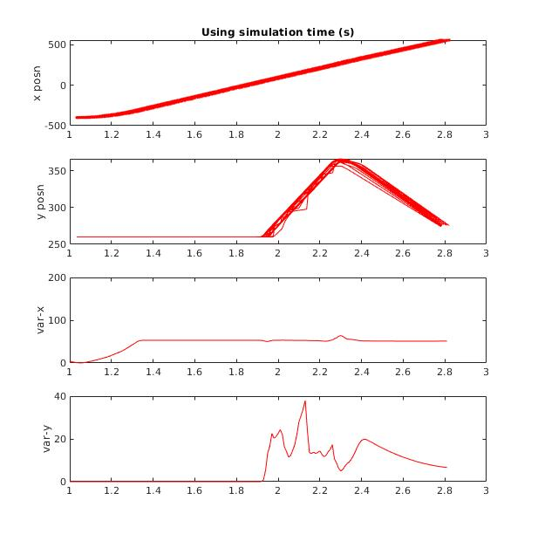

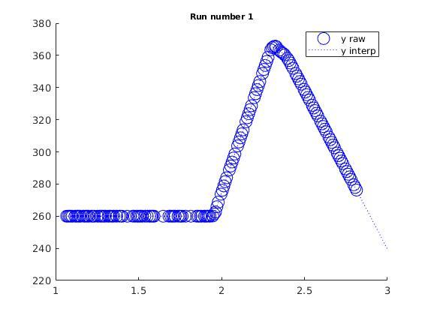
It is also eveident the need to interpolate, large gaps in the data could also be an issue in further simulations

Carla_Tests
 |  |  |  |  |  |  | No Stress |  | 25% Combined Stress |  | 50% Combined Stress |  | 75% Combined Stress |  | 95% Combined Stress
Test_Name | Repeats | Look distance/m | Test description (all explicit trajectories) | State | Notes | ID | Variance | mean(S) (m) | Variance | mean(S) (m) | Variance | mean(S) (m) | Variance | mean(S) (m) | Variance | mean(S) (m)
Test_Cars | 1000 | 2 | Two cars, no collsion | DONE |  | 1 | 1.41E-25 | 3.76E-13 | 1.79E-27 | 4.23E-14 | 1.10E-05 | 0.0033 | 8.18E-07 | 9.04E-04 | 1.42E-04 | 0.0119
Test_CarsCollision | 1000 | 2 | Two cars with collision | DONE | _C (for CPU) _G (for GPU) _CG | 2 | 1.36E-05 | 3.70E-03 | 1.31E-05 | 0.0036 | 1.32E-05 | 0.0036 | 1.98E-01 | 0.4447 | 8.40E-01 | 0.9165
Test_CarsPeople | 1000 | 2 | Two Cars and a walker, no collsion | DONE |  | 3 | 9.47E-11 | 9.73E-06 | 1.31E-27 | 3.63E-14 | 1.31E-27 | 3.63E-14 | 6.78E-09 | 8.23E-05 | 2.31E-04 | 0.0152
Test_People | 1000 | 2 | Two walkers with not path intersecion | DONE |  | 4 | 2.07E-26 | 1.44E-13 | 2.91E-28 | 1.71E-14 | 2.91E-28 | 1.71E-14 | 2.91E-28 | 1.71E-14 | 2.91E-28 | 1.71E-14
Test_PeopleCollision_000 | 1000 | <0.4 | Two walkers with path intersection | DONE | gets stuck at intersection | 5
Test_PeopleCollision_L4_CG | 1000 | 0.4 | Two walkers with path intersection | DONE |  | 6 | 3.56E-26 | 1.89E-13 | 5.67E-28 | 2.38E-14 | 5.67E-28 | 2.38E-14 | 5.67E-28 | 2.38E-14 | 5.67E-28 | 2.38E-14
Test_PeopleCollision_L20_CG | 1000 | 2 | Two walkers with path intersection | DONE |  | 7 | 3.59E-26 | 1.89E-13 | 5.67E-28 | 2.38E-14 | 5.67E-28 | 2.38E-14 | 5.67E-28 | 2.38E-14 | 5.67E-28 | 2.38E-14
Test_PeopleCollision_L200_CG | 1000 | 20 | Two walkers with path intersection | DONE |  | 8 | 4.26E-26 | 2.06E-13 | 5.67E-28 | 2.38E-14 | 5.67E-28 | 2.38E-14 | 5.67E-28 | 2.38E-14 | 5.67E-28 | 2.38E-14
Test_CarsPeopleCollision | 1000 | 2 | Two Cars and a walker, collsion |  | car hits ped | 9 | 7.86E-02 | 2.80E-01 | 6.92E-02 | 2.63E-01 | 5.60E-03 | 7.51E-02 | 4.30E-03 | 6.55E-02 | 1.39E-01 | 0.373

NOTE: |  |  | 25% stress
Filename convention suffix |  |  | CPU = 8 threads |  |  |  | Stress Level | 0 | 25 | 50 | 75 | 95 |  |  |  | 0 | 25 | 50 | 75 | 95
_C50 | 50% CPU |  | 25% GPU =fur test @ 600*500 |  |  |  | Cars Only | 3.76E-13 | 4.23E-14 | 0.0033 | 9.04E-04 | 0.0119 |  |  | Cars Only | -12.42 | -13.37 | -2.48 | -3.04 | -1.92
_G50 | 50% GPU stress |  |  |  |  |  | Cars + Collision | 3.70E-03 | 0.0036 | 0.0036 | 0.4447 | 0.9165 |  |  | Cars + Collision | -2.43 | -2.44 | -2.44 | -0.35 | -0.04
_CG50 | 50% combined stress |  | 50% stress |  |  |  | Cars + People | 9.73E-06 | 3.63E-14 | 3.63E-14 | 8.23E-05 | 0.0152 |  |  | Cars + People | -5.01 | -13.44 | -13.44 | -4.08 | -1.82
 |  |  | CPU = 16 threads |  |  |  | People Only | 1.44E-13 | 1.71E-14 | 1.71E-14 | 1.71E-14 | 1.71E-14 |  |  | People Only | -12.84 | -13.77 | -13.77 | -13.77 | -13.77
 |  |  | GPU 1=fur test @ 1200x1000 pixels |  |  |  | Test_PeopleCollision_L4 | 1.89E-13 | 2.38E-14 | 2.38E-14 | 2.38E-14 | 2.38E-14 |  |  | Test_PeopleCollision_L4 | -12.72 | -13.62 | -13.62 | -13.62 | -13.62
 |  |  |  |  |  |  | Test_PeopleCollision_L20 | 1.89E-13 | 2.38E-14 | 2.38E-14 | 2.38E-14 | 2.38E-14 |  |  | Test_PeopleCollision_L20 | -12.72 | -13.62 | -13.62 | -13.62 | -13.62
 |  |  | 75% stress |  |  |  | Test_PeopleCollision_L200 | 2.06E-13 | 2.38E-14 | 2.38E-14 | 2.38E-14 | 2.38E-14 |  |  | Test_PeopleCollision_L200 | -12.69 | -13.62 | -13.62 | -13.62 | -13.62
 |  |  | CPU = 24 threads |  |  |  | Test_CarsPeopleCollision | 2.80E-01 | 2.80E-01 | 2.80E-01 | 2.80E-01 | 2.80E-01 |  |  | Test_CarsPeopleCollision_L20 | -0.55 | -0.55 | -0.55 | -0.55 | -0.55
 |  |  | GPU 2x fur test @ 1200x1000 pixels

 |  |  | 95% stress
 |  |  | CPU = 32/32 threads
 |  |  | GPU 4x fur test @ 1200x1000 pixels

mean(S) for CPU/GPU Utilisation
 | Cars Only | Cars + Collision | Cars + People | People Only | Test_PeopleCollision_L4 | Test_PeopleCollision_L20 | Test_PeopleCollision_L200 | Test_CarsPeopleCollision
0 | 3.76E-13 | 0.0037 | 9.73E-06 | 1.44E-13 | 1.89E-13 | 1.89E-13 | 2.06E-13 | 2.80E-01
25 | 4.23E-14 | 0.0036 | 3.63E-14 | 1.71E-14 | 2.38E-14 | 2.38E-14 | 2.38E-14 | 2.80E-01
50 | 3.30E-03 | 0.0036 | 3.63E-14 | 1.71E-14 | 2.38E-14 | 2.38E-14 | 2.38E-14 | 2.80E-01
75 | 9.04E-04 | 0.4447 | 8.23E-05 | 1.71E-14 | 2.38E-14 | 2.38E-14 | 2.38E-14 | 2.80E-01
95 | 1.19E-02 | 0.9165 | 1.52E-02 | 1.71E-14 | 2.38E-14 | 2.38E-14 | 2.38E-14 | 2.80E-01
mean(S) for CPU/GPU Utilisation

 |  | Stress | mean(S)
 |  | CG25
 |  | CG50 | 0.0036
 |  | CG75 | 0.4447
 |  | CG95 | 0.9165

PreAndPostCollision
Cars Collsion
Stress | 0 | 25 | 50 | 75 | 95
Average Pre Collsion Deviation /m | 1.7687E-06 | 1.7767E-06 | 1.7767E-06 | 0.0051 | 0.015 | pre-collision
Average Post Collsion Deviation /m | 0.0038 | 0.0037 | 0.0037 | 0.0912 | 0.1885 | with 75% restriction | 50%
Max Pre Collsion Deviation /m | 1.53E-12 | 1.43E-13 | 1.43E-13 | 0.009843605318 | 0.027598892892 | 9.84E-03 | 1.53E-12
Max Post Collsion Deviation /m | 0.013557617785 | 0.013568010506 | 0.013568010506 | 0.15923125772 | 0.31316376392

Cars People Collsion (average obtained for agents involved in crash only)
Stress | 0 | 25 | 50 | 75 | 95
Average Pre Collsion Deviation /m | 6.9701E-14 | 6.9027E-15 | 6.9027E-15 | 6.9027E-15 | 0.0047
Average Post Collsion Deviation /m | 0.0957 | 0.0826 | 0.0639 | 0.0559 | 0.1232
Max Pre Collsion Deviation /m | 1.46E-12 | 1.43E-13 | 1.43E-13 | 1.43E-13 | 0.029329329961 | 1.46E-12 | 1.46E-12
Max Post Collsion Deviation /m | 0.42974043258 | 0.4206044322 | 0.3143202785 | 0.27475022707 | 0.58985560945

CarsPeopleCollsion
CarsCollision

NICE
n =100
 | NICE = 0 | NICE = -20 | NICE = 19
0 | 1.26E-01 | 2.33E-02 | 0.020104353395
25 | 2.01E-02 | 2.57E-02
50 | 2.01E-02 | 2.01E-02
75 | 1.01E-01 | 2.32E-02
95 | 4.02E-01 | 3.67E-01 | 0.077553734398
Cars Collsion (n = 100 runs)
Stress |  | 0 | 0 | 25 | 25 | 50 | 50 | 75 | 75 | 95 | 95 | Note: ignore the pre collsion data since I am cutting the using the index found emprically by eye to cut between the pre and post. So if the run takes longer this might shift.
pre/post collision | NICE value | pre | post | pre | post | pre | post | pre | post | pre | post
Max deviation (with NICE priority = 19) (least priority) | 19 | 5.09E-05 | 2.01E-02 |  |  |  |  |  |  | 5.52E-03 | 7.76E-02
Max deviation (with NICE priority = 0) (normal) | 0 | 6.18E-03 | 1.26E-01 | 4.93E-05 | 2.01E-02 | 0.00E+00 | 2.01E-02 | 1.16E-03 | 1.01E-01 | 8.09E-03 | 4.02E-01
Max deviation (with NICE priority = -5) | -5
Max deviation (with NICE priority = -10) | -10
Max deviation (with NICE priority = -15) | -15
Max deviation (with NICE priority = -20) (full) | -20 | 2.18E-04 | 2.33E-02 | 2.04E-04 | 2.57E-02 | 0.00E+00 | 2.01E-02 | 2.25E-04 | 2.32E-02 | 6.55E-03 | 3.67E-01

Cars Collsion (n = 1000 runs)
Stress |  | 0 | 0 | 25 | 25 | 50 | 50 | 75 | 75 | 95 | 95
pre/post collision | NICE value | pre | post | pre | post | pre | post | pre | post | pre | post
Max deviation (with NICE priority = 19) (least priority) | 19 | 1.84E-03 | 1.13E-01 |  |  |  |  |  | 2.30E-01
Max deviation (with NICE priority = 0) (normal) | 0 | 1.54E-03 | 2.93E-02 |  |  |  |  | 9.66E-03 | 2.56E-01
Max deviation (with NICE priority = -15) | -5
Max deviation (with NICE priority = -10) | -10
n=100
 | Stress = 0 | Stress = 25 | Stress = 50 | Stress =75 | Stress = 95
-20 | 2.33E-02 | 2.57E-02 | 2.01E-02 | 2.32E-02 | 3.67E-01
0 | 1.26E-01 | 2.01E-02 | 2.01E-02 | 1.01E-01 | 4.02E-01
19 | 2.01E-02 |  |  |  | 7.76E-02
Max deviation (with NICE priority = -5) | -15
Max deviation (with NICE priority = -20) (full) | -20 | 1.17E-05 | 2.02E-02 |  |  |  |  |  | 3.70E-02

Stress | NICE = 0 | NICE = -20 | NICE = 19
0 | 1.26E-01 | 2.33E-02 | 2.01E-02
25 | 2.01E-02 | 2.57E-02
50 | 2.01E-02 | 2.01E-02
75 | 1.01E-01 | 2.32E-02
95 | 4.02E-01 | 3.67E-01 | 7.76E-02

Nice value for 100 runs | Stress = 0 | Stress = 25 | Stress = 50 | Stress =75 | Stress = 95
-20 | 2.33E-02 | 2.57E-02 | 2.01E-02 | 2.32E-02 | 3.67E-01
0 | 1.26E-01 | 2.01E-02 | 2.01E-02 | 1.01E-01 | 4.02E-01
19 | 2.01E-02 |  |  |  | 7.76E-02

Nice value for 1000 runs | Stress = 0 | Stress = 25 | Stress = 50 | Stress =75 | Stress = 95 | cm-level
-20 | 2.02E-02 |  |  | 3.70E-02 |  | 1.00E-02
0 | 2.93E-02 |  |  | 2.56E-01 |  | 1.00E-02
19 | 1.13E-01 |  |  | 2.30E-01 |  | 1.00E-02

n=1000
 | Stress = 0 | Stress = 25 | Stress = 50 | Stress =75 | Stress = 95 | cm-level
-20 | 2.02E-02 |  |  | 3.70E-02 |  | 1.00E-02
0 | 2.93E-02 |  |  | 2.56E-01 |  | 1.00E-02
19 | 1.13E-01 |  |  | 2.30E-01 |  | 1.00E-02
 |  |  |  |  |  |  | ee

