#备注
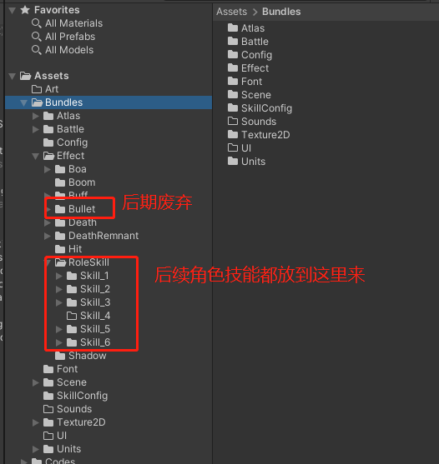
30
30
30
30
30
100
65
20
20
80
28
80
28
80
50
50
50
50
50
50
65
65
100
100
100
80
100
100
50
100
100
100
100
100
100
140
65
50
140
100
180
35
35
60
195
30
80
30
80
100
100
170
170
170
170
170
140
100
100
100
100
100
80
120
20
35
40
41
36
17
16
10
120

