test (2)
Column1 | Column2
-3.2371887081 | 0
-3.1333498157 | 1.2455722377
-3.0554706464 | 0.91674907849
-2.6240447721 | 2.063427133
-2.4583970152 | 2.0624381911
-1.5374449339 | 2.7136563877
-1.4546210555 | 2.7131619167
-0.28519733885 | 3.3628967005
0.79522161287 | 3.6027150948
3.2082396835 | 4.327114987
4.5396026252 | 4.7296143127
6.2022610806 | 5.1301357547
8.4496313944 | 5.8555245887
8.4496313944 | 5.8555245887
10.610469298 | 6.3351613773
12.442484042 | 6.9809403938
12.442484042 | 6.9809403938
14.187966376 | 7.3809673649
15.76903713 | 7.86406545
16.351276634 | 8.0247684977
17.432931763 | 8.3466690641
19.178414097 | 8.7466960352
19.344061854 | 8.7457070934
21.167423357 | 8.8169109053
21.498718871 | 8.8149330217
23.072372561 | 8.8055380743
23.652139711 | 8.8020767778
24.314730738 | 8.7981210105
25.882203542 | 8.3783152027
26.952733076 | 7.9614762204
27.940438731 | 7.5451317091
30.41773802 | 7.0378045491
30.667445833 | 7.1184033085
31.987683179 | 6.7821630855
32.154567113 | 6.8632563157
33.393216758 | 6.6095927358
35.211633552 | 6.3524678594
36.12022386 | 6.1828643352
36.863166412 | 6.0142497528
38.351523869 | 5.8411849321
39.094466421 | 5.6725703497
39.590173514 | 5.5875213522
40.417176122 | 5.5004944709
40.5 | 5.5

Analysis1
Analysis Sheet
This sheet will include all Python code generated by Copilot.

Load data from test (2), test__2

Preview
 | Column1 | Column2
0 | -3.2371887081 | 0
1 | -3.1333498157 | 1.2455722377
2 | -3.0554706464 | 0.91674907849
3 | -2.6240447721 | 2.063427133
4 | -2.4583970152 | 2.0624381911
... | ... | ...
39 | 38.351523869 | 5.8411849321
40 | 39.094466421 | 5.6725703497
41 | 39.590173514 | 5.5875213522
42 | 40.417176122 | 5.5004944709
43 | 40.5 | 5.5

Smoothing Spline Interpolation

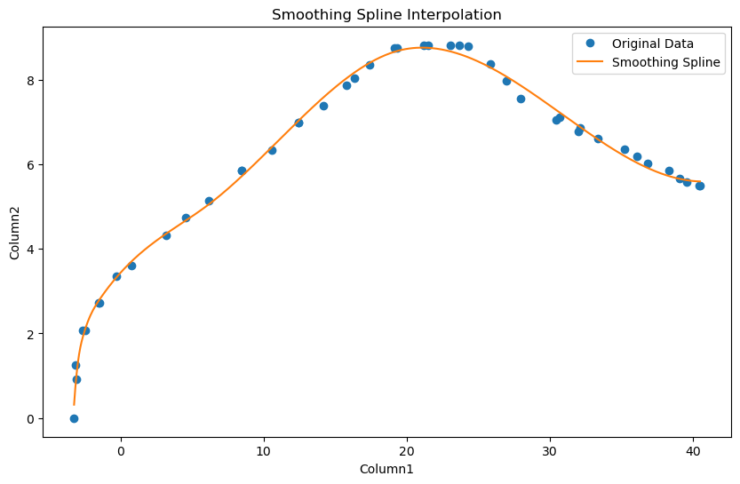

Generate interpolated data on 100 points
 | [(-3.2371887080823534, 0.315731696867905), (-2.7953989231522285, 1.6780022892679718), (-2.3536091382221036, 2.209602985191181), (-1.911819353291979, 2.5517917846892266), (-1.470029568361854, 2.795179273579323), (-1.0282397834317294, 3.0058215664572447)... |  |  | [(-3.2371887080823534, 0.315731696867905), (-2.7953989231522285, 1.6780022892679718), (-2.3536091382221036, 2.209602985191181), (-1.911819353291979, 2.5517917846892266), (-1.470029568361854, 2.795179273579323), (-1.0282397834317294, 3.0058215664572447)...

Preview
-3.2371887081 | 0.31573169687 |  |  |  | list | <class 'list'> | [(-3.2371887080823534, 0.315731696867905), (-2.7953989231522285, 1.6780022892679718), (-2.3536091382221036, 2.209602985191181), (-1.911819353291979, 2.5517917846892266), (-1.470029568361854, 2.795179273579323), (-1.0282397834317294, 3.0058215664572447)... | -3.2371887081 | 0.31573169687
-2.7953989232 | 1.6780022893 |  |  |  |  |  |  | -2.7953989232 | 1.6780022893
-2.3536091382 | 2.2096029852 |  |  |  |  |  |  | -2.3536091382 | 2.2096029852
-1.9118193533 | 2.5517917847 |  |  |  |  |  |  | -1.9118193533 | 2.5517917847
-1.4700295684 | 2.7951792736 |  |  |  |  |  |  | -1.4700295684 | 2.7951792736
... | ... |  |  |  |  |  |  | ... | ...
38.73284086 | 5.6814928752 |  |  |  |  |  |  | 38.73284086 | 5.6814928752
39.174630645 | 5.6467654246 |  |  |  |  |  |  | 39.174630645 | 5.6467654246
39.61642043 | 5.6201645934 |  |  |  |  |  |  | 39.61642043 | 5.6201645934
40.058210215 | 5.6021240668 |  |  |  |  |  |  | 40.058210215 | 5.6021240668
40.5 | 5.5930775301 |  |  |  |  |  |  | 40.5 | 5.5930775301

Generate interpolated data in two separate lists for x and y values
 | ([-3.2371887080823534, -2.7953989231522285, -2.3536091382221036, -1.911819353291979, -1.470029568361854, -1.0282397834317294, -0.5864499985016045, -0.14466021357147962, 0.29712957135864526, 0.7389193562887701, 1.1807091412188946, 1.62249892614902, 2.06...

Preview
-3.2371887081 | -2.7953989232 | -2.3536091382 | -1.9118193533 | -1.4700295684 | ... | 38.73284086 | 39.174630645 | 39.61642043 | 40.058210215 | 40.5
0.31573169687 | 1.6780022893 | 2.2096029852 | 2.5517917847 | 2.7951792736 | ... | 5.6814928752 | 5.6467654246 | 5.6201645934 | 5.6021240668 | 5.5930775301

