Terms and conditions
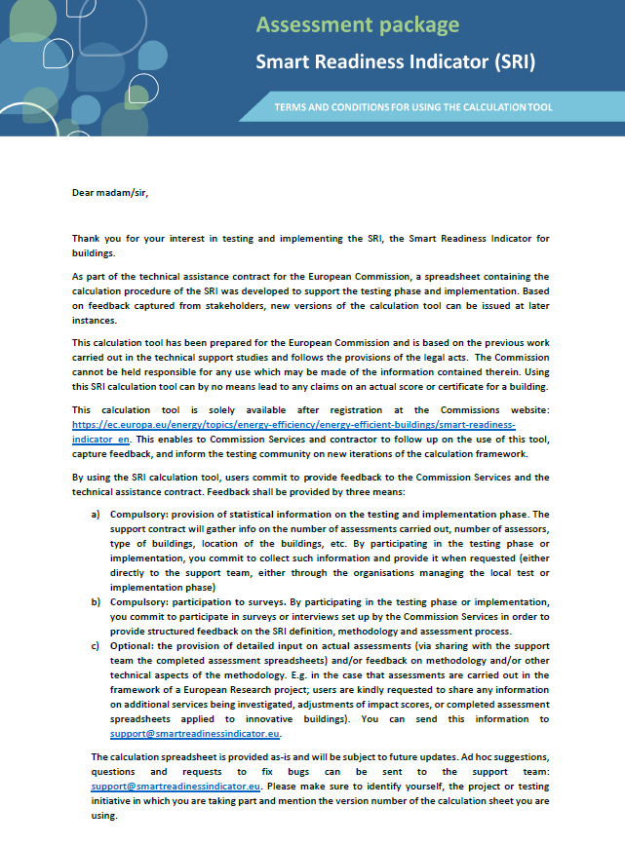

Results
Smart Readiness Indicator for Buildings

The SRI calculations have been performed with an experimental tool. Please note that the scores and the visual presentation of results are solely provided for testing purposes. Using this experimental tool can by no means lead to any claims on an actual score or certificate for a building.
SRI spreadsheet tool Version 4.5

TOTAL SRI SCORE |  | 43.3% |  |  | SRI CLASS | Between 35% and 50%

Energy efficiency |  |  | 55.3% |  |  | 55.3%
Energy flexibility and storage |  |  | 25.4% |  |  | 25.4%
Comfort |  |  | 74.8% |  |  | 74.8%
Convenience |  |  | 52.1% |  |  | 52.1%
Health, well-being and accessibility |  |  | 62.5% |  |  | 62.5%
Maintenance and fault prediction |  |  | 42.3% |  |  | 42.3%
Information to occupants |  |  | 33.3% |  |  | 33.3%
IMPACT SCORES

Energy efficiency |  | 55.3%
Energy flexibility and storage |  | 25.4%
Comfort |  | 74.8%
Convenience |  | 52.1%
Health, well-being and accessibility |  | 62.5%
Maintenance and fault prediction |  | 42.3%
Information to occupants |  | 33.3%

Heating |  |  |  |  | 42.5%
Domestic hot water |  |  |  |  | 66.7%
Cooling |  |  |  |  | 0.0%
Ventilation |  |  |  |  | 66.2%
Lighting |  |  |  |  | 100.0%
Dynamic building envelope |  |  |  |  | 54.8%
Electricity |  |  |  |  | 38.9%
Electric vehicle charging |  |  |  |  | 0.0%
Monitoring and control |  |  |  |  | 27.2%
 |  |  |  |  |  |  |  |  |  | BEWARE range for domains to be updated manually if services are added or removed!
DOMAIN SCORES |  |  |  |  |  |  |  |  |  | Energy efficiency | Energy flexibility and storage | Comfort | Convenience | Health, well-being and accessibility | Maintenance and fault prediction | Information to occupants
 |  |  |  |  |  |  |  |  |  | 17% | 33% | 8% | 8% | 8% | 17% | 8%
Heating |  | 42.5% |  |  |  |  |  |  | Heating | 57% | 13% | 63% | 50% | 67% | 50% | 67% | 43%
Domestic hot water |  | 66.7% |  |  |  |  |  |  | Domestic hot water | 100% | 67% | #DIV/0! | 67% | #DIV/0! | 50% | 33% | 67%
Cooling |  | 0.0% |  |  |  |  |  |  | Cooling | #DIV/0! | #DIV/0! | #DIV/0! | #DIV/0! | #DIV/0! | #DIV/0! | #DIV/0! | 0%
Ventilation |  | 66.2% |  |  |  |  |  |  | Ventilation | 73% | #DIV/0! | 88% | 86% | 78% | 50% | 33% | 66%
Lighting |  | 100.0% |  |  |  |  |  |  | Lighting | 100% | #DIV/0! | 100% | 100% | 100% | #DIV/0! | #DIV/0! | 100%
Dynamic building envelope |  | 54.8% |  |  |  |  |  |  | Dynamic building envelope | 100% | #DIV/0! | 80% | 83% | 75% | 0% | 0% | 55%
Electricity |  | 38.9% |  |  |  |  |  |  | Electricity | 20% | 56% | #DIV/0! | 60% | #DIV/0! | 17% | 33% | 39%
Electric vehicle charging |  | 0.0% |  |  |  |  |  |  | Electric vehicle charging | #DIV/0! | #DIV/0! | #DIV/0! | #DIV/0! | #DIV/0! | #DIV/0! | #DIV/0! | 0%
Monitoring and control |  | 27.2% |  |  |  |  |  |  | Monitoring and control | 25% | 22% | 33% | 29% | 0% | 45% | 33% | 27%

DETAILED SCORES |  |  |  |  |  |  |  | valid? | Heating | 1 | 1 | 1 | 1 | 1 | 1 | 1
 | Energy efficiency | Energy flexibility and storage | Comfort | Convenience | Health, well-being and accessibility | Maintenance and fault prediction | Information to occupants |  | Domestic hot water | 1 | 1 | 0 | 1 | 0 | 1 | 1
Heating | 57.1% | 12.5% | 62.5% | 50.0% | 66.7% | 50.0% | 66.7% |  | Cooling | 0 | 0 | 0 | 0 | 0 | 0 | 0
Domestic hot water | 100.0% | 66.7% | 0.0% | 66.7% | 0.0% | 50.0% | 33.3% |  | Ventilation | 1 | 0 | 1 | 1 | 1 | 1 | 1
Cooling | 0.0% | 0.0% | 0.0% | 0.0% | 0.0% | 0.0% | 0.0% |  | Lighting | 1 | 0 | 1 | 1 | 1 | 0 | 0
Ventilation | 72.7% | 0.0% | 87.5% | 85.7% | 77.8% | 50.0% | 33.3% |  | Dynamic building envelope | 1 | 0 | 1 | 1 | 1 | 1 | 1
Lighting | 100.0% | 0.0% | 100.0% | 100.0% | 100.0% | 0.0% | 0.0% |  | Electricity | 1 | 1 | 0 | 1 | 0 | 1 | 1
Dynamic building envelope | 100.0% | 0.0% | 80.0% | 83.3% | 75.0% | 0.0% | 0.0% |  | Electric vehicle charging | 0 | 0 | 0 | 0 | 0 | 0 | 0
Electricity | 20.0% | 55.6% | 0.0% | 60.0% | 0.0% | 16.7% | 33.3% |  | Monitoring and control | 1 | 1 | 1 | 1 | 1 | 1 | 1
Electric vehicle charging | 0.0% | 0.0% | 0.0% | 0.0% | 0.0% | 0.0% | 0.0%
Monitoring and control | 25.0% | 22.2% | 33.3% | 29.4% | 0.0% | 45.5% | 33.3%
 |  |  |  |  |  |  |  | score if valid | Heating | 57% | 13% | 63% | 50% | 67% | 50% | 67%
 |  |  |  |  |  |  |  |  | Domestic hot water | 100% | 67% | 0% | 67% | 0% | 50% | 33%
 |  |  |  |  |  |  |  |  | Cooling | 0% | 0% | 0% | 0% | 0% | 0% | 0%
AGGREGATED SCORES |  |  |  |  |  |  |  |  | Ventilation | 73% | 0% | 88% | 86% | 78% | 50% | 33%
Key functionality 1 - building | 48.8% |  |  |  |  |  |  |  | Lighting | 100% | 0% | 100% | 100% | 100% | 0% | 0%
Key functionality 2 - user | 55.7% |  |  |  |  |  |  |  | Dynamic building envelope | 100% | 0% | 80% | 83% | 75% | 0% | 0%
Key functionality 3 - grid | 25.4% |  |  |  |  |  |  |  | Electricity | 20% | 56% | 0% | 60% | 0% | 17% | 33%
 |  |  |  |  |  |  |  |  | Electric vehicle charging | 0% | 0% | 0% | 0% | 0% | 0% | 0%
 |  |  |  |  |  |  |  |  | Monitoring and control | 25% | 22% | 33% | 29% | 0% | 45% | 33%
 |  |  |  |  |  |  |  |  | 0 | 0% | 0% | 0% | 0% | 0% | 0% | 0%

 |  |  |  |  |  |  |  | weighting if valid | Heating | 17% | 33% | 8% | 8% | 8% | 17% | 8%
 |  |  |  |  |  |  |  |  | Domestic hot water | 17% | 33% | 0% | 8% | 0% | 17% | 8%
 |  |  |  |  |  |  |  |  | Cooling | 0% | 0% | 0% | 0% | 0% | 0% | 0%
 |  |  |  |  |  |  |  |  | Ventilation | 17% | 0% | 8% | 8% | 8% | 17% | 8%
 |  |  |  |  |  |  |  |  | Lighting | 17% | 0% | 8% | 8% | 8% | 0% | 0%
 |  |  |  |  |  |  |  |  | Dynamic building envelope | 17% | 0% | 8% | 8% | 8% | 17% | 8%
 |  |  |  |  |  |  |  |  | Electricity | 17% | 33% | 0% | 8% | 0% | 17% | 8%
 |  |  |  |  |  |  |  |  | Electric vehicle charging | 0% | 0% | 0% | 0% | 0% | 0% | 0%
 |  |  |  |  |  |  |  |  | Monitoring and control | 17% | 33% | 8% | 8% | 8% | 17% | 8%

