Blad1
% Partial engine load | Nox <= CCR-1 | Nox CCR-2 / Stage IIIa | Nox IWP/IWA-v/c-3 | Nox IWP/IWA-v/c-4 | CO2 | PM10 | renewable energy sources in PEMFC Fuel cell engine | renewable energy sources in SOFC Fuel cell engine
5% | 1.83 | 2.02 | 3.99 | 4.79 | 1.25 | 2.44 | 1.67 | 1.43
10% | 1.34 | 1.42 | 2.63 | 3.07 | 1.21 | 1.63 | 1.67 | 1.43
15% | 1.17 | 1.27 | 2.12 | 2.42 | 1.18 | 1.32 | 1.00 | 1.06
20% | 1.10 | 1.19 | 1.85 | 2.08 | 1.15 | 1.19 | 1.00 | 1.06
25% | 1.06 | 1.15 | 1.69 | 1.88 | 1.13 | 1.12 | 1.00 | 1.06
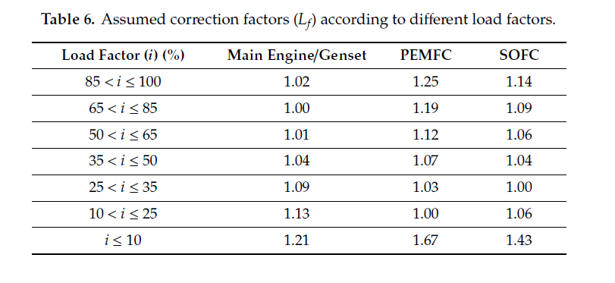
30% | 1.04 | 1.13 | 1.58 | 1.73 | 1.11 | 1.08 | 1.03 | 1.00
35% | 1.03 | 1.11 | 1.50 | 1.63 | 1.09 | 1.05 | 1.03 | 1.00
40% | 1.02 | 1.09 | 1.44 | 1.56 | 1.07 | 1.03 | 1.07 | 1.04
45% | 1.01 | 1.08 | 1.39 | 1.50 | 1.05 | 1.01 | 1.07 | 1.04
50% | 1.00 | 1.07 | 1.35 | 1.45 | 1.04 | 1.01 | 1.07 | 1.04
55% | 1.00 | 1.07 | 1.32 | 1.41 | 1.03 | 1.00 | 1.12 | 1.06
60% | 0.99 | 1.06 | 1.29 | 1.37 | 1.02 | 1.00 | 1.12 | 1.06
65% | 0.99 | 1.06 | 1.27 | 1.35 | 1.01 | 0.99 | 1.12 | 1.06
70% | 0.98 | 1.05 | 1.25 | 1.32 | 1.01 | 0.99 | 1.19 | 1.09
75% | 0.98 | 1.05 | 1.24 | 1.30 | 1.00 | 0.98 | 1.19 | 1.09
80% | 0.97 | 1.05 | 1.22 | 1.28 | 1.00 | 0.98 | 1.19 | 1.09
85% | 0.97 | 1.04 | 1.21 | 1.27 | 1.00 | 0.97 | 1.19 | 1.09
90% | 0.97 | 1.04 | 1.20 | 1.25 | 1.01 | 0.97 | 1.25 | 1.14
95% | 0.97 | 1.04 | 1.19 | 1.24 | 1.02 | 0.97 | 1.25 | 1.14
100% | 0.97 | 1.04 | 1.18 | 1.23 | 1.02 | 0.97 | 1.25 | 1.14

