Blad1
% Partial engine load | CO2 | PM10 | renewable energy sources in PEMFC Fuel cell engine | renewable energy sources in SOFC Fuel cell engine
5% | 1.25 | 2.44 | 1.67 | 1.43
10% | 1.21 | 1.63 | 1.67 | 1.43
15% | 1.18 | 1.32 | 1.00 | 1.06
20% | 1.15 | 1.19 | 1.00 | 1.06
25% | 1.13 | 1.12 | 1.00 | 1.06
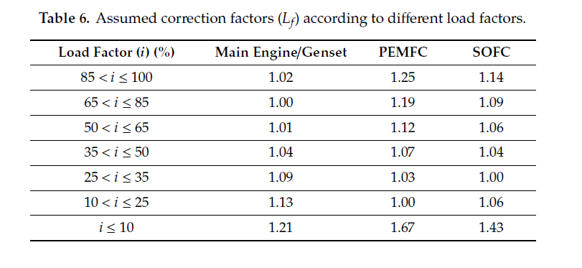
30% | 1.11 | 1.08 | 1.03 | 1.00
35% | 1.09 | 1.05 | 1.03 | 1.00
40% | 1.07 | 1.03 | 1.07 | 1.04
45% | 1.05 | 1.01 | 1.07 | 1.04
50% | 1.04 | 1.01 | 1.07 | 1.04
55% | 1.03 | 1.00 | 1.12 | 1.06
60% | 1.02 | 1.00 | 1.12 | 1.06
65% | 1.01 | 0.99 | 1.12 | 1.06
70% | 1.01 | 0.99 | 1.19 | 1.09
75% | 1.00 | 0.98 | 1.19 | 1.09
80% | 1.00 | 0.98 | 1.19 | 1.09
85% | 1.00 | 0.97 | 1.19 | 1.09
90% | 1.01 | 0.97 | 1.25 | 1.14
95% | 1.02 | 0.97 | 1.25 | 1.14
100% | 1.02 | 0.97 | 1.25 | 1.14

