README
README: Questionnaire for adding experiments to the CaRMeN database

This Excel sheet is meant to serve as an easy way to relay data about your experiment, so that it may be added to the CaRMeN database.
It will ask of you all information that is necessary for simulation with DETCHEM.
This is how you complete it:

1. User questionnaire

At the top of the user questionnaire, there are a number of cells reserved for information about yourself and the source of the data. Please fill this out completely to enable us to get a tidy overview over the database of collected experiments.
Most fields are explained in more detail in comments indicated by a red triangle in the upper right corner of the cell with the parameter name (not the entry cell). Hover over the cell to read more about what is desired in the respective field.
Below the general data, you may enter the parameters of your reactor setup. It is divided into 6 sections, each containing a number of parameters.
Figure 1: One parameter section in the questionnaire. The parameters are to be entered in column E.

Column A shows if the section (e.g. CATALYST) has been completely and correctly filled in by turning green. This may change after other sections are filled out.
Column B shows the name of the group.
Column C lists the experimental parameters. Hover over each cell to get more detailed info about it.
Column D shows a * if the parameter is required for simulations. These might change depending on your inputs.
Column E is where you enter values for each parameter. The cell is marked grey with a suitable input and red if there is a problem.
Column G lists the units for the values. If the cells have borders, you may change the unit to any unit, the required dimensions and examples are indicated by comments. If the cells have no borders, the units must not be changed.
Columns I and J are used to provide feedback if any data is not of the correct data type or contradicts another entry.

After you've filled out the parameters, check if all sections and the large cells at the bottom of the questionnaire are marked green.
This indicates that everything has been filled out correctly and simulations using CaRMeN and DETCHEM are possible.

2. Experimental data
Afterwards, you may provide us with your experimental results. You can paste these into the sheet called "experimental data".
Do not change anything in column A, it is used for calculations.
It is important that the column with the independent variable is in column B. In the case of an end-of-pipe experiment, this is the wall/oven temperature in K. In the case of a spatially resolved/"spaci" experiment, this is the axial coordinate in m.
In columns C onwards you may enter your experimental data in the form of mole fractions. The column headers must be the chemical formulas of the species. The order of the species is not relevant.
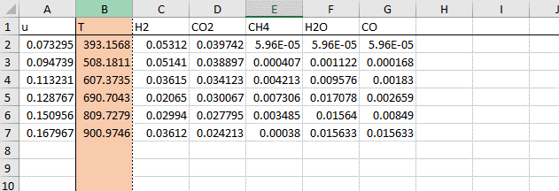
Figure 2: The experimental data sheet. The column for the independent variable (B) is highlighted in orange.

3. User feedback
If you encounter any problems or have suggestions to improve the questionnaire, please note any comments in the "User feedback" sheet.

4. FAQ
Q: What requirements are there for experiments to be added to the database and be modeled?
A: There are no specific requirements for your experiments to be added to the database. You may even provide data for published experimental studies that are of interest to you. At the moment, only experiments carried out in fixed/powder bed reactors are able to be entered into this file and into the database. However, the implementation of other reactor types is planned for the near future. To enable the modeling of experiments using the DETCHEM software tool [1], there are a number of parameters that must be provided for the reactor to be recreated numerically. You may provide these data in this Excel file, along with your experimental results. If you lack some of these data, you may still enter all parameters known to you so that a database entry may be generated, but simulations will only be possible after all necessary parameters are provided.

Q: How will my experiments be simulated?
A: The experiments will be modeled using the fixed bed code DETCHEMPBR of the DETCHEM software package [1]. The simulations will be organized and governed by the experiment archival and simulation automation tool CaRMeN [2]. CaRMeN will also be used to establish the database of catalytic experiments for various reaction systems and kinetic models.

Q: Which areas are meant to be specified in the questionnaire for the varios parameters?
A: There are several relevant area parameters in catalytic reactors. A schematic explanation is shown in Figure 3. The geometric surface area is the boundary area between the fluid phase and the catalyst particles (support + metal). The BET or total area includes the surface area of pores inside the catalyst particles. In the case of non-porous particles, the BET and geometric surface area are the same. The active catalytic area is the accessible surface area of the active species (e.g. metallic) particles on which the catalytic reaction proceeds. It may be measured using chemisorption. If a single support particle was coated in a single, continuous layer of metal, the geometric, BET and active catalytic area would all be equal. In the questionnaire, the following parameters are tied to one of these measures of area: FIXED BED, surface area to volume ratio: The area specified here is the geometric area. The parameter relates the total surface area of the support particles to the reactor volume. The value will be calculated from the support particle data if not provided. SURFACE, SSA and volume-specific surface area: for these parameters, the catalytically active area is relevant. They may be measured using chemisorption and only differ in the value they are normalized to (mass or volume of the cataylst). In DETCHEM, fcat,geo is the parameter that carries the information on the number of catalytically active sites by relating the geometric and the catalytically active area. If you know this parameter, you can enter it in the questionnaire yourself. If you do not know the precise value, you may enter some form of data about the catalytic area and the support particles (in sections FIXED BED and SURFACE, repsectively) and we will calculate fcat,geo for you.
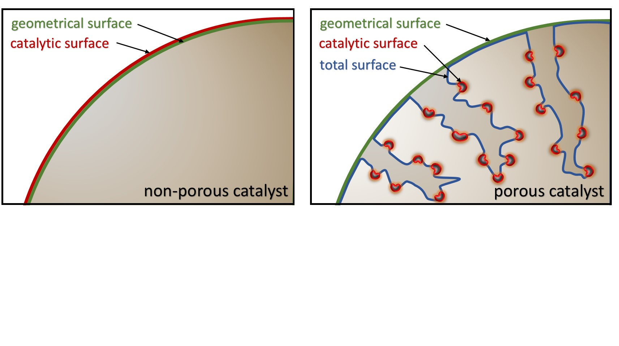
Figure 3: Schematic explanation of the different type of surface areas relevant in heterogenous catalysis.

4. References
[1] Deutschmann, O.; Tischer, S.; Correa, C.; Chatterjee, D.; Kleditzsch, S.; Janardhanan, V. M.; Mladenov, N.; Minh, H. D.; Karadeniz, H.; Hettel, M.; Gossler, H. DETCHEM Software Package v2.7 (www.detchem.com). 2018. DETCHEMPBR by Akash Shirsath.
[2] Gossler, H.; Maier, L.; Angeli, S.; Tischer, S.; Deutschmann, O. CaRMeN: An Improved Computer-Aided Method for Developing Catalytic Reaction Mechanisms. Catalysts 2019, 9 (3), 227.

