case 2
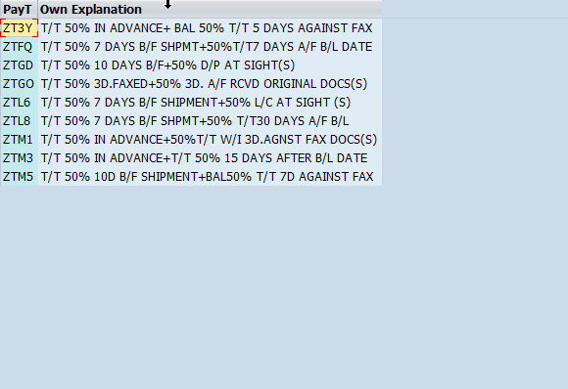
Product name/ description | Customer | RD | Costing Sheet | FOB Bangkok port/ctn (USD)
Tuna whole loin in gravy adding mackerel and shrimp |  | 02B19/08-1 | GP62575901 | $10.50
Tuna whole loin in gravy adding mackerel and squid |  | 02B19/08-2 | GP62575902 | $11.00
Chicke in gravy adding salmon and shrimp |  | 02B19/08-3 | GP62575903 | $10.50

condition:
FOB Bangkok port
T/T 50% upon PO confirmation + T/T 50% 10 days before shipment
normal label. pack 6 cans per inner x 4 inners per standard brown carton
inner box with spot UV
MOQ : Inner box 5000 pcs per item per design
order MOQ : 400 cartons per item per order
order lead time
> first order : 8 weeks after PO confirmation
> repeat order : 6 weeks after PO confirmation
validity : please confirm within 7 days after receive the quotation , for shipment within Dec'19 ETD

