Tuna in gravy
# เป็นความลับ |  |  | Product Type |  |  |  |  | RD PIC | Saowapa |  |  | RD Ref. No. | P08-62043
Customer | Choco N Coco |  |  | Destination | South Korea |  |  | Requester | K. Wasuma |  |  | Date | 2019-06-13
Product Name |  | Tuna dinner in gravy (Support for Hair ball control) |  |  |  |  |  |  |  |  |  | Sample Quantity | 10
NW (g.) | 80 |  | Actual NW (g.) | 83 | DW (g.) |  |  | Other
Packaging | Alu can 209.5/208 x 107 |  |  |  |  | Mat. Code |  |  |  |  |  | Packaging Supplier
Packing Style |  |  |  |  |  | Packing per carton |  |  |  |  |  | Scheduled Process
Refer to : |  |  |  |  |  |  |  |  |  |  | TRF No. |  | 10301900719

Ingredients |  |  |  |  | % Yield | Mat. Code | g./container | % by NW | % Portion | XX/batch | Allergen | Complied | Process flow
 |  |  |  |  |  |  |  |  |  |  |  | regulation
Flake tuna light meat 1-3 cm |  |  |  |  |  | 11M1SL004001 | 33.290 | 40.109 | 90.668 | 366.195
Sunflower oil |  |  |  |  |  | 4200001 | 2.181 | 2.628 | 5.941 | 23.994
Cellulose vitacel L600 |  |  |  |  |  | 4100114 | 1.245 | 1.500 | 3.391 | 13.695

Total |  |  |  |  |  |  | 36.717 | 44.237 | 100.000 | 403.884
Gravy portion
Water |  |  |  |  |  | D000001 | 44.001 | 53.013 | 95.068 | 484.009
Guar gum |  |  |  |  |  | 4100005 | 0.166 | 0.200 | 0.359 | 1.826
Tapfil-8 |  |  |  |  |  | 4400004 | 1.245 | 1.500 | 2.690 | 13.695
Yeast extract |  |  |  |  |  | 4100395 | 0.830 | 1.000 | 1.793 | 9.130
Taurine |  |  |  |  |  | 4100348 | 0.042 | 0.050 | 0.090 | 0.457

Total |  |  |  |  |  |  | 46.283 | 55.763 | 100.000 | 509.116
NW |  |  |  |  |  |  | 83.000 | 100.000 | 200.000 | 913.000

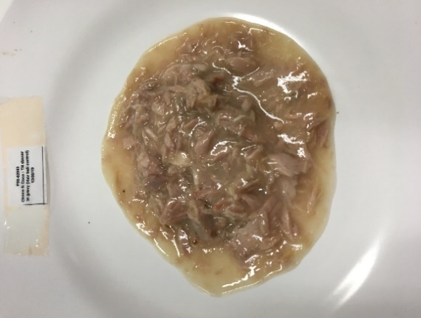
Finish Product Evaluation
1. Sensory characteristic |  |  |  |  |  |  |  | 2. Physical characteristic |  |  |  | 3. Chemical characteristic
1.1 Appearance : |  |  |  |  |  |  |  | 2.1 NW |  |  |  | 3.1 % salt
1.2 Color |  |  |  |  |  |  |  | 2.2 DW |  |  |  | 3.2 pH
1.3 Odour |  |  |  |  |  |  |  | 2.3 PW |  |  |  | 3.3 Brix
1.4 Taste |  |  |  |  |  |  |  | 2.4 % oil/brine
1.5 Texture |  |  |  |  |  |  |  | 2.5 % flake
 |  |  |  |  |  |  |  | 2.5 Viscosity

Remark :

Regulation review :
Conclusion :

 | Tested by : |  |  |  | Date |  | Regulation reviewd by : |  |  |  |  |  | Date

Formulated by : |  |  |  |  | Date |  |  | Approved by : |  |  |  |  | Date

Tuna in gravy (2)
# เป็นความลับ |  |  | Product Type |  |  |  |  | RD PIC | Saowapa |  |  | RD Ref. No. | P08-62044
Customer | Choco N Coco |  |  | Destination | South Korea |  |  | Requester | K. Wasuma |  |  | Date | 2019-06-13
Product Name |  | Tuna dinner in gravy (Support for Weight loss) |  |  |  |  |  |  |  |  |  | Sample Quantity | 10
NW (g.) | 80 |  | Actual NW (g.) | 83 | DW (g.) |  |  | Other
Packaging | Alu can 209.5/208 x 107 |  |  |  |  | Mat. Code |  |  |  |  |  | Packaging Supplier
Packing Style |  |  |  |  |  | Packing per carton |  |  |  |  |  | Scheduled Process
Refer to : |  |  |  |  |  |  |  |  |  |  | TRF No. |  | 10301900719

Ingredients |  |  |  |  | % Yield | Mat. Code | g./container | % by NW | % Portion | XX/batch | Allergen | Complied | Process flow
 |  |  |  |  |  |  |  |  |  |  |  | regulation
Flake tuna light meat 1-3 cm |  |  |  |  |  | 11M1SL004001 | 33.300 | 40.120 | 93.844 | 366.296
Sunflower oil |  |  |  |  |  | 4200001 | 2.185 | 2.632 | 6.156 | 24.030

Total |  |  |  |  |  |  | 35.484 | 42.752 | 100.000 | 390.326
Gravy portion
Water |  |  |  |  |  | D000001 | 45.192 | 54.448 | 95.109 | 497.110
L-carnitine |  |  |  |  |  | 4100944 | 0.042 | 0.050 | 0.087 | 0.457
Guar gum |  |  |  |  |  | 4100005 | 0.166 | 0.200 | 0.349 | 1.826
Tapfil-8 |  |  |  |  |  | 4400004 | 1.245 | 1.500 | 2.620 | 13.695
Yeast extract |  |  |  |  |  | 4100395 | 0.830 | 1.000 | 1.747 | 9.130
Taurine |  |  |  |  |  | 4100348 | 0.042 | 0.050 | 0.087 | 0.457

Total |  |  |  |  |  |  | 47.516 | 57.248 | 100.000 | 522.674
NW |  |  |  |  |  |  | 83.000 | 100.000 | 200.000 | 913.000

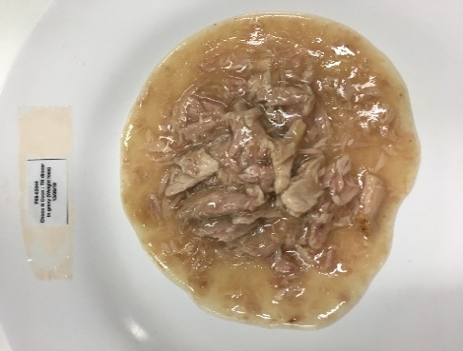
Finish Product Evaluation
1. Sensory characteristic |  |  |  |  |  |  |  | 2. Physical characteristic |  |  |  | 3. Chemical characteristic
1.1 Appearance : |  |  |  |  |  |  |  | 2.1 NW |  |  |  | 3.1 % salt
1.2 Color |  |  |  |  |  |  |  | 2.2 DW |  |  |  | 3.2 pH
1.3 Odour |  |  |  |  |  |  |  | 2.3 PW |  |  |  | 3.3 Brix
1.4 Taste |  |  |  |  |  |  |  | 2.4 % oil/brine
1.5 Texture |  |  |  |  |  |  |  | 2.5 % flake
 |  |  |  |  |  |  |  | 2.5 Viscosity

Remark :

Regulation review :
Conclusion :

 | Tested by : |  |  |  | Date |  | Regulation reviewd by : |  |  |  |  |  | Date

Formulated by : |  |  |  |  | Date |  |  | Approved by : |  |  |  |  | Date

Tuna in gravy (3)
# เป็นความลับ |  |  | Product Type |  |  |  |  | RD PIC | Saowapa |  |  | RD Ref. No. | P08-62045
Customer | Choco N Coco |  |  | Destination | South Korea |  |  | Requester | K. Wasuma |  |  | Date | 2019-06-13
Product Name |  | Tuna dinner in gravy (Support for Digestive) |  |  |  |  |  |  |  |  |  | Sample Quantity | 10
NW (g.) | 80 |  | Actual NW (g.) | 83 | DW (g.) |  |  | Other
Packaging | Alu can 209.5/208 x 107 |  |  |  |  | Mat. Code |  |  |  |  |  | Packaging Supplier
Packing Style |  |  |  |  |  | Packing per carton |  |  |  |  |  | Scheduled Process
Refer to : |  |  |  |  |  |  |  |  |  |  | TRF No. |  | 10301900719

Ingredients |  |  |  |  | % Yield | Mat. Code | g./container | % by NW | % Portion | XX/batch | Allergen | Complied | Process flow
 |  |  |  |  |  |  |  |  |  |  |  | regulation
Flake tuna light meat 1-3 cm |  |  |  |  |  | 11M1SL004001 | 33.300 | 40.120 | 93.844 | 366.296
Sunflower oil |  |  |  |  |  | 4200001 | 2.185 | 2.632 | 6.156 | 24.030

Total |  |  |  |  |  |  | 35.484 | 42.752 | 100.000 | 390.326
Gravy portion
Water |  |  |  |  |  | D000001 | 44.818 | 53.998 | 94.323 | 493.002
FOS |  |  |  |  |  | 4100335 | 0.415 | 0.500 | 0.873 | 4.565
Guar gum |  |  |  |  |  | 4100005 | 0.166 | 0.200 | 0.349 | 1.826
Tapfil-8 |  |  |  |  |  | 4400004 | 1.245 | 1.500 | 2.620 | 13.695
Yeast extract |  |  |  |  |  | 4100395 | 0.830 | 1.000 | 1.747 | 9.130
Taurine |  |  |  |  |  | 4100348 | 0.042 | 0.050 | 0.087 | 0.457

Total |  |  |  |  |  |  | 47.516 | 57.248 | 100.000 | 522.674
NW |  |  |  |  |  |  | 83.000 | 100.000 | 200.000 | 913.000

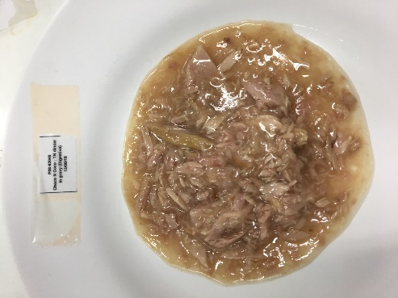
Finish Product Evaluation
1. Sensory characteristic |  |  |  |  |  |  |  | 2. Physical characteristic |  |  |  | 3. Chemical characteristic
1.1 Appearance : |  |  |  |  |  |  |  | 2.1 NW |  |  |  | 3.1 % salt
1.2 Color |  |  |  |  |  |  |  | 2.2 DW |  |  |  | 3.2 pH
1.3 Odour |  |  |  |  |  |  |  | 2.3 PW |  |  |  | 3.3 Brix
1.4 Taste |  |  |  |  |  |  |  | 2.4 % oil/brine
1.5 Texture |  |  |  |  |  |  |  | 2.5 % flake
 |  |  |  |  |  |  |  | 2.5 Viscosity

Remark :

Regulation review :
Conclusion :

 | Tested by : |  |  |  | Date |  | Regulation reviewd by : |  |  |  |  |  | Date

Formulated by : |  |  |  |  | Date |  |  | Approved by : |  |  |  |  | Date

