%Loss
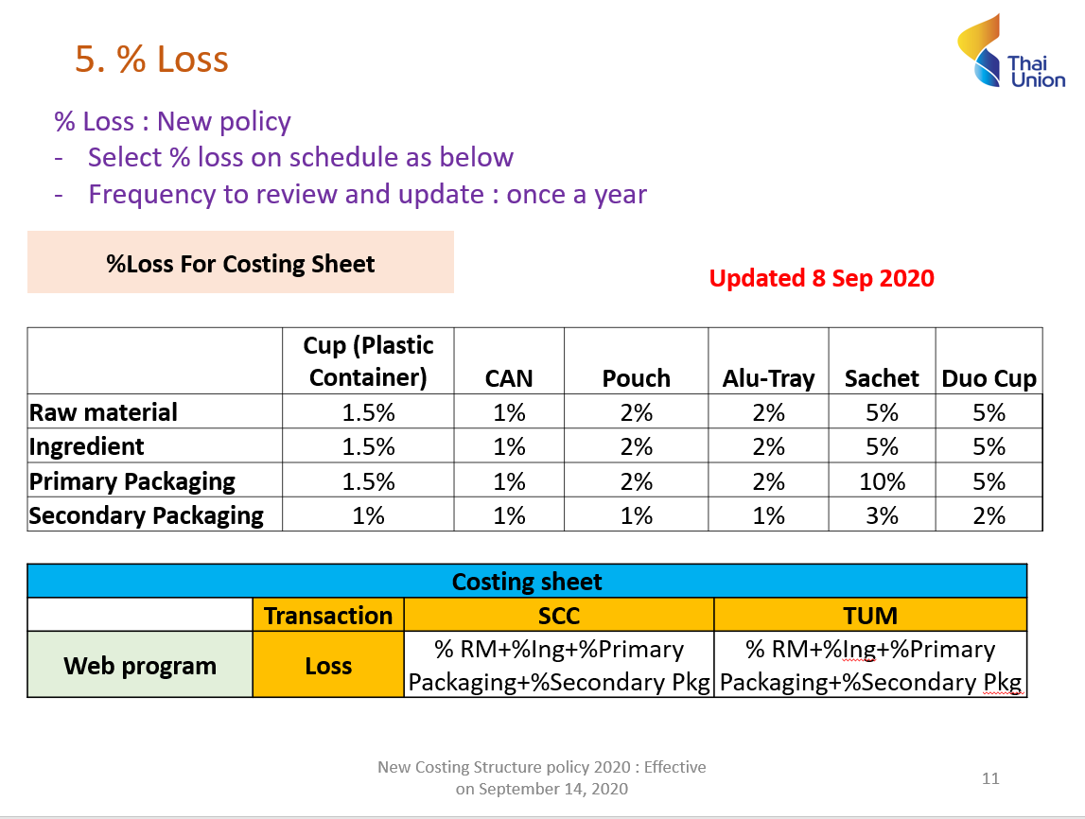

ตัวที่เปลี่ยนแปลงจากเดิมมีดังนี้
1. %Loss ของ CUP
2. มีการเพิ่มเติม Duo Cup

%Margin
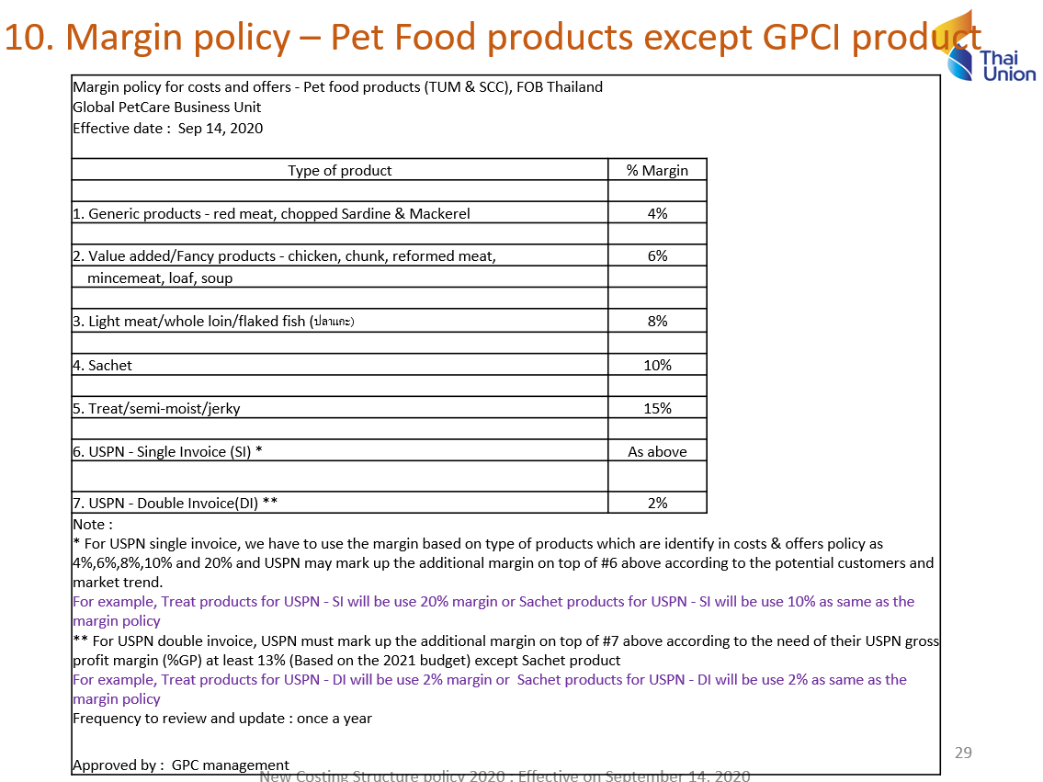

Factor
