REVIEW
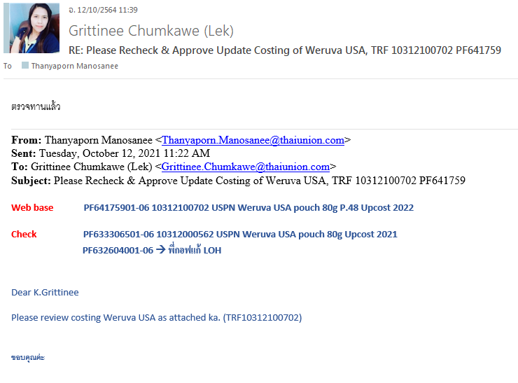

RD


CK

W303

