additional information
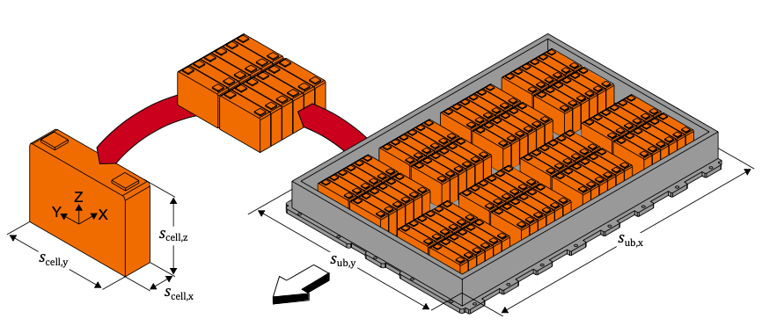
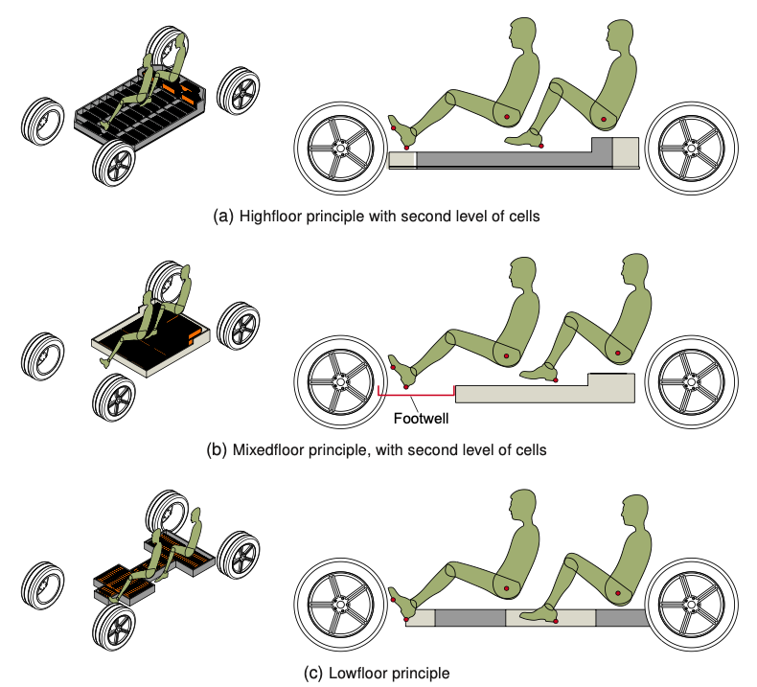
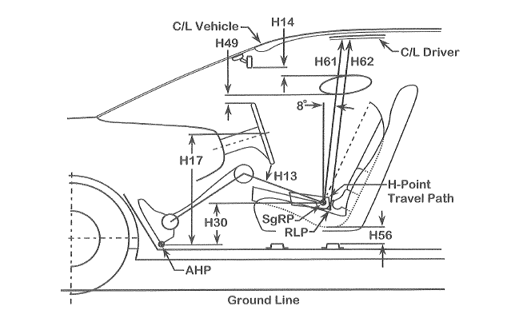
Battery integration | Dimensional concept | Package factors
 |  |  | Topology | Comment
 |  |  | X_GM | One machine at the rear axle
 |  |  | X_2G2M | Two machines (each one with a separate gearbox) at the rear axle
 |  |  | GM_X | One machine at the front axle
 |  |  | GM_GM | One machine at the front and one at the rear axle
 |  |  | 2G2M_X | Two machines (each one with a separate gearbox) at the front axle
 |  |  | 2G2M_2G2M | Two machines (each one with a separate gearbox) on each axle




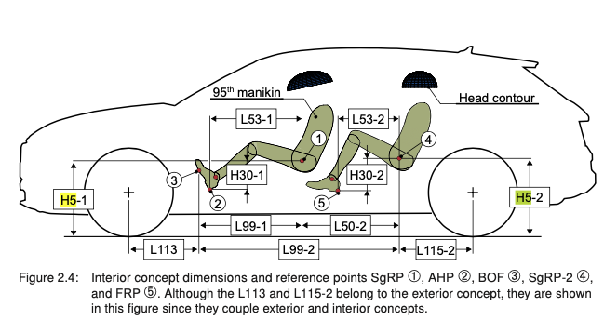
 |  | Source: Lorenzo Nicoletti, "Parametric Modeling of Battery Electric Vehicles in the Early Development Phase", P. D. Thesis, Technical University of Munich, Institute of Automotive Technology, 2022

Source: Lorenzo Nicoletti, "Parametric Modeling of Battery Electric Vehicles in the Early Development Phase", P. D. Thesis, Technical University of Munich, Institute of Automotive Technology, 2022
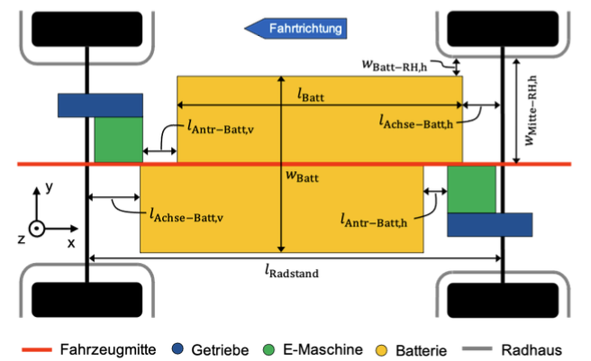

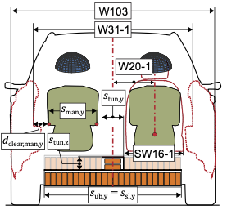

Source: P. Köhler, „Semi-physikalische Modellierung von Antriebsstrangkomponenten für Elektrofahrzeuge,“Master thesis, Institute of Automotive Technology, Technical University of Munich, Munich, 2021

 | Source: Lorenzo Nicoletti, "Parametric Modeling of Battery Electric Vehicles in the Early Development Phase", P. D. Thesis, Technical University of Munich, Institute of Automotive Technology, 2022

