Sheet1
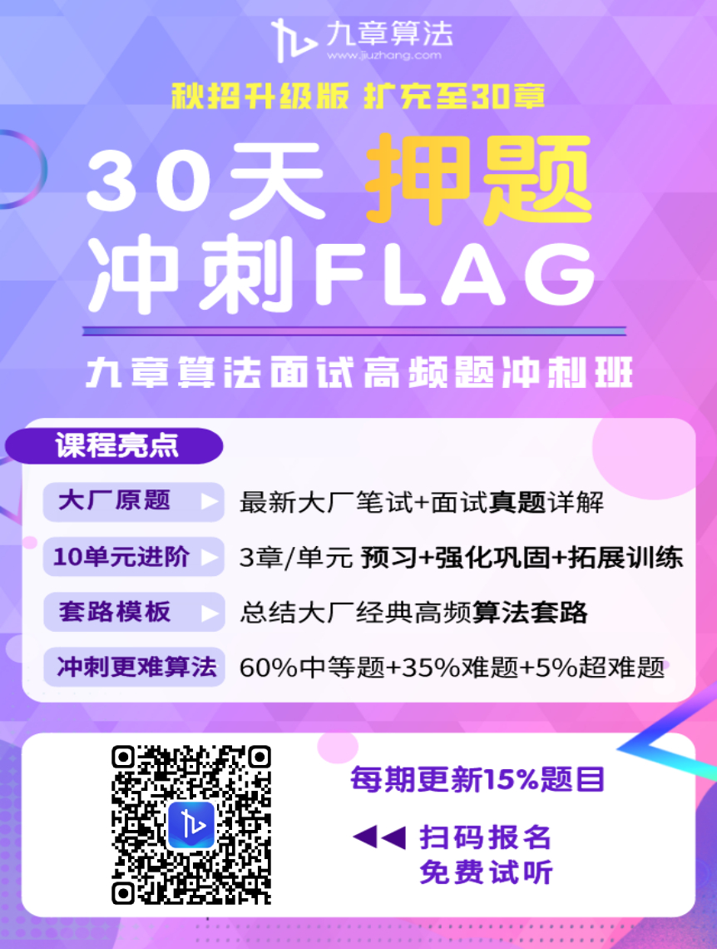
2020字节/脸书/亚马逊面试高频题127道
公司名称 | 难度 | lintcode对应题目序号 | 题目链接
Byte Dance | 简单 | 1901. 有序数组的平方 | https://www.lintcode.com/problem/squares-of-a-sorted-array/description?_from=ladder&&fromId=154
 |  | 920. 会议室 | https://www.lintcode.com/problem/meeting-rooms/description?_from=ladder&&fromId=154
 | 中等 | 1897. 会议室3 | https://www.lintcode.com/problem/meeting-room-iii/description?_from=ladder&&fromId=154
 |  | 1496. 用Rand7()实现Rand10() | https://www.lintcode.com/problem/implement-rand10-using-rand7/description?_from=ladder&&fromId=154
 |  | 1364. 最短路径 | https://www.lintcode.com/problem/the-minium-distance/description?_from=ladder&&fromId=154
 |  | 919. 会议室 II | https://www.lintcode.com/problem/meeting-rooms-ii/description?_from=ladder&&fromId=154
 | 困难 | 1139. 第k大的子数组 | https://www.lintcode.com/problem/the-kth-subarray/description?_from=ladder&&fromId=154
Facebook | 简单 | 13. 字符串查找 | https://www.lintcode.com/problem/implement-strstr/description
 |  | 56. 两数之和 | https://www.lintcode.com/problem/two-sum/description
 |  | 64. 合并排序数组 | https://www.lintcode.com/problem/merge-sorted-array/description
 |  | 100. 删除排序数组中的重复数字 | https://www.lintcode.com/problem/remove-duplicates-from-sorted-array/description
 |  | 141. x的平方根 | https://www.lintcode.com/problem/sqrtx/description
 |  | 188. 填充每个结点的右结点指针II | https://www.lintcode.com/problem/populating-next-right-pointers-in-each-node-ii/description
 |  | 408. 二进制求和 | https://www.lintcode.com/problem/add-binary/description
 |  | 423. 有效的括号序列 | https://www.lintcode.com/problem/valid-parentheses/description
 |  | 433. 岛屿的个数 | https://www.lintcode.com/problem/number-of-islands/description
 |  | 1350. Excel表列标题 | https://www.lintcode.com/problem/excel-sheet-column-title/description
 | 中等 | 30. 插入区间 | https://www.lintcode.com/problem/insert-interval/description
 |  | 62. 搜索旋转排序数组 | https://www.lintcode.com/problem/search-in-rotated-sorted-array/description
 |  | 104. 合并k个排序链表 | https://www.lintcode.com/problem/merge-k-sorted-lists/description
 |  | 107. 单词拆分 I | https://www.lintcode.com/problem/word-break/description
 |  | 149. 买卖股票的最佳时机 | https://www.lintcode.com/problem/best-time-to-buy-and-sell-stock/description
 |  | 171. 乱序字符串 | https://www.lintcode.com/problem/anagrams/description
 |  | 415. 有效回文串 | https://www.lintcode.com/problem/valid-palindrome/description
 |  | 419. 罗马数字转整数 | https://www.lintcode.com/problem/roman-to-integer/description
 |  | 425. 电话号码的字母组合 | https://www.lintcode.com/problem/letter-combinations-of-a-phone-number/description
 |  | 994. 连续数组 | https://www.lintcode.com/problem/contiguous-array/description
 | 困难 | 120. 单词接龙 | https://www.lintcode.com/problem/word-ladder/description
 |  | 134. LRU缓存策略 | https://www.lintcode.com/problem/lru-cache/description
 |  | 154. 正则表达式匹配 | https://www.lintcode.com/problem/regular-expression-matching/description
 |  | 450. K组翻转链表 | https://www.lintcode.com/problem/reverse-nodes-in-k-group/description
 |  | 510. 最大矩形 | https://www.lintcode.com/problem/maximal-rectangle/description
Microsoft | 简单 | 156. 合并区间 | https://www.lintcode.com/problem/merge-intervals/description
 |  | 646. 第一个独特字符位置 | https://www.lintcode.com/problem/first-position-unique-character/description
 |  | 693. 移掉K位数字 | https://www.lintcode.com/problem/remove-dights/description
 |  | 1250. 第三大的数 | https://www.lintcode.com/problem/third-maximum-number/description
 |  | 1311. 二叉搜索树的最近公共祖先 | https://www.lintcode.com/problem/lowest-common-ancestor-of-a-binary-search-tree/description
 |  | 702. 连接两个字符串中的不同字符 | https://www.lintcode.com/problem/concatenated-string-with-uncommon-characters-of-two-strings/description
 |  | 1324. 质数的个数 | https://www.lintcode.com/problem/count-primes/description
 | 中等 | 62. 搜索旋转排序数组 | https://www.lintcode.com/problem/search-in-rotated-sorted-array/description
 |  | 102. 带环链表 | https://www.lintcode.com/problem/linked-list-cycle/description
 |  | 221. 链表求和 II | https://www.lintcode.com/problem/add-two-numbers-ii/description
 |  | 421. 简化路径 | http://www.qhnews.com/cysd/system/2017/08/22/012392015.shtml
 |  | 512. 解码方法 | https://www.lintcode.com/problem/decode-ways/description
 |  | 915. BST的中序前驱节点 | https://www.lintcode.com/problem/inorder-predecessor-in-bst/description
 |  | 927. 翻转字符串II | https://www.lintcode.com/problem/reverse-words-in-a-string-ii/description
 |  | 1301. 生命游戏 | https://www.lintcode.com/problem/game-of-life/description
 | 困难 | 86. 二叉查找树迭代器 | https://www.lintcode.com/problem/binary-search-tree-iterator/description
 |  | 103. 带环链表 II | https://www.lintcode.com/problem/linked-list-cycle-ii/description
 |  | 450. K组翻转链表 | https://www.lintcode.com/problem/reverse-nodes-in-k-group/description
 |  | 849. 基础计算器III | https://www.lintcode.com/problem/basic-calculator-iii/description
 | 超难 | 131. 大楼轮廓 | https://www.lintcode.com/problem/the-skyline-problem/description
Amazon | 简单 | 28. 搜索二维矩阵 | https://www.lintcode.com/problem/search-a-2d-matrix/description?_from=ladder&&fromId=131
 |  | 56. 两数之和 | https://www.lintcode.com/problem/two-sum/description?_from=ladder&&fromId=133
 |  | 69. 二叉树的层次遍历 | https://www.lintcode.com/problem/binary-tree-level-order-traversal/description?_from=ladder&&fromId=102
 |  | 165. 合并两个排序链表 | https://www.lintcode.com/problem/merge-two-sorted-lists/description?_from=ladder&&fromId=126
 |  | 193. 最长有效括号 | https://www.lintcode.com/problem/longest-valid-parentheses/description?_from=ladder&&fromId=131
 |  | 423. 有效的括号序列 | https://www.lintcode.com/problem/valid-parentheses/description?_from=ladder&&fromId=137
 |  | 433. 岛屿的个数 | https://www.lintcode.com/problem/number-of-islands/description?_from=ladder&&fromId=131
 |  | 488. 快乐数 | https://www.lintcode.com/problem/happy-number/description?_from=ladder&&fromId=131
 |  | 597. 具有最大平均数的子树 | https://www.lintcode.com/problem/subtree-with-maximum-average/description?_from=ladder&&fromId=78
 |  | 1181. 二叉树的直径 | https://www.lintcode.com/problem/diameter-of-binary-tree/description?_from=ladder&&fromId=137
 | 中等 | 7. 二叉树的序列化和反序列化 | https://www.lintcode.com/problem/serialize-and-deserialize-binary-tree/description?_from=ladder&&fromId=102
 |  | 38. 搜索二维矩阵 II | https://www.lintcode.com/problem/search-a-2d-matrix-ii/description?_from=ladder&&fromId=137
 |  | 94. 二叉树中的最大路径和 | https://www.lintcode.com/problem/binary-tree-maximum-path-sum/description?_from=ladder&&fromId=131
 |  | 105. 复制带随机指针的链表 | https://www.lintcode.com/problem/copy-list-with-random-pointer/description?_from=ladder&&fromId=131
 |  | 107. 单词拆分 I | https://www.lintcode.com/problem/word-break/description?_from=ladder&&fromId=131
 |  | 200. 最长回文子串 | https://www.lintcode.com/problem/longest-palindromic-substring/description?_from=ladder&&fromId=133
 |  | 363. 接雨水 | https://www.lintcode.com/problem/trapping-rain-water/description?_from=ladder&&fromId=131
 |  | 426. 恢复IP地址 | https://www.lintcode.com/problem/restore-ip-addresses/description?_from=ladder&&fromId=131
 |  | 460. 在排序数组中找最接近的K个数 | https://www.lintcode.com/problem/find-k-closest-elements/description?_from=ladder&&fromId=133
 |  | 471. 最高频的K个单词 | https://www.lintcode.com/problem/top-k-frequent-words/description?_from=ladder&&fromId=144
 | 困难 | 54. 转换字符串到整数 | https://www.lintcode.com/problem/string-to-integer-atoi/description
 |  | 121. 单词接龙 II | https://www.lintcode.com/problem/word-ladder-ii/description?_from=ladder&&fromId=131
 |  | 134. LRU缓存策略 | https://www.lintcode.com/problem/lru-cache/description
 |  | 1221. 连接词 | https://www.lintcode.com/problem/concatenated-words/description?_from=ladder&&fromId=131
 |  | 1251. 拆分子数组 | https://www.lintcode.com/problem/split-array-largest-sum/description
Google | 简单 | 67. 二叉树的中序遍历 | https://www.lintcode.com/problem/binary-tree-inorder-traversal/description
 |  | 408. 二进制求和 | https://www.lintcode.com/problem/add-binary/description
 |  | 551. 嵌套列表的加权和 | https://www.lintcode.com/problem/nested-list-weight-sum/description
 |  | 837. 回文子串 | https://www.lintcode.com/problem/palindromic-substrings/description
 |  | 838. 子数组和为K | https://www.lintcode.com/problem/subarray-sum-equals-k/description
 |  | 1745. 单调数列 | https://www.lintcode.com/problem/monotonic-array/description
 | 中等 | 17. 子集 | https://www.lintcode.com/problem/subsets/description
 |  | 32. 最小子串覆盖 | https://www.lintcode.com/problem/minimum-window-substring/description
 |  | 74. 第一个错误的代码版本 | https://www.lintcode.com/problem/first-bad-version/description
 |  | 95. 验证二叉查找树 | https://www.lintcode.com/problem/validate-binary-search-tree/description
 |  | 123. 单词搜索 | https://www.lintcode.com/problem/word-search/description
 |  | 190. 下一个排列 | https://www.lintcode.com/problem/next-permutation-ii/description
 |  | 421. 简化路径 | https://www.lintcode.com/problem/simplify-path/description
 |  | 760. 二叉树的右视图 | https://www.lintcode.com/problem/binary-tree-right-side-view/description
 |  | 919. 会议室 II | https://www.lintcode.com/problem/meeting-rooms-ii/description
 |  | 945. 任务计划 | https://www.lintcode.com/problem/task-scheduler/description
 |  | 1041. 重构字符串 | https://www.lintcode.com/problem/reorganize-string/description
 |  | 1217. 总汉明距离 | https://www.lintcode.com/problem/total-hamming-distance/description
 |  | 1393. 适龄的朋友 | https://www.lintcode.com/problem/friends-of-appropriate-ages/description
 |  | 1506. 二叉树中所有距离为 K 的结点 | https://www.lintcode.com/problem/all-nodes-distance-k-in-binary-tree/description
 |  | 1704. 二叉搜索树的范围和 | https://www.lintcode.com/problem/range-sum-of-bst/description
 | 困难 | 86. 二叉查找树迭代器 | https://www.lintcode.com/problem/binary-search-tree-iterator/description
 |  | 362. 滑动窗口的最大值 | https://www.lintcode.com/problem/sliding-window-maximum/description
 |  | 653. 添加运算符 | https://www.lintcode.com/problem/expression-add-operators/description
 |  | 780. 删除无效的括号 | https://www.lintcode.com/problem/remove-invalid-parentheses/description
LinkedIn | 简单 | 41. 最大子数组 | https://www.lintcode.com/problem/maximum-subarray/description
 |  | 56. 两数之和 | https://www.lintcode.com/problem/two-sum/description
 |  | 69. 二叉树的层次遍历 | https://www.lintcode.com/problem/binary-tree-level-order-traversal/description
 |  | 165. 合并两个排序链表 | https://www.lintcode.com/problem/merge-two-sorted-lists/description
 |  | 423. 有效的括号序列 | https://www.lintcode.com/problem/valid-parentheses/description
 | 中等 | 15. 全排列 | https://www.lintcode.com/problem/permutations/description
 |  | 30. 插入区间 | https://www.lintcode.com/problem/insert-interval/description
 |  | 104. 合并k个排序链表 | https://www.lintcode.com/problem/merge-k-sorted-lists/description
 |  | 186. 最多有多少个点在一条直线上 | https://www.lintcode.com/problem/max-points-on-a-line/description
 |  | 191. 乘积最大子序列 | https://www.lintcode.com/problem/maximum-product-subarray/description
 |  | 392. 打劫房屋 | https://www.lintcode.com/problem/house-robber/description
 |  | 415. 有效回文串 | https://www.lintcode.com/problem/valid-palindrome/description
 |  | 424. 逆波兰表达式求值 | https://www.lintcode.com/problem/evaluate-reverse-polish-notation/description
 |  | 578. 最近公共祖先 III | https://www.lintcode.com/problem/lowest-common-ancestor-iii/description
 |  | 612. K个最近的点 | https://www.lintcode.com/problem/k-closest-points/description
 |  | 652. 因式分解 | https://www.lintcode.com/problem/factorization/description
 |  | 926. 最短单词距离III | https://www.lintcode.com/problem/shortest-word-distance-iii/description
 |  | 933. 数组乘积 | https://www.lintcode.com/problem/tuple-multiply/description
 |  | 934. 开锁问题 | https://www.lintcode.com/problem/unlock-problem/description
 |  | 935. 笛卡尔积 | https://www.lintcode.com/problem/cartesian-product/description
 | 困难 | 86. 二叉查找树迭代器 | https://www.lintcode.com/problem/binary-search-tree-iterator/description
 |  | 738. 计数回文子序列 | https://www.lintcode.com/problem/count-different-palindromic-subsequences/description
 |  | 859. 最大栈 | https://www.lintcode.com/problem/max-stack/description
 |  | 985. 我能赢吗 | https://www.lintcode.com/problem/can-i-win/description
 |  | 1361. 文字并排 | https://www.lintcode.com/problem/text-justification/description

