Temp LUT
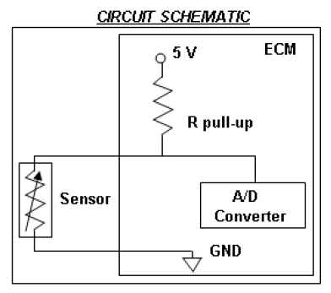

Rpullup: | 2.2K |  |  | 12bit ADC

Temp | Temp | Resistance
degC | degF | Ohms | Voltage | ADC Dec | ADC Hex
150 | 302 | 189 | 0.40 | 324 | 143
145 | 293 | 213 | 0.44 | 361 | 169
140 | 284 | 241 | 0.49 | 404 | 194
135 | 275 | 272 | 0.55 | 451 | 1C2
130 | 266 | 309 | 0.62 | 504 | 1F8
125 | 257 | 352 | 0.69 | 565 | 234
120 | 248 | 403 | 0.77 | 634 | 279
115 | 239 | 462 | 0.87 | 711 | 2C6
110 | 230 | 531 | 0.97 | 796 | 31C
105 | 221 | 613 | 1.09 | 892 | 37C
100 | 212 | 710 | 1.22 | 999 | 3E7
95 | 203 | 826 | 1.36 | 1118 | 45D
90 | 194 | 965 | 1.52 | 1249 | 4E0
85 | 185 | 1131 | 1.70 | 1390 | 56E
80 | 176 | 1331 | 1.88 | 1544 | 607
75 | 167 | 1574 | 2.09 | 1708 | 6AB
70 | 158 | 1870 | 2.30 | 1881 | 759
65 | 149 | 2232 | 2.52 | 2062 | 80E
60 | 140 | 2676 | 2.74 | 2247 | 8C7
55 | 131 | 3226 | 2.97 | 2435 | 982
50 | 122 | 3911 | 3.20 | 2621 | A3C
45 | 113 | 4768 | 3.42 | 2802 | AF2
40 | 104 | 5844 | 3.63 | 2975 | B9F
35 | 95 | 7204 | 3.83 | 3137 | C41
30 | 86 | 8935 | 4.01 | 3286 | CD5
25 | 77 | 11150 | 4.18 | 3420 | D5C
20 | 68 | 14007 | 4.32 | 3539 | DD3
15 | 59 | 17717 | 4.45 | 3643 | E3A
10 | 50 | 22572 | 4.56 | 3731 | E93
5 | 41 | 28977 | 4.65 | 3806 | EDE
0 | 32 | 37499 | 4.72 | 3868 | F1C
-5 | 23 | 48910 | 4.78 | 3919 | F4E
-10 | 14 | 64306 | 4.83 | 3960 | F77
-15 | 5 | 85256 | 4.87 | 3992 | F97
-20 | -4 | 114026 | 4.91 | 4017 | FB1
-25 | -13 | 153922 | 4.93 | 4037 | FC5
-30 | -22 | 209817 | 4.95 | 4053 | FD4
-35 | -31 | 288981 | 4.96 | 4064 | FE0
-40 | -40 | 402392 | 4.97 | 4070 | FE6

Sheet1
 | Vin | R1 | R2 | Vout
 | 12 | 20000 | 8200 | -4.92

Main Connector
1 |  |  |  | Signal | water temp
2 |  |  |  |  | oil temp
3 |  |  |  |  | oil pressure
4 |  |  |  |  | throttle
5 |  |  |  |  | steering
6 |  |  |  |  | wideband
7
8
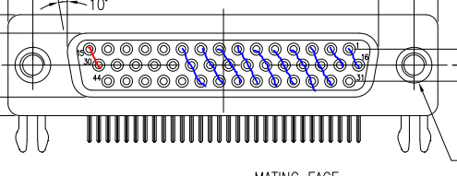
9
10
11
12
13
14
15
16
17
18
19
20
21
22
23
24
25
26
27
28
29
30
31
32
33
34
35
36
37
38
39
40
41
42
43
44

