04 - Bar
Emp_ID | Name | Dept |  |  |  | Sort
1 | John | Marketing | UNIQUE | Marketing | 4 | Product | 5
2 | David | Marketing |  | HR | 1 | Marketing | 4
3 | Marry | Marketing |  | Finance | 3 | Finance | 3
4 | Anna | Marketing |  | IT | 2 | IT | 2
5 | Henley | HR |  | Product | 5 | HR | 1
6 | Simone | Finance
Bar Plot
7 | Anker | Finance
8 | Beech | Finance
9 | Michael | IT
10 | Beck | IT
11 | Liam | Product
12 | Nielsen | Product
13 | Wick | Product
14 | Hick | Product
15 | Jason | Product

พี่ทอย said ใช้กับ box plot บ่อย

05 - Line
Month | Users | Quarter | Users
Jan | 100 | Q1 | 510
Feb | 150 | Q2 | 3200
Mar | 260 | Q3 | 11500
Apr | 500 | Q4 | 41000
May | 1200
Active User By Month
Jun | 1500
Jul | 2000
Aug | 3500
Sep | 6000
Oct | 12000
Nov | 14000
Dec | 15000

เหมาะกับ time series

 |  |  |  | จิ้มที่เส้น แล้วเปลี่ยนสีเอา

06 - Pie & Doughnut
Emp_ID | Name | Dept
1 | John | Marketing | Marketing | 4 | Product | 5
2 | David | Marketing | HR | 1 | Marketing | 4
3 | Marry | Marketing | Finance | 3 | Finance | 3
4 | Anna | Marketing | IT | 2 | IT | 2
5 | Henley | HR | Product | 5 | HR | 1
6 | Simone | Finance
7 | Anker | Finance
8 | Beech | Finance
9 | Michael | IT
10 | Beck | IT
11 | Liam | Product
12 | Nielsen | Product
13 | Wick | Product
14 | Hick | Product
15 | Jason | Product

07 - Scatter Plot
Scatter Plot
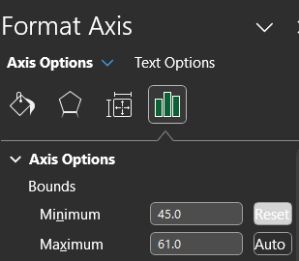
 | CSAT | Sales
Jan | 50 | 120
Feb | 55 | 150
Mar | 52 | 140
Apr | 48 | 115
May | 50 | 125
Jun | 60 | 165

 | 0.9758986505

08 - Stacked Bar
In Office vs. WFH
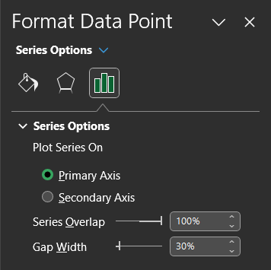
Emp_ID | Name | Dept | In Office | WFH
1 | John | Marketing | 50% | 50%
2 | David | Marketing | 80% | 20%
3 | Marry | Marketing | 20% | 80%
4 | Anna | Marketing | 75% | 25%
5 | Henley | HR | 50% | 50%
6 | Simone | Finance | 40% | 60%
7 | Anker | Finance | 30% | 70%
8 | Beech | Finance | 50% | 50%
9 | Michael | IT | 60% | 40%
10 | Beck | IT | 70% | 30% | Name, In Office, WFH
11 | Liam | Product | 65% | 35%
12 | Nielsen | Product | 35% | 65%
13 | Wick | Product | 20% | 80%
14 | Hick | Product | 10% | 90%
15 | Jason | Product | 95% | 5%

09 - Summary Bar
Emp_ID | Name | Dept | In Office | WFH | Emp_ID | Name | Dept | In Office | WFH
1 | John | Marketing | 50% | 50% | 1 | John | Marketing | 50% | 50% | Marketing | 44% | Marketing | 44%
2 | David | Marketing | 80% | 20% | 2 | David | Marketing | 80% | 20% | HR | 50% | HR | 50%
3 | Marry | Marketing | 20% | 80% | 3 | Marry | Marketing | 20% | 80% | Finance | 60% | Product | 55%
4 | Anna | Marketing | 75% | 25% | 4 | Anna | Marketing | 75% | 25% | IT | 88% | Finance | 60%
5 | Henley | HR | 50% | 50% | 5 | Henley | HR | 50% | 50% | Product | 55% | IT | 88%
6 | Simone | Finance | 40% | 60% | 6 | Simone | Finance | 40% | 60%
WFH%
7 | Anker | Finance | 30% | 70% | 7 | Anker | Finance | 30% | 70%
8 | Beech | Finance | 50% | 50% | 8 | Beech | Finance | 50% | 50%
9 | Michael | IT | 60% | 40% | 9 | Michael | IT | 10% | 90%
10 | Beck | IT | 70% | 30% | 10 | Beck | IT | 15% | 85%
11 | Liam | Product | 65% | 35% | 11 | Liam | Product | 65% | 35%
12 | Nielsen | Product | 35% | 65% | 12 | Nielsen | Product | 35% | 65%
13 | Wick | Product | 20% | 80% | 13 | Wick | Product | 20% | 80%
14 | Hick | Product | 10% | 90% | 14 | Hick | Product | 10% | 90%
15 | Jason | Product | 95% | 5% | 15 | Jason | Product | 95% | 5%

13 - Bubble
Bubble
 | Happiness | Income | Pop Size
Teen | 58 | 12000 | 6000
Adult 25-35 | 76 | 25000 | 5000
Adult 36-45 | 80 | 36000 | 7000
Adult 46-60 | 82 | 60000 | 8000
Old | 75 | 6000 | 20000

 |  |  |  | Bubble = Size

15 - PChart
Sales
Category | (Multiple Items)
Segment | (Multiple Items)

Row Labels | Sum of Sales
New York City | 142224.236
Los Angeles | 97303.109
Philadelphia | 65210.903
San Francisco | 64515.073
Seattle | 62513.032
Houston | 41518.9614
San Diego | 32796.637
Springfield | 27294.201
Chicago | 25557.254
Columbus | 22257.197
Grand Total | 581190.6034

