BOM
What | Cost in PLN | Cost in USD | Where to buy | Comment (if needed) | PLN to USD conversion rate
screws m3x4mm buttonhead | 5.05 | 1.39 | Aliexpress | for mounting metal front | 3.6410
screws m2x16mm buttonhead | 5.79 | 1.59 | Aliexpress | for mounting distance sensors
screws m3x5 countersunk | 6.91 | 1.90 | Aliexpress | for sharp from | Sum in USD: | 791.15
banana plug 2mm pair 10pcs | 7.89 | 2.17 | Aliexpress | for motors and main power | Sum in PLN: | 2880.58
0.96inch flex oled 3pcs | 19.77 | 5.43 | Aliexpress | electronic parts have tendencies to burn easily
m2.5 thin nut 50pcs | 3.35 | 0.92 | Aliexpress | to secure PCBs
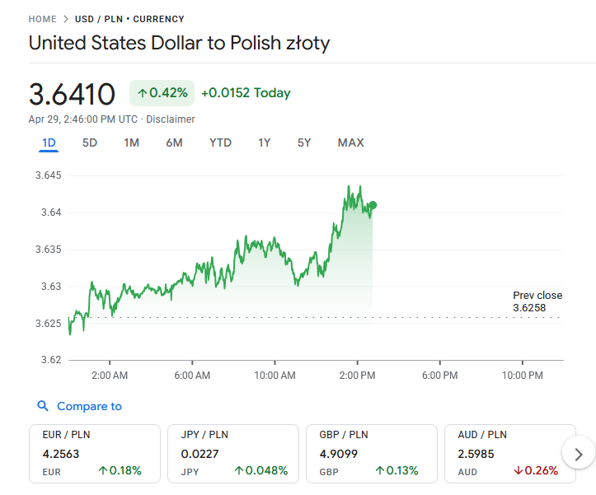
needle bearing HK0607 6x10x7mm | 14.49 | 3.98 | Aliexpress | wheeeeeeee… i love when it is efficient
flange bearing 6x10x3mm | 18.51 | 5.08 | Aliexpress | wheeeeeeee… i love when it is efficient
two pololu 37d gearboxes 19:1 | 44.82 | 12.31 | Aliexpress | knockoff from ali, its hella cheaper - i have used similiar in my previous robot
10t 2.28 0.5M brass gear for motor | 14.78 | 4.06 | Aliexpress | gearboxes
screws M2.5x8mm flathead | 5.68 | 1.56 | Aliexpress | for mounting line sensors
grub screws m3x5mm | 5.00 | 1.37 | Aliexpress | for mounting wheels
screws M2.5x6mm flathead | 5.44 | 1.49 | Aliexpress | for mounting PCBs
m2.5x6x0.1mm washer | 7.14 | 1.96 | Aliexpress | to make gearboxes slide easier
RS-385SH dc motor 3pcs | 45.96 | 12.62 | Aliexpress | 3psc of dc motors (one more, beacuse it will burn i am worried)
1mm sturdy metal front - laser cut | 60.00 | 16.48 | Lasercut locally | i found cheap offer locally
spring steel front (0.1mm thicl) | 150.00 | 41.20 | Lasercut locally | i emailed about 6 companies locally - only one responded…
PCBs 4 layer | 50.00 | 13.73 | JLCPCB | 2 motors 1 controller
BJ parts from metal | 250.00 | 68.66 | JLC3DP | gearboxes, mounts
CNC Aluminium front part | 250.00 | 68.66 | JLCCNC | hard to design tbh…
CNC front plow from hard steel 2 pieces | 200.00 | 54.93 | JLCCNC | one may go dull at the competition. A sumo robot with dull plow is a robot who already lost…
JCL shipping |  | 0.00 | JLC | i dont know, but i think it will be not-so-cheap type of shipping
silicone shore 10A for wheels | 50.00 | 13.73 | Allegro (polish marketplace) | good silicone wheels
M3, M2.5, M2 tap | 45.00 | 12.36 | Aliexpress | Tapping via JCL i like adding a lot of money
Fan for cooling (yup. In the robot) 2pcs | 50.00 | 13.73 | Aliexpress | 17x17x3mm cooling fan, i know its small. Short life span, so thats why 2 pcs.
slicon wires awg17 | 20.00 | 5.49 | Aliexpress | for motors and power, black and red
cheap hubs from aliexpress. | 25.00 | 6.87 | Aliexpress | I am worried that my DIY BJ ones may be not aligned very well
awg32 wires | 20.00 | 5.49 | Aliexpress | for sensors
Electronic parts (for example: stm32H5, CAN transreciver, IMU) | 1500.00 | 411.97 | DigiKey (cheapest here) | like MCU, connector, buck conv, MOSFETs… Letme know if anyone need exact BOM here
Fast laser distance sensors 5pcs | 500.00 | 137.32 | Botland (pretty cheap shop in PL) | crazy expensive. Cracy fast. Crazy accurate. I want to buy +1pcs beacuse im worried of issues at the competition abroad
 |  | 0.00
 |  | 0.00
 |  | 0.00
 |  | 0.00
 |  | 0.00
 |  | 0.00
 |  | 0.00
 |  | 0.00
I will rob most of the resistors and capacitors from by brother :) | 0.00 | 0.00 | My brother | He said it is okay tho :)
 |  | 0.00
 |  | 0.00
 |  | 0.00
 |  | 0.00
 |  | 0.00
 |  | 0.00
 |  | 0.00
 |  | 0.00
 |  | 0.00
 |  | 0.00
 |  | 0.00
 |  | 0.00
 |  | 0.00
 |  | 0.00
 |  | 0.00
 |  | 0.00
 |  | 0.00
 |  | 0.00
 |  | 0.00
 |  | 0.00
 |  | 0.00
 |  | 0.00
 |  | 0.00
 |  | 0.00
 |  | 0.00
 |  | 0.00
 |  | 0.00
 |  | 0.00
 |  | 0.00
 |  | 0.00
 |  | 0.00
 |  | 0.00
 |  | 0.00

