Growth (g)
End Year | 2030
Reinvestment Rate
NOPAT | 18,601
Capital Expenditure (Capex) | 4,247
Depreciation and Amortisation | 1,832
Net Investment in Non-current Assets | 2,415
Investment in Net Working Capital | 1,635
Total Investment Expenditure | 4,050
 |  |  | 2015 | 2025
Reinvestment rate | 21.77% | Invested Capital | 8,162.09 | 15,659.90 | 0.99132892874
 |  | NOPAT | 1380.674274 | 8,944.07
ROIC | 26.55%
Historical RONIC over 2015–2025 was calculated at approximately 99% However, this level was considered unsustainable for the residual period. Therefore, a normalized RONIC of 14% was applied to reflect long-term maturity, competitive normalization, especially given the growth potential for a monopolistic semi conductor company
WACC | 8.55%

RONIC | 14.00%

g | 3.05%

Multiples Valuation
Multiples-Based Valuation: ASML
Comparable Companies
In milions
Companies | Equity Value (100%) | EV | EBITDA TTM | Net Income TTM | EV/EBITDA | P/E | original currency | EBC exchange rate | 2026-05-19
Applied Materials, Inc. (AMAT) | $328,210 | $326,430 | $11,147 | $8,508 | 29.3x | 38.6x | USD | EUR / US dollar | 1.162
Lam Research Corporation (LRCX) | $367,730 | $366,710 | $8,072 | $6,708 | 45.4x | 54.8x | USD | EUR / JPY | 184.89
Tokyo Electron Limited (8035.T) | $23,860,000 | $23,350,000 | $706,282 | $574,454 | 33.1x | 41.5x | JPY
KLA Corporation (KLAC) | $244,170 | $245,360 | $6,061 | $4,671 | 40.5x | 52.3x | USD
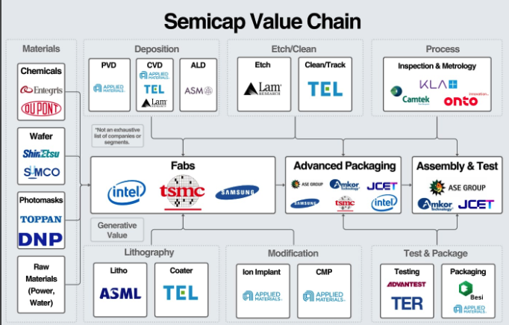
Onto Innovation Inc. (ONTO) | $13,520 | $12,900 | $226 | $106 | 57.2x | 127.1x | USD | *not included

Mean |  |  |  |  | 37.1x | 46.8x
Median |  |  |  |  | 36.8x | 46.9x

Target Company Data - ASML
EBITDA | 11,944 | EUR m
Net Income | 10,011 | EUR m

Debt | 4,391 | EUR m
Cash | 13,322 | EUR m

Shares Outstanding (millions) | 385.4 | m shares

Valuation Results
 | EV/EBITDA | P/E
Median Multiple | 36.77x | 46.91x
Valuation Base (EUR m) | 11,944 | 10,011
Implied Value (EUR m ) | 439,195 | 469,589
Value Type | EV | Equity

Bridge to Equity Value:
Implied Value | 439,195 | 469,589
Less: Debt | 4,391
Plus: Cash | 13,322
Equity Value (EUR m ) | 448,126 | 469,589
Price per Share (EUR m) | 1,162.70 | 1,218.38

Weights | 50% | 50%

 | EUR | USD
Weighted Average Equity Value | 458,857.4 | 533,192.3
Weighted Average Price per Share | 1,190.54 | 1,383.41

Profitability Analysis
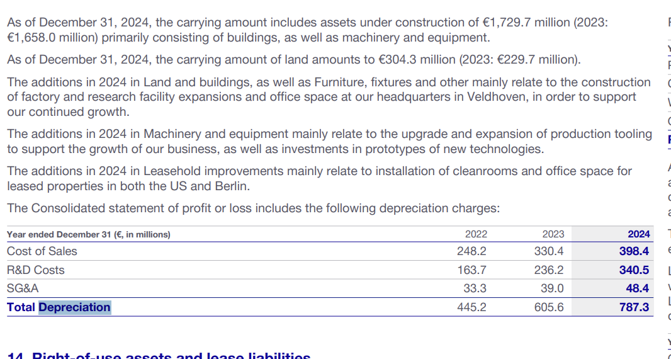
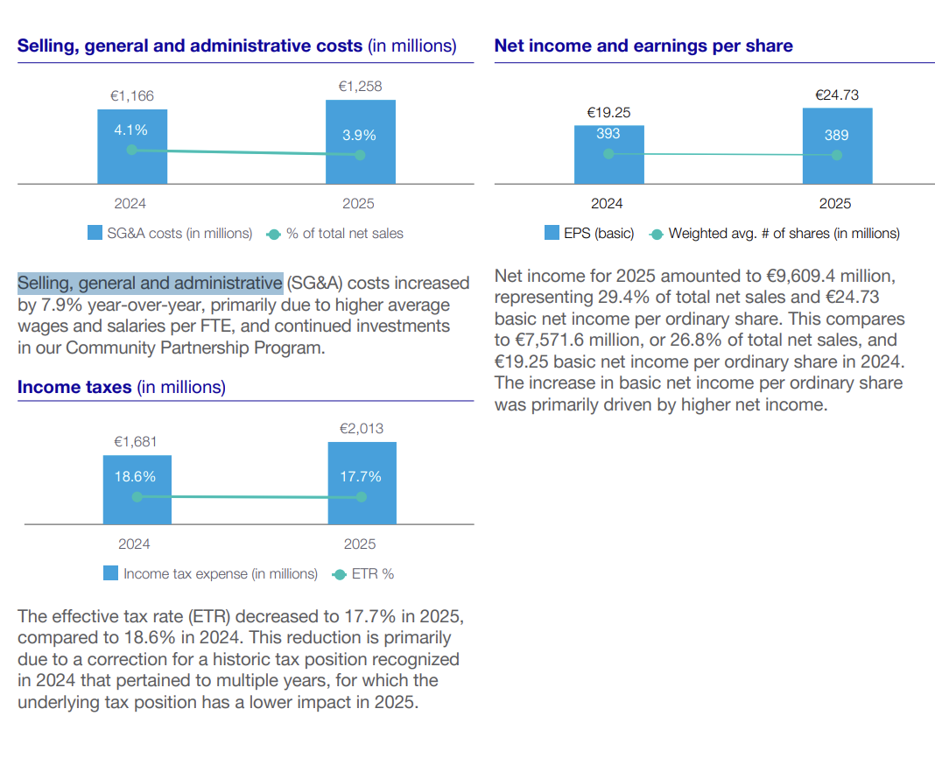
 | 2022 | 2023 | 2024 | 2025 | 2026 E | 2027 E | 2028 E | 2029 E | 2030 E | 2031 E | 2032 E | 2033 E | 2034 E | 2035 E
Revenue | 21,173.40 | 27,558.50 | 28,262.90 | 32,667.30 | 40,676.56 | 47,267.58 | 53,461.65 | 59,100.62 | 65,320.66 | 70,804.68 | 75,637.40 | 80,264.15 | 84,764.84 | 89,086.05
YoY Growth |  | 30% | 3% | 16% | 25% | 16% | 13% | 11% | 11% | 8% | 7% | 6% | 6% | 5%

 | 2022 | 2023 | 2024 | 2025 | 2026 E | 2027 E | 2028 E | 2029 E | 2030 E | 2031 E | 2032 E | 2033 E | 2034 E | 2035 E
Cost of System Sales | 7,843.30 | 10,439.10 | 10,615.10 | 11,710.60 | 14,500.41 | 16,755.45 | 18,844.21 | 20,713.63 | 22,763.00 | 24,532.46 | 26,055.63 | 27,488.93 | 28,860.80 | 30,153.92
Cost of Servie & Field Option Sales | 2,817.40 | 3,345.00 | 3,364.00 | 4,025.30 | 5,012.21 | 5,824.36 | 6,587.60 | 7,282.44 | 8,048.88 | 8,724.63 | 9,320.12 | 9,890.24 | 10,444.82 | 10,977.28
Total Cost of Sales | 10,660.70 | 13,784.10 | 13,979.10 | 15,735.90 | 19,512.62 | 22,579.81 | 25,431.81 | 27,996.07 | 30,811.88 | 33,257.09 | 35,375.76 | 37,379.17 | 39,305.62 | 41,131.20
Cost of Sales / Revenue (Gross Margin driver) | 50.35% | 50.02% | 49.46% | 48.17% | 0.48 | 0.48 | 0.48 | 0.47 | 0.47 | 0.47 | 0.47 | 0.47 | 0.46 | 0.46

 | 2022 | 2023 | 2024 | 2025 | 2026 E | 2027 E | 2028 E | 2029 E | 2030 E | 2031 E | 2032 E | 2033 E | 2034 E | 2035 E
Selling, general and administrative (SG&A) costs | 909.6 | 1149.4 | 1165.7 | 1257.8 | 1525.5065611 | 1725.4244124 | 1898.0670262 | 2039.1684024 | 2188.4599464 | 2301.3881437 | 2382.8303934 | 2448.3244092 | 2500.8454591 | 2539.2494932
SG&A / Revenue | 4.30% | 4.17% | 4.12% | 3.85% | 3.75% | 3.65% | 3.55% | 3.45% | 3.35% | 3.25% | 3.15% | 3.05% | 2.95% | 2.85%

 | 2022 | 2023 | 2024 | 2025 | 2026 E | 2027 E | 2028 E | 2029 E | 2030 E | 2031 E | 2032 E | 2033 E | 2034 E | 2035 E
R&D Costs | 2,282.10 | 3,113.10 | 3,181.00 | 3,619.60 | 4,516.09 | 5,247.85 | 5,935.54 | 6,561.60 | 7,252.18 | 7,861.04 | 8,397.59 | 8,911.27 | 9,410.95 | 9,890.71
R&D/ Revenue | 10.78% | 11.30% | 11.26% | 11.08% | 0.11102427571 | 0.11102427571 | 0.11102427571 | 0.11102427571 | 0.11102427571 | 0.11102427571 | 0.11102427571 | 0.11102427571 | 0.11102427571 | 0.11102427571

 | 2022 | 2023 | 2024 | 2025 | 2026 E | 2027 E | 2028 E | 2029 E | 2030 E | 2031 E | 2032 E | 2033 E | 2034 E | 2035 E
Total Operating Expenses | 3,191.7 | 4,262.5 | 4,346.7 | 4,877.4 | 6,041.6 | 6,973.3 | 7,833.6 | 8,600.8 | 9,440.6 | 10,162.4 | 10,780.4 | 11,359.6 | 11,911.8 | 12,430.0
Total Operating Expenses/Revenue | 15.07% | 15.47% | 15.38% | 14.93% | 14.85% | 14.75% | 14.65% | 14.55% | 14.45% | 14.35% | 14.25% | 14.15% | 14.05% | 13.95%

 | 2022 | 2023 | 2024 | 2025 | 2026 E | 2027 E | 2028 E | 2029 E | 2030 E | 2031 E | 2032 E | 2033 E | 2034 E | 2035 E
EBIT | 7,321.00 | 9,511.90 | 9,937.10 | 12,054.00 | 15,122.34 | 17,714.50 | 20,196.24 | 22,503.77 | 25,068.14 | 27,385.16 | 29,481.23 | 31,525.39 | 33,547.42 | 35,524.89 | -
EBIT margin | 34.58% | 34.52% | 35.16% | 36.90% | 37.18% | 37.48% | 37.78% | 38.08% | 38.38% | 38.68% | 38.98% | 39.28% | 39.58% | 39.88%

Net Profit Margin | 30.21% | 29.45% | 29.54% | 31.26% | 0.00% | 0.00% | 0.00% | 0.00% | 0.00% | 0.00% | 0.00% | 0.00% | 0.00% | 0.00%

Historical EBIT Margin

