14.08.26
Depth vs. Sparing
Continuous Runs
Run | Power | Duty Cycle (%) | Cycle Period (s) | Duration (min) | Measurement (mm) | 1 min | 2 min | 3 min | 4 min | 5 min | 6 min | 7 min | 8 min | 9 min | 10 min
1 | 50 | - | - | 6 | Length | 0 | 0 | 0 | 4.13 | 9 | 12.02
 |  |  |  |  | Depth | 0 | 0 | 0 | 3.37 | 7.03 | 8.73
 |  |  |  |  | Sparing | - | - | - | 4.5 | 3.5 | 3.34
2 | 60 | - | - | 6 | Length
 |  |  |  |  | Depth
 |  |  |  |  | Sparing
3 | 70 | - | - | 10 | Length | 5.2 | 12.84 | 16.1 | 18.32 | 20.16 | 21.7 | 23.58 | 24.36 | 24.52 | 24.97
 |  |  |  |  | Depth | 4.42 | 9.74 | 12.16 | 14.9 | 14.9 | 15.58 | 16.8 | 17.14 | 17.5 | 18.1
 |  |  |  |  | Sparing | 4 | 2.37 | 2 | 2 | 1.74 | 1.63 | 1.64 | 1.63 | 1.63 | 1.63
4 | 90 | - | - | 6 | Length | 5.3 | 14.66 | 19.13 | 21.51 | 23.69 | 24.73
 |  |  |  |  | Depth | 3.76 | 11.26 | 14.15 | 15.82 | 16.89 | 17.84
 |  |  |  |  | Sparing | 3.5 | 1.68 | 1.4 | 1.3 | 1.09 | 1.02

70 W Runs
Run | Duty Cycle (%) | Cycle Period (s) | Duration (min) | Time (s) | Length (mm) | Depth (mm) | Sparing (mm)
5 | 50 | 10 | 6 | 0 | 0 | 0 | -
 |  |  |  | 30 | 0 | 0 | - |  | ``
 |  |  |  | 60 | 0 | 0 | -
 |  |  |  | 90 | 0 | 0 | -
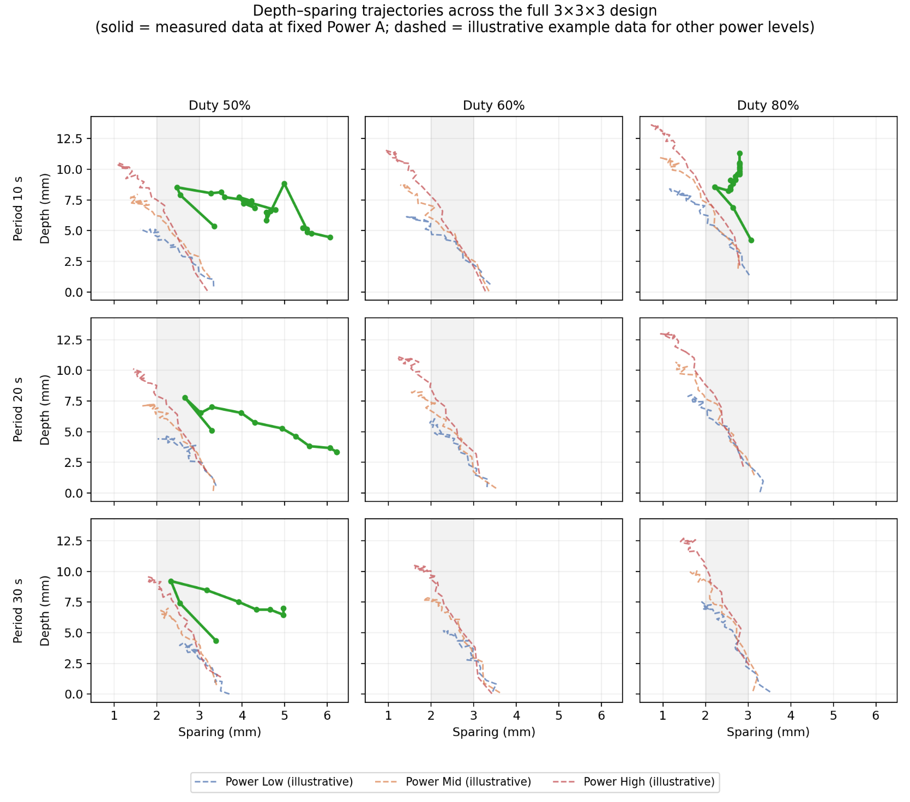
 |  |  |  | 120 | 7.57 | 5.34 | 3.35
 |  |  |  | 150 | 9.8 | 7.89 | 2.55
 |  |  |  | 180 | 11.31 | 8.53 | 2.47
 |  |  |  | 190 | 10.68 | 8.05 | 3.27
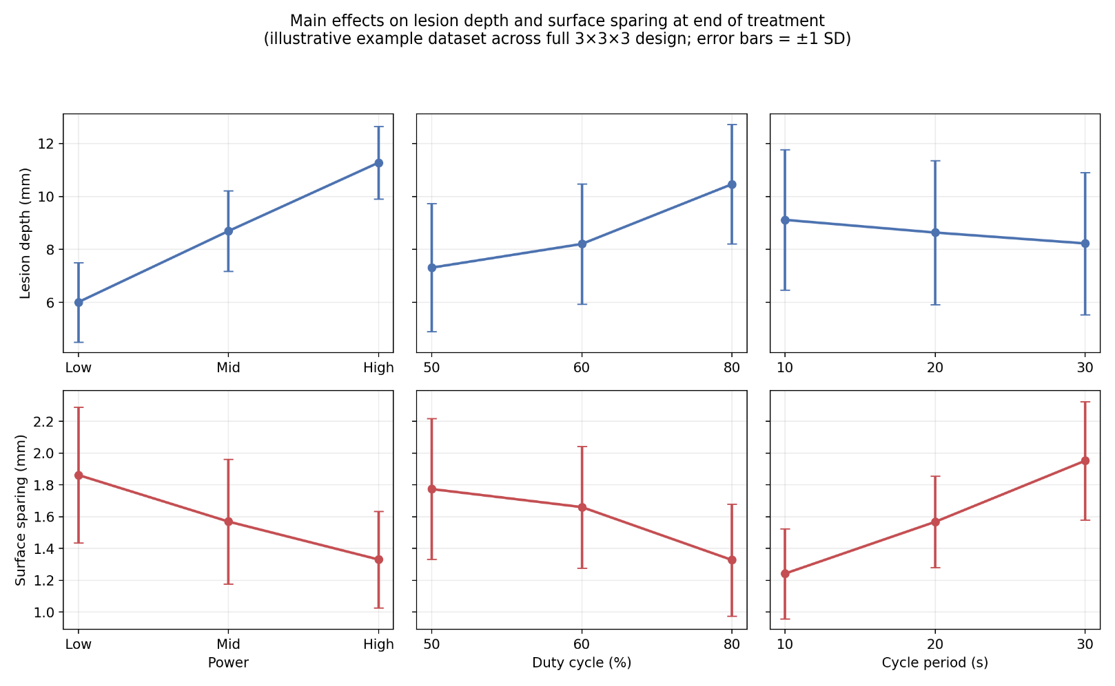
 |  |  |  | 200 | 10.76 | 8.13 | 3.51
 |  |  |  | 210 | 10.52 | 7.73 | 3.59
 |  |  |  | 220 | 9.96 | 7.41 | 4.22
 |  |  |  | 230 | 9.77 | 7.74 | 3.93
 |  |  |  | 240 | 10.09 | 7.22 | 4.04
 |  |  |  | 250 | 10.04 | 6.85 | 4.3
 |  |  |  | 260 | 9.72 | 7.33 | 4.14
 |  |  |  | 270 | 9.56 | 6.69 | 4.78
 |  |  |  | 280 | 8.92 | 6.59 | 4.67
 |  |  |  | 290 | 8.39 | 6.48 | 4.57
 |  |  |  | 300 | 8.71 | 5.84 | 4.57
 |  |  |  | 310 | 8.29 | 5.84 | 4.99
 |  |  |  | 320 | 7.33 | 5.1 | 5.52
 |  |  |  | 330 | 6.8 | 5.21 | 5.42
 |  |  |  | 340 | 6.48 | 4.78 | 5.63
 |  |  |  | 350 | 5.95 | 4.89 | 5.53
 |  |  |  | 360 | 5.95 | 4.46 | 6.06
6 | 50 | 20 | 6 | 0 | 0 | 0 | -
 |  |  |  | 30 | 0 | 0 | -
 |  |  |  | 60 | 0 | 0 | -
 |  |  |  | 90 | 0 | 0 | -
 |  |  |  | 120 | 6.91 | 5.1 | 3.29
 |  |  |  | 150 | 10.09 | 7.76 | 2.66
 |  |  |  | 180 | 8.92 | 6.53 | 3.03
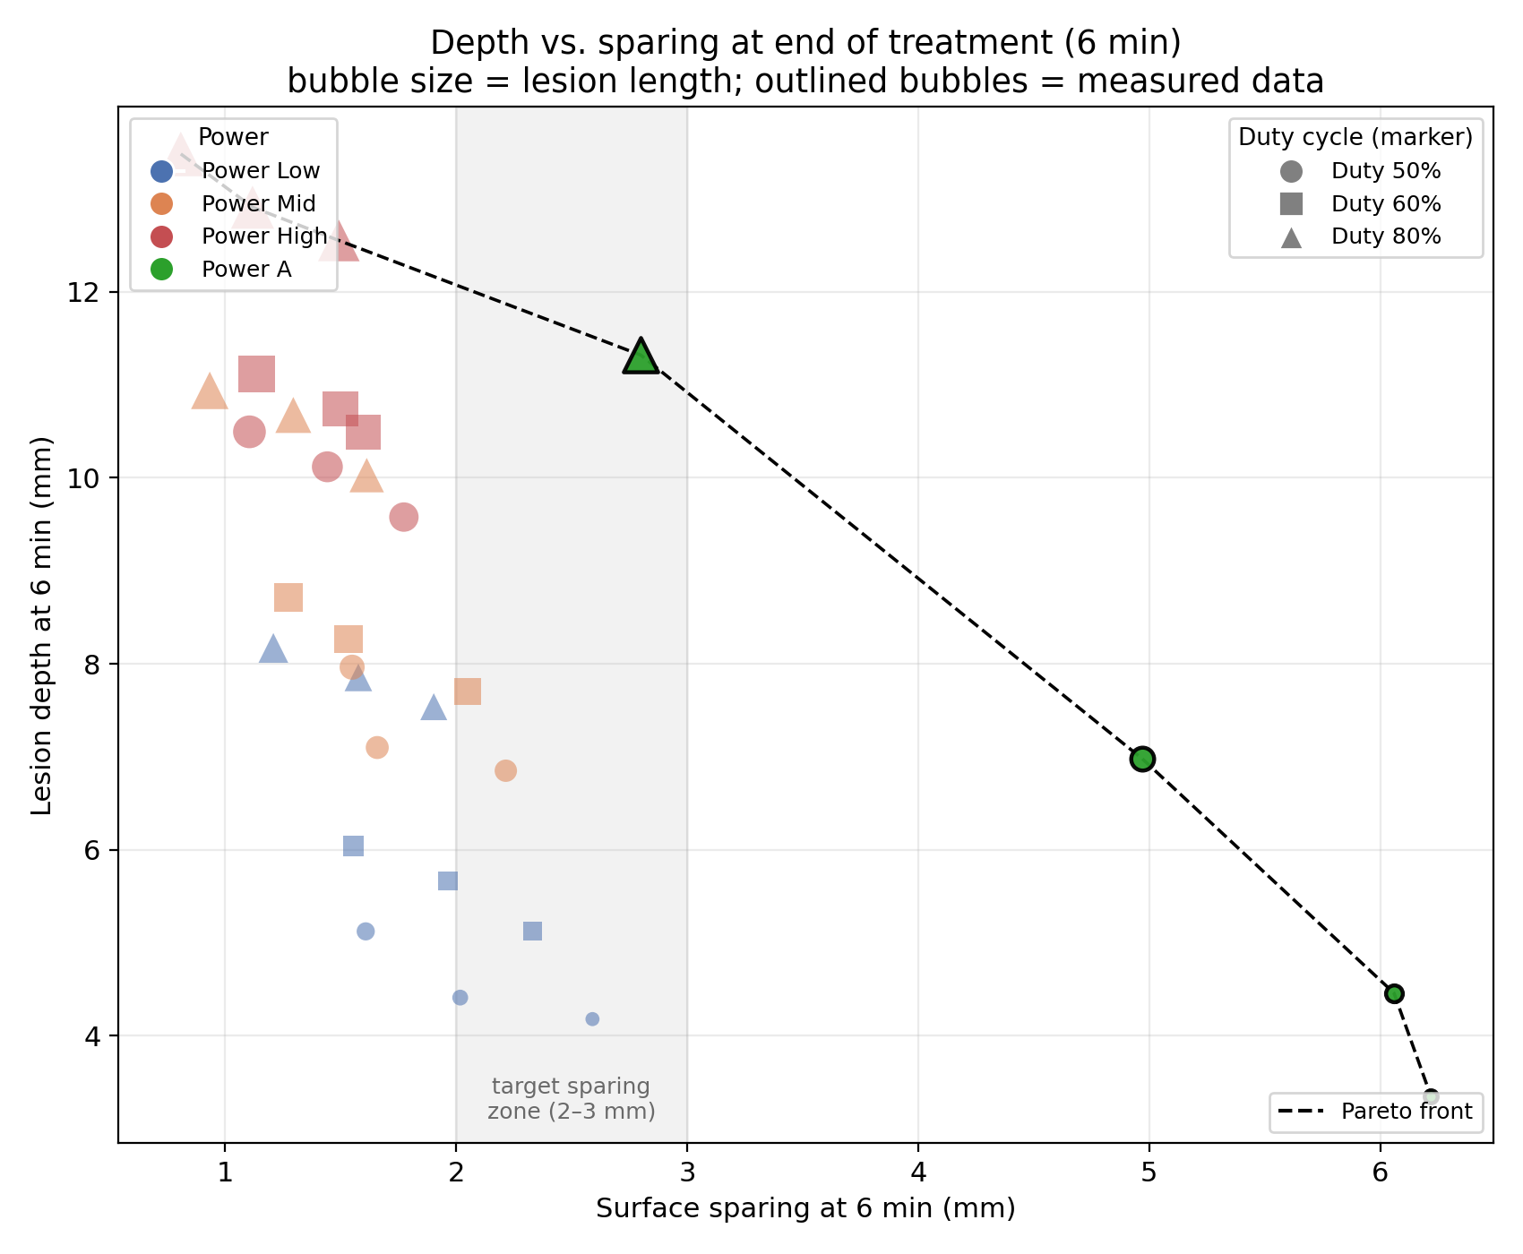
 |  |  |  | 200 | 9.88 | 7.01 | 3.29
 |  |  |  | 220 | 8.61 | 6.53 | 3.98
 |  |  |  | 240 | 7.81 | 5.74 | 4.3
 |  |  |  | 260 | 6.69 | 5.26 | 4.94
 |  |  |  | 280 | 6.37 | 4.62 | 5.26
 |  |  |  | 300 | 5.1 | 3.82 | 5.58
 |  |  |  | 320 | 5.74 | 3.67 | 6.06
 |  |  |  | 340 | 3.98 | 3.35 | 6.22
 |  |  |  | 360 | 4.38 | 3.35 | 6.22
7 | 50 | 30 | 6 | 0 | 0 | 0 | 0
 |  |  |  | 30 | 0 | 0 | 0
 |  |  |  | 60 | 0 | 0 | 0
 |  |  |  | 90 | 0 | 0 | 0
 |  |  |  | 120 | 6.46 | 4.34 | 3.39
 |  |  |  | 150 | 10.16 | 7.41 | 2.54
 |  |  |  | 180 | 12.17 | 9.21 | 2.33
 |  |  |  | 210 | 11.22 | 8.47 | 3.17
 |  |  |  | 240 | 10.26 | 7.51 | 3.92
 |  |  |  | 270 | 9.52 | 6.88 | 4.34
 |  |  |  | 300 | 9.31 | 6.88 | 4.66
 |  |  |  | 330 | 8.36 | 6.46 | 4.97
 |  |  |  | 360 | 8.57 | 6.98 | 4.97
11 | 80 | 10 | 6 | 0 | 0 | 0 | -
 |  |  |  | 30 | 0 | 0 | -
 |  |  |  | 60 | 0 | 0 | -
 |  |  |  | 90 | 0 | 0 | -
 |  |  |  | 120 | 5.71 | 4.23 | 3.07
 |  |  |  | 150 | 9.63 | 6.88 | 2.65
 |  |  |  | 180 | 11.64 | 8.57 | 2.22
 |  |  |  | 190 | 11.43 | 8.25 | 2.54
 |  |  |  | 200 | 11.9 | 8.36 | 2.59
 |  |  |  | 210 | 11.85 | 8.57 | 2.59
 |  |  |  | 220 | 12.06 | 8.84 | 2.65
 |  |  |  | 230 | 11.9 | 9.1 | 2.59
 |  |  |  | 240 | 12.43 | 9.15 | 2.7
 |  |  |  | 250 | 12.86 | 9.15 | 2.7
 |  |  |  | 260 | 12.8 | 9.42 | 2.7
 |  |  |  | 270 | 12.91 | 9.58 | 2.75
 |  |  |  | 280 | 12.86 | 9.68 | 2.8
 |  |  |  | 290 | 13.07 | 9.58 | 2.8
 |  |  |  | 300 | 12.86 | 9.84 | 2.8
 |  |  |  | 310 | 12.8 | 10.05 | 2.8
 |  |  |  | 320 | 12.91 | 10.16 | 2.8
 |  |  |  | 330 | 12.96 | 10.37 | 2.8
 |  |  |  | 340 | 13.07 | 10.48 | 2.8
 |  |  |  | 350 | 13.18 | 10.53 | 2.8
 |  |  |  | 360 | 13.76 | 11.32 | 2.8

25.08.26
Continuous Runs
Run | Power | Duty Cycle (%) | Cycle Period (s) | Duration (min) | Measurement (mm) | 30 | 60 | 90 | 120 | 150 | 180 | 210 | 240 | 270 | 300 | 330 | 360 | 390 | 420 | 450 | 480 | 510 | 540
1 | 30 | - | - | 10 | Length | 0.00 | 0.00 | 0.00 | 0.00 | 0.00 | 11.35 | 11.77 | 12.68 | 13.78 | 15.23 | 16.57 | 17.13 | 17.78 | 18.32 | 18.81 | 19.12 | 19.54 | 19.52
 |  |  |  |  | Depth | 0.00 | 0.00 | 0.00 | 0.00 | 0.00 | 5.83 | 6.56 | 7.86 | 8.83 | 11.72 | 12.78 | 13.17 | 13.97 | 14.33 | 14.89 | 15.59 | 15.86 | 16.17
 |  |  |  |  | Sparing | - | - | - | - | - | 1.97 | 2.04 | 2.16 | 2.03 | 2.00 | 1.65 | 1.72 | 1.15 | 1.40 | 1.37 | 1.21 | 1.47 | 1.27
2 | 40 | - | - | 6 | Length | 0.00 | 0.00 | 0.00 | 7.54 | 5.916 | 7.54 | 10.46 | 12.46 | 13.11 | 14.83 | 15.2 | 16.57
 |  |  |  |  | Depth | 0.00 | 0.00 | 0.00 | 4.4 | 3.21 | 4.4 | 7.55 | 9.72 | 10.8 | 11.57 | 12.58 | 13.15
 |  |  |  |  | Sparing | - | - | - | 2.17 | 2.53 | 2.17 | 1.89 | 1.72 | 1.63 | 1.63 | 1.63 | 1.63
3 | 50 | - | - | 6 | Length | 0 | 5.53 | 9.65 | 13.03 | 15.44 | 16.97 | 19.09 | 20.23 | 21.09 | 21.26 | 22.29 | 23.66
 |  |  |  |  | Depth | 0 | 3.43 | 6.82 | 8.8 | 10.69 | 11.77 | 13.09 | 13.77 | 15.09 | 15.89 | 16.4 | 17.49
 |  |  |  |  | Sparing | - | 2.1 | 1.54 | 1.43 | 1.14 | 1.14 | 0.97 | 0.97 | 0.97 | 0.97 | 0.97 | 0.97 |  |  |  |  |  |  | depth= | -2.46
4 | 60 | - | - | 6 | Length | 3.89 | 11.2 | 16.23 | 17.83 | 19.49 | 21.15 | 22.35 | 23.68 | 25.03 | 25.49 | 26.52 | 27.32 |  |  |  |  |  |  | length | -0.47
 |  |  |  |  | Depth | 0.97 | 7.26 | 10 |  | 13.54 | 13.77 | Depth | 16.69 | 17.49 | 18.63 | 19.43 | 19.89 |  |  |  |  |  |  | sparing | 0.83
 |  |  |  |  | Sparing | 2.63 | 1.26 | 0.97 | 0.97 | 0.86 | 90W | 0.69 | 0.63 | 0.63 | 0.57 | 0.57 | 0.57
5 | 70 | - | - | 6 | Length | 5.43 | 13.1 | 15.46 | 17.07 | 18.85 | 20.35 | 22.2 | 23.81 | 24.66 | 26.26 | 27.07 | 28.85
 |  |  |  |  | Depth | 2.07 | 6.47 | 9.55 | 12.67 | 14.55 | 16.57 | 19.07 | 20.89 | 21.84 | 22.24 | 22.82 | 23.05
 |  |  |  |  | Sparing | 2.85 | 1.55 | 1.38 | 1.21 | 1.09 | 1.04 | 0.87 | 0.7 | 0.52 | 0.52 | 0.52 | 0.52
6 | 90 | - | - | 6 | Length | 13.79 | 15.99 | 18.02 | 20.12 | 22.3 | 23.34 | 25.29 | 26.72 | 27.76 | 29.71 | 30.57 | 31.61
 |  |  |  |  | Depth | 5.73 | 8.06 | 10.69 | 15.35 | 17.26 | 19.37 | 20.98 | 22.24 | 23.16 | 23.62 | 23.74 | 24.08
 |  |  |  |  | Sparing | 1.12 | 0.95 | 0.86 | 0.81 | 0.69 | 0.63 | 0.52 | 0.46 | 0.46 | 0.46 | 0.46 | 0.46

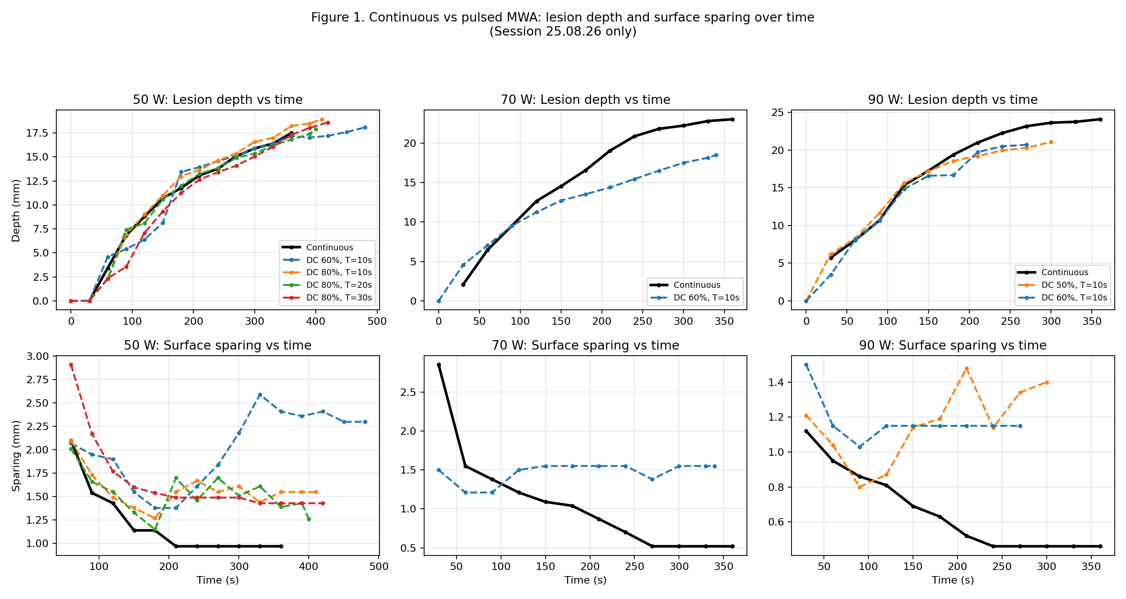
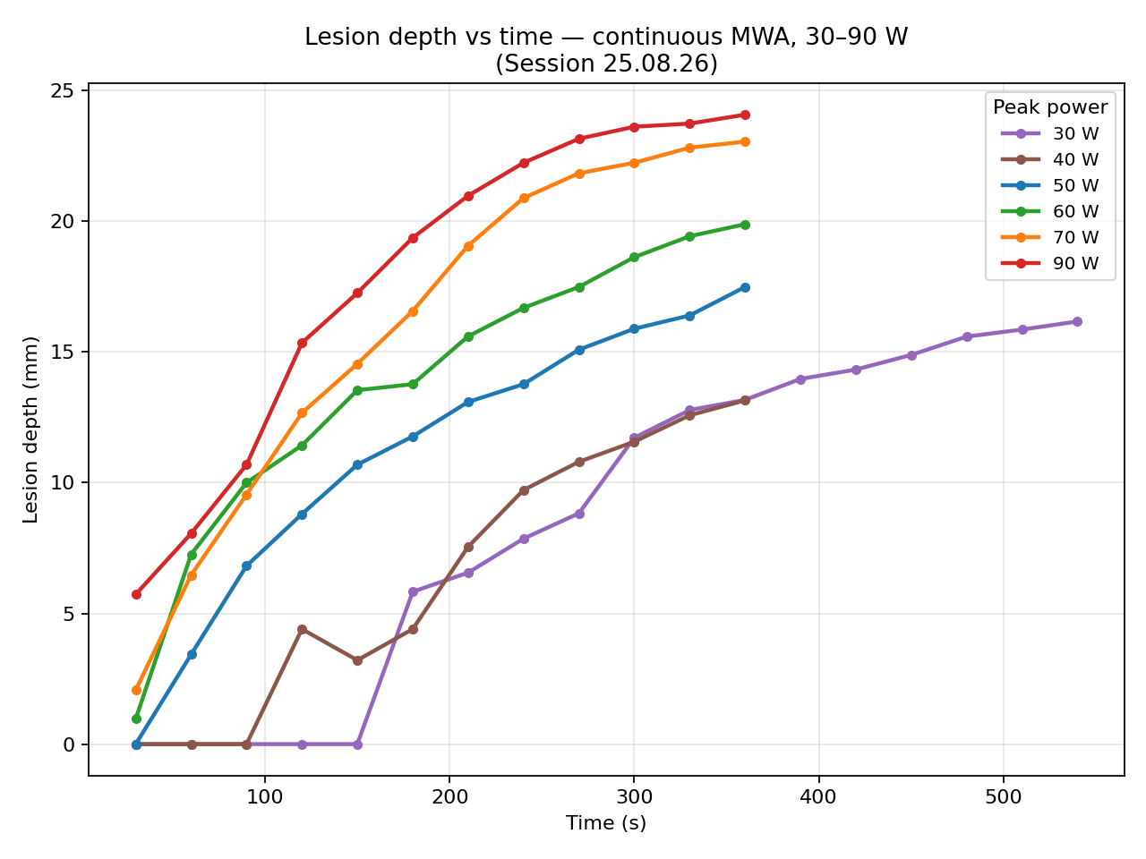
50 W Runs
Run | Duty Cycle (%) | Cycle Period (s) | Duration (min) | Time (s) | Length (mm) | Depth (mm) | Sparing (mm)
1 | 80 | 10 | 6 min 50s | 0 | 0 | 0 | -
 |  |  |  | 30 | 0 | 0 | -
 |  |  |  | 60 | 5.89 | 2.29 | 2.10
 |  |  |  | 90 | 14.28 | 6.91 | 1.73
 |  |  |  | 120 | 16.44 | 9.01 | 1.49
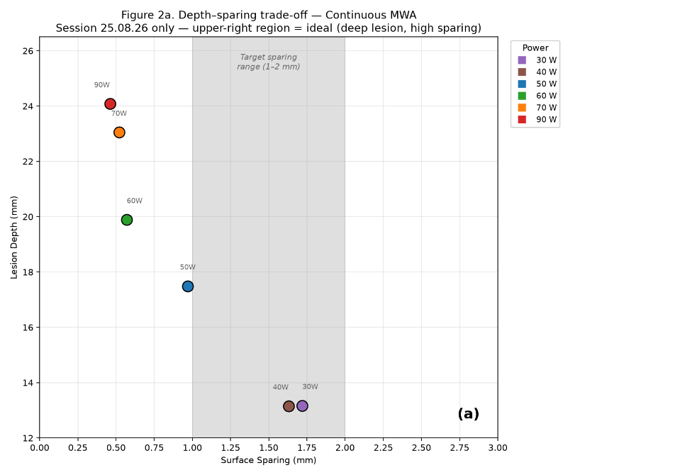
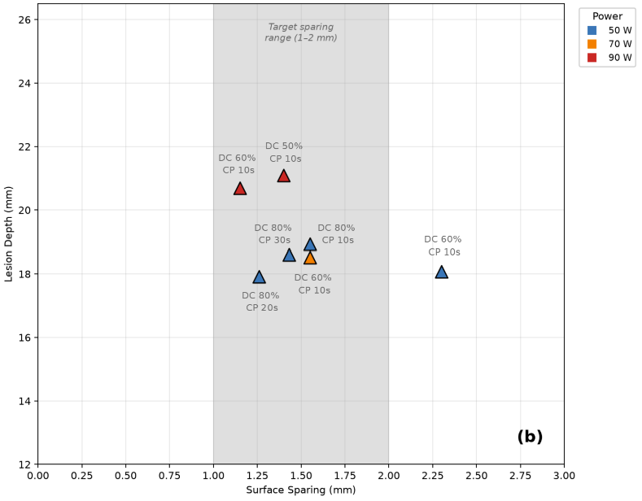
 |  |  |  | 150 | 18.14 | 10.97 | 1.38
 |  |  |  | 180 | 19.46 | 12.99 | 1.27
 |  |  |  | 210 | 19.86 | 13.65 | 1.55
 |  |  |  | 240 | 20.48 | 14.63 | 1.67
 |  |  |  | 270 | 21.24 | 15.38 | 1.55
 |  |  |  | 300 | 22.09 | 16.59 | 1.61
 |  |  |  | 330 | 22.31 | 16.98 | 1.44
 |  |  |  | 360 | 22.97 | 18.23 | 1.55
 |  |  |  | 390 | 23.44 | 18.49 | 1.55
 |  |  |  | 410 | 23.90 | 18.93 | 1.55 |  | s
2 | 80 | 20 | 6 min 40s | 0 | 0 | 0 | -
 |  |  |  | 30 | 0 | 0 | -
 |  |  |  | 60 | 5.96 | 2.31 | 2.01
 |  |  |  | 90 | 14.95 | 7.42 | 1.66
 |  |  |  | 120 | 15.72 | 8.09 | 1.55
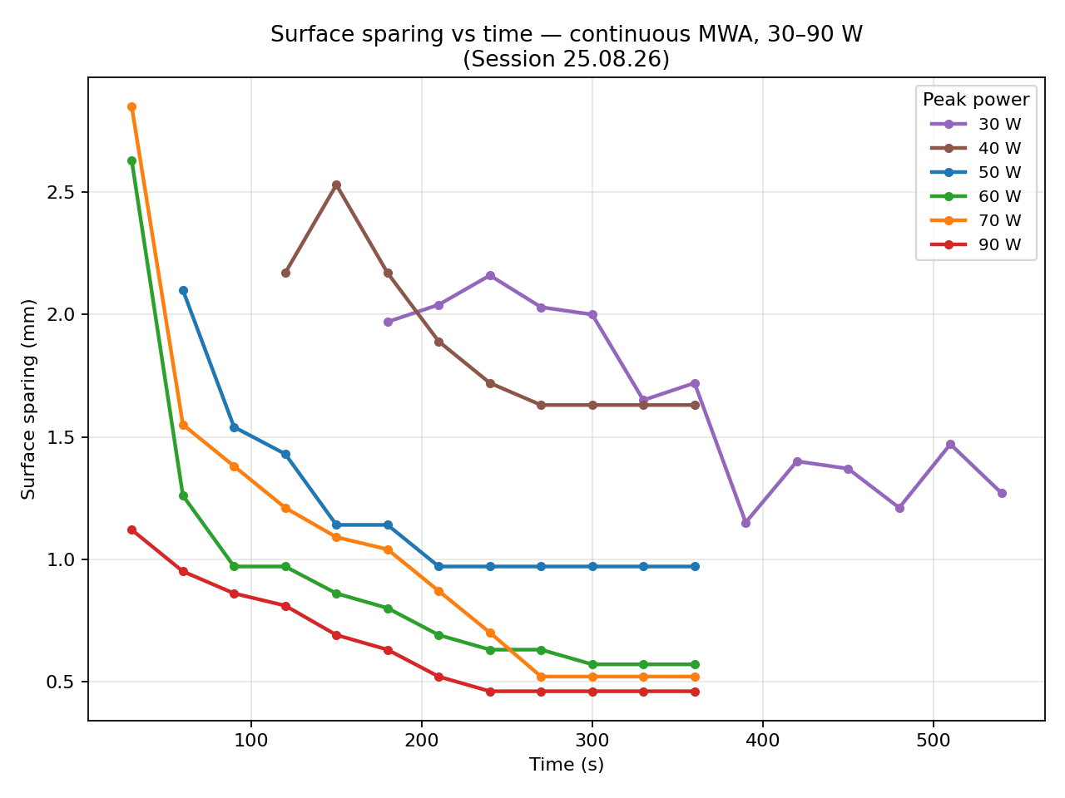
 |  |  |  | 150 | 17.42 | 10.59 | 1.33
 |  |  |  | 180 | 19.12 | 12.00 | 1.15
 |  |  |  | 210 | 19.75 | 13.25 | 1.70
 |  |  |  | 240 | 19.99 | 13.84 | 1.46
 |  |  |  | 270 | 20.47 | 14.92 | 1.70
 |  |  |  | 300 | 20.73 | 15.34 | 1.51
 |  |  |  | 330 | 21.57 | 16.21 | 1.61
 |  |  |  | 360 | 21.98 | 16.81 | 1.39
 |  |  |  | 390 | 22.30 | 17.39 | 1.43
 |  |  |  | 400 | 22.47 | 17.92 | 1.26
3 | 80 | 30 | 7 | 0 | 0 | 0 | -
 |  |  |  | 30 | 0 | 0 | -
 |  |  |  | 60 | 5.77 | 2.34 | 2.91
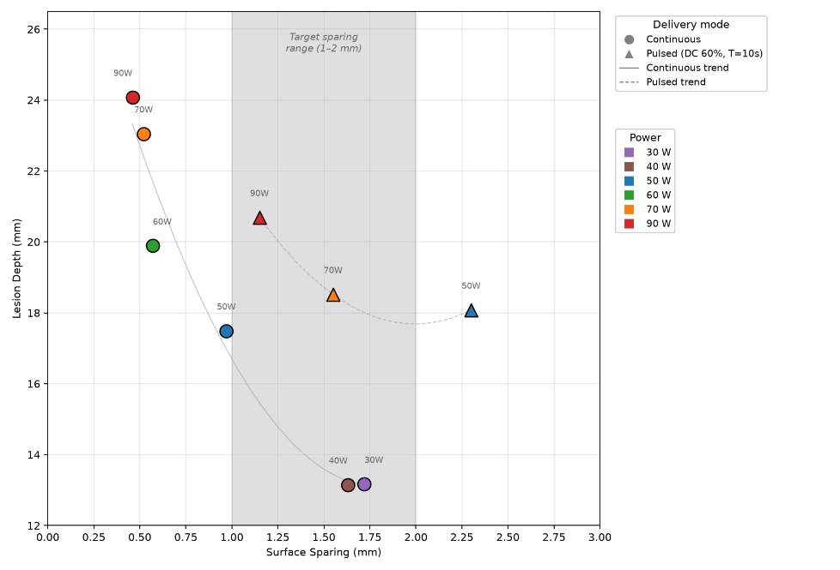
 |  |  |  | 90 | 6.86 | 3.54 | 2.17
 |  |  |  | 120 | 11.15 | 7.09 | 1.77
 |  |  |  | 150 | 16.95 | 9.33 | 1.60
 |  |  |  | 180 | 18.21 | 11.25 | 1.54
 |  |  |  | 210 | 18.49 | 12.65 | 1.49
 |  |  |  | 240 | 19.20 | 13.41 | 1.49
 |  |  |  | 270 | 19.99 | 14.09 | 1.49
 |  |  |  | 300 | 20.64 | 15.05 | 1.49
 |  |  |  | 330 | 21.46 | 16.06 | 1.43
 |  |  |  | 360 | 21.91 | 17.30 | 1.43
 |  |  |  | 390 | 22.47 | 18.04 | 1.43
 |  |  |  | 420 | 23.14 | 18.60 | 1.43
4 | 60 | 10 | 8 | 0 | 0 | 0 | -
 |  |  |  | 30 | 0 | 0 | -
 |  |  |  | 60 | 8.85 | 4.6 | 2.07
 |  |  |  | 90 | 9.79 | 5.4 | 1.95
 |  |  |  | 120 | 10.29 | 6.38 | 1.90
 |  |  |  | 150 | 14.08 | 8.16 | 1.55
 |  |  |  | 180 | 19.80 | 13.44 | 1.38
 |  |  |  | 210 | 20.17 | 13.94 | 1.38
 |  |  |  | 240 | 20.31 | 14.57 | 1.61
 |  |  |  | 270 | 20.09 | 15.12 | 1.84
 |  |  |  | 300 | 20.31 | 15.88 | 2.18
 |  |  |  | 330 | 20.48 | 16.41 | 2.59
 |  |  |  | 360 | 20.77 | 17.17 | 2.41
 |  |  |  | 390 | 20.89 | 17.02 | 2.36
 |  |  |  | 420 | 21.07 | 17.21 | 2.41
 |  |  |  | 450 | 21.28 | 17.59 | 2.30
 |  |  |  | 480 | 21.77 | 18.08 | 2.30

70 W Runs
Run | Duty Cycle (%) | Cycle Period (s) | Duration (min) | Time (s) | Length (mm) | Depth (mm) | Sparing (mm)
1 | 60 | 10 | 5 min 40s | 0 | 0 | 0 | -
 |  |  |  | 30 | 6.61 | 4.56 | 1.50
 |  |  |  | 60 | 13.54 | 7.05 | 1.21
 |  |  |  | 90 | 17.22 | 9.54 | 1.21
 |  |  |  | 120 | 19.16 | 11.25 | 1.50
 |  |  |  | 150 | 19.59 | 12.73 | 1.55
 |  |  |  | 180 | 19.91 | 13.53 | 1.55
 |  |  |  | 210 | 20.64 | 14.40 | 1.55
 |  |  |  | 240 | 21.11 | 15.46 | 1.55
 |  |  |  | 270 | 21.79 | 16.53 | 1.38
 |  |  |  | 300 | 22.25 | 17.52 | 1.55
 |  |  |  | 330 | 22.69 | 18.16 | 1.55
 |  |  |  | 340 | 23.07 | 18.52 | 1.55

90 W Runs
Run | Duty Cycle (%) | Cycle Period (s) | Duration (min) | Time (s) | Length (mm) | Depth (mm) | Sparing (mm)
1 | 60 | 10 | 4 min 30s | 0 | 0 | 0 | -
 |  |  |  | 30 | 8.28 | 3.45 | 1.50
 |  |  |  | 60 | 15.87 | 8.11 | 1.15
 |  |  |  | 90 | 23.10 | 10.69 | 1.03
 |  |  |  | 120 | 22.27 | 14.82 | 1.15
 |  |  |  | 150 | 23.34 | 16.59 | 1.15
 |  |  |  | 180 | 24.49 | 16.67 | 1.15
 |  |  |  | 210 | 24.68 | 19.71 | 1.15
 |  |  |  | 240 | 24.93 | 20.50 | 1.15
 |  |  |  | 270 | 25.06 | 20.69 | 1.15
2 | 50 | 10 | 5 min | 0 | 0 | 0 | -
 |  |  |  | 30 | 18.90 | 6.21 | 1.21
 |  |  |  | 60 | 21.46 | 8.28 | 1.04
 |  |  |  | 90 | 22.94 | 11.67 | 0.80
 |  |  |  | 120 | 22.34 | 15.63 | 0.87
 |  |  |  | 150 | 23.17 | 17.18 | 1.14
 |  |  |  | 180 | 23.69 | 18.56 | 1.19
 |  |  |  | 210 | 24.41 | 19.19 | 1.48
 |  |  |  | 240 | 24.38 | 19.95 | 1.14
 |  |  |  | 270 | 24.41 | 20.28 | 1.34
 |  |  |  | 300 | 25.96 | 21.09 | 1.40

