Defect_Report
Defect_Report

Defect id | Project Name | Module Name | Sub-Module Name | Phase | Type of Defect | Severity | Priority | Summary | Description |  |  |  |  | Status | Screeshot
 |  |  |  |  |  |  |  |  | Step id | Steps | Input Data | Expected Result | Actual Result

D_01 | AbleSpace | SignUp | SignUp | Integration | Functional | Very High |  | When User enter Full name with numbers or invalid data so it doesn’t show any error message | 1 | Enter the Email ID | testgmailcom | Entered email id should be displayed and error message should displayed | Entered email id is be displayed and error message is displayed | New | 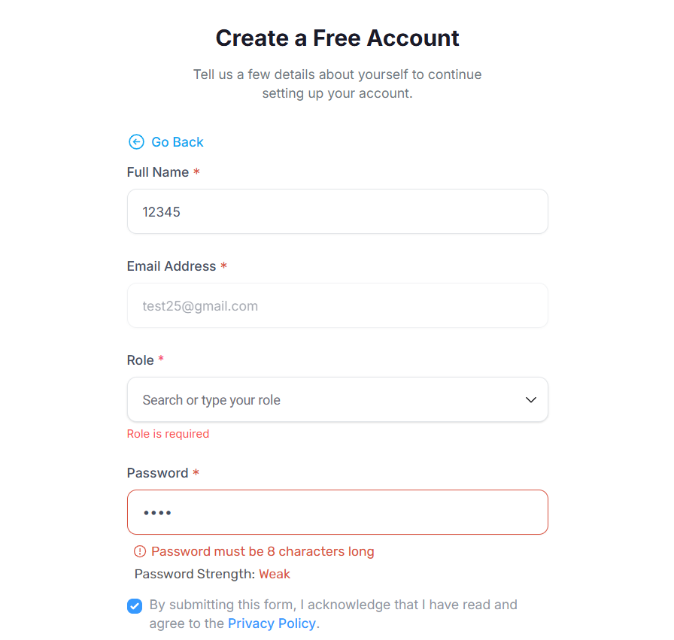
 |  |  |  |  |  |  |  |  | 2 | Enter the Full Name | 12345 | Entered full name should displayed and error message should displayed | Entered full name is displayed but error message is not displayed
 |  |  |  |  |  |  |  |  | 3 | Enter the Email Id | testgmailcom | Entered email id should be displayed and error message should displayed | Entered email id is displayed and error message is displayed
 |  |  |  |  |  |  |  |  | 4 | Select the Role |  | After Clicking on tab option should not displayed | After Clicking on tab option is not displayed
 |  |  |  |  |  |  |  |  | 5 | Enter the Password | #$%& | Entered Password should displayed and error message should displayed | Entered Password is displayed and error message is displayed
 |  |  |  |  |  |  |  |  | 6 | Click on check Box |  | Check Box should be clicked | Check Box is clicked
 |  |  |  |  |  |  |  |  | 7 | Click on Continue Button |  | Continue button should not be clicked and error message should be displayed and should not Sign Up Sucessfully | Continue button is not clicked and error message is displayed is not Sign Up Sucessfully

D_02 | AbleSpace | CreateStudent | CreateStudent | Integration | Functional | High |  | When User enter invalid data while creating new student data it accepted and add the data | 1 | Enter the First and Last Name | #$% $%& | Entered first and last name should be displayed | Entered first and last name is displayed | New | 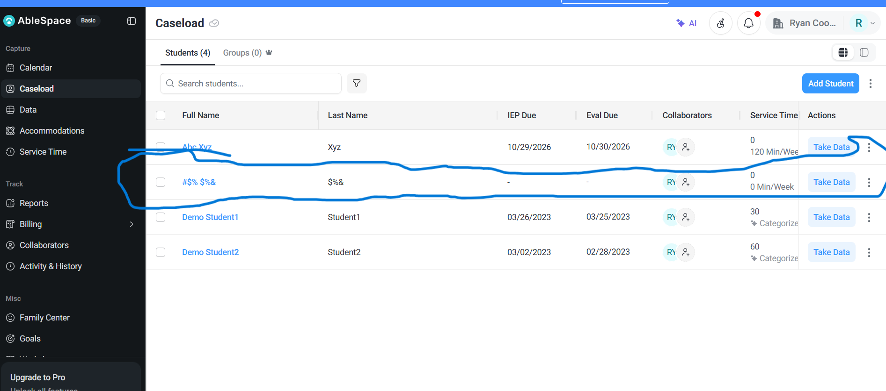
 |  |  |  |  |  |  |  |  | 2 | Enter the Service Time | 0 min/week | Entered service time should displayed | Entered service time is displayed
 |  |  |  |  |  |  |  |  | 3 | Enter the School Name | #$%& | Entered School name should displayed | Entered School name is displayed
 |  |  |  |  |  |  |  |  | 4 | Select the Grade |  | Option should be selected | Option is selected
 |  |  |  |  |  |  |  |  | 5 | Enter Teacher name |  | Teacher Name should be displayed | Teacher name is displayed
 |  |  |  |  |  |  |  |  | 6 | Enter the Roon Number | #$% | Room Number should displayed | Room Number is displayed
 |  |  |  |  |  |  |  |  | 7 | Select IEP due date |  | IEP Due date should displyed | IEP due date is displayed
 |  |  |  |  |  |  |  |  | 8 | Select Eval due date |  | Eval Due date should displyed | Eval Due date is displyed
 |  |  |  |  |  |  |  |  | 9 | Click Create Button |  | Create button should not clicked and new Student should not added Successfully and Error message should be displayed | Create button is clicked and new Student is added Successfully and Error message is not displayed

D_03 | AbleSpace | Accommodations | Accommodations | Integration | Functional | High |  | When User select any option from filter it doesn’t work | 1 | Click on Accommodations button |  | Accommodation page should open | Accommodation page is opened | New | 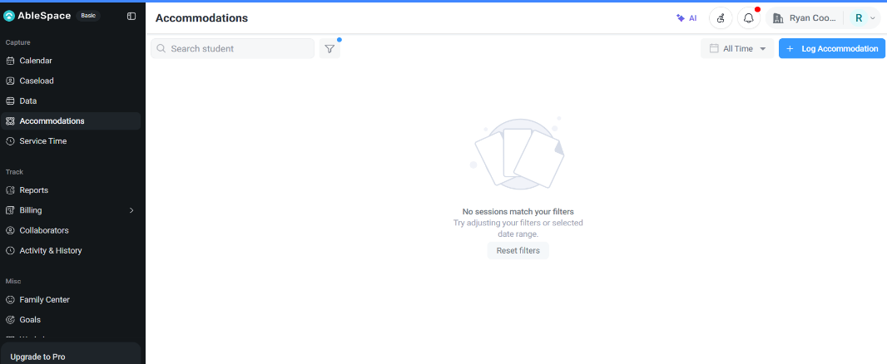
 |  |  |  |  |  |  |  |  | 2 | Click on Filter and select one Option | Demo Student1 | After applying filter that particular filtered data should be display | After applying filter that particular filtered data is not be display and "No sessions match your filters" message shows

