Sheet1
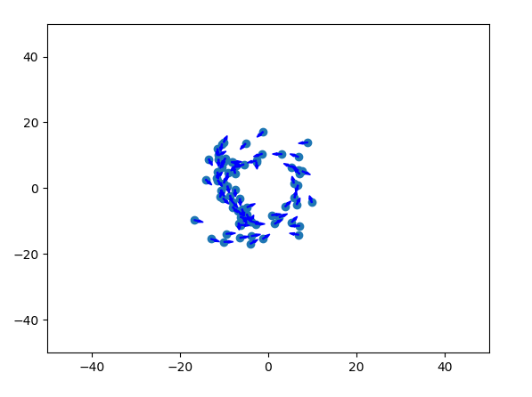
Torus
Number of individuals | Symbol | Value | Number of individuals | Symbol | Value
Zone of repulsion | rr | 1 | Zone of repulsion | rr | 1
Zone of orientation | ro | 1.8 | Zone of orientation | ro | 1.6
Zone of attraction | ra | 12 | Zone of attraction | ra | 18
Field of perception | α | π | Field of perception | α | π
Turning rate | θ | 2/9π | Turning rate | θ | 1/6π
Speed | s | 6 | Speed | s | 6
Time step increment | 𝜏 | 0.1 | Time step increment | 𝜏 | 0.1
Error (S.D.) | σ | 0 | Error (S.D.) | σ | 0

Swarm
Number of individuals | N | Value
Zone of repulsion | rr | 1
Zone of orientation | ro | 1.1
Zone of attraction | ra | 12
Field of perception | α | 3/2π
Turning rate | θ | 5/9π
Speed | s | 3
Time step increment | 𝜏 | 0.1
Error (S.D.) | σ | 0

Dynamically Parallel
Number of individuals | N | Value
Zone of repulsion | rr | 2
Zone of orientation | ro | 7
Zone of attraction | ra | 10
Field of perception | α | 3/2π
Turning rate | θ | 1/3π
Speed | s | 3 |  |  |  | 490
Time step increment | 𝜏 | 0.1 |  |  |  | 294
Error (S.D.) | σ | 0.2

Highly parallel |  |  |  |  |  | 162
Number of individuals | N | Value
Zone of repulsion | rr | 1
Zone of orientation | ro | 10
Zone of attraction | ra | 15
Field of perception | α | 1.2π
Turning rate | θ | 4/9π
Speed | s | 3
Time step increment | 𝜏 | 0.1
Error (S.D.) | σ | 0

