NDD-2
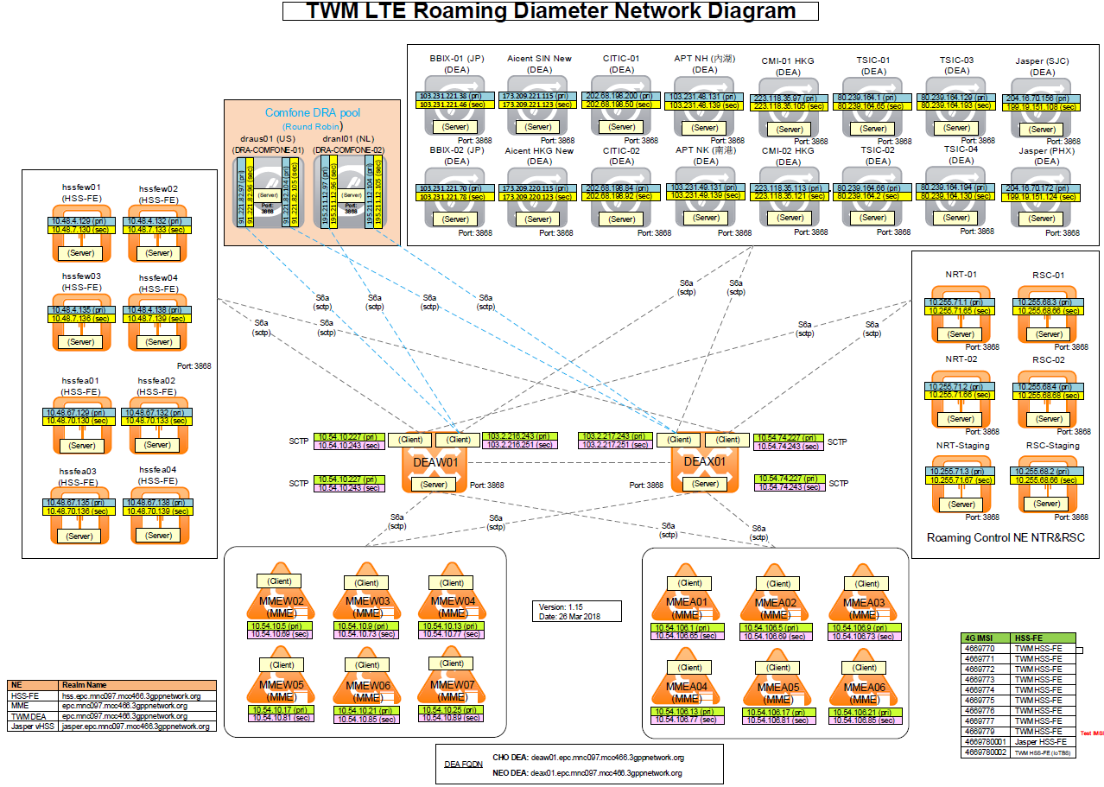

IP & Networking
IP and Networking
This table describes the networks in the TAIWAN MOBILE deployment – two SDC sites and EMS.
NEO SITE
Interconnect Network
Subnet Name: | Interface (NIC) | Ip address | VLAN | Subnet Address | Subnet Mask | Default gateway | REMARKS | NSN SW PORT
Interconnect DEAX01 | bond1(eth1, eth5) | 192.168.50.242 |  | 192.168.50.240 | 255.255.255.240 |  |  | ge-0/3/4-NEOLTEMX1, ge-0/3/4 -NEOLTEMX2
Interconnect DEAX02 | bond1(eth1, eth5) | 192.168.50.243 |  | 192.168.50.240 | 255.255.255.240 |  |  | ge-0/3/5-NEOLTEMX1, ge-0/3/5 -NEOLTEMX2
Interconnect VIP DEAX |  | 192.168.50.244 |  | 192.168.50.240 | 255.255.255.240

Management Network
Subnet Name: | Interface (NIC) | IP Address | VLAN | Subnet Address | Subnet Mask | Default gateway | REMARKS | NSN SW PORT |  | Internal Signaling
management DEAX01 | bond0 (eth0, eth4) | 172.18.213.129 | NA | 172.18.213.128 | 255.255.255.128 | 172.18.213.254 |  | ge-0/0/3-neo-oam-sw1,ge-1/0/3-neo-oam-sw2
management ILO DEAX01 | ILO | 172.18.213.130 | NA | 172.18.213.128 | 255.255.255.128 | 172.18.213.254 |  | ge-0/0/5-neo-oam-sw1 |  | DCN/OAM
management DEAX02 | bond0 (eth0, eth4) | 172.18.213.131 | NA | 172.18.213.128 | 255.255.255.128 | 172.18.213.254 |  | ge-0/0/4-neo-oam-sw1,ge-1/0/4-neo-oam-sw2
management ILO DEAX02 | ILO | 172.18.213.132 | NA | 172.18.213.128 | 255.255.255.128 | 172.18.213.254 |  | ge-1/0/5-neo-oam-sw2
MGMT VIP DEAX |  | 172.18.213.136 | NA | 172.18.213.128 | 255.255.255.128 | 172.18.213.254

Signaling network (SCTP):
Subnet Name | Interface (NIC) | IP Address | VLAN | Subnet Address | Subnet Mask | Default gateway | REMARKS | NSN SW PORT
Signaling 1 (SCTP-P-A) DEAX01 | eth2 | 10.54.74.225 |  | 10.54.74.224 | 255.255.255.240 |  |  | ge-0/3/2-NEOLTEMX1
Signaling 1 (SCTP-P-A) DEAX02 | eth2 | 10.54.74.226 |  | 10.54.74.224 | 255.255.255.240 |  |  | ge-0/3/3-NEOLTEMX1
Signaling 1 (SCTP-P-A) VIP | VIP | 10.54.74.227 |  | 10.54.74.224 | 255.255.255.240 | 10.54.74.238 |  | NA
Signaling 2 (SCTP-P-B) DEAX01 | eth6 | 10.54.74.241 |  | 10.54.74.240 | 255.255.255.240 |  |  | ge-0/3/2-NEOLTEMX2
Signaling 2 (SCTP-P-B) DEAX02 | eth6 | 10.54.74.242 |  | 10.54.74.240 | 255.255.255.240 |  |  | ge-0/3/3-NEOLTEMX2 | SDC
Signaling 2 (SCTP-P-B) VIP | VIP | 10.54.74.243 |  | 10.54.74.240 | 255.255.255.240 | 10.54.74.254 |  | NA
Signaling 3 (SCTP-R-A) DEAX01 | eth3 | 103.2.217.241 |  | 103.2.217.240 | 255.255.255.248 |  |  | ge-0/3/6-NEOLTEMX1
Signaling 3 (SCTP-R-A) DEAX02 | eth3 | 103.2.217.242 |  | 103.2.217.240 | 255.255.255.248 |  |  | ge-0/3/7-NEOLTEMX1
Signaling 3 (SCTP-R-A) VIP | VIP | 103.2.217.243 |  | 103.2.217.240 | 255.255.255.248 | 103.2.217.246 |  | NA
Signaling 4 (SCTP-R-B) DEAX01 | eth7 | 103.2.217.249 |  | 103.2.217.248 | 255.255.255.248 |  |  | ge-0/3/6-NEOLTEMX2
Signaling 4 (SCTP-R-B) DEAX02 | eth7 | 103.2.217.250 |  | 103.2.217.248 | 255.255.255.248 |  |  | ge-0/3/7-NEOLTEMX2
Signaling 4 (SCTP-R-B) VIP | VIP | 103.2.217.251 |  | 103.2.217.248 | 255.255.255.248 | 103.2.217.254 |  | NA

NEO SDC Cluster
DEA Cluster Network :
Subnet Name | Interface (NIC) | IP Address | VLAN | Subnet Address | Subnet Mask | Default gateway | REMARKS | NSN SW PORT
WebUI | vip | 172.18.213.133 | NA | 172.18.213.128 | 255.255.255.128 | 172.18.213.254 |  | NA
Splunk Forwarder | vip | 172.18.213.134 | NA | 172.18.213.128 | 255.255.255.128 | 172.18.213.254 |  | NA
NMS Agent | vip | 172.18.213.135 | NA | 172.18.213.128 | 255.255.255.128 | 172.18.213.254 |  | NA
OAM NETWORK
INTERCONNECT NETWORK
ILO
Eth7,Eth6,Eth5,Eth4
SCTP-P-A | vip | 10.54.74.227 |  | 10.54.74.224 | 255.255.255.240 | 10.54.74.238 |  | NA | EMS
SCTP-P-B | vip | 10.54.74.243 |  | 10.54.74.240 | 255.255.255.240 | 10.54.74.254 |  | NA
Eth3,Eth2,Eth1,Eth0
SCTP-R-A | vip | 103.2.217.243 |  | 103.2.217.240 | 255.255.255.248 | 103.2.217.246 |  | NA
SCTP-R-B | vip | 103.2.217.251 |  | 103.2.217.248 | 255.255.255.248 | 103.2.217.254 |  | NA

NEO EMS
Interconnect Network
Subnet Name: | Interface (NIC) | Ip address | VLAN | Subnet Address | Subnet Mask | Default gateway | REMARKS | NSN SW PORT
Interconnect DEAEMSX01 | bond1(eth1, eth5) | 192.168.51.210 |  | 192.168.51.208 | 255.255.255.240 |  |  | ge-0/0/17- NEO-DRAEMS-SW1,ge-1/0/17-NEO-DRAEMS-SW2
Interconnect DEAEMSX02 | bond1(eth1, eth5) | 192.168.51.211 |  | 192.168.51.208 | 255.255.255.240 |  |  | ge-0/0/18- NEO-DRAEMS-SW1,ge-1/0/18-NEO-DRAEMS-SW2
Interconnect DEAEMSX03 | bond1(eth1, eth5) | 192.168.51.213 |  | 192.168.51.208 | 255.255.255.240 |  |  | ge-0/0/19- NEO-DRAEMS-SW1,ge-1/0/19-NEO-DRAEMS-SW2
Interconnect VIP DEAEMS |  | 192.168.51.214 |  | 192.168.51.208 | 255.255.255.240

Management Network
Subnet Name: | Interface (NIC) | Ip address | VLAN | Subnet Address | Subnet Mask | Default gateway | REMARKS | NSN SW PORT
Management DEAEMSX01 | bond0 (eth0, eth4) | 172.18.8.122 | NA | 172.18.8.0 | 255.255.255.0 | 172.18.8.254 |  | ge-0/0/10- NEO-DRAEMS-SW1,ge-1/0/10-NEO-DRAEMS-SW2
management ILO DEAEMSX01 | ILO | 172.18.8.123 | NA | 172.18.8.0 | 255.255.255.0 | 172.18.8.254 |  | ge-0/0/13- NEO-DRAEMS-SW1
Management DEAEMSX02 | bond0 (eth0, eth4) | 172.18.8.124 | NA | 172.18.8.0 | 255.255.255.0 | 172.18.8.254 |  | ge-0/0/11- NEO-DRAEMS-SW1,ge-1/0/11-NEO-DRAEMS-SW2
management ILO DEAEMSX02 | ILO | 172.18.8.125 | NA | 172.18.8.0 | 255.255.255.0 | 172.18.8.254 |  | ge-1/0/13- NEO-DRAEMS-SW2
Management DEAEMSX03 | bond0 (eth0, eth4) | 172.18.8.141 | NA | 172.18.8.0 | 255.255.255.0 | 172.18.8.254 |  | ge-0/0/12- NEO-DRAEMS-SW1,ge-1/0/12-NEO-DRAEMS-SW2
management ILO DEAEMSX03 | ILO | 172.18.8.142 | NA | 172.18.8.0 | 255.255.255.0 | 172.18.8.254 |  | ge-0/0/14- NEO-DRAEMS-SW1
Management Web_UI | vip | 172.18.8.126 | NA | 172.18.8.0 | 255.255.255.0 | 172.18.8.254 |  | NA
Management NMS Manager | vip | 172.18.8.127 | NA | 172.18.8.0 | 255.255.255.0 | 172.18.8.254 |  | NA
Management Splunk Master | vip | 172.18.8.128 | NA | 172.18.8.0 | 255.255.255.0 | 172.18.8.254 |  | NA
MGMT VIP DEAEMS |  | 172.18.8.133 | NA | 172.18.8.0 | 255.255.255.0 | 172.18.8.254

NEO NTP svr: (P) 172.18.0.101 (S) 172.18.0.102
CHO SITE
Interconnect Network
Subnet Name: | Interface (NIC) | Ip address | VLAN | Subnet Address | Subnet Mask | Default gateway | REMARKS | NSN SW PORT |  | Internal Signaling
Interconnect DEAW01 | bond1(eth1, eth5) | 192.168.60.242 |  | 192.168.60.240 | 255.255.255.240 |  |  | ge-0/3/4-CHOLTEMX1, ge-0/3/4 -CHOLTEMX2
Interconnect DEAW02 | bond1(eth1, eth5) | 192.168.60.243 |  | 192.168.60.240 | 255.255.255.240 |  |  | ge-0/3/5-CHOLTEMX1, ge-0/3/5 -CHOLTEMX2 |  | DCN/OAM
Interconnect VIP DEAW |  | 192.168.60.244 |  | 192.168.60.240 | 255.255.255.240

Management Network
Subnet Name: | Interface (NIC) | IP Address | VLAN | Subnet Address | Subnet Mask | Default gateway | REMARKS | NSN SW PORT
management DEAW01 | bond0 (eth0, eth4) | 172.18.212.129 | NA | 172.18.212.128 | 255.255.255.128 | 172.18.212.254 |  | ge-0/0/3-cho-oam-sw1,ge-1/0/3-cho-oam-sw2
management ILO DEAW01 | ILO | 172.18.212.130 | NA | 172.18.212.128 | 255.255.255.128 | 172.18.212.254 |  | ge-0/0/5-cho-oam-sw1
management DEAW02 | bond0 (eth0, eth4) | 172.18.212.131 | NA | 172.18.212.128 | 255.255.255.128 | 172.18.212.254 |  | ge-0/0/4-cho-oam-sw1,ge-1/0/4-cho-oam-sw2
management ILO DEAW02 | ILO | 172.18.212.132 | NA | 172.18.212.128 | 255.255.255.128 | 172.18.212.254 |  | ge-1/0/5-cho-oam-sw2
MGMT VIP DEAW |  | 172.18.212.136 | NA | 172.18.212.128 | 255.255.255.128 | 172.18.212.254

Signaling network (SCTP):
Subnet Name | Interface (NIC) | IP Address | VLAN | Subnet Address | Subnet Mask | Default gateway | REMARKS | NSN SW PORT
Signaling 1 (SCTP-P-A) DEAW01 | eth2 | 10.54.10.225 |  | 10.54.10.224 | 255.255.255.240 |  |  | ge-0/3/2-CHOLTEMX1
Signaling 1 (SCTP-P-A) DEAW02 | eth2 | 10.54.10.226 |  | 10.54.10.224 | 255.255.255.240 |  |  | ge-0/3/3-CHOLTEMX1
Signaling 1 (SCTP-P-A) VIP | VIP | 10.54.10.227 |  | 10.54.10.224 | 255.255.255.240 | 10.54.10.238 |  | NA
Signaling 2 (SCTP-P-B) DEAW01 | eth6 | 10.54.10.241 |  | 10.54.10.240 | 255.255.255.240 |  |  | ge-0/3/2-CHOLTEMX2
Signaling 2 (SCTP-P-B) DEAW02 | eth6 | 10.54.10.242 |  | 10.54.10.240 | 255.255.255.240 |  |  | ge-0/3/3-CHOLTEMX2
Signaling 2 (SCTP-P-B) VIP | VIP | 10.54.10.243 |  | 10.54.10.240 | 255.255.255.240 | 10.54.10.254 |  | NA
Signaling 3 (SCTP-R-A) DEAW01 | eth3 | 103.2.216.241 |  | 103.2.216.240 | 255.255.255.248 |  |  | ge-0/3/6-CHOLTEMX1
Signaling 3 (SCTP-R-A) DEAW02 | eth3 | 103.2.216.242 |  | 103.2.216.240 | 255.255.255.248 |  |  | ge-0/3/7-CHOLTEMX1
Signaling 3 (SCTP-R-A) VIP | VIP | 103.2.216.243 |  | 103.2.216.240 | 255.255.255.248 | 103.2.216.246 |  | NA
Signaling 4 (SCTP-R-B) DEAW01 | eth7 | 103.2.216.249 |  | 103.2.216.248 | 255.255.255.248 |  |  | ge-0/3/6-CHOLTEMX2
Signaling 4 (SCTP-R-B) DEAW02 | eth7 | 103.2.216.250 |  | 103.2.216.248 | 255.255.255.248 |  |  | ge-0/3/7-CHOLTEMX2
Signaling 4 (SCTP-R-B) VIP | VIP | 103.2.216.251 |  | 103.2.216.248 | 255.255.255.248 | 103.2.216.254 |  | NA

CHO SDC Cluster
DEA Cluster Network:
Subnet Name | Interface (NIC) | IP Address | VLAN | Subnet Address | Subnet Mask | Default gateway | REMARKS | NSN SW PORT
WebUI | vip | 172.18.212.133 | NA | 172.18.212.128 | 255.255.255.128 | 172.18.212.254 |  | NA
Splunk Forwarder | vip | 172.18.212.134 | NA | 172.18.212.128 | 255.255.255.128 | 172.18.212.254 |  | NA
NMS Agent | vip | 172.18.212.135 | NA | 172.18.212.128 | 255.255.255.128 | 172.18.212.254 |  | NA
SCTP-P-A | vip | 10.54.10.227 |  | 10.54.10.224 | 255.255.255.240 | 10.54.10.238 |  | NA
SCTP-P-B | vip | 10.54.10.243 |  | 10.54.10.240 | 255.255.255.240 | 10.54.10.254 |  | NA
SCTP-R-A | vip | 103.2.216.243 |  | 103.2.216.240 | 255.255.255.248 | 103.2.216.246 |  | NA
SCTP-R-B | vip | 103.2.216.251 |  | 103.2.216.248 | 255.255.255.248 | 103.2.216.254 |  | NA

CHO NTP svr: (P) 172.18.0.102 (S) 172.18.0.101

