Sheet1
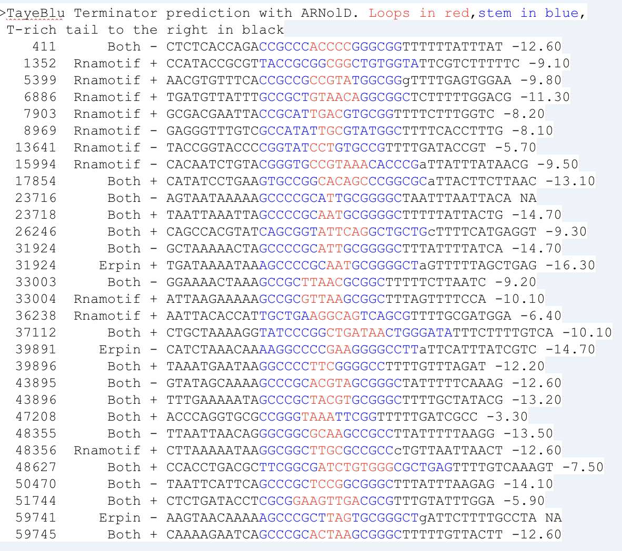
http://rssf.i2bc.paris-saclay.fr/toolbox/arnold/index.php#Results
TayeBlu_basepair | Program used(Rnamotif/Erpin) | Predicted strand | Sequences | Energy score | Manual curation based on genomic context
411 | Both | - | CTCTCACCAGACCGCCCACCCCGGGCGGTTTTTTATTTAT | -12.6 | 411 - Yes
1352 | Rnamotif | + | CCATACCGCGTTACCGCGGCGGCTGTGGTATTCGTCTTTTTC | -9.1 | 1352 - No (genes are -)
5399 | Rnamotif | + | AACGTGTTTCACCGCCGCCGTATGGCGGgTTTTGAGTGGAA | -9.8 | 5399 - No (genes + but middle of a transcript)
6886 | Rnamotif | + | TGATGTTATTTGCCGCTGTAACAGGCGGCTCTTTTTGGACG | -11.3 | 6886 - Yes
7903 | Rnamotif | + | GCGACGAATTACCGCATTGACGTGCGGTTTTCTTTGGTC | -8.2 | 7903 - Yes
8969 | Rnamotif | - | GAGGGTTTGTCGCCATATTGCGTATGGCTTTTCACCTTTG | -8.1 | 8969 - No (genes are +, also middle of transcript)
13641 | Rnamotif | - | TACCGGTACCCCGGTATCCTGTGCCGTTTTGATACCGT | -5.7 | 13641 - No
15994 | Rnamotif | - | CACAATCTGTACGGGTGCCGTAAACACCCGaTTATTTATAACG | -9.5 | 15994 - uncertain(genes -, looks like middle of tr)
17854 | Both | + | CATATCCTGAAGTGCCGGCACAGCCCGGCGCaTTACTTCTTAAC | -13.1 | 17854 - uncertain (not too sure, overlap region)
23716 | Both | - | AGTAATAAAAAGCCCCGCATTGCGGGGCTAATTTAATTACA | NA | 23716 - Yes
23718 | Both | + | TAATTAAATTAGCCCCGCAATGCGGGGCTTTTTATTACTG | -14.7 | 23718 - No
26246 | Both | + | CAGCCACGTATCAGCGGTATTCAGGCTGCTGcTTTTCATGAGGT | -9.3 | 26246 - No (still within transcript in a way)
31924 | Both | - | GCTAAAAACTAGCCCCGCATTGCGGGGCTTTATTTTATCA | -14.7 | 31924 - Yes
31924 | Erpin | + | TGATAAAATAAAGCCCCGCAATGCGGGGCTaGTTTTTAGCTGAG | -16.3 | 31924 - Yes
33003 | Both | - | GGAAAACTAAAGCCGCTTAACGCGGCTTTTTCTTAATC | -9.2 | 33003 - Yes
33004 | Rnamotif | + | ATTAAGAAAAAGCCGCGTTAAGCGGCTTTAGTTTTCCA | -10.1 | 33004 - Yes
36238 | Rnamotif | + | AATTACACCATTGCTGAAGGCAGTCAGCGTTTTGCGATGGA | -6.4 | 36238 - No
37112 | Both | + | CTGCTAAAAGGTATCCCGGCTGATAACTGGGATATTTCTTTTGTCA | -10.1 | 37112 - uncertain
39891 | Erpin | - | CATCTAAACAAAAGGCCCCGAAGGGGCCTTaTTCATTTATCGTC | -14.7 | 39891 - Yes
39896 | Both | + | TAAATGAATAAGGCCCCTTCGGGGCCTTTTGTTTAGAT | -12.2 | 39896 - Yes
43895 | Both | - | GTATAGCAAAAGCCCGCACGTAGCGGGCTATTTTTCAAAG | -12.6 | Yes
43896 | Both | + | TTTGAAAAATAGCCCGCTACGTGCGGGCTTTTGCTATACG | -13.2 | Yes
47208 | Both | + | ACCCAGGTGCGCCGGGTAAATTCGGTTTTTGATCGCC | -3.3 | No
48355 | Both | - | TTAATTAACAGGGCGGCGCAAGCCGCCTTATTTTTAAGG | -13.5 | Yes
48356 | Rnamotif | + | CTTAAAAATAAGGCGGCTTGCGCCGCCcTGTTAATTAACT | -12.6 | No + gene called here
48627 | Both | + | CCACCTGACGCTTCGGCGATCTGTGGGCGCTGAGTTTTGTCAAAGT | -7.5 | No
50470 | Both | - | TAATTCATTCAGCCCGCTCCGGCGGGCTTTATTTAAGAG | -14.1 | Yes
51744 | Both | + | CTCTGATACCTCGCGGAAGTTGACGCGTTTGTATTTGGA | -5.9 | No
59741 | Erpin | - | AAGTAACAAAAAGCCCGCTTAGTGCGGGCTgATTCTTTTGCCTA | NA | No
59745 | Both | + | CAAAAGAATCAGCCCGCACTAAGCGGGCTTTTTGTTACTT | -12.6 | Yes

