English varieties (doc level)
British and American English in MaCoCu
Dataset | British | American | Unknown/Mix
MaCoCu-sl-en | 42% | 17% | 41%
MaCoCu-is-en | 39% | 18% | 43%
MaCoCu-mt-en | 63% | 9% | 28%
MaCoCu-mk-en | 19% | 31% | 50%
MaCoCu-tr-en | 13% | 33% | 54%
MaCoCu-bg-en | 18% | 33% | 49%
MaCoCu-hr-en | 34% | 26% | 40%

Dataset | British | American | Unknown/Mix
Icelandic | 39% | 18% | 43%
Maltese | 63% | 9% | 28%
Slovene | 42% | 17% | 41%
Croatian | 34% | 26% | 40%
Macedonian | 19% | 31% | 50%
Bulgarian | 18% | 33% | 49%
Turkish | 13% | 33% | 54%

DOMAIN LEVEL

Dataset | British | American | Unknown/Mix
Icelandic | 59% | 13% | 28%
Maltese | 88% | 11% | 1%
Slovene | 57% | 14% | 29%
Croatian | 40% | 28% | 32%
Macedonian | 20% | 49% | 31%
Bulgarian | 30% | 40% | 30%

COMBINED LEVEL (if "unk/mix" at doc-level, use domain level)

Dataset | British | American | Unknown/Mix
Icelandic | 63% | 23% | 14%
Maltese | 87% | 13% | 0%
Slovene | 62% | 24% | 14%
Croatian | 46% | 39% | 15%
Macedonian | 56% | 29% | 15%
Bulgarian | 31% | 55% | 14%
Turkish | 13% | 33% | 54%

Comparison of distribution
 | MaCoCu-mk-en | MaCoCu-is-en | MaCoCu-mt-en | MaCoCu-sl-en | MaCoCu-tr-en | MaCoCu-bg-en | MaCoCu-hr-en
Information/Explanation | 26.35% | 32.25% | 19.21% | 33.14% | 27.77% | 23.85% | 31.61%
Instruction | 3.57% | 15.90% | 8.56% | 10.72% | 16.12% | 7.66% | 12.12%
Legal | 3.85% | 5.77% | 27.89% | 5.81% | 3.18% | 3.07% | 5.29%
News | 45.88% | 25.05% | 35.00% | 13.35% | 13.47% | 19.19% | 17.08%
Opinion/Argumentation | 3.55% | 5.11% | 3.84% | 4.35% | 1.31% | 6.44% | 4.03%
Promotion | 15.62% | 15.52% | 2.75% | 32.40% | 37.99% | 39.34% | 29.24%
Prose/Lyrical | 1.19% | 0.40% | 2.76% | 0.24% | 0.16% | 0.45% | 0.62%

Distribution of Genres in MaCoCu parallel corpora

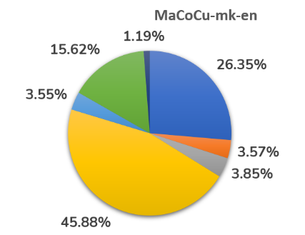 | 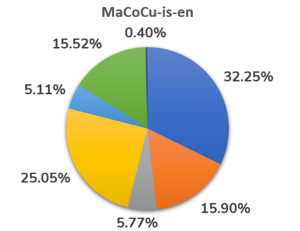 | 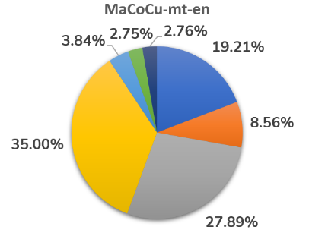

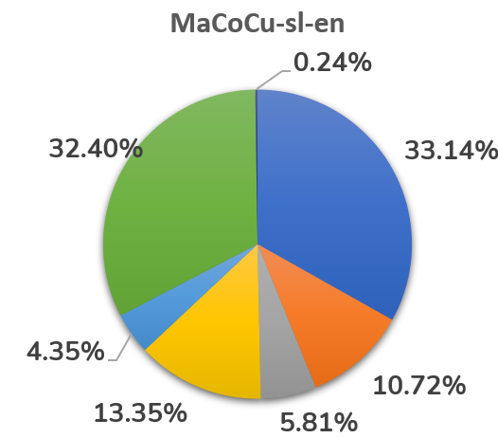 | 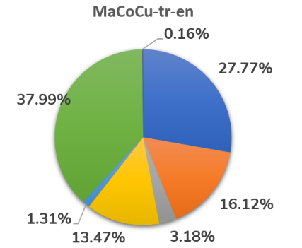 | 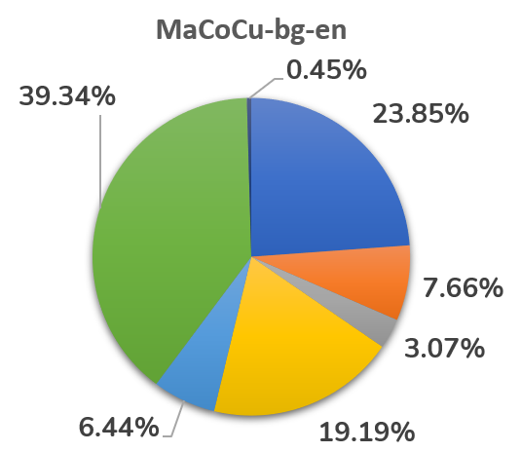

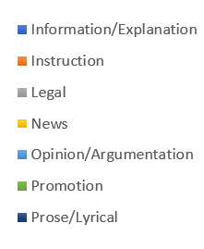

 | Icelandic | Maltese | Slovene | Croatian | Macedonian | Bulgarian | Turkish
Information/Explanation | 32.25% | 19.21% | 33.14% | 31.61% | 26.35% | 23.85% | 27.77%
Instruction | 15.90% | 8.56% | 10.72% | 12.12% | 3.57% | 7.66% | 16.12%
Legal | 5.77% | 27.89% | 5.81% | 5.29% | 3.85% | 3.07% | 3.18%
News | 25.05% | 35.00% | 13.35% | 17.08% | 45.88% | 19.19% | 13.47%
Opinion/Argumentation | 5.11% | 3.84% | 4.35% | 4.03% | 3.55% | 6.44% | 1.31%
Promotion | 15.52% | 2.75% | 32.40% | 29.24% | 15.62% | 39.34% | 37.99%
Prose/Lyrical | 0.40% | 2.76% | 0.24% | 0.62% | 1.19% | 0.45% | 0.16%

Sizes of datasets
Dataset | Original no. of texts | Pre-processed dataset (texts) | Analysed texts (%) | Texts with genre labels | Texts with genre labels (%)
MaCoCu-sl-en | 285,892 | 101,807 | 35.6% | 91,459 | 32.0%
MaCoCu-mt-en | 47,206 | 23,999 | 50.8% | 21,376 | 45.3%
MaCoCu-is-en | 40,340 | 13,174 | 32.7% | 11,639 | 28.9%
MaCoCu-mk-en | 54,957 | 22,055 | 40.1% | 20,108 | 36.6%
MaCoCu-tr-en | 796,473 | 213,147 | 26.8% | 193,782 | 24.3%
MaCoCu-bg-en | 287,456 | 107,404 | 37.4% | 88,544 (18% discarded!) | 30.8%
MaCoCu-hr-en | 324,666 | 101,752 | 31.3% | 91,619 | 28.2%
 |  | 35

Dataset | Original no. of texts | Pre-processed dataset (texts) | Texts with genre labels
MaCoCu-sl-en | 286k | 102k | 91k
MaCoCu-mt-en | 47k | 24k | 21k
MaCoCu-is-en | 40k | 13k | 12k
MaCoCu-mk-en | 55k | 22k | 20k
MaCoCu-tr-en | 796k | 213k | 194k
MaCoCu-bg-en | 287k | 107k | 86k
MaCoCu-hr-en | 325k | 102k | 92k

Dataset | Original no. of texts | Pre-processed dataset (texts) | Texts with genre labels
MaCoCu-sl-en | 285,892 | 101,807 | 91,459
MaCoCu-mt-en | 47,206 | 23,999 | 21,376
MaCoCu-is-en | 40,340 | 13,174 | 11,639
MaCoCu-mk-en | 54,957 | 22,055 | 20,108
MaCoCu-tr-en | 796,473 | 213,147 | 193,782
MaCoCu-bg-en | 287,456 | 107,404 | 88,544
MaCoCu-hr-en | 324,666 | 101,752 | 91,619

English-dist
Category | MaCoCu-mk | MaCoCu-sl | MaCoCu-is | MaCoCu-mt | MaCoCu-tr | MaCoCu-bg | MaCoCu-hr
News | A': 2706, 'B': 1852, 'MIX': 496, 'UNK': 4171 | A': 1122, 'B': 6761, 'MIX': 541, 'UNK': 3783 | A': 313, 'B': 1455, 'MIX': 123, 'UNK': 1025 | A': 179, 'B': 5053, 'MIX': 170, 'UNK': 2079 | A': 7520, 'B': 3919, 'MIX': 89, 'UNK': 14577 | A': 4715, 'B': 3941, 'MIX': 911, 'UNK': 7426 | {'A': 3070, 'B': 6671, 'MIX': 752, 'UNK': 5160}
Opinion/Argumentation | A': 255, 'B': 181, 'MIX': 65, 'UNK': 212 | A': 686, 'B': 1716, 'MIX': 262, 'UNK': 1316 | A': 148, 'B': 216, 'MIX': 49, 'UNK': 182 | A': 281, 'B': 331, 'MIX': 34, 'UNK': 174 | A': 968, 'B': 225, 'MIX': 35, 'UNK': 1312 | A': 1507, 'B': 729, 'MIX': 271, 'UNK': 3195 | {'A': 1190, 'B': 1058, 'MIX': 304, 'UNK': 1144}
Promotion | A': 1114, 'B': 470, 'MIX': 159, 'UNK': 1397 | A': 6608, 'B': 10522, 'MIX': 2327, 'UNK': 10172 | A': 513, 'B': 443, 'MIX': 128, 'UNK': 722 | A': 40, 'B': 307, 'MIX': 15, 'UNK': 226 | A': 27777, 'B': 16531, 'MIX': 707, 'UNK': 28609 | A': 14934, 'B': 5605, 'MIX': 2865, 'UNK': 11425 | {'A': 8808, 'B': 7088, 'MIX': 2364, 'UNK': 8530}
Instruction | A': 232, 'B': 115, 'MIX': 26, 'UNK': 345 | A': 2112, 'B': 2526, 'MIX': 333, 'UNK': 4830 | A': 394, 'B': 646, 'MIX': 108, 'UNK': 703 | A': 250, 'B': 931, 'MIX': 56, 'UNK': 592 | A': 7770, 'B': 1767, 'MIX': 110, 'UNK': 21592 | A': 2478, 'B': 1168, 'MIX': 347, 'UNK': 2793 | {'A': 3738, 'B': 2515, 'MIX': 474, 'UNK': 4375}
Information/Explanation | A': 1680, 'B': 918, 'MIX': 301, 'UNK': 2399 | A': 4361, 'B': 13091, 'MIX': 1932, 'UNK': 10923 | A': 545, 'B': 1495, 'MIX': 195, 'UNK': 1518 | A': 658, 'B': 2411, 'MIX': 142, 'UNK': 896 | A': 16183, 'B': 2251, 'MIX': 257, 'UNK': 35117 | A': 7614, 'B': 4446, 'MIX': 1713, 'UNK': 7347 | {'A': 6596, 'B': 10435, 'MIX': 1950, 'UNK': 9977}
Legal | A': 179, 'B': 193, 'MIX': 45, 'UNK': 358 | A': 317, 'B': 3667, 'MIX': 196, 'UNK': 1137 | A': 84, 'B': 338, 'MIX': 39, 'UNK': 211 | A': 218, 'B': 4481, 'MIX': 253, 'UNK': 1010 | A': 2967, 'B': 531, 'MIX': 67, 'UNK': 2592 | A': 673, 'B': 818, 'MIX': 200, 'UNK': 1027 | {'A': 502, 'B': 3112, 'MIX': 192, 'UNK': 1045}
Prose/Lyrical | A': 94, 'B': 53, 'MIX': 9, 'UNK': 83 | A': 54, 'B': 72, 'MIX': 20, 'UNK': 72 | A': 13, 'B': 14, 'MIX': 2, 'UNK': 17 | A': 295, 'B': 22, 'MIX': 7, 'UNK': 265 | A': 133, 'B': 10, 'MIX': 24, 'UNK': 142 | A': 124, 'B': 119, 'MIX': 31, 'UNK': 122 | {'A': 203, 'B': 95, 'MIX': 16, 'UNK': 255}

Category | MaCoCu-mk | MaCoCu-sl | MaCoCu-is | MaCoCu-mt | MaCoCu-tr | MaCoCu-bg | MaCoCu-hr
News | A': 29.33, 'B': 20.08, 'MIX': 5.38, 'UNK': 45.21 | A': 9.19, 'B': 55.39, 'MIX': 4.43, 'UNK': 30.99 | A': 10.73, 'B': 49.9, 'MIX': 4.22, 'UNK': 35.15 | A': 2.39, 'B': 67.54, 'MIX': 2.27, 'UNK': 27.79 | A': 28.81, 'B': 15.01, 'MIX': 0.34, 'UNK': 55.84 | A': 27.75, 'B': 23.19, 'MIX': 5.36, 'UNK': 43.7 | {'A': 19.61, 'B': 42.62, 'MIX': 4.8, 'UNK': 32.96}
Opinion/Argumentation | A': 35.76, 'B': 25.39, 'MIX': 9.12, 'UNK': 29.73 | A': 17.24, 'B': 43.12, 'MIX': 6.58, 'UNK': 33.07 | A': 24.87, 'B': 36.3, 'MIX': 8.24, 'UNK': 30.59 | A': 34.27, 'B': 40.37, 'MIX': 4.15, 'UNK': 21.22 | A': 38.11, 'B': 8.86, 'MIX': 1.38, 'UNK': 51.65 | A': 26.43, 'B': 12.78, 'MIX': 4.75, 'UNK': 56.03 | {'A': 32.2, 'B': 28.63, 'MIX': 8.23, 'UNK': 30.95}
Promotion | A': 35.48, 'B': 14.97, 'MIX': 5.06, 'UNK': 44.49 | A': 22.3, 'B': 35.51, 'MIX': 7.85, 'UNK': 34.33 | A': 28.41, 'B': 24.53, 'MIX': 7.09, 'UNK': 39.98 | A': 6.8, 'B': 52.21, 'MIX': 2.55, 'UNK': 38.44 | A': 37.73, 'B': 22.45, 'MIX': 0.96, 'UNK': 38.86 | A': 42.88, 'B': 16.09, 'MIX': 8.23, 'UNK': 32.8 | {'A': 32.88, 'B': 26.46, 'MIX': 8.82, 'UNK': 31.84}
Instruction | A': 32.31, 'B': 16.02, 'MIX': 3.62, 'UNK': 48.05 | A': 21.55, 'B': 25.77, 'MIX': 3.4, 'UNK': 49.28 | A': 21.29, 'B': 34.9, 'MIX': 5.83, 'UNK': 37.98 | A': 13.67, 'B': 50.9, 'MIX': 3.06, 'UNK': 32.37 | A': 24.87, 'B': 5.66, 'MIX': 0.35, 'UNK': 69.12 | A': 36.52, 'B': 17.21, 'MIX': 5.11, 'UNK': 41.16 | {'A': 33.67, 'B': 22.65, 'MIX': 4.27, 'UNK': 39.41}
Information/Explanation | A': 31.71, 'B': 17.33, 'MIX': 5.68, 'UNK': 45.28 | A': 14.39, 'B': 43.19, 'MIX': 6.37, 'UNK': 36.04 | A': 14.52, 'B': 39.83, 'MIX': 5.2, 'UNK': 40.45 | A': 16.02, 'B': 58.7, 'MIX': 3.46, 'UNK': 21.82 | A': 30.08, 'B': 4.18, 'MIX': 0.48, 'UNK': 65.26 | A': 36.05, 'B': 21.05, 'MIX': 8.11, 'UNK': 34.79 | {'A': 22.78, 'B': 36.03, 'MIX': 6.73, 'UNK': 34.45}
Legal | A': 23.1, 'B': 24.9, 'MIX': 5.81, 'UNK': 46.19 | A': 5.96, 'B': 68.97, 'MIX': 3.69, 'UNK': 21.38 | A': 12.5, 'B': 50.3, 'MIX': 5.8, 'UNK': 31.4 | A': 3.66, 'B': 75.16, 'MIX': 4.24, 'UNK': 16.94 | A': 48.19, 'B': 8.62, 'MIX': 1.09, 'UNK': 42.1 | A': 24.76, 'B': 30.1, 'MIX': 7.36, 'UNK': 37.79 | {'A': 10.35, 'B': 64.15, 'MIX': 3.96, 'UNK': 21.54}
Prose/Lyrical | A': 39.33, 'B': 22.18, 'MIX': 3.77, 'UNK': 34.73 | A': 24.77, 'B': 33.03, 'MIX': 9.17, 'UNK': 33.03 | A': 28.26, 'B': 30.43, 'MIX': 4.35, 'UNK': 36.96 | A': 50.08, 'B': 3.74, 'MIX': 1.19, 'UNK': 44.99 | A': 43.04, 'B': 3.24, 'MIX': 7.77, 'UNK': 45.95 | A': 31.31, 'B': 30.05, 'MIX': 7.83, 'UNK': 30.81 | {'A': 35.68, 'B': 16.7, 'MIX': 2.81, 'UNK': 44.82}

Category | MaCoCu-mk | MaCoCu-sl | MaCoCu-is | MaCoCu-mt | MaCoCu-tr | MaCoCu-bg
News | Similar distribution (less than 5 points difference) | More B | More B | More B | Similar distribution (less than 5 points difference) | More B
Opinion/Argumentation | More B | Similar distribution (less than 5 points difference) | Similar distribution (less than 5 points difference) | Less B | Similar distribution (less than 5 points difference) | Less B
Promotion | Similar distribution (less than 5 points difference) | Less B | Less B | Less B | More B | Similar distribution (less than 5 points difference)
Instruction | Similar distribution (less than 5 points difference) | Less B | Similar distribution (less than 5 points difference) | Less B | Less B | Similar distribution (less than 5 points difference)
Information/Explanation | Similar distribution (less than 5 points difference) | Similar distribution (less than 5 points difference) | Similar distribution (less than 5 points difference) | Similar distribution (less than 5 points difference) | Less B | Similar distribution (less than 5 points difference)
Legal | More B | More B | More B | More B | Similar distribution (less than 5 points difference) | More B
Prose/Lyrical | Similar distribution (less than 5 points difference) | Less B | Less B | Less B | Less B | More B

Category | MaCoCu-mk | MaCoCu-sl | MaCoCu-is | MaCoCu-mt | MaCoCu-tr | MaCoCu-bg
News | Similar distribution (less than 5 points difference) | Less A | Less A | Less A | Less A | Less A
Opinion/Argumentation | More A | Similar distribution (less than 5 points difference) | More A | More A | Similar distribution (less than 5 points difference) | Less A
Promotion | Similar distribution (less than 5 points difference) | More A | More A | Similar distribution (less than 5 points difference) | Similar distribution (less than 5 points difference) | More A
Instruction | Similar distribution (less than 5 points difference) | More A | Similar distribution (less than 5 points difference) | More A | Less A | Similar distribution (less than 5 points difference)
Information/Explanation | Similar distribution (less than 5 points difference) | Similar distribution (less than 5 points difference) | Similar distribution (less than 5 points difference) | More A | Similar distribution (less than 5 points difference) | Similar distribution (less than 5 points difference)
Legal | Less A | Less A | Less A | Less A | More A | Less A
Prose/Lyrical | More A | More A | More A | More A | More A | Similar distribution (less than 5 points difference)

Category | Median American | Median British | Median Unknown/Mix
News | 19.61 | 42.62 | 39.37
Opinion/Argumentation | 32.20 | 28.63 | 39.18
Promotion | 32.88 | 24.53 | 41.03
Instruction | 24.87 | 22.65 | 46.27
Information/Explanation | 22.78 | 36.03 | 42.90
Legal | 12.50 | 50.30 | 37.20
Prose/Lyrical | 35.68 | 22.18 | 42.20

Category | Average American | Average British | Average Unknown/Mix
News | 18.26 | 39.10 | 42.63
Opinion/Argumentation | 29.84 | 27.92 | 42.24
Promotion | 29.50 | 27.46 | 43.04
Instruction | 26.27 | 24.73 | 49.00
Information/Explanation | 23.65 | 31.47 | 44.87
Legal | 18.36 | 46.03 | 35.61
Prose/Lyrical | 36.07 | 19.91 | 44.03

Category | Average British | Average American | Average Unknown/Mix
News | 39% | 18% | 43%
Opinion/Argumentation | 28% | 30% | 42%
Promotion | 27% | 29% | 43%
Instruction | 25% | 26% | 49%
Information/Explanation | 31% | 24% | 45%
Legal | 46% | 18% | 36%
Prose/Lyrical | 20% | 36% | 44%

Distr in HR
MaCoCu-hr-en
MaCoCu-hr | %
Information/Explanation | 31.61%
Instruction | 12.12%
Legal | 5.29%
News | 17.08%
Opinion/Argumentation | 4.03%
Promotion | 29.24%
Prose/Lyrical | 0.62%

Distr in MK
MaCoCu-mk-en
MaCoCu-mk | Percentage
Information/Explanation | 26.35%
Instruction | 3.57%
Legal | 3.85%
News | 45.88%
Opinion/Argumentation | 3.55%
Promotion | 15.62%
Prose/Lyrical | 1.19%

Distr in IS
MaCoCu-is-en
MaCoCu-is-en | %
Information/Explanation | 32.25%
Instruction | 15.90%
Legal | 5.77%
News | 25.05%
Opinion/Argumentation | 5.11%
Promotion | 15.52%
Prose/Lyrical | 0.40%

Distr in MT
MaCoCu-mt-en
MaCoCu-mt-en | %
Information/Explanation | 19.21%
Instruction | 8.56%
Legal | 27.89%
News | 35.00%
Opinion/Argumentation | 3.84%
Promotion | 2.75%
Prose/Lyrical | 2.76%

Distr in SL
MaCoCu-sl-en
MaCoCu-sl-en | %
Information/Explanation | 33.14%
Instruction | 10.72%
Legal | 5.81%
News | 13.35%
Opinion/Argumentation | 4.35%
Promotion | 32.40%
Prose/Lyrical | 0.24%

Distr in TR
MaCoCu-tr-en
MaCoCu-tr | %
Information/Explanation | 27.77%
Instruction | 16.12%
Legal | 3.18%
News | 13.47%
Opinion/Argumentation | 1.31%
Promotion | 37.99%
Prose/Lyrical | 0.16%

Distr in BG
MaCoCu-bg-en
MaCoCu-bg | %
Information/Explanation | 23.85%
Instruction | 7.66%
Legal | 3.07%
News | 19.19%
Opinion/Argumentation | 6.44%
Promotion | 39.34%
Prose/Lyrical | 0.45%

