English varieties (doc level)
British and American English in MaCoCu
Dataset | British | American | Unknown/Mix
MaCoCu-sl-en | 42% | 17% | 41%
MaCoCu-is-en | 39% | 18% | 43%
MaCoCu-mt-en | 63% | 9% | 28%
MaCoCu-mk-en | 19% | 31% | 50%
MaCoCu-tr-en | 12% | 34% | 54%
MaCoCu-bg-en | 18% | 33% | 49%
MaCoCu-hr-en | 34% | 26% | 40%

Comparison of distribution
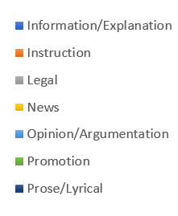
 | MaCoCu-mk-en | MaCoCu-is-en | MaCoCu-mt-en | MaCoCu-sl-en | MaCoCu-tr-en | MaCoCu-bg-en | MaCoCu-hr-en
Information/Explanation | 26.35% | 32.25% | 19.21% | 33.14% | 27.77% | 23.85% | 31.61%
Instruction | 3.57% | 15.90% | 8.56% | 10.72% | 16.12% | 7.66% | 12.12%
Legal | 3.85% | 5.77% | 27.89% | 5.81% | 3.18% | 3.07% | 5.29%
News | 45.88% | 25.05% | 35.00% | 13.35% | 13.47% | 19.19% | 17.08%
Opinion/Argumentation | 3.55% | 5.11% | 3.84% | 4.35% | 1.31% | 6.44% | 4.03%
Promotion | 15.62% | 15.52% | 2.75% | 32.40% | 37.99% | 39.34% | 29.24%
Prose/Lyrical | 1.19% | 0.40% | 2.76% | 0.24% | 0.16% | 0.45% | 0.62%

Distribution of Genres in MaCoCu parallel corpora

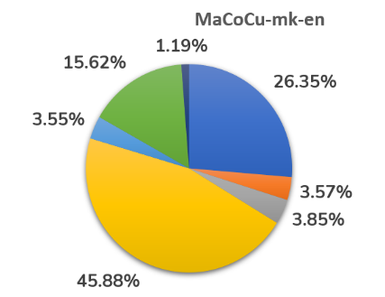 | 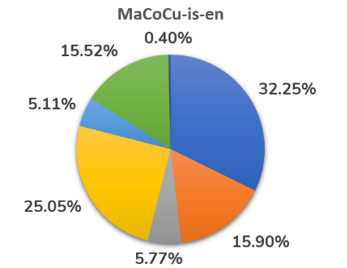 | 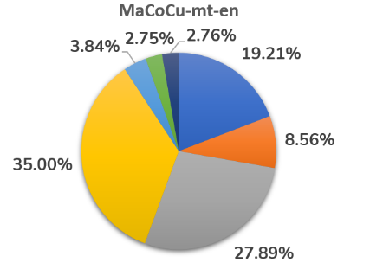

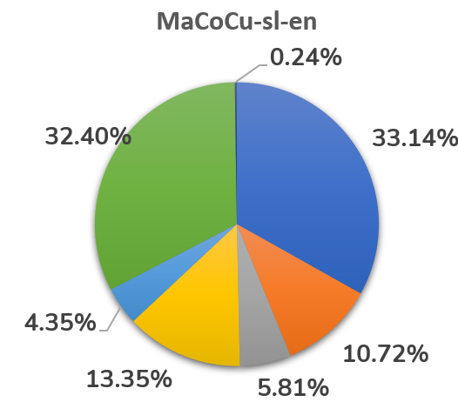 | 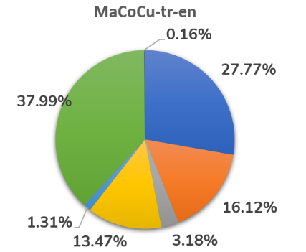 | 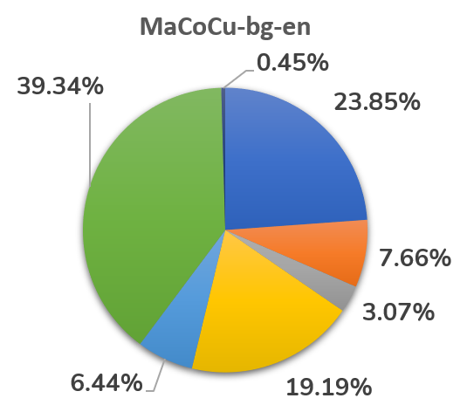

Sizes of datasets
Dataset | Original no. of texts | Pre-processed dataset (texts) | Analysed texts (%) | Texts with genre labels | Texts with genre labels (%)
MaCoCu-sl-en | 285,892 | 101,807 | 35.6% | 91,459 | 32.0%
MaCoCu-mt-en | 47,206 | 23,999 | 50.8% | 21,376 | 45.3%
MaCoCu-is-en | 40,340 | 13,174 | 32.7% | 11,639 | 28.9%
MaCoCu-mk-en | 54,957 | 22,055 | 40.1% | 20,108 | 36.6%
MaCoCu-tr-en | 796,473 | 213,147 | 26.8% | 193,782 | 24.3%
MaCoCu-bg-en | 287,456 | 107,404 | 37.4% | 88,544 (18% discarded!) | 30.8%
MaCoCu-hr-en | 324,666 | 101,752 | 31.3% | 91,619 | 28.2%

Dataset | Original no. of texts | Pre-processed dataset (texts) | Texts with genre labels
MaCoCu-sl-en | 286k | 102k | 91k
MaCoCu-mt-en | 47k | 24k | 21k
MaCoCu-is-en | 40k | 13k | 12k
MaCoCu-mk-en | 55k | 22k | 20k
MaCoCu-tr-en | 796k | 213k | 194k
MaCoCu-bg-en | 287k | 107k | 86k
MaCoCu-hr-en | 325k | 102k | 92k

Dataset | Original no. of texts | Pre-processed dataset (texts) | Texts with genre labels
MaCoCu-sl-en | 285,892 | 101,807 | 91,459
MaCoCu-mt-en | 47,206 | 23,999 | 21,376
MaCoCu-is-en | 40,340 | 13,174 | 11,639
MaCoCu-mk-en | 54,957 | 22,055 | 20,108
MaCoCu-tr-en | 796,473 | 213,147 | 193,782
MaCoCu-bg-en | 287,456 | 107,404 | 88,544
MaCoCu-hr-en | 324,666 | 101,752 | 91,619

Distr in HR
MaCoCu-hr-en
MaCoCu-hr | %
Information/Explanation | 31.61%
Instruction | 12.12%
Legal | 5.29%
News | 17.08%
Opinion/Argumentation | 4.03%
Promotion | 29.24%
Prose/Lyrical | 0.62%

Distr in MK
MaCoCu-mk-en
MaCoCu-mk | Percentage
Information/Explanation | 26.35%
Instruction | 3.57%
Legal | 3.85%
News | 45.88%
Opinion/Argumentation | 3.55%
Promotion | 15.62%
Prose/Lyrical | 1.19%

Distr in IS
MaCoCu-is-en
MaCoCu-is-en | %
Information/Explanation | 32.25%
Instruction | 15.90%
Legal | 5.77%
News | 25.05%
Opinion/Argumentation | 5.11%
Promotion | 15.52%
Prose/Lyrical | 0.40%

Distr in MT
MaCoCu-mt-en
MaCoCu-mt-en | %
Information/Explanation | 19.21%
Instruction | 8.56%
Legal | 27.89%
News | 35.00%
Opinion/Argumentation | 3.84%
Promotion | 2.75%
Prose/Lyrical | 2.76%

Distr in SL
MaCoCu-sl-en
MaCoCu-sl-en | %
Information/Explanation | 33.14%
Instruction | 10.72%
Legal | 5.81%
News | 13.35%
Opinion/Argumentation | 4.35%
Promotion | 32.40%
Prose/Lyrical | 0.24%

Distr in TR
MaCoCu-tr-en
MaCoCu-tr | %
Information/Explanation | 27.77%
Instruction | 16.12%
Legal | 3.18%
News | 13.47%
Opinion/Argumentation | 1.31%
Promotion | 37.99%
Prose/Lyrical | 0.16%

Distr in BG
MaCoCu-bg-en
MaCoCu-bg | %
Information/Explanation | 23.85%
Instruction | 7.66%
Legal | 3.07%
News | 19.19%
Opinion/Argumentation | 6.44%
Promotion | 39.34%
Prose/Lyrical | 0.45%

