Sheet1
check @649 for ensemble |  |  |  |  |  |  |  |  |  |  |  |  |  | HIGHEST SCORE
Hyperparameters: |  |  |  |  |  |  |  |  |  |  |  |  |  |  | next: dropout alternately
Dataset | 10% | 10% | 10% | 10% | Full | 10% | 10% | Full | 10% | 10% | 10% | Full | Full | Full |  | 10% | 10% | 10% | Full | 10% | 10%
Epoch | 10 | 10 | 10 | 10 | 10 | 10 | 10 | 10 | 10 | 10 | 10 | 10 | 10 | 10 |  | 10 | 10 | 10 |  | 10 | 10
Batch Size | 2048 | 2048 | 2048 | 2048 | 2048 | 2048 | 2048 | 2048 | 2048 | 2048 | 2048 | 2048 | 2048 | 2048 |  | 2048 | 2048 | 2048 |  | 2048 | 2048
Learning Rate | 0.001 | 0.001 | 0.001 | 0.001 | 0.001 | 0.001 | 0.001 | 0.001 | 0.001 | 0.001 | 0.001 | 0.001 | 0.001 | 0.001 |  | 0.001 | 0.001 | 0.001 |  | 0.001 | 0.001
# of layers | 7 | 8 | 8 | 8 | 8 | 8 | 8 | 8 | 8 | 8 | 8 | 8 | 8 | 8 |  | 8 | 8 | 8 |  | 8 | 8
layer architechture | [in_size, 4096, 4096, 4096, 4096, 4096, 4096, 4096, 40] | [in_size, 4096, 4096, 4096, 4096, 4096, 4096, 4096, 4096, 40] | [in_size, 4096, 4096, 4096, 4096, 4096, 4096, 4096, 4096, 40] | [in_size, 4096, 4096, 4096, 4096, 4096, 4096, 4096, 4096, 40] | [in_size, 4096, 4096, 4096, 4096, 4096, 4096, 4096, 4096, 40] | [in_size, 4096, 4096, 4096, 4096, 4096, 4096, 4096, 4096, 40] | [in_size, 4096, 4096, 4096, 4096, 4096, 4096, 4096, 4096, 40] | [in_size, 4096, 4096, 4096, 4096, 4096, 4096, 4096, 4096, 40] | [in_size, 4096, 4096, 4096, 4096, 4096, 4096, 4096, 4096, 40] | [in_size, 1024, 2048, 4096, 4096, 4096, 2048, 1024, 512, 40] | [in_size, 1024, 2048, 4096, 4096, 4096, 2048, 1024, 512, 40] | [in_size, 1024, 2048, 4096, 4096, 4096, 2048, 1024, 512, 40] | [in_size, 4096, 4096, 4096, 4096, 4096, 2048, 1024, 512, 40] | [in_size, 2048, 4096, 8192, 8192, 8192, 4096, 2048, 1024, 40] |  | [in_size, 4096, 4096, 4096, 4096, 4096, 4096, 4096, 4096, 40] | [in_size, 4096, 4096, 4096, 4096, 4096, 4096, 4096, 4096, 40] | [in_size, 4096, 4096, 4096, 4096, 4096, 4096, 4096, 4096, 40] |  | [in_size, 4096, 4096, 4096, 4096, 4096, 4096, 4096, 4096, 40] | [in_size, 4096, 4096, 4096, 4096, 4096, 4096, 4096, 4096, 40]
Droupout | [0.5, 0.25, 0.1, 0, 0, 0, 0] | [0.5, 0.25, 0.1, 0, 0, 0, 0, 0] | [0.5, 0.25, 0.1, 0, 0, 0, 0, 0] | [0.25, 0.25, 0.25, 0.25, 0, 0, 0, 0] | [0.25, 0.25, 0.25, 0.25, 0, 0, 0, 0] | [0.25, 0.25, 0.25, 0.25, 0, 0, 0, 0] | [0.25, 0.25, 0.25, 0.25, 0, 0, 0, 0] | [0.25, 0.25, 0.25, 0.25, 0.25, 0.25, 0.25, 0.25] | [0.25, 0.25, 0.25, 0.25, 0, 0, 0, 0] | [0.25, 0.25, 0.25, 0.25, 0.25, 0.25, 0.25, 0.25] | [0.25, 0.25, 0.25, 0.25, 0.25, 0.25, 0.25, 0.25] | [0.25, 0.25, 0.25, 0.25, 0.25, 0.25, 0.25, 0.25] | [0.25, 0.25, 0.25, 0.25, 0.25, 0.25, 0.25, 0.25] | [0.25, 0.25, 0.25, 0.25, 0.25, 0.25, 0.25, 0.25] |  | [0.5, 0.25, 0.1, 0, 0, 0, 0, 0] | [0.5, 0.25, 0.1, 0, 0, 0, 0, 0] | [0.5, 0.25, 0.1, 0, 0, 0, 0, 0] |  | [0.25, 0.25, 0.25, 0.25, 0, 0, 0, 0] | [0.5, 0.25, 0.1, 0, 0, 0, 0, 0]
Batchnorm | all layers | all layers | all layers | all layers | all layers | all layers | all layers | all layers | all layers | all layers | all layers | all layers | all layers | all layers |  | all layers | all layers | all layers |  | all layers | all layers
activation | nn.Softplus() | nn.Softplus() | nn.Softplus() | nn.Softplus() | nn.Softplus() | nn.Softplus() | nn.Softplus() | nn.Softplus() | nn.Softplus() | nn.Softplus() | nn.Softplus() | nn.Softplus() | nn.Softplus() | nn.Softplus() |  | nn.Softplus() | nn.Softplus() | nn.Softplus() |  | nn.Softplus() | nn.Softplus()
Optimizer | Adam | Adam | Adam | Adam | Adam | AdamW(weight_decay=1e-6) | AdamW(weight_decay=1e-2) | AdamW(weight_decay=1e-2) | AdamW(weight_decay=1e-2) | AdamW(weight_decay=1e-2) | AdamW(weight_decay=1e-2) | AdamW(weight_decay=1e-2) | AdamW(weight_decay=1e-2) | AdamW(weight_decay=1e-2) |  | Nesterov, momentum=0.9 | Nesterov, momentum=0.8 | RMSprop, alpha=0.9 |  | RMSprop, alpha=0.9 | RMSprop, alpha=0.8
decay (regularization) | 1.00E-06 | 1.00E-06 | 1.00E-06 | 1.00E-06 | 1.00E-06 | 1.00E-06 |  |  |  |  |  |  |  |  |  | 1.00E-06 | 1.00E-06 | 1.00E-06 |  | 1.00E-06 | 1.00E-06
Scheduler | ReduceLROnPlateau(optimizer, factor=0.6, patience=1, mode='max') | ReduceLROnPlateau(optimizer, factor=0.6, patience=1, mode='max') | ReduceLROnPlateau(optimizer, factor=0.6, patience=1, mode='max') | ReduceLROnPlateau(optimizer, factor=0.6, patience=1, mode='max') | ReduceLROnPlateau(optimizer, factor=0.6, patience=1, mode='max') | ReduceLROnPlateau(optimizer, factor=0.6, patience=1, mode='max') | ReduceLROnPlateau(optimizer, factor=0.6, patience=1, mode='max') | ReduceLROnPlateau(optimizer, factor=0.8, patience=3, mode='max') | ReduceLROnPlateau(optimizer, factor=0.6, patience=1, mode='max') | ReduceLROnPlateau(optimizer, factor=0.8, patience=3, mode='max') | ReduceLROnPlateau(optimizer, factor=0.8, patience=3, mode='max') | ReduceLROnPlateau(optimizer, factor=0.8, patience=3, mode='max') | ReduceLROnPlateau(optimizer, factor=0.8, patience=3, mode='max') | ReduceLROnPlateau(optimizer, factor=0.8, patience=3, mode='max') |  | ReduceLROnPlateau(optimizer, factor=0.6, patience=1, mode='max') | ReduceLROnPlateau(optimizer, factor=0.6, patience=1, mode='max') | ReduceLROnPlateau(optimizer, factor=0.6, patience=1, mode='max') |  | ReduceLROnPlateau(optimizer, factor=0.6, patience=1, mode='max') | ReduceLROnPlateau(optimizer, factor=0.6, patience=1, mode='max')
context | 16 | 16 | 30 | 30 | 30 | 30 | 30 | 30 | 16 | 30 | 30 | 30 | 30 | 30 |  | 30 | 30 | 30 |  | 30 | 30
weight init | nn.init.xavier_normal_(param.weight) | nn.init.xavier_normal_(param.weight) | nn.init.xavier_normal_(param.weight) | nn.init.xavier_normal_(param.weight) | nn.init.xavier_normal_(param.weight) | nn.init.xavier_normal_(param.weight) | nn.init.xavier_normal_(param.weight) | nn.init.kaiming_uniform_(param.weight) | nn.init.xavier_normal_(param.weight) | nn.init.xavier_normal_(param.weight) | nn.init.kaiming_uniform_(param.weight) | nn.init.kaiming_uniform_(param.weight) | nn.init.kaiming_uniform_(param.weight) | nn.init.kaiming_uniform_(param.weight) |  | nn.init.xavier_normal_(param.weight) | nn.init.xavier_normal_(param.weight) | nn.init.xavier_normal_(param.weight) |  | nn.init.xavier_normal_(param.weight) | nn.init.xavier_normal_(param.weight)

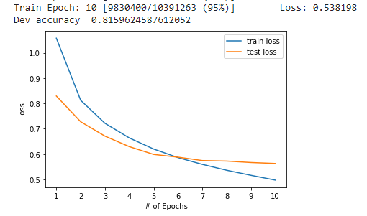 Loss |  | 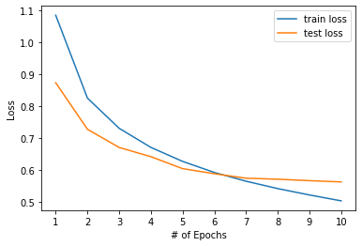 | 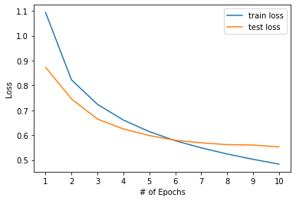 | 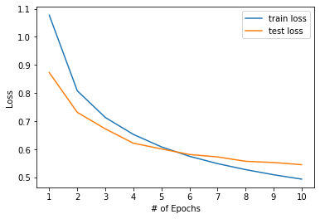 | 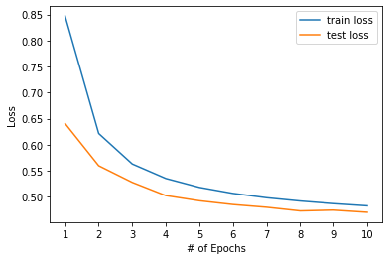 | 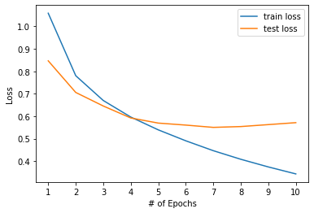 | 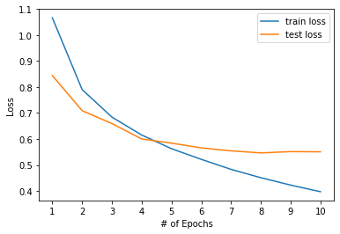 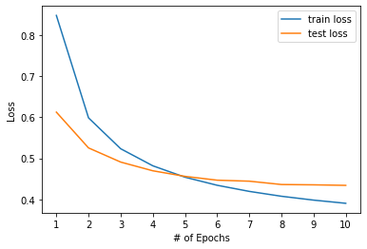 |  | 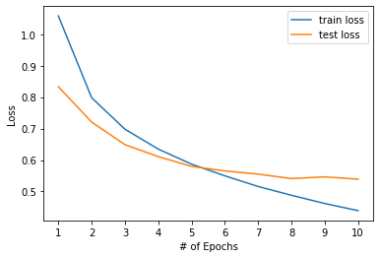 | 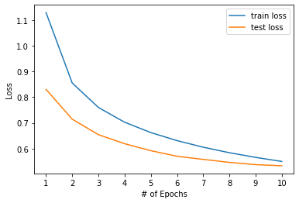 | 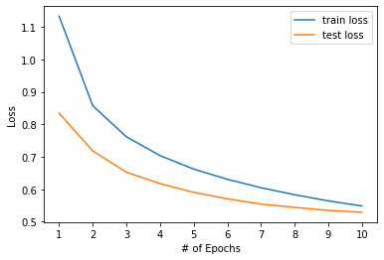 |  | 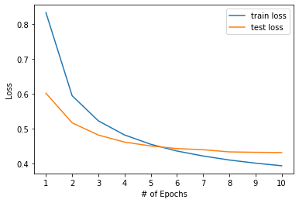 | 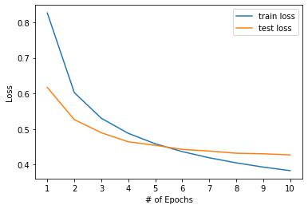 |  | 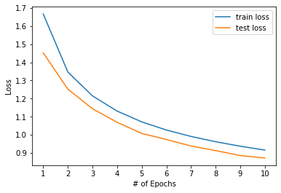 |  | 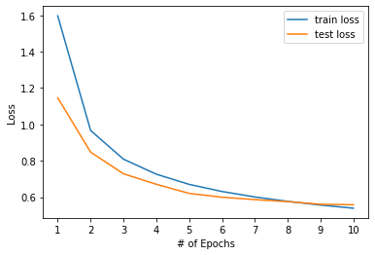 |  | 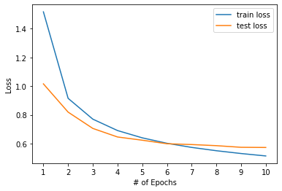 | 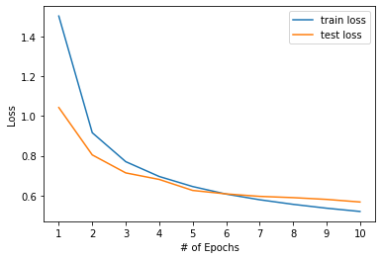
Dev accuracy | 0.81596245876 | 0.8151314893 | 0.81971988587 | 0.82056943601 | 0.84396354883 | 0.82721667554 | 0.82610183453 | 0.85898190241 | 0.82528118768 | 0.8228311181 | 0.82336582888 | 0.85310989029 | 0.85896177334 | 0.86128332652 |  | 0.71744148117 | 0.67438332776 | 0.81659781491 |  | 0.81308451734 | 0.81422671324
Test Accuracy(Kaggle) |  |  |  |  |  |  |  | 0.85977 |  |  |  |  |  | 0.86175

Directory |  |  |  |  | model-2022-02-13T21:58:19

Sheet2
