画面仕様書
画面仕様書

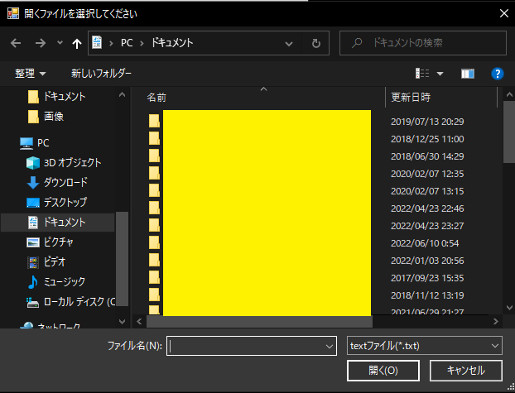
 | 1. メイン画面
 |  | ファイルのパス入力
 |  | 参照ボタン
 |  | 出力ボタン
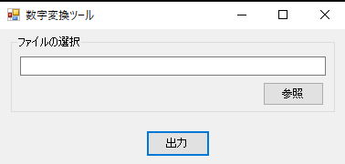

 | 2. ファイルの選択
 |  | 参照ボタンを押下
 |  | 直接入力
 |  | ドラッグ＆ドロップ
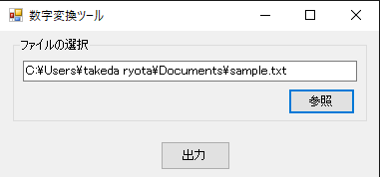

 | 3. 出力ボタン押下時

 |  | ファイルが未選択時
 |  | txtファイルではないファイルが指定されたとき
 |  | 内容のフォーマットが異なるとき
 |  | 上記の場合はエラーダイアログが表示される。
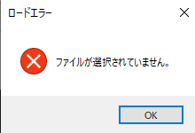
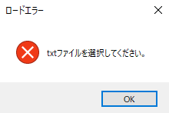
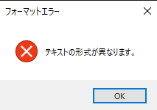

 | 変換が可能なときは、出力先ファイルダイアログが表示される。
 | デイフォルトはconvert_text_[出力する時間(YYYYMMDDhhmm)].txt
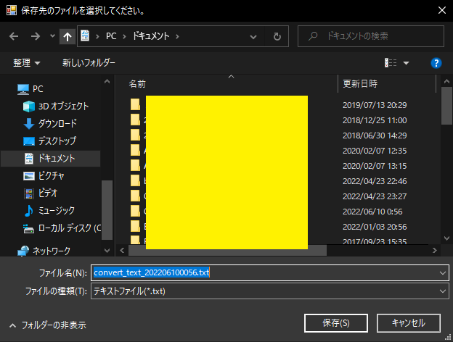

 | 4. 保存ボタン押下時
 |  | 完了ダイアログが表示される。
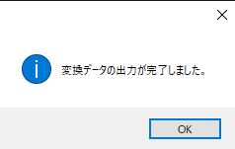

 | 5. 確認
 |  | 任意のファイルに保存されていることが確認できる。

